Trauma Registry
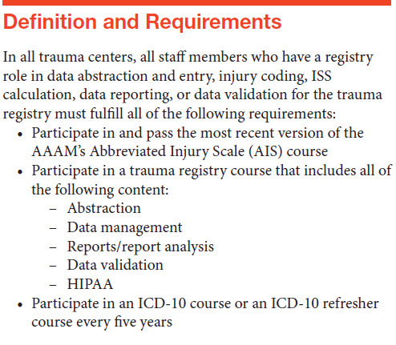
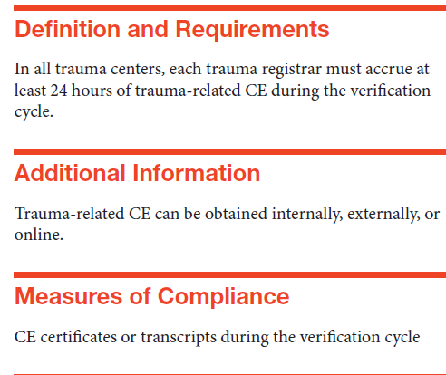
4.33 & 4.34 Trauma Registry courses (Type II) and CE (Type II)
 |  |  |  | Registry Course
Last name | First name | Hire Date | AIS completion date | Registry Course name | Course description | completion date | ICD-10 Course completion date | # Trauma CE hours | Certifications

