HCP-LAN Framework (for ref.)
HCP-LAN Framework (for reference)
View an accessible, text-only version.
Health Care Payment Learning and Action Network white paper
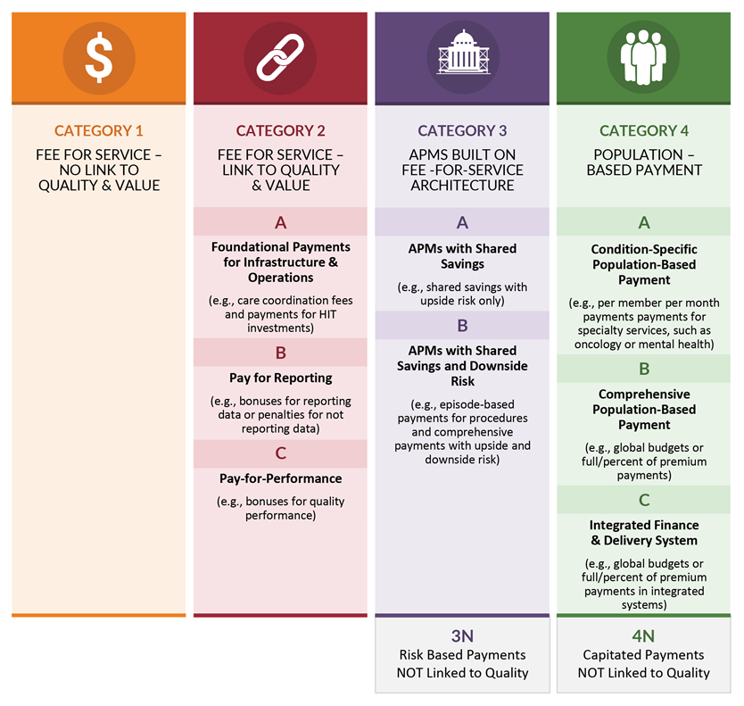

End of worksheet.

