READ ME_DISABILITY
Guidance Included Here
Disability Overview
DAge Column Descriptions
ACDCat Column Descriptions
AccomsTooltips Column Descriptions
ACDSubcat Column Descriptions
ACDList Column Descriptions

Disability Overview
The Disability SubClass includes questions about functional limitations, disability identity, and accommodation needs. Users should carefully review the information in this overview table, as well as details in the following tables to accurately implement these data fields.
Functional Difficulties, Self- Identification, and Accommodations Triage Questions | The minimum set of standards for service-based and non-service based settings require a series of functional limitations questions (Q 4-12 on the template), as well as an open text self identification question (Q13, variable ODAopen). Together, the series of questions 4-13 serve as a triage question for accommodations. If a person responds "yes" to any of questions 4-12 and/or if they have a response to question 13 (ODAopen), then they are asked if they need or want disability accommodations (Q 14a, AcdNeed). If a person selects “yes” to Q14a. (AcdNeed), then they are asked about which accommodations they want or need (Q14b). Accommodation question 14b is asked either as open text (OACDopen), categories (ACDCat) with open text boxes, or specific accommodations (ACDList).
Accommodations as functional and demographic information | Accommodation needs and specific accommodations is new information for many to collect and share. Like other REALD & SOGI questions, the accommodations questions of the disability section are demographic information with the purpose of understanding the needs of communities. However, the accommodations responses can also serve a functional need to help identify who needs accommodations. This is similar to language and communications questions. Accommodation needs can change based on setting and context. The disability dictionary tabs help collectors implement accommodations questions as both context specific and demographic information.
Functional Limitations and Disability Self-Identification Questions | The minimum standards for the functional limitations ("Functional Difficulties") questions 4-12 and disability self-identification are the same across settings (service and non-service) and collection methods (paper and electronic). Each functional limitations question (questions 4-12) ask about a functional aspect of daily living (e.g., mobility) and include "Yes," "No," "Don't know," and "Don't want to answer." If a person selects "yes" to a functional limitation, they are asked a follow up question for the age in which they acquired the condition (DAge). Question 13 asks an individual to self-identify with having a disability and describe their disability or condition. This question appears the same across paper and electronic forms and should always be an open text field with sufficient character length for respondents to answer.
Accommodations Questions in Paper Forms | Each respondent is asked question 14a. about accommodation needs. If they select "yes," then they are ask 14b. to share more about their accommodation needs. The minimum set of standards for service-based settings paper forms for accommodations question 14b. requires the use of checkboxes from ACDCat, each attached to an open text field. For non-service settings, the minimum requirement for paper forms is one open text field (OACDopen) to describe accommodation needs.
Accommodations in Electronic Forms | When possible, we recommend that collectors (both service and non-service settings) use the ACDList tab to create a multi-select drop-down list for question 14b in electronic surveys. Alternatively, requestors can use the ACDList to create an additional layer of multi-select checkboxes for specific accommodations that show or hide based on clicking a checkbox category. Multi-select checkboxes can be more accessible based on technological capacities. OHA has created Disability Electronic Survey Guidance to support specific needs for disability data collection. This document includes information about access statements, introduction text, skip logic, text box size and character lengths, ADA requests, tooltip tips, and options to implement the specific accommodations list drop-down menu or additional checkbox level. Collectors can compare considerations of an open-text field versus ACDList usage in the accommodations guidance documents available in the Disabilities Implementation Guide.
Accommodations in Non-service Settings | In non-service settings, the minimum requirement is one open text field to write accommodation needs (question 14b, OACDopen). Non-service requestors also have the option to utilize ACDCat and ACDList rather than relying solely on open text storage. In paper forms, non-service requesters may collect accommodations data using the ACDCat tab that outlines multi-select checkboxes of accommodations categories. The paper form would list all of the accommodations categories as checkboxes, with open-text boxes attached to each. In electronic forms, non-service collectors can also use the ACDList to create a drop-down menu (or additional checkbox layer). The ACDList contains context flags that may be filtered to generate a list of only options applicable to a non-service settings. Please email us at OHAREALD.Questions@odhsoha.oregon.gov to request accommodations guidance specific to your program or to share additional accommodations not on our ACDList.
DAge | Reference list for "The age at which this condition began" responses. This list should be used as a drop-down for electronic forms. It is optional to automate age drop-down options to match the age of the respondent, if applicable. On paper forms, individuals should write in their age. "Age acquired" is required for each functional limitation question (Q 4-12 in the templates) for which a respondent selects "yes."
ACDCat | The ACDCat table aligns with the minimum requirement for administering REALD & SOGI in Service-based settings for both paper and electronic forms. Standards include seven accommodation categories, along with "Not listed. Specify," "Don't know," and "Don't want to answer." Individuals select appropriate accommodation category or categories (such as "communication access" or "environmental and sensory"), and have the option to include specifics in an open text field. Accommodation categories are not specific accommodations, but rather a group of accommodations based on which context a person experiences barriers. The open text field might include specific accommodations (such as "dim lighting") or descriptions about how to meet their access needs. Respondents need to be able to check an accommodations category (ACDCat) without writing responses in the open text box. Response descriptions might be extensive, and we recommend a minimum character limit of 100 for electronic surveys. Those using an electronic survey can use the ACDList instead of ACDCat to reduce open text response submission, increase accessibility, and increase data quality. While not required, ACDCat values can also be used by data collectors in non-service settings in place of OACDopen. Accommodation categories should be listed as checkboxes with open-text space for individuals to offer details about specific accommodations. Note: If collectors utilize the ACDList to create a drop-down menu/additional checkbox layer, then only the ACDCat value "Not Listed. Specify" has an open text box field attached ("OAcdspS"). Instead of having open text fields specific to each category (e.g., "OAcdBldAspS" for Building access), any accommodations that do not appear on the ACDList fall under one open text box, OAcdspS. This is noted in the ACDCat reference table with flags.
AccomsTooltips | Accommodations tooltips apply to electronic forms. Tooltip text can also be used as helptext visible within the survey itself, both for electronic and paper forms. This tab includes tooltip language to be used for the ACDNeed, ACDCat, and ACDList fields. Collectors should utilize tooltips based on how they are collecting accommodations (Question 14b) data. Accommodations tooltips change based on whether requestors use multi-select accommodations categories with open text fields attached to each category(ACDCat), a drop-down or additional checkbox layer of specific accommodations (ACDList), or one open text field in non-service settings (OACDopen). When a person hovers their mouse over the language indicated in the HoverText column, a box should appear containing the language in the ToolTDescrip column. Because people may be unfamiliar with the language of accommodations and might not know what options there are for each of the categories, these tooltips are important for ensuring that the accommodations questions are accessible. Since language differ based on context, the AccomsTooltips indicates Service vs. Non-Service settings. There are important accessibility considerations for tooltips. See the AccomsTooltips reference table for additional guidance, and note that accessibility recommendations are included at the bottom of the AccomsTooltips tab. Please contact us for catered tooltip or help text specific to requestor needs or setting.
ACDSubcat | The ACDSubcat field only applies if collectors use the ACDList to create a drop-down menu or additional checkbox layer of specific accommodations. Only one ACDCat value ("Communication access: in-person, phone, electronic") has a subcategory. ACDSubcat values for the ACDCat value "ACDCom" include: "Contact methods," "Forms and surveys," "Interpreter services," "Services," “Strategies," "Tools or items", and "Types of communication." It is important to utilize this subcategory so that respondents are not overloaded with dropdown menu options under the "Communication access" ACDCat. The accommodations subcategories serve the purpose to split up communication access accommodations. All of the ACDList values need to be visible to respondents to review without requiring them to finalize a checkbox selection first. If collectors use selection boxes to display respondent answers after selections are made, the subcategories do not need to be displayed in the selection boxes that appear on screen to the individual. Only the specific accommodations (ACDList) values must be shown as selections to the person completing the form. Please review the example drop-down menu image to the right of this table for an example of the Communication access subcategory drop-down.
ACDList | The minimum set of standards for service-based settings require the use of checkboxes from ACDCat, each attached to an open text field. The ACDList is a recommended alternative for electronic forms to support requestors who use technology that limits their use of open text boxes. Using the ACDList also increases clarity and accessibility so that collectors and respondents understand potential accommodation values. While the ACDCat values are accommodations categories with an open-text field to specify a specific accommodation, the ACDList values are specific accommodations that fall within each category. The ACDList will allow collectors to create a drop-down menu for each of the accommodations checkbox categories (alternate formats, building access, communication access, coordinating and scheduling care or services, environmental and sensory, equipment access, and other staff support) that includes specific accommodations values for each category rather than open text. One category, "Communication access," an additional dropdown layer of subcategories (ACDSubcat) to limit the number of values listed at once. When respondents select an item from a dropdown list (e.g., "place to sit"), this should automate the selection of the checkbox for the corresponding category (e.g., "Building access"). Alternately, the ACDList can also be used to create an additional multi-select checkbox list of specific accommodations. Clicking an accommodations category can cue an additional displayed multi-select checkbox list for that category. Checking and unchecking the category box can show or hide the specific accommodation list options and display them under that particular category. Using an added checkbox layer can increase accessibility for certain technology and reduce text overload. All of the ACDList values need to be visible to respondents to review without requiring them to finalize a checkbox selection first. Individuals need to be able to select all that apply, both for th
Minimum Standards | REALD & SOGI demographic data collection standards should be understood as minimum standards. Data systems are not prohibited from including additional response options for multi-select questions, as appropriate for the communities they serve.

DAge Column Descriptions
Attribute | Stored values for the field. Fields using this values table are those conditioned on responses to functional limitation questions, with VarNames DEARAge, DMHDAge, etc. This column corresponds to these VarNames.
Response Description | Value text as it should appear to the individual answering the question
IsVisibleFlg | Indicator: when IsVisibleFlg = 1, the response option should be visible to the individual answering the question. When IsVisibleFlg = 0, the value should not be listed as a visible response option on a survey but the value may be stored, if relevant. For example, if an individual leaves an answer blank, the system may store a value with the Response Description 'Did not answer'.
RequiredFlg | Indicator: when RequiredFlg = 1, the response option must be included in the survey. When RequiredFlg = 0, the value may be included but is not required.

ACDCat Column Descriptions
Attribute | Stored values for the field
Response Description | Value text as it should appear to the individual answering the question. Descriptions include each of the seven accommodation categories, along with "Not listed. Specify.," "Don't know," "Don't want to answer," and "Did not answer/missing."
IsVisibleFlg | Indicator: when IsVisibleFlg = 1, the response option should be visible to the individual answering the question. When IsVisibleFlg = 0, the value should not be listed as a visible response option on a survey but the value may be stored, if relevant. For example, if an individual leaves an answer blank, the system may store a value with the Response Description 'Did not answer'.
OpenTextFlg_OnlyACDCat | Indicator for collectors who only use the ACDCat reference table to include checkboxes with open text fields attached (not the ACDList). Indicator: when OpenTextFlg_OnlyACDCat = 1, an open text field is attached to the corresponding ACDCat value in paper and electronic forms. In electronic forms, an individual selection of an ACDCat value can trigger an open text field to appear. OpenTextFlg_OnlyACDCat = 0, there is no open text field attached to the ACDCat value during electronic or paper data collection.
OpentTextFlg_ACDList | Indicator for collectors who use the ACDList of specific accommodations in electronic forms: when OpentTextFlg_ACDList = 1, an open text field is triggered by an individual selecting this response option in electronic collection. OpentTextFlg_ACDList=0, there is no open text field attached to the ACDCat value during electronic collection.
OpenTextField | The VarName of an open text field triggered by a response option where OpenTextFlg_OnlyACDCat = 1 or OpentTextFlg_ACDList = 1.
RequiredFlg | Indicator: when RequiredFlg = 1, the response option must be included in the survey. When RequiredFlg = 0, the value may be included but is not required.
SortOrder | Order in which the values should appear to the respondent in electronic and paper interfaces.

AccomsTooltips Column Descriptions *This reference table applies to tooltips in electronic forms or as helptext in paper of electronic forms.
VarName | Field for which the ToolTip should be used
HoverText | The specific response description text that should, when hovered over with a cursor, trigger the ToolTip to appear.
ToolTDescrip | The text that should appear when an individual hovers over the given HoverText
QuestionText | The specific question number and text (from the REALD & SOGI templates) relevant to the indicated hover text.
ServiceFlg | Indicator for whether the ToolTip is applicable in a service based context
NonserviceFlg | Indicator for whether the ToolTip is applicable in a non-service based context
ACDCatOptFlg | Indicator for whether the ToolTip is applicable if collectors use the ACDCat reference tab to collect accommodations question 14b. The ACDCat option requires accommodations category checkboxes attached to open text fields. The option is the minimum standard requirement for service settings and optional for non-service settings.
ACDListOptFlg | Indicator for whether the ToolTip is applicable if collectors use the ACDList to collect accommodations question 14b. The ACDList has two options. Collectors can use it to create a specific accommodations drop-down list. This flag is also applicable if collectors use the ACDList to create additional multi-select checkbox lists of ACDList values that appear if a respondent selects an accommodations category.
ACDopenOptFlg | Indicator for whether the ToolTip is applicable if collectors use only one open text field (OACDopen) to collect accommodations question 14b. This option is the minimum requirement for and only applicable to non-service settings.
RequiredFlg | Indicator: when RequiredFlg = 1, the response option must be included in the survey. When RequiredFlg = 0, the value may be included but is not required.
Additional Notes for AccomsTooltips
 | We do not recommend using all of the tooltips. Please utilize the collect option filter flags above to select relevant tooltip text.
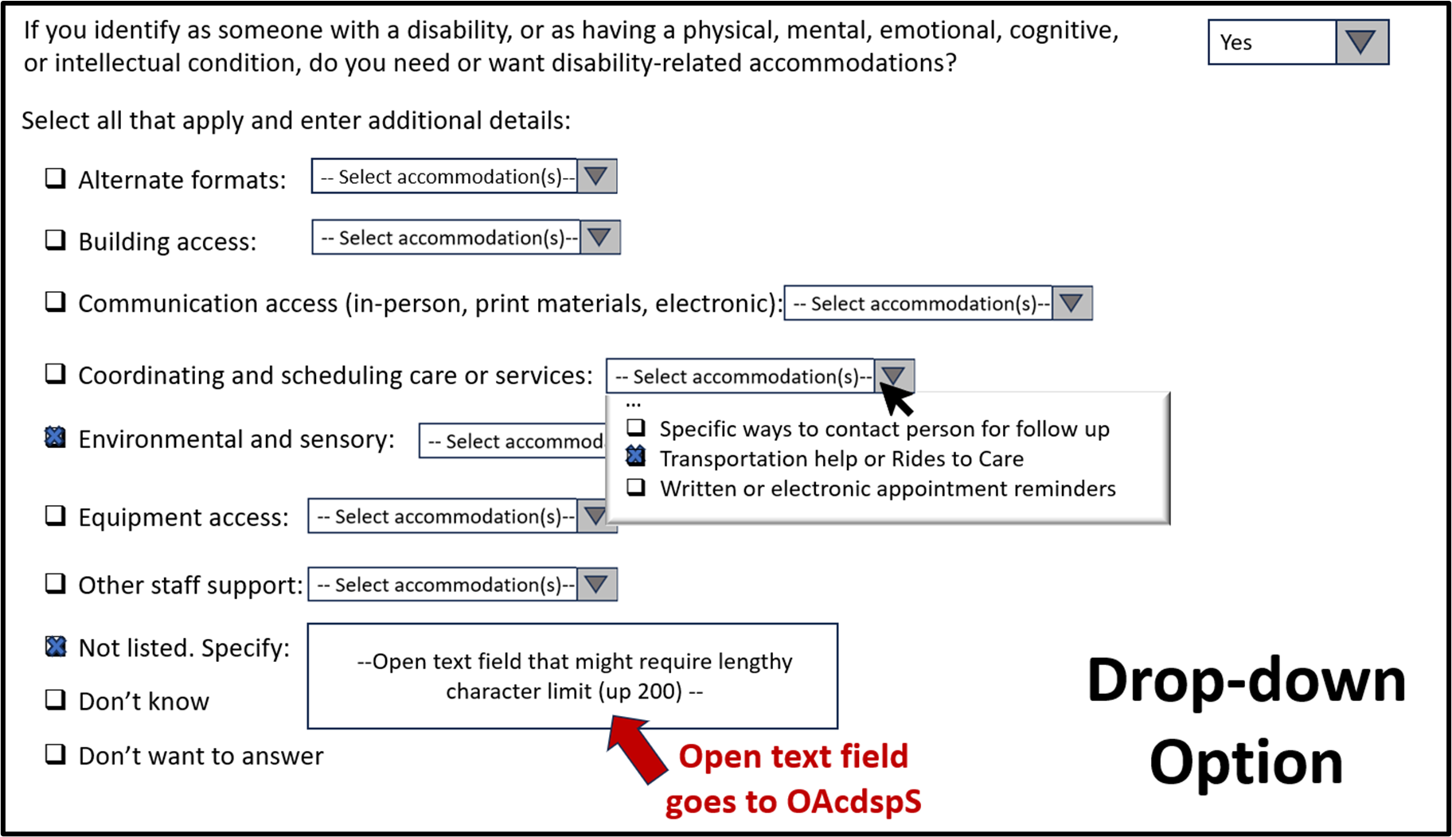
 | Tooltip text can be used to create help text within the survey questions. Please contact us to receive support and guidance for wording specific to requestor needs and settings.
 | Please review the tooltip accessibility guidance outlined under the tooltips table in AccomsTooltips
 | Please review screenshots of accommodation tooltips in column J for examples of how to implement tooltip text.

ACDSubcat Column Descriptions *This reference table only applies to electronic forms.
Attribute | Stored values for the field.
Response Description | Value text as it should appear to the individual completing the question. These values are nested under the "AcdCom" category and should only appear upon hover or clicking of the "Communication access (in-person, print materials, electronic)" ACDCat.
Instructions for Display Logic | Purpose and instructions for display logic based on ACDNeed and ACDCat selection.
ACDCat | Values of the corresponding ACDCat accommodations category. All of the ACDSubcat values correspond to AcdCom.
IsVisibleFlg | Indicator: when IsVisibleFlg = 1, the response option should be visible to the individual answering the question. When IsVisibleFlg = 0, the value should not be listed as a visible response option on a survey but the value may be stored, if relevant. For example, if an individual leaves an answer blank, the system may store a value with the Response Description 'Did not answer'.
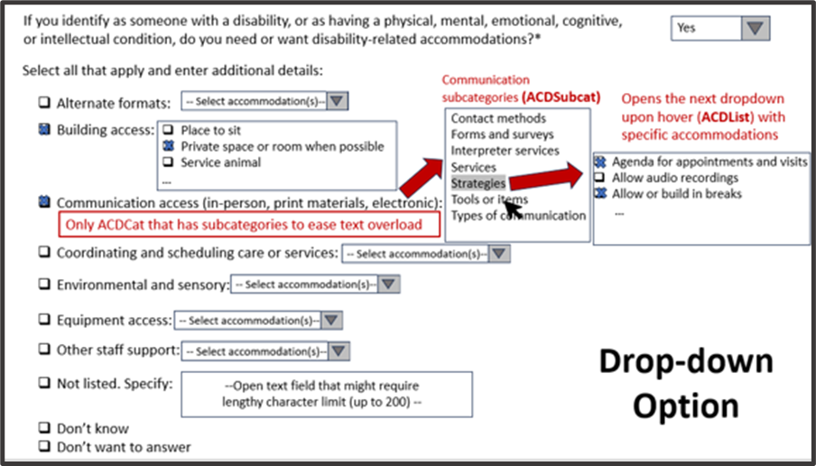
OpenTextFlg | Indicator: when OpenTextFlg = 1, an open text field is triggered by an individual selecting this response option. None of the ACDSubcat values are connected to an open text field.
RequiredFlg | Indicator: when RequiredFlg = 1, the response option must be included in the survey. When RequiredFlg = 0, the value may be included but is not required.
SortOrder | Order in which the values should appear to the respondent in electronic interfaces. Values are sorted alphabetically.

ACDList Column Descriptions *This tab is only applicable to electronic forms.
Attribute | Stored values for the field
Response Description | Value text as it should appear to the individual completing the question. These are the specific accommodations that are selected by the respondent. Each accommodation is nested under an accommodations category (ACDCat), and should be grouped accordingly. It is important that all ACDList response description values in the survey tool are visible to the respondent prior to finalizing selections so that individuals can review their options. In a drop-down menu, individuals need to be able to scroll through all of the drop-downs without finalizing which categories they need first. For an additional checkbox layer, a person might check or uncheck an accommodations category to review the specific accommodation items.
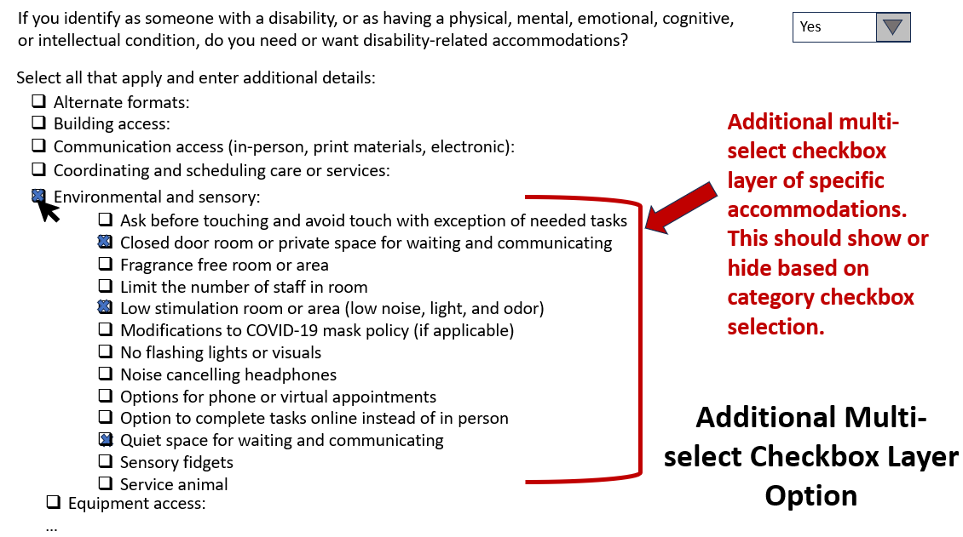
ACDCat_Response Description | Accommodations category (ACDCat) value text as it should appear to the person completing the question. All of the ACDList items should be nested under their corresponding ACDCat_Response Description. Response descriptions are the ACDCat values corresponding to each ACDList value. Descriptions include each of the seven accommodation categories, along with "Not listed. Specify.," "Don't know," and "Don't want to answer." Each category should be a checkbox that opens up a drop-down menu (or additional multi-select checkbox list) that lists all the specific accommodations (ACDList response descriptions) nested under each accommodations category (ACDCat).
ACDCat | Values of the corresponding ACDCat accommodations category for each specific accommodation.
ACDSubcat_Response Description | Subcategory value text as it should appear to the person completing the question. Only ACDList values in the "Communication access" category have a subcategory. No other accommodations categories or accommodations (ACDList) values should display a subcategory.
ACDSubcat | Values of the corresponding ACDSubcat for each specific accommodation.
IsVisibleFlg | Indicator: when IsVisibleFlg = 1, the response option should be visible to the individual answering the question. When IsVisibleFlg = 0, the value should not be listed as a visible response option on a survey but the value may be stored, if relevant. For example, if an individual leaves an answer blank, the system may store a value with the Response Description 'Did not answer'.
OpenTextFlg | Indicator: when OpenTextFlg = 1, an open text field is triggered by an individual selecting this response option. Only one ACDList item, "Not listed. Specify:" has an open text field (OAcdspS).
OpenTextField | The VarName of an open text field triggered by a response option where OpenTextFlg = 1
RequiredFlg | Indicator: when RequiredFlg = 1, the response option must be included in the survey. When RequiredFlg = 0, the value may be included but is not required. Even though none of the specific accommodations are required, it is required to include all of the seven categories of accommodations in surveys, with either an open-text box or dropdown list visible.
SortOrder | Order in which the values should appear to the respondent in electronic interfaces. Accommodation values are sorted alphabetically by accommodation within each category and subcategory. "Not listed. Specify:", "Don't know," "Don't want to answer" should be listed in this order, following all accommodations. "Did not answer" is not visible to respondents. Please refresh the order after using other filters to ensure accuracy in design.
Context Flags | Accommodations can vary by setting and context. The ACDList includes a series of context flags to help requestors use relevant accommodations from their list. When the indicator =1, that means that the listed ACDList value is applicable to that setting. Requestors can use multiple flag columns to cater their list. However, we recommend that requestors utilize all accommodation values that might apply to any relevant services, care, or context to help OHA identify community needs. The minimum requirement for Service settings is to display all seven accommodations categories (ACDCat), regardless of which specific ACDList values are included in drop-down or checkbox lists.
ServiceFlg | Indicator for whether the ACDList value is applicable if in service settings.
NonServiceFlg | Indicator for whether the ACDList value is applicable if in non-service settings.
MedicalFlg | Indicator for whether the ACDList value is applicable if medical settings.
ServNonMedicalFlg | Indicator for whether the ACDList value is applicable in service settings that are non-medical.
EmergencyFlg | Indicator for whether the ACDList value is applicable if in emergency settings.
InpatientFlg | Indicator for whether the ACDList value is applicable if in in-patient settings (medical and behavioral health).
OutpatientFlg | Indicator for whether the ACDList value is applicable if in outpatient settings.
ElectSurveyFlg | Indicator for whether the ACDList value is applicable if in electronic survey collection.
OnlineOnlyFlg | Indicator for whether the ACDList value is applicable if in online online settings, whether they include a survey, video visit, or online tasks.
NoFollowUpFlg | Indicator for whether the ACDList value is applicable if the requestor is collecting survey information that does not lead to follow-up, care, or services.
PhoneFlg | Indicator for whether the ACDList value is applicable for phone communication.
InPersFlg | Indicator for whether the ACDList value is applicable for in-person communication.
VideoFlg | Indicator for whether the ACDList value is applicable for video communication.
Additional Notes for ACDList
 | Selecting an item from the dropdown needs to automate selection of the corresponding accommodations category (ACDCat) and subcategory (ACDSubcat, if applicable) checkboxes
 | Individuals need to be able to select all that apply (for specific accommodations, subcateogires, and categories)
 | Respondents can add any values not listed in the ACDList under “Not listed. Specify” checkbox. This value includes an open text field (OAcdspS).
 | All of the dropdown values need to be visible to respondents without requiring them to finalize their checkbox selections first.
 | Please email us at OHAREALD.Questions@odhsoha.oregon.gov to request accommodations guidance specific to your program, including catered ACDList options.
 | Collectors can find additional guidance on the accommodations list collection in the Disabilities Section of the Implementation Guide

Return to Table of Contents

AccomsTooltips
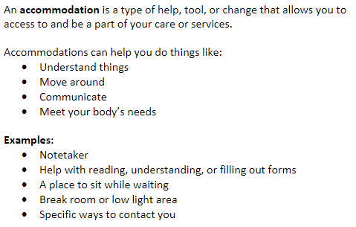
VarName | HoverText | ToolTDescrip | QuestionText | ServiceFlg | NonserviceFlg | ACDCatOptFlg | ACDListOptFlg | OACDopenOptFlg | RequiredFlg
ACDNeed | disability-related accommodations | An accommodation is a type of help, tool, or change that allows you to get access to and be a part of your care or services. LINE SPACE Accommodations can help you understand things, move around, communicate, and meet your body’s needs. LINE SPACE Examples: Notetaker, help filling out forms, a place to sit while waiting, break room or low light area, specific ways to contact you | Question 14a (Service settings): If you identify as someone with a disability, or as having a physical, mental, emotional, cognitive, or intellectual condition, do you need or want disability-related accommodations? | 1 | 0 | 1 | 1 | 0 | 0
ACDCat | additional details | An accommodation is a type of help, tool, or change that allows you to access and be a part of your care or services. Your needs might change based on the setting. Please think about what you need to complete this form, communicate, or to receive future services or care. | Question 14b (Service settings) “If yes, select all that apply and enter additional details below.” | 1 | 0 | 1 | 0 | 0 | 0
ACDCat | Alternate formats | Changes in the way you get the information so that you can read or understand it. LINE SPACE Examples: Audio recordings, braille, large print, plain language | Checkbox catagories under Question 14b "If yes, select all that apply and enter additional details below." | 1 | 0 | 1 | 0 | 0 | 0
ACDCat | Building access | Help, changes, or tools that help you move around and use everything inside a building. Please consider any future in-person care or services. LINE SPACE Examples: Facility wheelchair, service animal, table height changes, private room or area | Checkbox catagories under Question 14b "If yes, select all that apply and enter additional details below." | 1 | 0 | 1 | 0 | 0 | 0
ACDCat | Communication access (in-person, print materials, electronic) | Help, changes, or tools that help you communicate and take part in your care or services. LINE SPACE Examples: Share materials before service or visit, voice or sound amplifier (e.g. Pocket talker), extra time to think and respond, notetaker or written summary | Checkbox catagories under Question 14b "If yes, select all that apply and enter additional details below." | 1 | 0 | 1 | 0 | 0 | 0 | 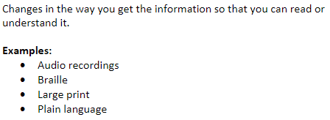
ACDCat | Coordinating and scheduling care or services | Help, changes, or tools that help you schedule, organize, go to your appointments, or get services. LINE SPACE Examples: Option for phone or end of day appointment, electronic appointment reminders, specific ways to contact you, transportation help | Checkbox catagories under Question 14b "If yes, select all that apply and enter additional details below." | 1 | 0 | 1 | 0 | 0 | 0
ACDCat | Environmental and sensory | Help, changes, or tools that consider your needs for how things look, feel, smell, sound, and taste. Please consider any future in-person care or services. LINE SPACE Examples: Limit touch, low light or low odor areas, noise-cancelling headphones | Checkbox catagories under Question 14b "If yes, select all that apply and enter additional details below." | 1 | 0 | 1 | 0 | 0 | 0
ACDCat | Equipment access | Help, changes, or tools that help you use equipment or let providers measure you. Please consider any future in-person care or services. LINE SPACE Examples: Equipment height changes, extra time for movements and adjustments, lift, review physical needs before exams or tests LINE SPACE *These examples are mostly for medical settings. There might be others based on where you are or the type of service you are receiving. | Checkbox catagories under Question 14b "If yes, select all that apply and enter additional details below." | 1 | 0 | 1 | 0 | 0 | 0
ACDCat | Other staff support | Any other help from staff that isn’t listed. This usually means getting help while you are getting care or during service visits. LINE SPACE Examples: Check in help, help getting assistive technology or mobility devices, help setting up services or care tasks | Checkbox catagories under Question 14b "If yes, select all that apply and enter additional details below." | 1 | 0 | 1 | 0 | 0 | 0
ACDCat | Not listed. Specify: | Any accommodations not listed. Please describe what you want or need. | Checkbox catagories under Question 14b "If yes, select all that apply and enter additional details below." | 1 | 0 | 1 | 0 | 0 | 0
AcdNeed | disability-related accommodations | An “accommodation” is a type of help, tool, or change that allows people with disabilities to fully access and participate in different parts of their life. Accommodations can help you understand things, move around, communicate, and meet your body’s needs. LINE SPACE Examples: Notetaker, help filling out forms, a place to sit while waiting, break room or low light area, specific ways to contact you LINE SPACE This question helps us understand the needs of communities. | Question 14a (Non-service settings): "If you identify as someone with a disability, or as having a physical, mental, emotional, cognitive, or intellectual condition, do you typically need or want disability-related accommodations to help with communications on important matters such as medical, legal, or health information? " | 0 | 1 | 1 | 0 | 1 | 0
OACDopen | typically need or want | Your needs might change based on the setting. Please share any information that helps us understand what you typically need. Responses will help us learn more about the needs of communities. LINE SPACE Examples: Alternate formats (braille, large print), communication access, extra time to think or complete tasks, sensory needs, help understanding or completing forms, or other staff support. | Question 14b (Non-service settings): "If yes, describe what accommodations you typically need or want:" | 0 | 1 | 1 | 0 | 1 | 0

Tooltip Accessibility Tips
 | 1. Only use the tooltips that correspond to how collectors are collecting the accommodations data (ACDCat, ACDList, or ACDopen). Unnecessary tooltips can make the survey less accessible for all.
 | 2. Tooltip text should not cover up question text on the survey itself.
 | 3. Build in a keyboard navigation to exit tooltips, such as an “Esc” key.
 | 4. The most accessible way to include examples is in a bulleted list.
 | 5. Bold key words within the text description and to increase readability. See this resource for suggestions to communicate emphasis in text.
 | 6. When using hovertext, make the hover word bold, underlined, high contrast, and/or a larger size
 | 7. Include a line space between description and examples
 | 8. Whenever possible, use a minimum of size 12 font (14 is ideal) for tooltip text.
 | 9. When tooltips are not compatible with screen readers, provide an alternate method for respondents to access the tooltip information.
 | 10. Please contact us at OHAREALD.Questions@odhsoha.oregon.gov with questions on tooltips or to receive support to create within survey text to reduce reliance on tooltips.
 | 11. Please review the Accessibility Guidance Document in the Implementation Guide to learn more about using tooltips for the disability questions, including alternatives and access tips.

Return to Table of Contents

