Sheet1
NOTICE
The submitter of this form ensures the following for the conducted course:
☑ Students met all prerequisites
☑ Met the minimum required contact hours
☑ Students attended all course hours
☑ Students passed the final exam
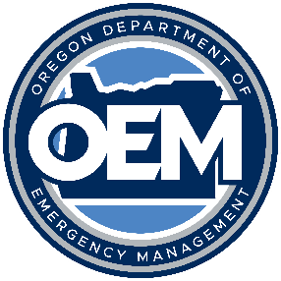
COURSE COMPLETION INFORMATION |  |  |  |  |  | NOTE: This forms prints on 8.5x14 Legal size paper
 | V. 2022 | Course Title:
 |  | Course Date(s):
 |  | Training Location (City):
 |  |  | Host Agency Delivering Training:
 |  |  | Host Agency POC:
 |  |  | Host Agency POC Phone and E-mail:
 |  |  | Lead Instructor: |  |  | Requesting Certificates? For information about OEM certificate eligible courses, please see Course Delivery Procedures document. |  |  | Yes
 |  |  | Adjunct/Unit Instructors, if applicable:
Required Fields |  |  |  | SUBMIT THIS FORM ELECTRONICALLY (in Excel format) TO: | oem.training@oem.oregon.gov
STUDENT INFORMATION
 | FEMA SID | Last Name | First Name | Agency | Phone | Email | EMPG-Funded? | Pre-test Score (%) | Post-test Score (%)
1
2
3
4
5
6
7
8
9
10
11
12
13
14
15
16
17
18
19
20
21
22
23
24
25
26
27
28
29
30
31
32
33
34
35

