EG_Int
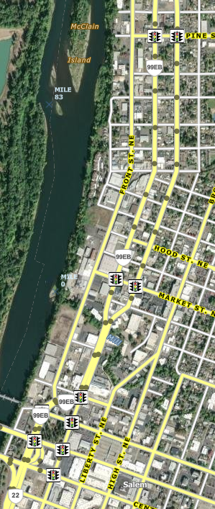
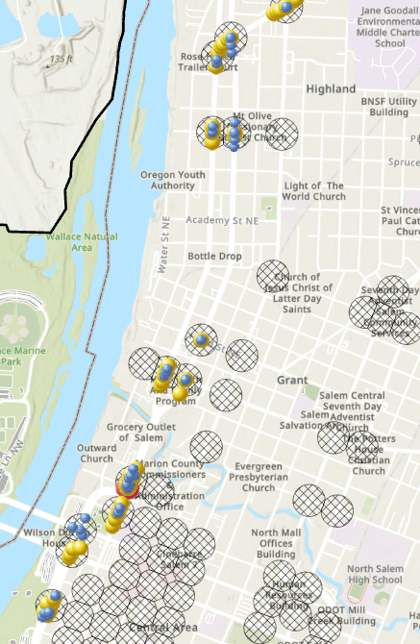
Reference Population |  |  |  | Observed & Threshold Proportion | Tables for Variance Calc | Variance, Alpha, & Beta | Probability | Excess Proportion | Summary | CI | CW | CJ | CX | CK | CY | CL | CZ | CM | DA | CN | DB | CO | DC | CP | DD | CQ | DE | CR | DF | CS | DG | CT | DH | CU | DI
3SG - HWY 072 Salem Hwy |  |  |  |  |  |  |  |  |  | 1 |  | 0 |  | 0 |  | 0 |  | 0 |  | 0 |  | 0 |  | 0 |  | 0 |  | 0 |  | 1 |  | 0 |  | 0
Location |  |  |  | 76 | >0 |  | 90% |  |  | ANGL |  | BACK |  | Bike |  | FIX |  | HEAD |  | NCOL |  | OTH |  | PARK |  | PED |  | SS-M |  | SS-O |  | TURN |  | REAR
# | Road 1 MP | Road 1 | Road 2 | Crash Count | 1 |  |  | # |  | Prob | EP | Prob | EP | Prob | EP | Prob | EP | Prob | EP | Prob | EP | Prob | EP | Prob | EP | Prob | EP | Prob | EP | Prob | EP | Prob | EP | Prob | EP
1 | 3.64 | LIBERTY | PINE | 16
2 | 3.62 | COMMERCIAL | PINE | 16
3 | 4.24 | HOOD | LIBERTY | 6
4 | 4.24 | COMMERCIAL | MARKET | 10
5 | 4.36 | LIBERTY | MARKET | 8 |  |  |  | 5 | 9 | 92% | 0.29
6 | 4.73 | FRONT | DIVISION | 22 |  |  |  | 6 | 10 |  |  |  |  |  |  |  |  |  |  |  |  |  |  |  |  |  |  |  |  | 95% | 0.16
 |  |  |  | 0
 |  |  |  | 0
 |  |  |  | 0
 |  |  |  | 0
 |  |  |  | 0
 |  |  |  | 0
 |  |  |  | 0
 |  |  |  | 0 |  | Pi
 |  |  |  | 0 |  | E(x)
 |  |  |  | 0 |  | x
 |  |  |  | 0 |  | E(y)
 |  |  |  | 0 |  | y
 |  |  |  | 0
 |  |  |  | 0
 |  |  |  | 0
 |  |  |  | 0
 |  |  |  | 0
 |  |  |  | 0
 |  |  |  | 0
 |  |  |  | 0
 |  |  |  | 0
 |  |  |  | 0
 |  |  |  | 0
 |  |  |  | 0
 |  |  |  | 0
 |  |  |  | 0
 |  |  |  | 0
 |  |  |  | 0
 |  |  |  | 0
 |  |  |  | 0
 |  |  |  | 0
 |  |  |  | 0
 |  |  |  | 0
 |  |  |  | 0
 |  |  |  | 0
 |  |  |  | 0
 |  |  |  | 0
 |  |  |  | 0
 |  |  |  | 0
 |  |  |  | 0
 |  |  |  | 0
 |  |  |  | 0
 |  |  |  | 0
 |  |  |  | 0
 |  |  |  | 0
 |  |  |  | 0
 |  |  |  | 0
 |  |  |  | 0
 |  |  |  | 0
 |  |  |  | 0
 |  |  |  | 0
 |  |  |  | 0
 |  |  |  | 0
 |  |  |  | 0
 |  |  |  | 0
 |  |  |  | 0
 |  |  |  | 0
 |  |  |  | 0
 |  |  |  | 0
 |  |  |  | 0
 |  |  |  | 0
 |  |  |  | 0
 |  |  |  | 0
 |  |  |  | 0
 |  |  |  | 0
 |  |  |  | 0
 |  |  |  | 0
 |  |  |  | 0
 |  |  |  | 0
 |  |  |  | 0
 |  |  |  | 0
 |  |  |  | 0
 |  |  |  | 0
 |  |  |  | 0
 |  |  |  | 0
 |  |  |  | 0
 |  |  |  | 0
 |  |  |  | 0
 |  |  |  | 0
 |  |  |  | 0
 |  |  |  | 0
 |  |  |  | 0
 |  |  |  | 0
 |  |  |  | 0
 |  |  |  | 0
 |  |  |  | 0
 |  |  |  | 0
 |  |  |  | 0
 |  |  |  | 0
 |  |  |  | 0
 |  |  |  | 0
 |  |  |  | 0
 |  |  |  | 0
 |  |  |  | 0
 |  |  |  | 0
 |  |  |  | 0
 |  |  |  | 0
 |  |  |  | 0
 |  |  |  | 0
 |  |  |  | 0
 |  |  |  | 0
 |  |  |  | 0
 |  |  |  | 0
 |  |  |  | 0
 |  |  |  | 0
 |  |  |  | 0
 |  |  |  | 0
 |  |  |  | 0
 |  |  |  | 0
 |  |  |  | 0
 |  |  |  | 0
 |  |  |  | 0
 |  |  |  | 0
 |  |  |  | 0
 |  |  |  | 0
 |  |  |  | 0
 |  |  |  | 0
 |  |  |  | 0
 |  |  |  | 0
 |  |  |  | 0
 |  |  |  | 0
 |  |  |  | 0
 |  |  |  | 0
 |  |  |  | 0
...

