Notes
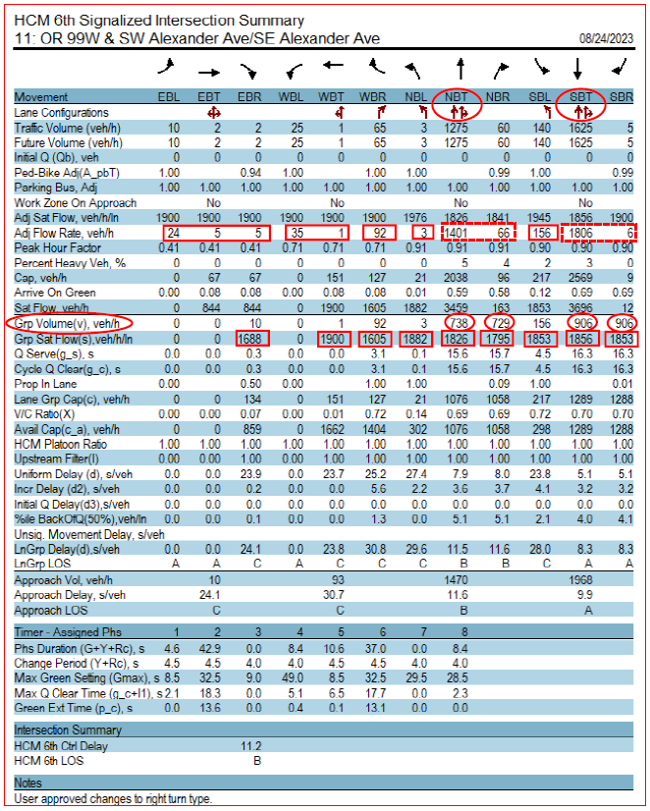
General | This calculator tool is to be applied to signalized intersections to calculate the critical volume-to-capacity ratio (Xc). If Vistro is used for the analysis, this tool is unnecessary because Vistro provides the Xc directly and no post-processing is required. Signal timing and other traffic analysis reports (e.g Synchro reports) may provide the necessary inputs for this tool. Note that values used for calculations should be by Lane Group. See Lane Group Guidance below for more information and/or HCM Chapter 19.

Project Information | Analyst name, today's date, project name, time period, analysis year, and alternative should be entered. (Rows 1-2 of "Template")

Inputs | Required inputs are highlighted yellow. Optional inputs are highlighted orange.

Condition | Indicate all lane configurations at the intersection with a "✓" from the drop down.

Protected Left Turn Type | Indicate if "Lead", "Lag", or not applicable "n/a".

Lane Group Volume (veh/h)* | The demand volume per lane (adjusted by PHF). This may be obtained from a Synchro report or SIDRA Detailed Output. However, if there is protected-permitted left turn phasing, there are special considerations. See "Lane Group Guidance" below.

Green Time | Indicate green time for each lane configuration. This is only required for protected-permitted left turns.

Saturation Flow Rate (veh/h) | The saturation flow rate in vehicles per hour. This may be obtained from the same reports (HCM6+) as the lane group flow unless there is protected-permitted left turn phasing. In this case, an HCM2000 report is also required, see Examples 2 & 9 (tabs EG2 & EG9). Note: for multiple through lane groups the "group saturation flow rate" is vehicles per hour per lane and may need to be adjusted. Please see Example 1 (tab EG1 )

Cycle Time (sec) | The cycle length may be obtained from the software signal inputs (e.g., Synchro or Sidra). Non-optimized cycle time should be used.

Calculations | The "Template" is only suitable for 3 and 4-leg intersections. The "Manual Calculator"should be used for other scenarios.

Lane Group Flow Ratio (v/s) | This is the lane group flow rate divided by the saturation flow rate. (Row 16 of "Template")

Barrier Flow Ratios (v/s) | The sum of a barrier's critical phases' flow rates. (Row 18 of "Template;" critical phases determined in Rows 26-35)

Sum of Critical Movement Flow Ratios (v/s) | This is the combination of both barrier flow ratios. This is automatically calculated in row 19 of the Template. When using the manual calculator, follow the guidance in APM Section 13.4.4 to determine flow ratios to use in this calculation.

Lost Time (sec) | This assumes that there are 4 seconds lost per critical phase.

Critical v/c (Xc) | For signalized intersections the critical intersection v/c is reported. It is the sum of the critical flow ratio multiplied by the cycle length divided by the cycle length less the lost time.

*Lane Group Guidance | It is important to highlight that lane group flow rates and saturation flow rates are used for the critical intersection v/c calculation (not movement groups). This may be somewhat confusing as these two designations are very similar. Some guidance will be provided here, but the user should also reference HCM Chapter 19 for detailed discussion. The table shown below provides examples of a variety of typical lane groups.
 | 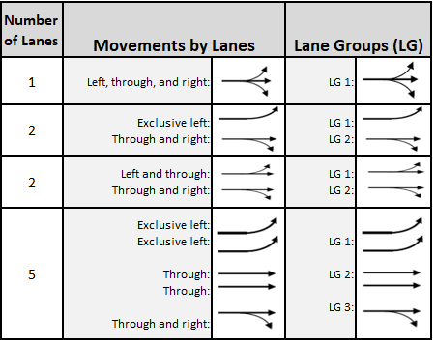

Determine Lane Groups | Notice that a lane group may include one or more lanes. Use the following rules in order to determine the lane groups for an intersection approach:

 | • An exclusive left-turn lane or lanes should be designated as a separate lane group. The same is true of an exclusive right-turn lane.
 | • Any shared lane should be designated as a separate lane group.
 | • Any lanes that are not exclusive turn lanes or shared lanes should be combined into one lane group.

 | These rules result in the designation of one or more of the following lane group possibilities for an intersection approach:
 | • Exclusive left-turn lane (or lanes),
 | • Exclusive through lane (or lanes),
 | • Exclusive right-turn lane (or lanes),
 | • Shared left-turn and through lane,
 | • Shared left-turn and right-turn lane,
 | • Shared right-turn and through lane
 | • Shared left-turn, through, and right-turn lane.

Determine Lane Group Flow Rates | The lane group concept is important to help identify the appropriate flow rate and saturation flow rate from the software reports. If the approach has no shared lanes or has only one lane, the lane groups and movement groups will have the same flow rates. This is explained in the software discussion in APM Section 13.4.4. An analyst will need to pull the flow rate for each lane and then appropriately combine them for each individual lane group. It is these lane group values that will then be used to calculate the flow ratios used in the critical intersection v/c calculation.

 | An example of this is provided in the Synchro report shown below. As noted in the bullets above, "any shared lane should be designated as a separate lane group." The northbound and southbound lane configuration creates two lane groups: 1. through lane, 2. shared through and right-turn lane. In this situation the Grp Volume(v) row (circled in red in far left column) should be used for the lane flow rate instead of the Adj Flow Rate row (identified by the dashed red boxes). This is because the values of 1401 and 1805 reflect volumes for both through lanes and as defined, there are two separate lane groups in this configuration.

EG1
Intersection | Gladestone: OR99E / W Gloucester St |  |  |  |  |  |  |  |  |  |  |  |  |  | Analyst |  |  | TEST |  |  |  |  |  |  |  |  |  |  | Paste Area for Analysis Reports (Optional)
Scenario | Alt 1 |  |  |  |  |  |  |  |  |  |  |  |  |  | Date |  |  |  |  |  |  |  |  |  |  |  |  |  |  | https://maps.app.goo.gl/p5ahCtC43H3qxXaB8
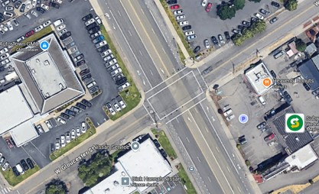
Intersection Type: 4-Leg | Eastbound (EB) |  |  |  |  |  |  | Westbound (WB) |  |  |  |  |  |  | Northbound (NB) |  |  |  |  |  |  | Southbound (SB)
 | 1 | 6 | 6 | 6 | 6 | 6 | 6 | 5 | 2 | 2 | 2 | 2 | 2 | 2 | 7 | 4 | 4 | 4 | 4 | 4 | 4 | 3 | 8 | 8 | 8 | 8 | 8 | 8
 | Left Turn |  | Through |  |  |  | Right | Left Turn |  | Through |  |  |  | Right | Left Turn |  | Through |  |  |  | Right | Left Turn |  | Through |  |  |  | Right
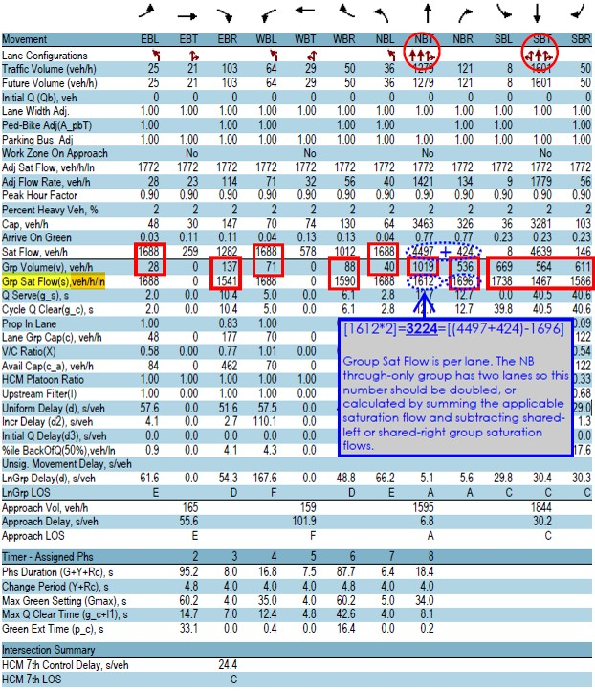
 | Prot | +Perm | with Permitted or Protected Turns |  |  | Thru Only | Prot | Prot | +Perm | with Permitted or Protected Turns |  |  | Thru Only | Prot | Prot | +Perm | with Permitted or Protected Turns |  |  | Thru Only | Prot | Prot | +Perm | with Permitted or Protected Turns |  |  | Thru Only | Prot
Lane Groups | ✓ | - | - | - | ✓ | - | - | ✓ | - | ✓ | - | - | - | - | ✓ | - | - | - | ✓ | ✓ | - | - | - | ✓ | ✓ | ✓ | - | -
Protected Left Turn Type | Lead |  |  |  |  |  |  | Lead |  |  |  |  |  |  | Lead |  |  |  |  |  |  | N/A
Phase # | 1 |  |  |  | 6 |  |  | 5 |  | 2 |  |  |  |  | 7 |  |  |  | 4 | 4 |  |  |  | 8 | 8 | 8
Lane Group Volume (veh/h) | 28 |  |  |  | 137 |  |  | 40 |  | 88 |  |  |  |  | 40 |  |  |  | 1019 | 536 |  |  |  | 669 | 564 | 611
Green Time | 9 |  |  |  | 39 |  |  | 8 |  | 38 |  |  |  |  | 8 |  |  |  | 73 | 73 |  |  |  | 65 | 65 | 65
Adj Lane Group Volume (veh/h) | 28 |  |  |  | 137 |  |  | 40 |  | 88 |  |  |  |  | 40 |  |  |  | 1019 | 536 |  |  |  | 669 | 564 | 611
Sat. Flow Rate Source | Std Source |  | Standard Source |  |  |  |  | Std Source |  | Standard Source |  |  |  |  | Std Source |  | Standard Source |  |  |  |  | - |  | Standard Source
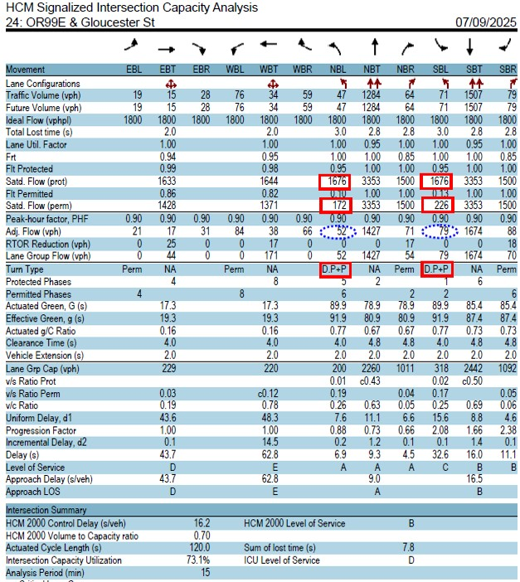
Saturation Flow Rate (veh/h/ln) | 1688 |  |  |  | 1541 |  |  | 1688 |  | 1590 |  |  |  |  | 1688 |  |  |  | 1696 | 3225 |  |  |  | 1738 | 1467 | 1586
Lane Group v/s Flow Ratio | 0.017 | 0.000 | 0.000 | 0.000 | 0.089 | 0.000 | 0.000 | 0.024 | 0.000 | 0.055 | 0.000 | 0.000 | 0.000 | 0.000 | 0.024 | 0.000 | 0.000 | 0.000 | 0.601 | 0.166 | 0.000 | 0.000 | 0.000 | 0.385 | 0.384 | 0.385 | 0.000 | 0.000
Critical Phases |  |  |  |  | ✓ |  |  | ✓ |  |  |  |  |  |  |  |  |  |  | ✓
Barrier Flow RatiosCrit. Move. | 0.113 v/s |  |  |  |  |  |  |  |  |  |  |  |  |  | 0.601 v/s
∑ Flow RatiosCrit. Move | 0.713 v/s
No. Lost Time Cycles | 2 |  |  |  |  |  |  |  |  |  |  |  |  |  | 1
Lost Time | 12 sec
Cycle Time | 120
Xc | 0.793

Calculation Section (Auto-Populated)
 | 0.113 | 6 |  | B16 |  | F16 |  | I16 |  | K16 |  |  |  |  | 0.601 | 6 |  | P16 |  | T16 |  |  |  | AA16

Rule 1/2: | 0.113 | I16+F16 | 6 | 0.040 | 0.017 | 0.072 |  | 0.024 | 0.113 |  | 0.000 |  |  |  | 0.601 | +T16 | 6 | 0.024 | 0.024 | 0.409 |  | 0.000 | 0.601 |  | 0.000
Rule 3: Permitted-Protected Lefts, Lead-Lead or Lag-Lag | 0.016587677725 | ✓ | 9 |  |  |  |  |  |  |  |  |  |  |  | 0 | n/a | 9
 | 0.023696682464 | ✓ | 10 |  |  |  |  |  |  |  |  |  |  |  | 0 | n/a | 10
Rule 4: Permitted-Protected Lefts, Lead-Lag | 0.000 | n/a | 11 |  |  |  |  |  |  |  |  |  |  |  | 0.000 | n/a | 11
 | 0 | n/a | 12 |  |  |  |  |  |  |  |  |  |  |  | 0 | n/a | 12

EG2

Intersection | Gladestone: OR99E / W Gloucester St |  |  |  |  |  |  |  |  |  |  |  |  |  | Analyst |  |  | TEST |  |  |  |  |  |  |  |  |  |  | Paste Area for Analysis Reports (Optional)
Scenario | Baseline |  |  |  |  |  |  |  |  |  |  |  |  |  | Date |  |  |  |  |  |  |  |  |  |  |  |  |  |  | https://maps.app.goo.gl/p5ahCtC43H3qxXaB8

Intersection Type: 4-Leg | Eastbound (EB) |  |  |  |  |  |  | Westbound (WB) |  |  |  |  |  |  | Northbound (NB) |  |  |  |  |  |  | Southbound (SB)
 | 1 | 6 | 6 | 6 | 6 | 6 | 6 | 5 | 2 | 2 | 2 | 2 | 2 | 2 | 7 | 4 | 4 | 4 | 4 | 4 | 4 | 3 | 8 | 8 | 8 | 8 | 8 | 8
 | Left Turn |  | Through |  |  |  | Right | Left Turn |  | Through |  |  |  | Right | Left Turn |  | Through |  |  |  | Right | Left Turn |  | Through |  |  |  | Right
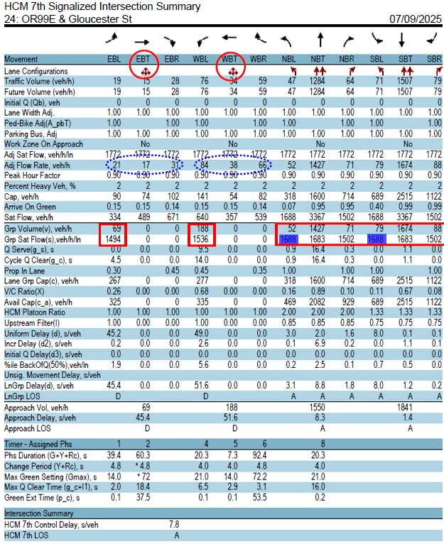
 | Prot | +Perm | with Permitted or Protected Turns |  |  | Thru Only | Prot | Prot | +Perm | with Permitted or Protected Turns |  |  | Thru Only | Prot | Prot | +Perm | with Permitted or Protected Turns |  |  | Thru Only | Prot | Prot | +Perm | with Permitted or Protected Turns |  |  | Thru Only | Prot
Lane Groups | - | - | - | ✓ | - | - | - | - | - | ✓ | - | - | - | - | ✓ | ✓ | - | - | - | ✓ | ✓ | ✓ | ✓ | - | - | - | ✓ | ✓
Protected Left Turn Type | Lead |  |  |  |  |  |  | Lead |  |  |  |  |  |  | Lead |  |  |  |  |  |  | Lag
Phase # |  |  |  | 6 |  |  |  |  |  | 2 |  |  |  |  | 7 | 4 |  |  |  | 4 | 4 | 3 | 8 |  |  |  | 8 | 8
Lane Group Volume (veh/h) |  |  |  | 69 |  |  |  |  |  | 188 |  |  |  |  | 52 |  |  |  |  | 1427 | 71 | 79 |  |  |  |  | 1675 | 88
Green Time |  |  |  | 25 |  |  |  |  |  | 25 |  |  |  |  | 18 | 77 |  |  |  | 77 | 77 | 18 | 77 |  |  |  | 77 | 77
Adj Lane Group Volume (veh/h) |  |  |  | 69 |  |  |  |  |  | 188 |  |  |  |  | 10 | 42 |  |  |  | 1427 | 71 | 15 | 64 |  |  |  | 1675 | 88
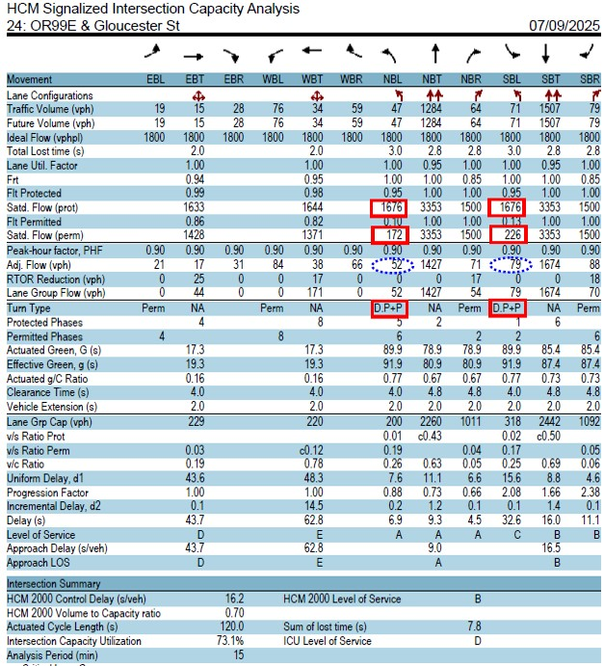
Sat. Flow Rate Source | - |  | Standard Source |  |  |  |  | - |  | Standard Source |  |  |  |  | HCM 2000 |  | Standard Source |  |  |  |  | HCM 2000 |  | Standard Source
Saturation Flow Rate (veh/h/ln) |  |  |  | 1494 |  |  |  |  |  | 1536 |  |  |  |  | 1676 | 172 |  |  |  | 3367 | 1502 | 1676 | 226 |  |  |  | 3367 | 1502
Lane Group v/s Flow Ratio | 0.000 | 0.000 | 0.000 | 0.046 | 0.000 | 0.000 | 0.000 | 0.000 | 0.000 | 0.122 | 0.000 | 0.000 | 0.000 | 0.000 | 0.006 | 0.244 | 0.000 | 0.000 | 0.000 | 0.424 | 0.047 | 0.009 | 0.283 | 0.000 | 0.000 | 0.000 | 0.497 | 0.059
Critical Phases |  |  |  |  |  |  |  |  |  | ✓ |  |  |  |  | ✓ |  |  |  |  |  |  |  |  |  |  |  | ✓
Barrier Flow RatiosCrit. Move. | 0.122 v/s |  |  |  |  |  |  |  |  |  |  |  |  |  | 0.503 v/s
∑ Flow RatiosCrit. Move | 0.626 v/s
No. Lost Time Cycles | 1 |  |  |  |  |  |  |  |  |  |  |  |  |  | 2
Lost Time | 12 sec
Cycle Time | 120
Xc | 0.695

Calculation Section (Auto-Populated)
 | 0.122 | 3 |  |  |  | E16 |  |  |  | K16 |  |  |  |  | 0.503 | 3 |  | P16 | Q16 | U16 | V16 | W16 | X16 | AB16 | AC16

Rule 1/2: | 0.122 | +K16 | 3 | 0.000 | 0.000 | 0.122 |  | 0.000 | 0.046 |  | 0.000 |  |  |  | 0.503 | P16+AB16 | 3 | 0.015 | 0.289 | 0.503 |  | 0.253 | 0.433 |  | 0.000
Rule 3: Permitted-Protected Lefts, Lead-Lead or Lag-Lag | 0 | ✓ | 9 |  |  |  |  |  |  |  |  |  |  |  | 0 | n/a | 9
 | 0 | ✓ | 10 |  |  |  |  |  |  |  |  |  |  |  | 0 | n/a | 10
Rule 4: Permitted-Protected Lefts, Lead-Lag | 0.000 | n/a | 11 |  |  |  |  |  |  |  |  |  |  |  | 0.259 | ✓ | 11
 | 0 | n/a | 12 |  |  |  |  |  |  |  |  |  |  |  | 0.29810230849 | ✓ | 12

EG3
Intersection | Gladstone: OR99E/Arlington |  |  |  |  |  |  |  |  |  |  |  |  |  | Analyst |  |  | TEST |  |  |  |  |  |  |  |  |  |  | Paste Area for Analysis Reports (Optional)
Scenario | Alt1 |  |  |  |  |  |  |  |  |  |  |  |  |  | Date |  |  |  |  |  |  |  |  |  |  |  |  |  |  | https://maps.app.goo.gl/Vd6CbRPwMsGJXqqY9
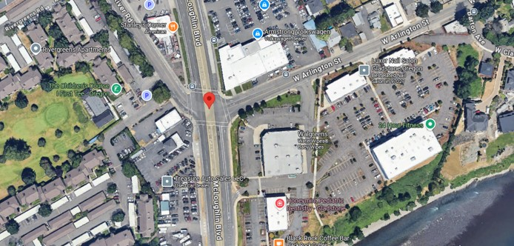
Intersection Type: 4-Leg | Eastbound (EB) |  |  |  |  |  |  | Westbound (WB) |  |  |  |  |  |  | Northbound (NB) |  |  |  |  |  |  | Southbound (SB)
 | 1 | 6 | 6 | 6 | 6 | 6 | 6 | 5 | 2 | 2 | 2 | 2 | 2 | 2 | 7 | 4 | 4 | 4 | 4 | 4 | 4 | 3 | 8 | 8 | 8 | 8 | 8 | 8
 | Left Turn |  | Through |  |  |  | Right | Left Turn |  | Through |  |  |  | Right | Left Turn |  | Through |  |  |  | Right | Left Turn |  | Through |  |  |  | Right
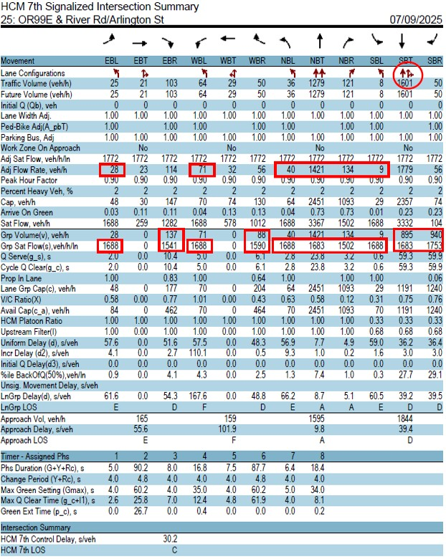
 | Prot | +Perm | with Permitted or Protected Turns |  |  | Thru Only | Prot | Prot | +Perm | with Permitted or Protected Turns |  |  | Thru Only | Prot | Prot | +Perm | with Permitted or Protected Turns |  |  | Thru Only | Prot | Prot | +Perm | with Permitted or Protected Turns |  |  | Thru Only | Prot
Lane Groups | ✓ | - | - | - | ✓ | - | - | ✓ | - | ✓ | - | - | - | ✓ | ✓ | - | - | - | - | ✓ | ✓ | ✓ | - | - | - | ✓ | ✓ | -
Protected Left Turn Type | Lead |  |  |  |  |  |  | Lead |  |  |  |  |  |  | Lead |  |  |  |  |  |  | Lead
Phase # | 1 |  |  |  | 6 |  |  | 5 |  | 2 |  |  |  | 2 | 7 |  |  |  |  | 4 | 4 | 3 |  |  |  | 8 | 8
Lane Group Volume (veh/h) | 28 |  |  |  | 137 |  |  | 71 |  | 88 |  |  |  | 56 | 40 |  |  |  |  | 1421 | 134 | 9 |  |  |  | 940 | 895
Green Time | 9 |  |  |  | 39 |  |  | 8 |  | 38 |  |  |  | 30 | 8 |  |  |  |  | 65 | 65 | 8 |  |  |  | 65 | 65
Adj Lane Group Volume (veh/h) | 28 |  |  |  | 137 |  |  | 71 |  | 88 |  |  |  | 56 | 40 |  |  |  |  | 1421 | 134 | 9 |  |  |  | 940 | 895
Sat. Flow Rate Source | Std Source |  | Standard Source |  |  |  |  | Std Source |  | Standard Source |  |  |  |  | Std Source |  | Standard Source |  |  |  |  | Std Source |  | Standard Source
Saturation Flow Rate (veh/h/ln) | 1688 |  |  |  | 1541 |  |  | 1688 |  | 1590 |  |  |  | 1052 | 1688 |  |  |  |  | 3366 | 1502 | 1688 |  |  |  | 1753 | 1683
Lane Group v/s Flow Ratio | 0.017 | 0.000 | 0.000 | 0.000 | 0.089 | 0.000 | 0.000 | 0.042 | 0.000 | 0.055 | 0.000 | 0.000 | 0.000 | 0.053 | 0.024 | 0.000 | 0.000 | 0.000 | 0.000 | 0.422 | 0.089 | 0.005 | 0.000 | 0.000 | 0.000 | 0.536 | 0.532 | 0.000
Critical Phases |  |  |  |  | ✓ |  |  | ✓ |  |  |  |  |  |  | ✓ |  |  |  |  |  |  |  |  |  |  | ✓
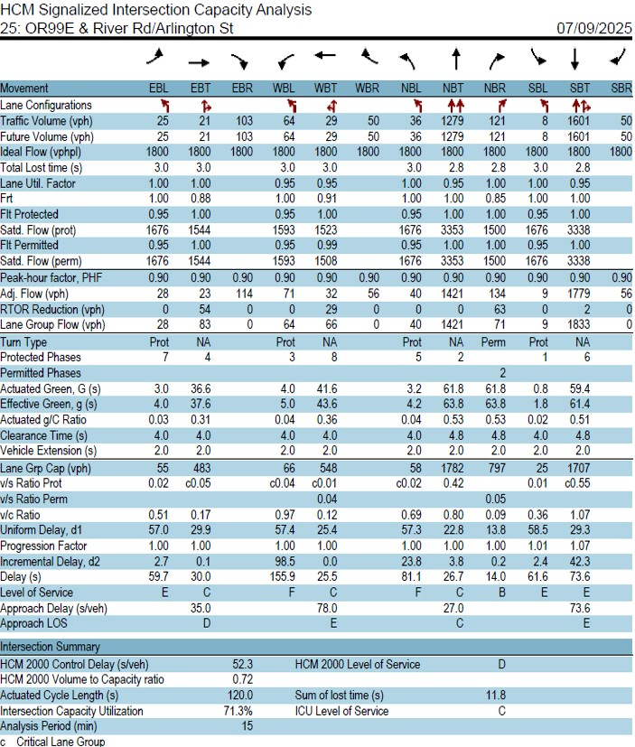
Barrier Flow RatiosCrit. Move. | 0.131 v/s |  |  |  |  |  |  |  |  |  |  |  |  |  | 0.560 v/s
∑ Flow RatiosCrit. Move | 0.691 v/s
No. Lost Time Cycles | 2 |  |  |  |  |  |  |  |  |  |  |  |  |  | 2
Lost Time | 16 sec
Cycle Time | 120
Xc | 0.797

Calculation Section (Auto-Populated)
 | 0.131 | 6 |  | B16 |  | F16 |  | I16 |  | K16 | O16 |  |  |  | 0.560 | 3 |  | P16 |  | U16 | V16 | W16 |  | AA16

Rule 1/2: | 0.131 | I16+F16 | 6 | 0.059 | 0.017 | 0.072 |  | 0.042 | 0.131 |  | 0.000 |  |  |  | 0.560 | P16+AA16 | 3 | 0.029 | 0.024 | 0.560 |  | 0.005 | 0.427 |  | 0.000
Rule 3: Permitted-Protected Lefts, Lead-Lead or Lag-Lag | 0.016587677725 | ✓ | 9 |  |  |  |  |  |  |  |  |  |  |  | 0.023696682464 | ✓ | 9
 | 0.042061611374 | ✓ | 10 |  |  |  |  |  |  |  |  |  |  |  | 0.0053317535545 | ✓ | 10
Rule 4: Permitted-Protected Lefts, Lead-Lag | 0.000 | n/a | 11 |  |  |  |  |  |  |  |  |  |  |  | 0.000 | n/a | 11
 | 0 | n/a | 12 |  |  |  |  |  |  |  |  |  |  |  | 0 | n/a | 12

EG4
Intersection | Medford: Barnett / Alba |  |  |  |  |  |  |  |  |  |  |  |  |  | Analyst |  |  | TEST |  |  |  |  |  |  |  |  |  |  | Paste Area for Analysis Reports (Optional)
Scenario | Baseline |  |  |  |  |  |  |  |  |  |  |  |  |  | Date |  |  |  |  |  |  |  |  |  |  |  |  |  |  | https://maps.app.goo.gl/HthvAwaQoQrRN6gA8
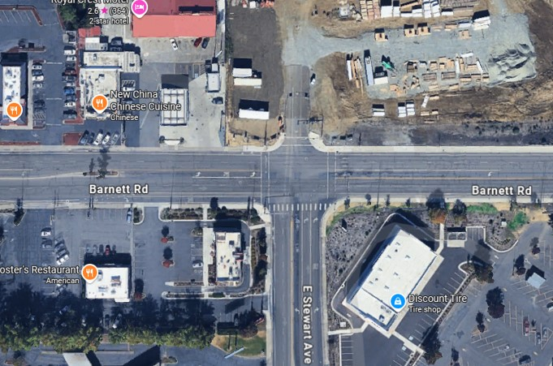
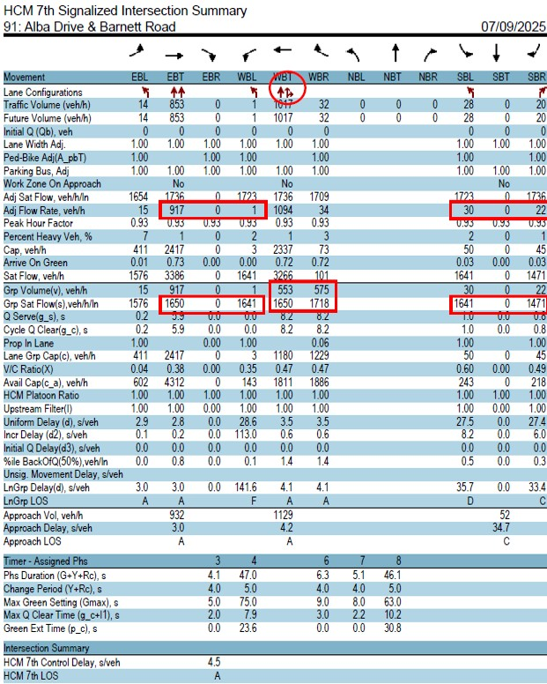
Intersection Type: 3-Leg | Eastbound (EB) |  |  |  |  |  |  | Westbound (WB) |  |  |  |  |  |  | Northbound (NB) |  |  |  |  |  |  | Southbound (SB)
 | 1 | 6 | 6 | 6 | 6 | 6 | 6 | 5 | 2 | 2 | 2 | 2 | 2 | 2 | 7 | 4 | 4 | 4 | 4 | 4 | 4 | 3 | 8 | 8 | 8 | 8 | 8 | 8
 | Left Turn |  | Through |  |  |  | Right | Left Turn |  | Through |  |  |  | Right | Left Turn |  | Through |  |  |  | Right | Left Turn |  | Through |  |  |  | Right
 | Prot | +Perm | with Permitted or Protected Turns |  |  | Thru Only | Prot | Prot | +Perm | with Permitted or Protected Turns |  |  | Thru Only | Prot | Prot | +Perm | with Permitted or Protected Turns |  |  | Thru Only | Prot | Prot | +Perm | with Permitted or Protected Turns |  |  | Thru Only | Prot
Lane Groups | ✓ | ✓ | - | - | - | ✓ | - | ✓ | - | - | - | ✓ | ✓ | - | - | - | - | - | - | - | - | ✓ | - | - | - | - | - | ✓
Protected Left Turn Type | Lead |  |  |  |  |  |  | Lead |  |  |  |  |  |  | N/A |  |  |  |  |  |  | N/A
Phase # | 1 | 6 |  |  |  | 6 |  | 5 |  |  |  | 2 | 2 |  |  |  |  |  |  |  |  | 8 |  |  |  |  |  | 8
Lane Group Volume (veh/h) | 15 |  |  |  |  | 917 |  | 1 |  |  |  | 575 | 553 |  |  |  |  |  |  |  |  | 30 |  |  |  |  |  | 22
Green Time | 12 | 80 |  |  |  | 80 |  | 9 |  |  |  | 68 | 68 |  |  |  |  |  |  |  |  | 13 |  |  |  |  |  | 13
Adj Lane Group Volume (veh/h) | 2 | 13 |  |  |  | 917 |  | 1 |  |  |  | 575 | 553 |  |  |  |  |  |  |  |  | 30 |  |  |  |  |  | 22
Sat. Flow Rate Source | HCM 2000 |  | Standard Source |  |  |  |  | Std Source |  | Standard Source |  |  |  |  | - |  | - |  |  |  |  | Std Source |  | Standard Source
Saturation Flow Rate (veh/h/ln) | 1553 | 372 |  |  |  | 3386 |  | 1641 |  |  |  | 1718 | 1650 |  |  |  |  |  |  |  |  | 1641 |  |  |  |  |  | 1471
Lane Group v/s Flow Ratio | 0.001 | 0.035 | 0.000 | 0.000 | 0.000 | 0.271 | 0.000 | 0.001 | 0.000 | 0.000 | 0.000 | 0.335 | 0.335 | 0.000 | 0.000 | 0.000 | 0.000 | 0.000 | 0.000 | 0.000 | 0.000 | 0.018 | 0.000 | 0.000 | 0.000 | 0.000 | 0.000 | 0.015
Critical Phases | ✓ |  |  |  |  |  |  |  |  |  |  |  | ✓ |  |  |  |  |  |  |  |  | ✓
Barrier Flow RatiosCrit. Move. | 0.336 v/s |  |  |  |  |  |  |  |  |  |  |  |  |  | 0.018 v/s
∑ Flow RatiosCrit. Move | 0.355 v/s
No. Lost Time Cycles | 2 |  |  |  |  |  |  |  |  |  |  |  |  |  | 1
Lost Time | 12 sec
Cycle Time | 129
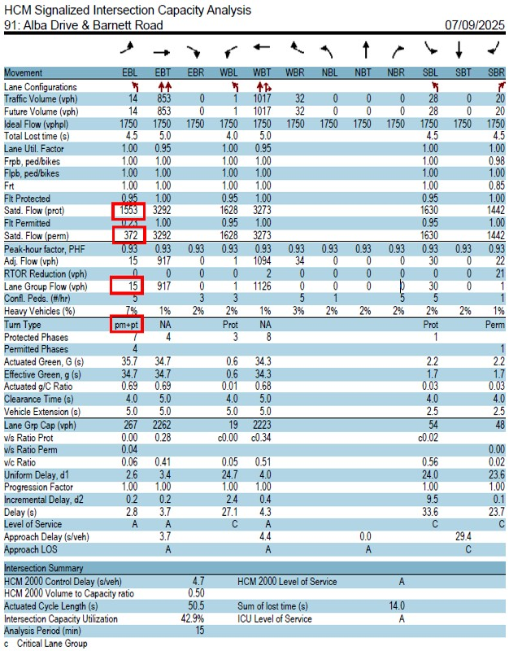
Xc | 0.391

Calculation Section (Auto-Populated)
 | 0.336 | 3 |  | B16 | C16 | G16 |  | I16 |  | N16 |  |  |  |  | 0.018 | 1 |  |  |  |  |  | W16 |  |  | AC16

Rule 1/2: | 0.336 | B16+N16 | 3 | 0.002 | 0.001 | 0.336 |  | 0.036 | 0.271 |  | 0.000 |  |  |  | 0.018 | +W16 | 1 | 0.018 | 0.000 | 0.000 |  | 0.018 | 0.018 |  | 0.000
Rule 3: Permitted-Protected Lefts, Lead-Lead or Lag-Lag | 0.036234066566 | ✓ | 9 |  |  |  |  |  |  |  |  |  |  |  | 0 | n/a | 9
 | 0.00060938452163 | ✓ | 10 |  |  |  |  |  |  |  |  |  |  |  | 0 | n/a | 10
Rule 4: Permitted-Protected Lefts, Lead-Lag | 0.000 | n/a | 11 |  |  |  |  |  |  |  |  |  |  |  | 0.000 | n/a | 11
 | 0 | n/a | 12 |  |  |  |  |  |  |  |  |  |  |  | 0 | n/a | 12

EG5
Intersection | Medford: Barnett / Stewart |  |  |  |  |  |  |  |  |  |  |  |  |  | Analyst |  |  | TEST |  |  |  |  |  |  |  |  |  |  | Paste Area for Analysis Reports (Optional)
Scenario | Baseline |  |  |  |  |  |  |  |  |  |  |  |  |  | Date |  |  |  |  |  |  |  |  |  |  |  |  |  |  | https://maps.app.goo.gl/HthvAwaQoQrRN6gA8

Intersection Type: 3-Leg | Eastbound (EB) |  |  |  |  |  |  | Westbound (WB) |  |  |  |  |  |  | Northbound (NB) |  |  |  |  |  |  | Southbound (SB)
 | 1 | 6 | 6 | 6 | 6 | 6 | 6 | 5 | 2 | 2 | 2 | 2 | 2 | 2 | 7 | 4 | 4 | 4 | 4 | 4 | 4 | 3 | 8 | 8 | 8 | 8 | 8 | 8
 | Left Turn |  | Through |  |  |  | Right | Left Turn |  | Through |  |  |  | Right | Left Turn |  | Through |  |  |  | Right | Left Turn |  | Through |  |  |  | Right
 | Prot | +Perm | with Permitted or Protected Turns |  |  | Thru Only | Prot | Prot | +Perm | with Permitted or Protected Turns |  |  | Thru Only | Prot | Prot | +Perm | with Permitted or Protected Turns |  |  | Thru Only | Prot | Prot | +Perm | with Permitted or Protected Turns |  |  | Thru Only | Prot
Lane Groups | ✓ | - | - | - | - | ✓ | ✓ | ✓ | - | - | - | - | ✓ | - | ✓ | - | - | - | - | - | ✓
Protected Left Turn Type | Lag |  |  |  |  |  |  | Lead |  |  |  |  |  |  | N/A
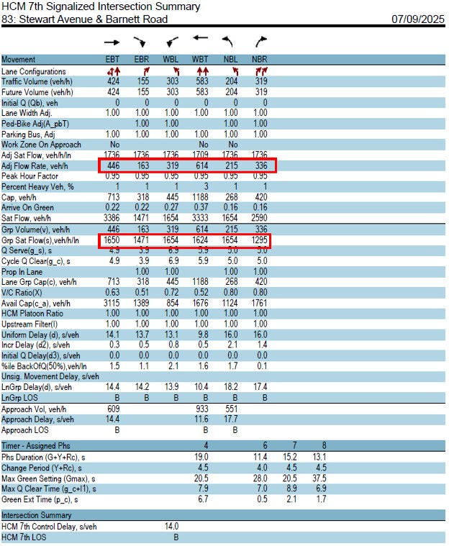
Phase # | 1 |  |  |  |  | 6 | 6 | 5 |  |  |  |  | 2 |  | 4 |  |  |  |  |  | 4
Lane Group Volume (veh/h) | 0 |  |  |  |  | 446 | 163 | 319 |  |  |  |  | 614 |  | 215 |  |  |  |  |  | 336
Green Time | 42 |  |  |  |  | 42 | 42 | 25 |  |  |  |  | 25 |  | 32 |  |  |  |  |  | 32
Adj Lane Group Volume (veh/h) | 0 |  |  |  |  | 446 | 163 | 319 |  |  |  |  | 614 |  | 215 |  |  |  |  |  | 336
Sat. Flow Rate Source | Std Source |  | Standard Source |  |  |  |  | Std Source |  | Standard Source |  |  |  |  | Std Source |  | Standard Source |  |  |  |  | - |  | -
Saturation Flow Rate (veh/h/ln) | 0 |  |  |  |  | 1650 | 1471 | 1654 |  |  |  |  | 1624 |  | 1654 |  |  |  |  |  | 1295
Lane Group v/s Flow Ratio | 0.000 | 0.000 | 0.000 | 0.000 | 0.000 | 0.270 | 0.111 | 0.193 | 0.000 | 0.000 | 0.000 | 0.000 | 0.378 | 0.000 | 0.130 | 0.000 | 0.000 | 0.000 | 0.000 | 0.000 | 0.259 | 0.000 | 0.000 | 0.000 | 0.000 | 0.000 | 0.000 | 0.000
Critical Phases |  |  |  |  |  | ✓ |  | ✓ |  |  |  |  |  |  |  |  |  |  |  |  | ✓
Barrier Flow RatiosCrit. Move. | 0.463 v/s |  |  |  |  |  |  |  |  |  |  |  |  |  | 0.259 v/s
∑ Flow RatiosCrit. Move | 0.723 v/s
No. Lost Time Cycles | 2 |  |  |  |  |  |  |  |  |  |  |  |  |  | 1
Lost Time | 12 sec
Cycle Time | 133
Xc | 0.794

Calculation Section (Auto-Populated)
 | 0.463 | 6 |  | B16 |  | G16 | H16 | I16 |  | N16 |  |  |  |  | 0.259 | 8 |  | P16 |  |  | V16

Rule 1/2: | 0.463 | I16+G16 | 6 | 0.193 | 0.000 | 0.378 |  | 0.193 | 0.463 |  | 0.000 |  |  |  | 0.259 | V16 | 8 | 0.130 | 0.130 | 0.130 |  | 0.000 | 0.000 |  | 0.259
Rule 3: Permitted-Protected Lefts, Lead-Lead or Lag-Lag | 0 | n/a | 9 |  |  |  |  |  |  |  |  |  |  |  | 0 | n/a | 9
 | 0 | n/a | 10 |  |  |  |  |  |  |  |  |  |  |  | 0 | n/a | 10
Rule 4: Permitted-Protected Lefts, Lead-Lag | 0.193 | ✓ | 11 |  |  |  |  |  |  |  |  |  |  |  | 0.000 | n/a | 11
 | 0.19286577993 | ✓ | 12 |  |  |  |  |  |  |  |  |  |  |  | 0 | n/a | 12

EG6
Intersection | Reedsport: US101 / OR38 |  |  |  |  |  |  |  |  |  |  |  |  |  | Analyst |  |  | TEST |  |  |  |  |  |  |  |  |  |  | Paste Area for Analysis Reports (Optional)
Scenario | Baseline |  |  |  |  |  |  |  |  |  |  |  |  |  | Date |  |  |  |  |  |  |  |  |  |  |  |  |  |  | https://maps.app.goo.gl/CTW65m4TGoJCXezs7
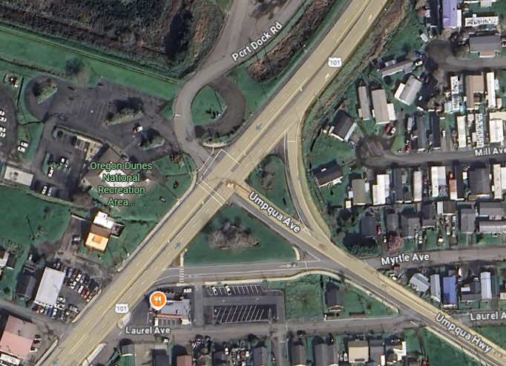
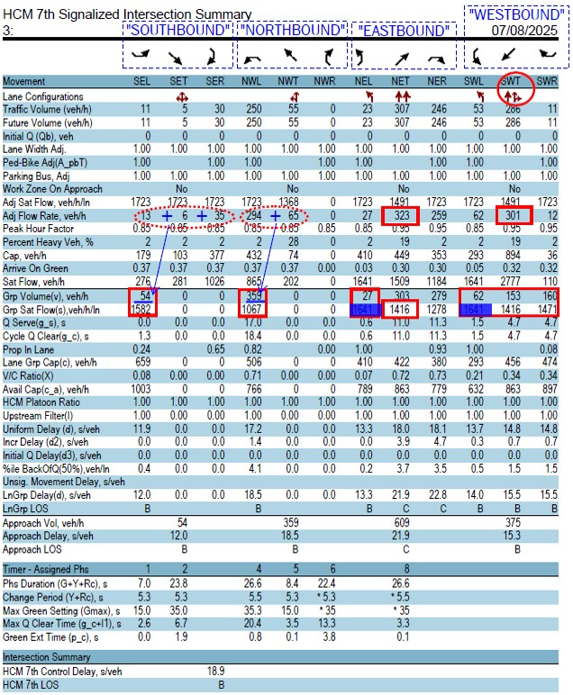
Intersection Type: 4-Leg | Eastbound (EB) |  |  |  |  |  |  | Westbound (WB) |  |  |  |  |  |  | Northbound (NB) |  |  |  |  |  |  | Southbound (SB)
 | 1 | 6 | 6 | 6 | 6 | 6 | 6 | 5 | 2 | 2 | 2 | 2 | 2 | 2 | 7 | 4 | 4 | 4 | 4 | 4 | 4 | 3 | 8 | 8 | 8 | 8 | 8 | 8
 | Left Turn |  | Through |  |  |  | Right | Left Turn |  | Through |  |  |  | Right | Left Turn |  | Through |  |  |  | Right | Left Turn |  | Through |  |  |  | Right
 | Prot | +Perm | with Permitted or Protected Turns |  |  | Thru Only | Prot | Prot | +Perm | with Permitted or Protected Turns |  |  | Thru Only | Prot | Prot | +Perm | with Permitted or Protected Turns |  |  | Thru Only | Prot | Prot | +Perm | with Permitted or Protected Turns |  |  | Thru Only | Prot
Lane Groups | ✓ | ✓ | - | - | - | ✓ | ✓ | ✓ | ✓ | - | - | ✓ | ✓ | - | - | - | ✓ | - | - | - | - | - | - | - | ✓ | - | - | -
Protected Left Turn Type | Lead |  |  |  |  |  |  | Lead |  |  |  |  |  |  | N/A |  |  |  |  |  |  | N/A
Phase # | 1 | 6 |  |  |  | 6 | 6 | 5 | 2 |  |  | 2 | 2 |  |  |  | 4 |  |  |  |  |  |  |  | 8
Lane Group Volume (veh/h) | 27 |  |  |  |  | 323 | 259 | 62 |  |  |  | 160 | 153 |  |  |  | 359 |  |  |  |  |  |  |  | 54
Green Time | 20.3 | 40 |  |  |  | 40 | 40 | 20.3 | 40 |  |  | 40 | 40 |  |  |  | 41 |  |  |  |  |  |  |  | 40
Adj Lane Group Volume (veh/h) | 9 | 18 |  |  |  | 323 | 259 | 21 | 41 |  |  | 160 | 153 |  |  |  | 359 |  |  |  |  |  |  |  | 54
Sat. Flow Rate Source | HCM 2000 |  | Standard Source |  |  |  |  | HCM 2000 |  | Standard Source |  |  |  |  | - |  | Standard Source |  |  |  |  | - |  | Standard Source
Saturation Flow Rate (veh/h/ln) | 1630 | 964 |  |  |  | 1416 | 1350 | 1630 | 490 |  |  | 1416 | 1471 |  |  |  | 1067 |  |  |  |  |  |  |  | 1582
Lane Group v/s Flow Ratio | 0.006 | 0.019 | 0.000 | 0.000 | 0.000 | 0.228 | 0.192 | 0.013 | 0.084 | 0.000 | 0.000 | 0.113 | 0.104 | 0.000 | 0.000 | 0.000 | 0.336 | 0.000 | 0.000 | 0.000 | 0.000 | 0.000 | 0.000 | 0.000 | 0.034 | 0.000 | 0.000 | 0.000
Critical Phases |  |  |  |  |  | ✓ |  | ✓ |  |  |  |  |  |  |  |  | ✓
Barrier Flow RatiosCrit. Move. | 0.241 v/s |  |  |  |  |  |  |  |  |  |  |  |  |  | 0.336 v/s
∑ Flow RatiosCrit. Move | 0.577 v/s
No. Lost Time Cycles | 2 |  |  |  |  |  |  |  |  |  |  |  |  |  | 1
Lost Time | 12 sec
Cycle Time | 120
Xc | 0.642

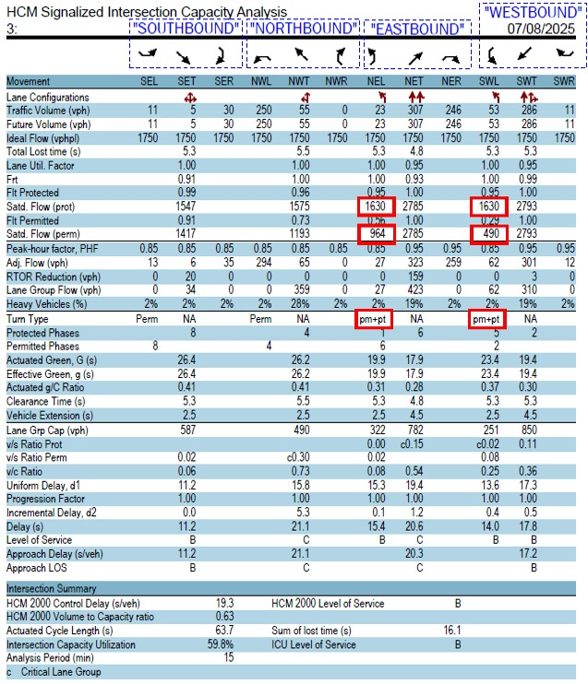
Calculation Section (Auto-Populated)
 | 0.241 | 6 |  | B16 | C16 | G16 | H16 | I16 | J16 | M16 |  |  |  |  | 0.336 | 6 |  |  |  | R16 |  |  |  | Z16

Rule 1/2: | 0.241 | I16+G16 | 6 | 0.018 | 0.089 | 0.119 |  | 0.032 | 0.241 |  | 0.000 |  |  |  | 0.336 | +R16 | 6 | 0.000 | 0.000 | 0.034 |  | 0.000 | 0.336 |  | 0.000
Rule 3: Permitted-Protected Lefts, Lead-Lead or Lag-Lag | 0.024193671563 | ✓ | 9 |  |  |  |  |  |  |  |  |  |  |  | 0 | n/a | 9
 | 0.096556904971 | ✓ | 10 |  |  |  |  |  |  |  |  |  |  |  | 0 | n/a | 10
Rule 4: Permitted-Protected Lefts, Lead-Lag | 0.000 | n/a | 11 |  |  |  |  |  |  |  |  |  |  |  | 0.000 | n/a | 11
 | 0 | n/a | 12 |  |  |  |  |  |  |  |  |  |  |  | 0 | n/a | 12

EG7
Intersection | Lincoln: East Devils Lake Rd & US101 |  |  |  |  |  |  |  |  |  |  |  |  |  | Analyst |  |  | TEST |  |  |  |  |  |  |  |  |  |  | Paste Area for Analysis Reports (Optional)
Scenario | Baseline |  |  |  |  |  |  |  |  |  |  |  |  |  | Date |  |  |  |  |  |  |  |  |  |  |  |  |  |  | https://maps.app.goo.gl/ThrJpQQpFggHpNXn7
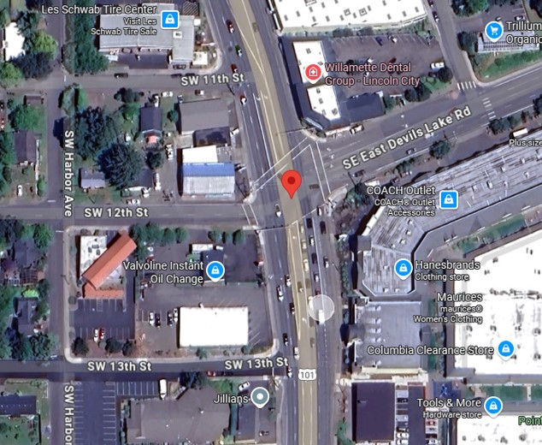
Intersection Type: 4-Leg | Eastbound (EB) |  |  |  |  |  |  | Westbound (WB) |  |  |  |  |  |  | Northbound (NB) |  |  |  |  |  |  | Southbound (SB)
 | 1 | 6 | 6 | 6 | 6 | 6 | 6 | 5 | 2 | 2 | 2 | 2 | 2 | 2 | 7 | 4 | 4 | 4 | 4 | 4 | 4 | 3 | 8 | 8 | 8 | 8 | 8 | 8
 | Left Turn |  | Through |  |  |  | Right | Left Turn |  | Through |  |  |  | Right | Left Turn |  | Through |  |  |  | Right | Left Turn |  | Through |  |  |  | Right
 | Prot | +Perm | with Permitted or Protected Turns |  |  | Thru Only | Prot | Prot | +Perm | with Permitted or Protected Turns |  |  | Thru Only | Prot | Prot | +Perm | with Permitted or Protected Turns |  |  | Thru Only | Prot | Prot | +Perm | with Permitted or Protected Turns |  |  | Thru Only | Prot
Lane Groups | ✓ | - | - | - | ✓ | - | - | ✓ | - | - | - | ✓ | - | ✓ | ✓ | - | - | - | ✓ | - | ✓ | ✓ | - | - | - | ✓ | ✓ | -
Protected Left Turn Type | Lead |  |  |  |  |  |  | Lag |  |  |  |  |  |  | Lead |  |  |  |  |  |  | Lead
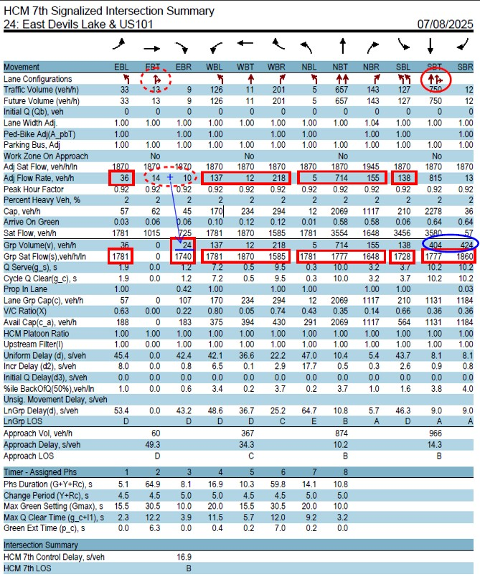
Phase # | 1 |  |  |  | 6 |  |  | 5 |  |  |  | 2 |  | 3 | 7 |  |  |  | 4 |  | 5 | 3 |  |  |  | 8 | 8
Lane Group Volume (veh/h) | 36 |  |  |  | 25 |  |  | 137 |  |  |  | 12 |  | 218 | 5 |  |  |  | 714 |  | 155 | 138 |  |  |  | 424 | 404
Green Time | 15 |  |  |  | 15 |  |  | 25 |  |  |  | 25 |  | 20 | 20 |  |  |  | 35 |  | 25 | 20 |  |  |  | 35 | 35
Adj Lane Group Volume (veh/h) | 36 |  |  |  | 25 |  |  | 137 |  |  |  | 12 |  | 218 | 5 |  |  |  | 714 |  | 155 | 138 |  |  |  | 424 | 404
Sat. Flow Rate Source | Std Source |  | Standard Source |  |  |  |  | Std Source |  | Standard Source |  |  |  |  | Std Source |  | Standard Source |  |  |  |  | Std Source |  | Standard Source
Saturation Flow Rate (veh/h/ln) | 1781 |  |  |  | 1740 |  |  | 1781 |  |  |  | 1870 |  | 1585 | 1781 |  |  |  | 3554 |  | 1648 | 3456 |  |  |  | 1860 | 1777
Lane Group v/s Flow Ratio | 0.020 | 0.000 | 0.000 | 0.000 | 0.014 | 0.000 | 0.000 | 0.077 | 0.000 | 0.000 | 0.000 | 0.006 | 0.000 | 0.138 | 0.003 | 0.000 | 0.000 | 0.000 | 0.201 | 0.000 | 0.094 | 0.040 | 0.000 | 0.000 | 0.000 | 0.228 | 0.227 | 0.000
Critical Phases |  |  |  |  |  |  |  |  |  |  |  | ✓ |  |  |  |  |  |  |  |  |  |  |  |  |  | ✓
Barrier Flow RatiosCrit. Move. | 0.100 v/s |  |  |  |  |  |  |  |  |  |  |  |  |  | 0.365 v/s
∑ Flow RatiosCrit. Move | 0.466 v/s
No. Lost Time Cycles | 1 |  |  |  |  |  |  |  |  |  |  |  |  |  | 1
Lost Time | 8 sec
Cycle Time | 95
Xc | 0.509

Calculation Section (Auto-Populated)
 | 0.100 | 7 |  | B16 |  | F16 |  | I16 |  | M16 | O16 |  |  |  | 0.365 | 7 |  | P16 |  | T16 | V16 | W16 |  | AA16

Rule 1/2: | 0.100 | V16+M16 | 7 | 0.097 | 0.020 | 0.027 |  | 0.077 | 0.091 | 0.100 | 0.000 |  |  |  | 0.365 | O16+AA16 | 7 | 0.043 | 0.003 | 0.231 |  | 0.040 | 0.241 | 0.365 | 0.000
Rule 3: Permitted-Protected Lefts, Lead-Lead or Lag-Lag | 0 | n/a | 9 |  |  |  |  |  |  |  |  |  |  |  | 0.0028074115665 | ✓ | 9
 | 0 | n/a | 10 |  |  |  |  |  |  |  |  |  |  |  | 0.039930555556 | ✓ | 10
Rule 4: Permitted-Protected Lefts, Lead-Lag | 0.097 | ✓ | 11 |  |  |  |  |  |  |  |  |  |  |  | 0.000 | n/a | 11
 | 0.097136440202 | ✓ | 12 |  |  |  |  |  |  |  |  |  |  |  | 0 | n/a | 12

EG8
Intersection | Redmond: OR126 & Rimrock Dr |  |  |  |  |  |  |  |  |  |  |  |  |  | Analyst |  |  | TEST |  |  |  |  |  |  |  |  |  |  | Paste Area for Analysis Reports (Optional)
Scenario | Baseline |  |  |  |  |  |  |  |  |  |  |  |  |  | Date |  |  |  |  |  |  |  |  |  |  |  |  |  |  | https://maps.app.goo.gl/ksBWsynFf3UCBUkP9
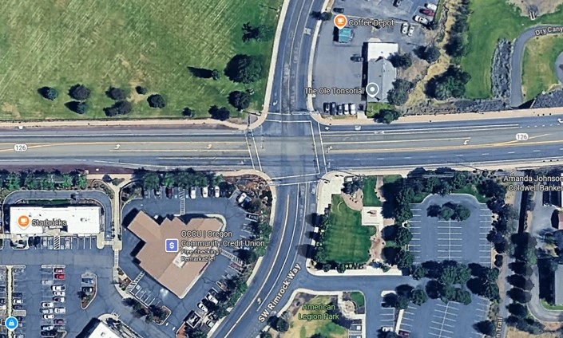
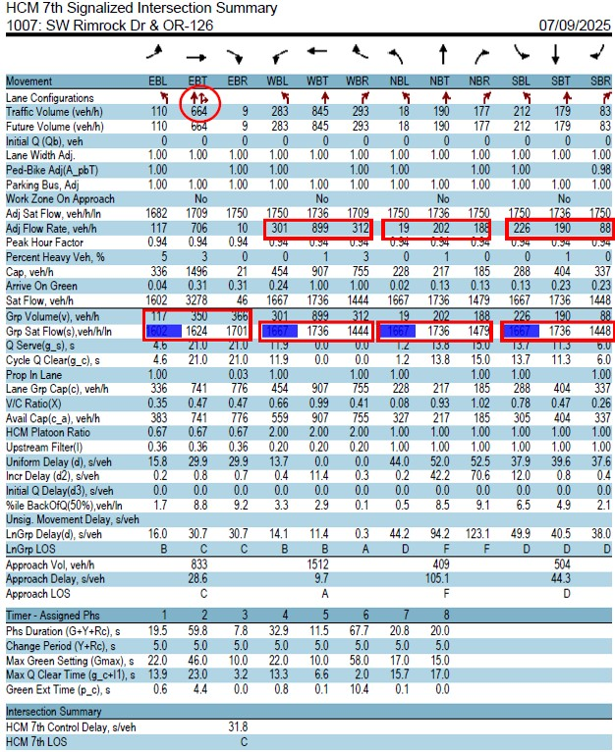
Intersection Type: 4-Leg | Eastbound (EB) |  |  |  |  |  |  | Westbound (WB) |  |  |  |  |  |  | Northbound (NB) |  |  |  |  |  |  | Southbound (SB)
 | 1 | 6 | 6 | 6 | 6 | 6 | 6 | 5 | 2 | 2 | 2 | 2 | 2 | 2 | 7 | 4 | 4 | 4 | 4 | 4 | 4 | 3 | 8 | 8 | 8 | 8 | 8 | 8
 | Left Turn |  | Through |  |  |  | Right | Left Turn |  | Through |  |  |  | Right | Left Turn |  | Through |  |  |  | Right | Left Turn |  | Through |  |  |  | Right
 | Prot | +Perm | with Permitted or Protected Turns |  |  | Thru Only | Prot | Prot | +Perm | with Permitted or Protected Turns |  |  | Thru Only | Prot | Prot | +Perm | with Permitted or Protected Turns |  |  | Thru Only | Prot | Prot | +Perm | with Permitted or Protected Turns |  |  | Thru Only | Prot
Lane Groups | ✓ | ✓ | - | - | ✓ | ✓ | - | ✓ | ✓ | - | - | - | ✓ | ✓ | ✓ | ✓ | - | - | - | ✓ | ✓ | ✓ | ✓ | - | - | - | ✓ | ✓
Protected Left Turn Type | Lead |  |  |  |  |  |  | Lead |  |  |  |  |  |  | Lead |  |  |  |  |  |  | Lead
Phase # | 1 | 6 |  |  | 6 | 6 |  | 5 | 2 |  |  |  | 2 | 2 | 7 | 4 |  |  |  | 4 | 4 | 3 | 8 |  |  |  | 8 | 8
Lane Group Volume (veh/h) | 117 |  |  |  | 366 | 350 |  | 301 |  |  |  |  | 899 | 312 | 19 |  |  |  |  | 202 | 188 | 226 |  |  |  |  | 190 | 88
Green Time | 15 | 51 |  |  | 51 | 51 |  | 27 | 63 |  |  |  | 63 | 63 | 15 | 20 |  |  |  | 20 | 20 | 22 | 27 |  |  |  | 27 | 27
Adj Lane Group Volume (veh/h) | 27 | 90 |  |  | 366 | 350 |  | 90 | 211 |  |  |  | 899 | 312 | 8 | 11 |  |  |  | 202 | 188 | 101 | 125 |  |  |  | 190 | 88
Sat. Flow Rate Source | HCM 2000 |  | Standard Source |  |  |  |  | HCM 2000 |  | Standard Source |  |  |  |  | HCM 2000 |  | Standard Source |  |  |  |  | HCM 2000 |  | Standard Source
Saturation Flow Rate (veh/h/ln) | 1583 | 135 |  |  | 1701 | 1624 |  | 1662 | 434 |  |  |  | 1736 | 1444 | 1660 | 1115 |  |  |  | 1736 | 1479 | 1662 | 492 |  |  |  | 1736 | 1448
Lane Group v/s Flow Ratio | 0.017 | 0.667 | 0.000 | 0.000 | 0.215 | 0.216 | 0.000 | 0.054 | 0.486 | 0.000 | 0.000 | 0.000 | 0.518 | 0.216 | 0.005 | 0.010 | 0.000 | 0.000 | 0.000 | 0.116 | 0.127 | 0.061 | 0.254 | 0.000 | 0.000 | 0.000 | 0.109 | 0.061
Critical Phases |  | ✓ |  |  |  |  |  | ✓ |  |  |  |  |  |  |  |  |  |  |  |  |  | ✓ | ✓
Barrier Flow RatiosCrit. Move. | 0.721 v/s |  |  |  |  |  |  |  |  |  |  |  |  |  | 0.315 v/s
∑ Flow RatiosCrit. Move | 1.036 v/s
No. Lost Time Cycles | 2 |  |  |  |  |  |  |  |  |  |  |  |  |  | 1
Lost Time | 12 sec
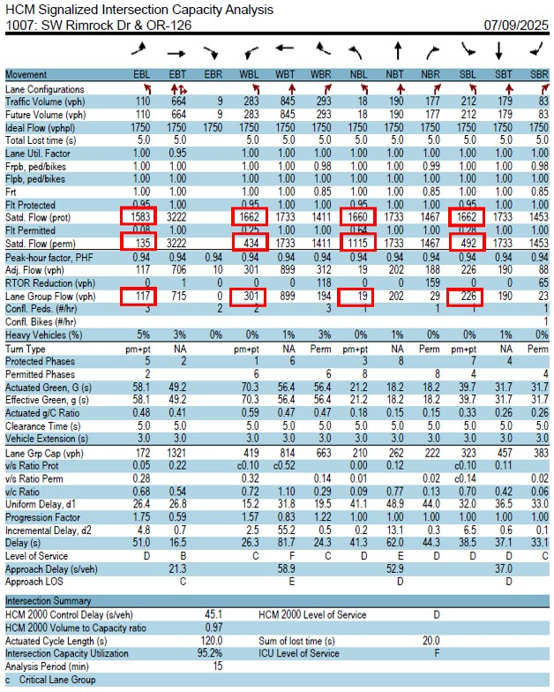
Cycle Time | 120
Xc | 1.151

Calculation Section (Auto-Populated)
 | 0.721 | 5 |  | B16 | C16 | G16 |  | I16 | J16 | N16 | O16 |  |  |  | 0.315 | 10 |  | P16 | Q16 | U16 | V16 | W16 | X16 | AB16 | AC16

Rule 1/2: | 0.721 | I16+C16 | 5 | 0.071 | 0.503 | 0.535 |  | 0.721 | 0.270 |  | 0.000 |  |  |  | 0.259 | P16+X16 | 2 | 0.066 | 0.259 | 0.114 |  | 0.071 | 0.177 |  | 0.000
Rule 3: Permitted-Protected Lefts, Lead-Lead or Lag-Lag | 0.68372288903 | ✓ | 9 |  |  |  |  |  |  |  |  |  |  |  | 0.01468474796 | ✓ | 9
 | 0.54032673976 | ✓ | 10 |  |  |  |  |  |  |  |  |  |  |  | 0.31483519709 | ✓ | 10
Rule 4: Permitted-Protected Lefts, Lead-Lag | 0.000 | n/a | 11 |  |  |  |  |  |  |  |  |  |  |  | 0.000 | n/a | 11
 | 0 | n/a | 12 |  |  |  |  |  |  |  |  |  |  |  | 0 | n/a | 12

EG9
Intersection | Seaside: US101 & Broadway St |  |  |  |  |  |  |  |  |  |  |  |  |  | Analyst |  |  | TEST |  |  |  |  |  |  |  |  |  |  | Paste Area for Analysis Reports (Optional)
Scenario | Alt1 |  |  |  |  |  |  |  |  |  |  |  |  |  | Date |  |  |  |  |  |  |  |  |  |  |  |  |  |  | https://maps.app.goo.gl/QA5KZpTXJTCwQkPr9
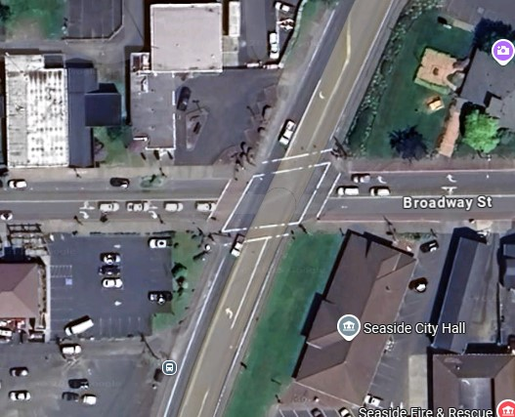
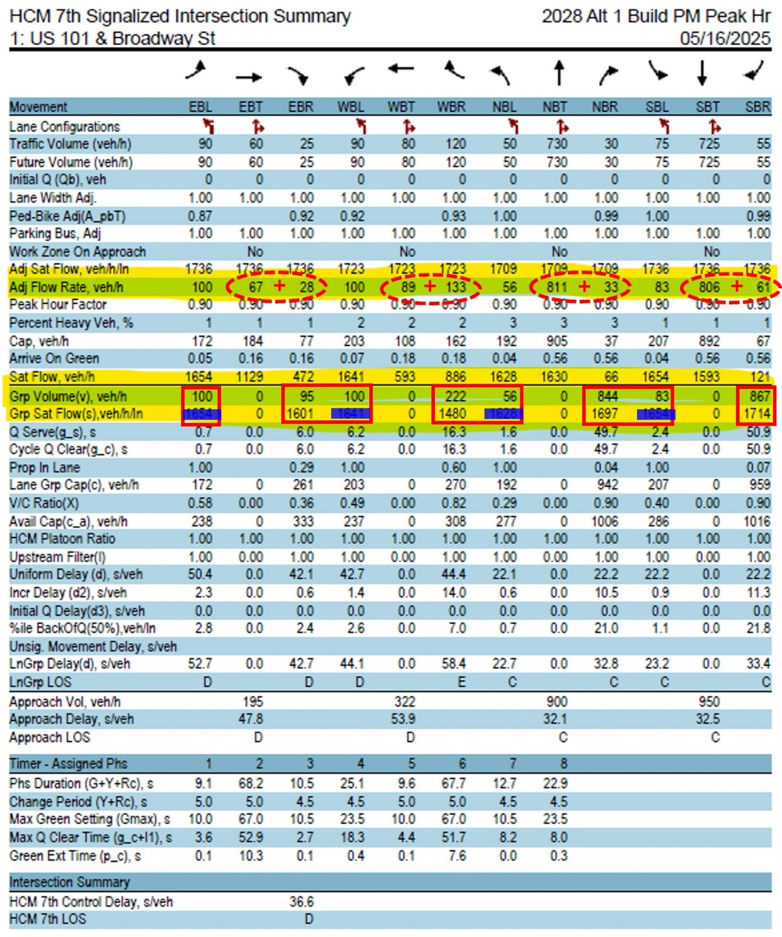
Intersection Type: 4-Leg | Eastbound (EB) |  |  |  |  |  |  | Westbound (WB) |  |  |  |  |  |  | Northbound (NB) |  |  |  |  |  |  | Southbound (SB)
 | 1 | 6 | 6 | 6 | 6 | 6 | 6 | 5 | 2 | 2 | 2 | 2 | 2 | 2 | 7 | 4 | 4 | 4 | 4 | 4 | 4 | 3 | 8 | 8 | 8 | 8 | 8 | 8
 | Left Turn |  | Through |  |  |  | Right | Left Turn |  | Through |  |  |  | Right | Left Turn |  | Through |  |  |  | Right | Left Turn |  | Through |  |  |  | Right
 | Prot | +Perm | with Permitted or Protected Turns |  |  | Thru Only | Prot | Prot | +Perm | with Permitted or Protected Turns |  |  | Thru Only | Prot | Prot | +Perm | with Permitted or Protected Turns |  |  | Thru Only | Prot | Prot | +Perm | with Permitted or Protected Turns |  |  | Thru Only | Prot
Lane Groups | ✓ | ✓ | - | - | ✓ | - | - | ✓ | ✓ | - | - | ✓ | - | - | ✓ | ✓ | - | - | ✓ | - | - | ✓ | ✓ | - | - | ✓ | - | -
Protected Left Turn Type | Lag |  |  |  |  |  |  | Lead |  |  |  |  |  |  | Lead |  |  |  |  |  |  | Lead
Phase # | 1 | 6 |  |  | 6 |  |  | 5 | 2 |  |  | 2 |  |  | 7 | 4 |  |  | 4 |  |  | 3 | 8 |  |  | 8
Lane Group Volume (veh/h) | 100 |  |  |  | 95 |  |  | 100 |  |  |  | 222 |  |  | 56 |  |  |  | 844 |  |  | 83 |  |  |  | 867
Green Time | 15 | 28 |  |  | 28 |  |  | 15 | 28 |  |  | 28 |  |  | 15 | 72 |  |  | 72 |  |  | 15 | 72 |  |  | 72
Adj Lane Group Volume (veh/h) | 35 | 65 |  |  | 95 |  |  | 35 | 65 |  |  | 222 |  |  | 10 | 46 |  |  | 844 |  |  | 14 | 69 |  |  | 867
Sat. Flow Rate Source | HCM 2000 |  | Standard Source |  |  |  |  | HCM 2000 |  | Standard Source |  |  |  |  | HCM 2000 |  | Standard Source |  |  |  |  | HCM 2000 |  | Standard Source
Saturation Flow Rate (veh/h/ln) | 1595 | 1040 |  |  | 1601 |  |  | 1603 | 734 |  |  | 1480 |  |  | 1614 | 201 |  |  | 1697 |  |  | 1646 | 217 |  |  | 1714
Lane Group v/s Flow Ratio | 0.022 | 0.063 | 0.000 | 0.000 | 0.059 | 0.000 | 0.000 | 0.022 | 0.089 | 0.000 | 0.000 | 0.150 | 0.000 | 0.000 | 0.006 | 0.229 | 0.000 | 0.000 | 0.497 | 0.000 | 0.000 | 0.009 | 0.318 | 0.000 | 0.000 | 0.506 | 0.000 | 0.000
Critical Phases | ✓ |  |  |  |  |  |  |  |  |  |  | ✓ |  |  | ✓ |  |  |  |  |  |  |  |  |  |  | ✓
Barrier Flow RatiosCrit. Move. | 0.172 v/s |  |  |  |  |  |  |  |  |  |  |  |  |  | 0.512 v/s
∑ Flow RatiosCrit. Move | 0.684 v/s
No. Lost Time Cycles | 2 |  |  |  |  |  |  |  |  |  |  |  |  |  | 2
Lost Time | 16 sec
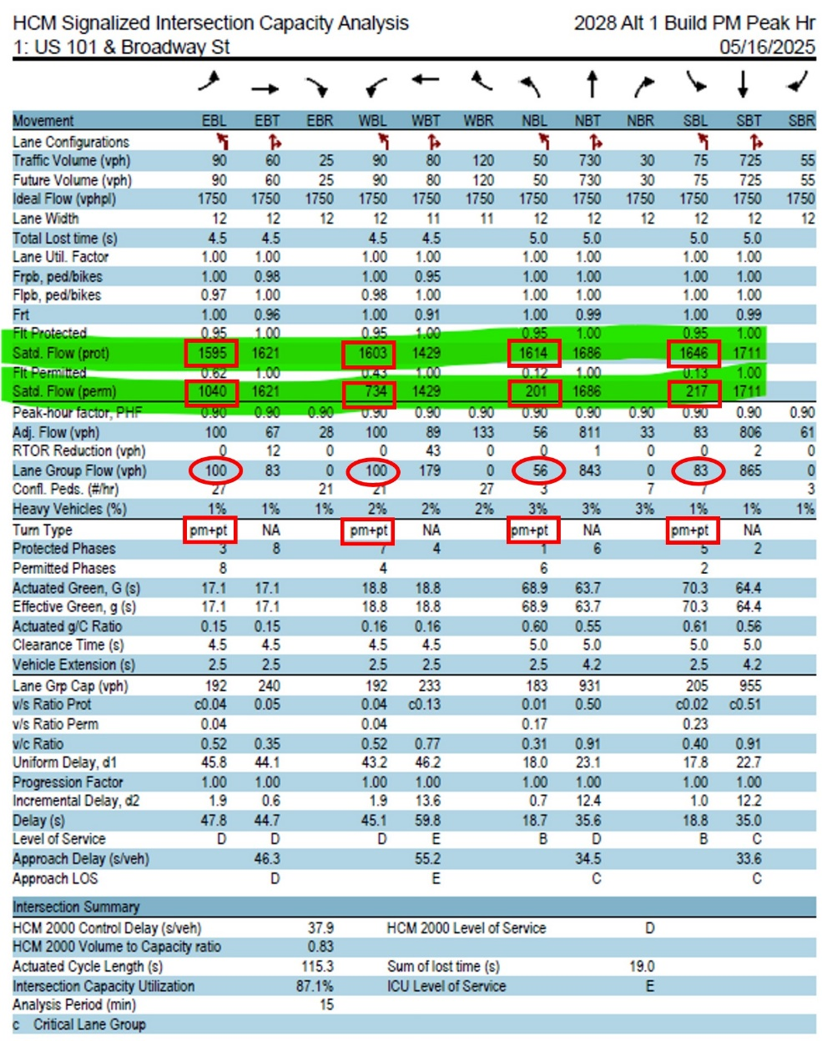
Cycle Time | 130
Xc | 0.780

Calculation Section (Auto-Populated)
 | 0.172 | 3 |  | B16 | C16 | F16 |  | I16 | J16 | M16 |  |  |  |  | 0.512 | 3 |  | P16 | Q16 | T16 |  | W16 | X16 | AA16

Rule 1/2: | 0.172 | B16+M16 | 3 | 0.044 | 0.110 | 0.172 |  | 0.084 | 0.081 |  | 0.000 |  |  |  | 0.512 | P16+AA16 | 3 | 0.015 | 0.324 | 0.512 |  | 0.237 | 0.506 |  | 0.000
Rule 3: Permitted-Protected Lefts, Lead-Lead or Lag-Lag | 0 | n/a | 9 |  |  |  |  |  |  |  |  |  |  |  | 0.23505150826 | ✓ | 9
 | 0 | n/a | 10 |  |  |  |  |  |  |  |  |  |  |  | 0.32647781803 | ✓ | 10
Rule 4: Permitted-Protected Lefts, Lead-Lag | 0.106 | ✓ | 11 |  |  |  |  |  |  |  |  |  |  |  | 0.000 | n/a | 11
 | 0.13233349311 | ✓ | 12 |  |  |  |  |  |  |  |  |  |  |  | 0 | n/a | 12

 |  |  |  |  |  |  |  |  |  |  |  |  |  |  | EBLT | WBLT | NBLT | SBLT | EBRT | WBRT | NBRT | SBRT
 |  |  |  |  |  |  |  |  |  |  |  |  | N/A | ✓
 |  |  |  |  |  |  |  |  |  |  |  |  | Lead | - | 1 | 5 | 7 | 3 | 6 | 2 | 4 | 8
 |  |  |  |  |  |  |  |  |  |  |  |  | Lag |  | 6 | 2 | 4 | 8 | 7 | 3 | 5 | 1

