OTMS
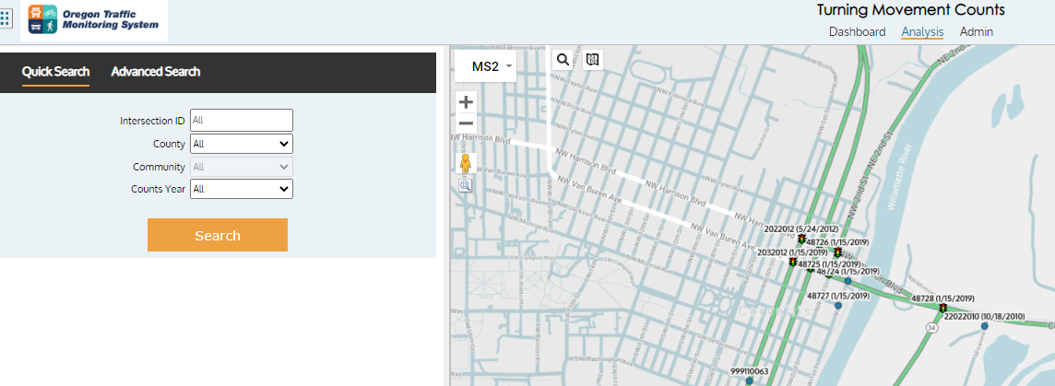
OTMS

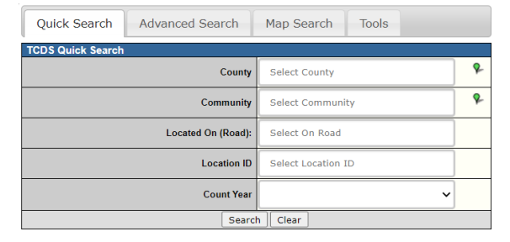
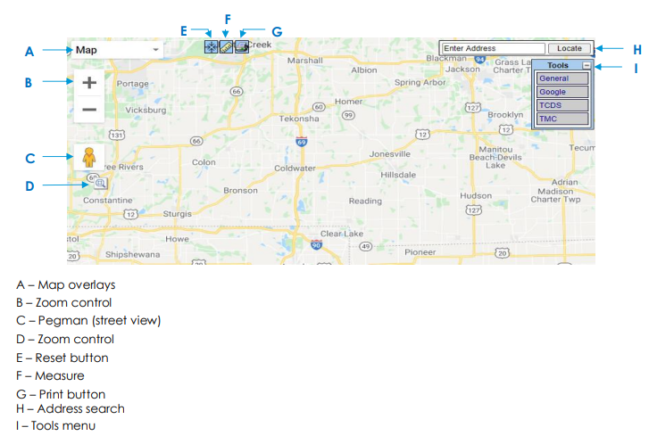
Location ID (Straightaway) |  | Fig. 1- TCDS Search box |  | Fig. 2- TCDS Map view
1. Click on this hyperlink: https://ordot.ms2soft.com/ OR type the URL into search window.

2. To find Location ID, click the “TCDS” tab in the upper left corner
a. Use search box or map to go to your project location (Fig. 1 - Fig. 2)
b. Click on Tools on the upper right corner, TCDS tab, Check the box next to “TCDS Locations” and select Location ID from the drop down menu (Fig. 3)
c. It shows all of the TCDS Locations that exist within the displayed map boundary (may take a few seconds).
d. Zoom to the location on the map that you are interested in. If you see a dot with a number next to it (Location ID), click on the location for details (Fig. 4). That helps you to find the correct ID when sites are very close. Enter that number in the Loc. ID column.

Location ID (Intersection)
1. Click on this hyperlink: https://ordot.ms2soft.com/ OR type the URL into search window.

2. To find Location ID, click the “TMC” tab in the middle of upper row
a. Click the "Analysis" tab
b. Use search box or map to go to your project location (Fig. 5)
c. It shows all of the TMC Locations that exist within the displayed map boundary (may take a few seconds). |  | Fig. 3- TCDS View of Location pop-up | Fig. 4- TCDS View of Location details
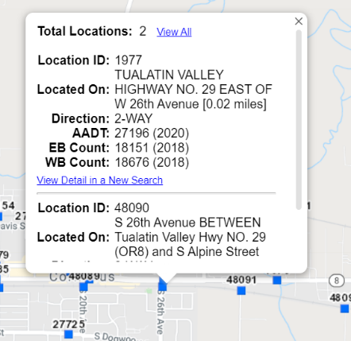
d. Zoom to the location on the map that you are interested in. If you see a dot with a number next to it (location ID), enter that number in the Loc. ID column
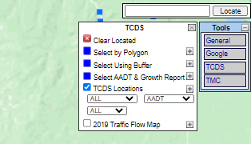
 | Note: don't enter date in the location ID column

 |  | Fig. 5- TMC Analysis page (Search box and map)

