T&M Invoice
 | Your Company Name |  |  | ODOT A&E INVOICE EXAMPLE |  |  | All Green highlighted areas are REQUIRED to be completed
 | Your Company Slogan
 |  |  |  | Invoice #:

 |  |  |  | Invoice Date:
 |  |  |  | Billing Period (Effective from and to):
 |  |  |  | Price Agreement/ Contract #:
 |  |  |  | WOC #:
 |  |  |  | Agency Project Manager:
 |  | Street Address |  | Consultant Project Manager:
 |  | City, ST ZIP Code |  | Total WOC Amount:
 |  | Phone: |  | Amount Previously Invoiced:
 |  |  |  | Amount Remaining:
 |  | Remit To: Company Name |  | Current Amount Due: | $21,102.36
 |  | Street Address |  | Approved Overhead (OH) Rate: | 161.07%
 |  | City, ST ZIP Code |  | Approved Profit Rate: | 10.00%
 |  | Phone |  | Approved FCCM Rate: | 0.12%
 |  |  |  | Addional Notes:
 |  | Bill To: ODOT/Region XX-Department
 |  | Attn: (insert APM name)
 |  | Street Address
 |  | City, ST ZIP Code

Labor Expenses
Task # | % Complete * | Professional Personnel (Title) | Name | Hours | Rate | Amount | * If Applicable
1 |  | Engineer II | Gater, Allie | 40 | $33.71 | $1,348.40
 |  | Designer II | Too, Tim "Buck" | 37 | $34.00 | $1,258.00
 |  | CAD Technician III | Tick, Fran | 38.5 | $31.64 | $1,218.14
2 |  | Project Manager II | Davis, Sammie | 32 | $51.71 | $1,654.72
 |  |  |  |  |  | $0.00
 |  |  |  |  |  | $0.00
 |  |  |  |  |  | $0.00
 |  |  |  |  |  | $0.00
 |  |  |  |  |  | $0.00
 |  |  |  |  |  | $0.00
 |  |  |  |  |  | $0.00
 |  |  |  |  |  | $0.00
 |  |  |  |  |  | $0.00
 |  |  |  |  | Total Labor | $5,479.26

Contingency Tasks
Task # | % Complete | Professional Personnel (Title) | Name | Hours | Rate | Amount
 |  |  |  |  |  | $0.00
 |  |  |  |  |  | $0.00
 |  |  |  |  |  | $0.00
 |  |  |  |  | Total Contingency | $0.00

 | Related Costs (If Applicable)
 | Related Costs |  | Rate (%) | Dollars ($) | Total
 | Overhead (OH) |  | 161.07% | $5,479.26 | $8,825.44
 | Profit |  | 10.00% | $14,304.70 | $1,430.47
 | FCCM |  | 0.12% | $5,479.26 | $6.58
 |  |  |  | Total Related Costs | $10,262.49

 | Subconsultant Invoice Total Costs
 | Firm/ Subconsultant Name |  |  |  | Current Amount Due
 | ABC Company |  |  |  | $4,788.11

 |  |  |  | Total Subconsultant Costs | $4,788.11

 | Riembursable Expenses
 | Expense Type | Personnel | Usage | Usage Type | Rate/ Per Diem | Expense Total
 | Hotel* | Davis, Sammie | 2 | Nights | $152.00 | $304.00 | *Hotel receipts are required for all lodging, subject to per diem rates https://www.gsa.gov/travel/plan-book/per-diem-rates/per-diem-rates-lookup
 | Mileage* | Davis, Sammie | 100 | Miles | $0.575 | $57.50 | *Requires a breakdown of all miles being charged with name of person traveling, destination, purpose of trip and total miles for each trip *See Mileage Report Tab
 | Initial Day - Meal | Davis, Sammie | 1 | Day - 75% of Per Diem | $41.25 | $41.25 | *Receipt not required
 | Full Day - Meal | Davis, Sammie | 1 | Day - 100% of Per Diem | $55.00 | $55.00 | *Receipt not required
 | Final Day Meal | Davis, Sammie | 1 | Day - 75% of Per Diem | $41.25 | $41.25 | *Receipt not required
 | Parking* | Davis, Sammie | 1 | N/A | $66.00 | $66.00 | *Requires receipt
 |  |  |  |  |  | $0.00
 |  |  |  |  | Total Expenses | $565.00

 |  | Other Direct Costs (ODC)
 |  | ODC Type | Usage/ Units | Usage/ Units Type | Rate | ODC Total
 |  | Copies* | 50 | Color Print Copies (in-house) | $0.02 | $1.00 | *Requires receipt if outside vendor is used, still need supporting docunmentation for in-house
 |  | Copies* | 65 | B&W Print Copies (in-house) | $0.10 | $6.50 | *Requires receipt if outside vendor is used, still need supporting docunmentation for in-house
 |  |  |  |  |  | $0.00
 |  |  |  |  |  | $0.00
 |  |  |  |  |  | $0.00
 |  |  |  |  | Total ODC | $7.50

INVOICE TOTAL |  |  |  |  | $21,102.36

 |  | Print Consultant Project Manager Name Here

Supporting Documentation
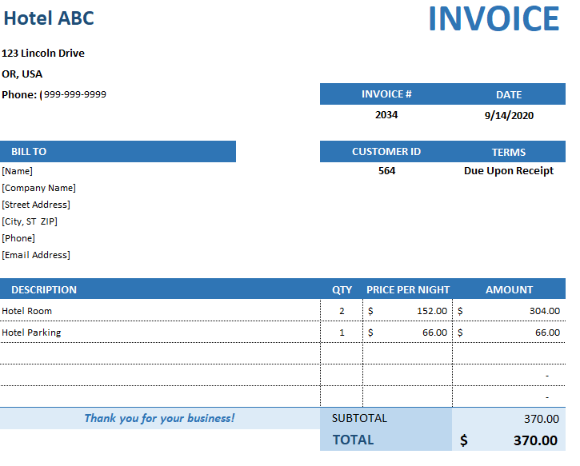
Mileage Report
Date | Person Traveling | Location | Travel Reason | Odometer Start | Odometer End | Total Miles
2020-09-12 | Davis, Sammie | Lincoln City to Salem | Site Visit | 34480 | 34530 | 50
2020-09-14 | Davis, Sammie | Salem to Lincoln City | Site Visit | 34530 | 34580 | 50

 |  |  |  |  | Total Miles | 100

OAM - Per Diem Rates
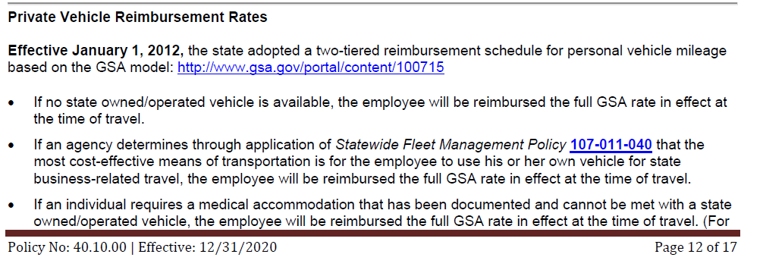
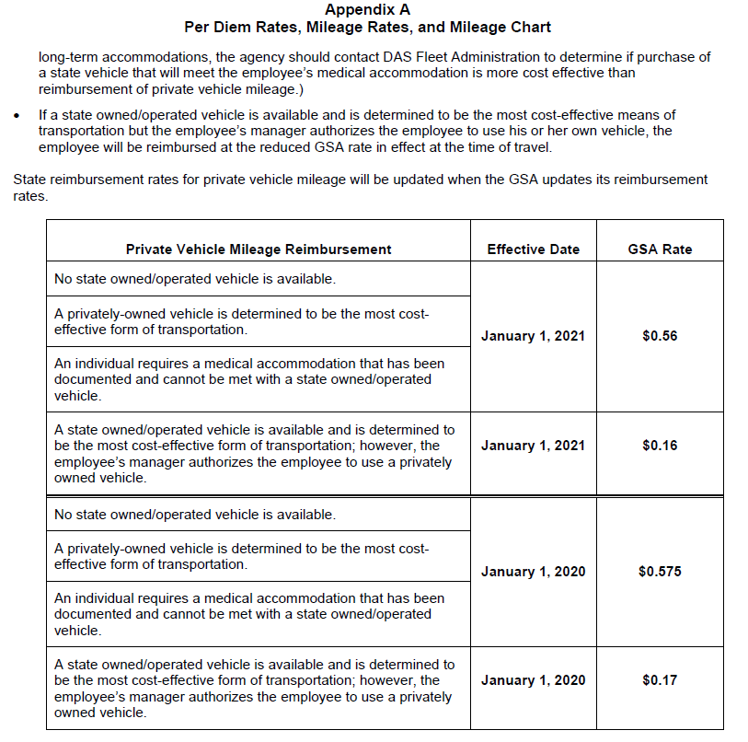
**For more information on Travel Riemburement, see https://www.oregon.gov/das/Financial/Acctng/Documents/40.10.00.pdf

GSA Website https://www.gsa.gov/travel/plan-book/per-diem-rates/per-diem-rates-lookup

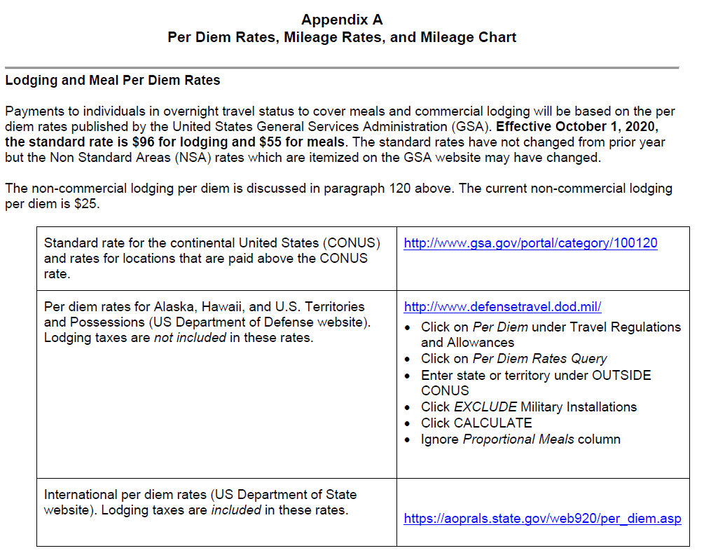
** Disclosure: You are required to check links for current GSA Per Diem Rates prior to submission

Other Resources
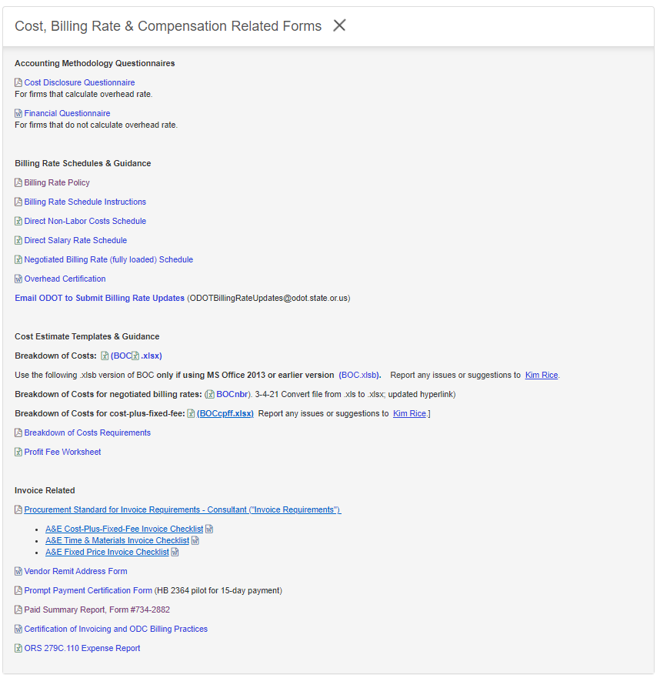
Consultant Invoice Resources | Location
Consultant Invoice Requirments Standard | https://www.oregon.gov/odot/Business/Procurement/Pages/PSK.aspx
T&M Invoice Requirements Checklist
Fixed Price Invoice Requirements Checklist
Cost Plus Fixed Fee Invoice Requirements Checklist
 | Click on 'Cost, Billing Rate, & Compensation Related Forms'

