FP Invoice
 | Your Company Name |  |  | DRAFT ODOT INVOICE EXAMPLE |  |  | All Green highlighted areas are REQUIRED
 | Your Company Slogan
 |  |  |  | Invoice #:

 |  |  |  | Invoice Date:
 |  |  |  | Billing Period:
 |  |  |  | Price Agreement/ Contract #:
 |  |  |  | WOC #:
 |  |  |  | Agency Project Manager:
 |  | Street Address |  | Consultant Project Manager:
 |  | City, ST ZIP Code |  | Total WOC Amount:
 |  | Phone: |  | Amount Previously Invoiced:
 |  |  |  | Amount Remaining:
 |  | Remit To: |  | Current Amount Due: | $5,642.50
 |  | Company Name |  | Additional Notes:
 |  | Street Address
 |  | City, ST ZIP Code
 |  | Phone

 |  | Bill To: ODOT/Region XX-Department
 |  | Attn: (insert APM name)
 |  | Street Address
 |  | City, ST ZIP Code

Fixed Price Expenses
Task # |  | Description |  | Units or Percentage (%) | Rate | Amount
1 |  | Draft of Project Plans |  | 100% | $2,500.00 | $2,500.00
1 |  | Execution of Bi-Weekly Meeting |  | 3 | $850.00 | $2,550.00
 |  |  |  |  |  | $-
 |  |  |  |  |  | $-
 |  |  |  |  |  | $-
 |  |  |  |  |  | $-
 |  |  |  |  |  | $-
 |  |  |  |  |  | $-
 |  |  |  |  |  | $-
 |  |  |  |  |  | $-
 |  |  |  |  |  | $-
 |  |  |  |  |  | $-
 |  |  |  |  |  | $-
 |  |  |  |  | Total Labor | $5,050.00

Contingency Tasks for T&M
Task # | % Complete | Professional Personnel (Title) | Name | Hours | Rate | Amount

 |  |  |  |  | Total Contingency | $0.00

Contingency Tasks for Fixed Price
Task # |  | Description |  | Units or Percentage (%) | Rate | Amount
 |  |  |  |  |  | $-
 |  |  |  |  |  | $-
 |  |  |  |  |  | $-
 |  |  |  |  |  | $-
 |  |  |  |  | Total Contingency | $-

 | Riembursable Expenses
 | Expense Type | Personnel | Usage | Usage Type | Rate/ Per Diem | Expense Total
 | Hotel | Davis, Sammie | 2 | Nights | $152.00 | $304.00
 | Mileage | Davis, Sammie | 100 | Miles | $0.575 | $57.50
 | Meals | Davis, Sammie | 3 | Days | $55.00 | $165.00
 | Parking | Davis, Sammie | 1 | N/A | $66.00 | $66.00
 |  |  |  |  |  | $0.00
 |  |  |  |  | Total Expenses | $592.50

INVOICE TOTAL |  |  |  |  | $5,642.50

 |  |  | Print Consultant Project Manager Name Here

OAM - Per Diem Rates
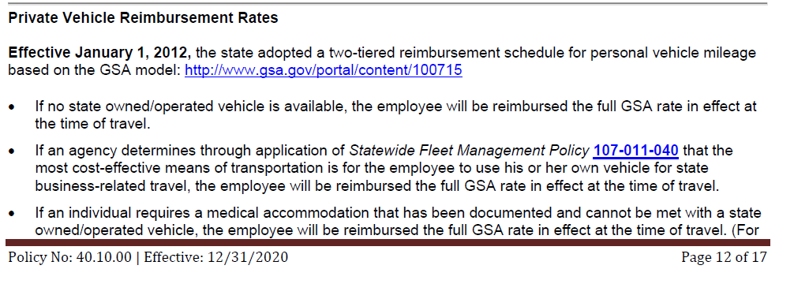
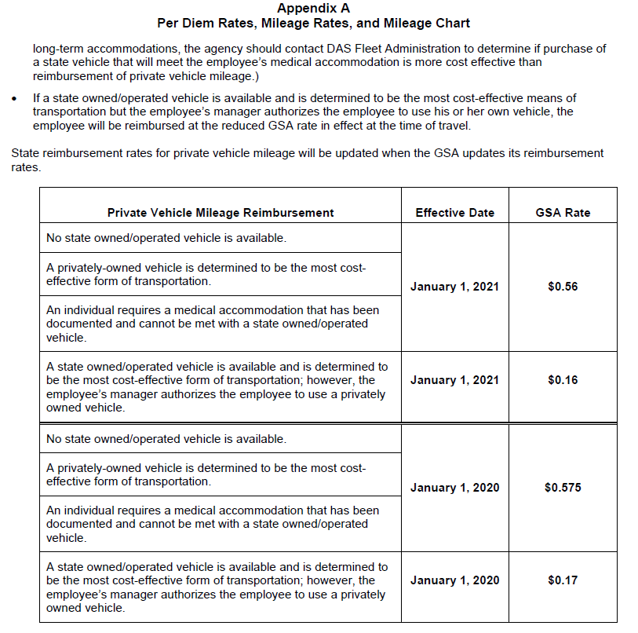
**For more information on Travel Riemburement, see https://www.oregon.gov/das/Financial/Acctng/Documents/40.10.00.pdf

GSA Website https://www.gsa.gov/travel/plan-book/per-diem-rates/per-diem-rates-lookup

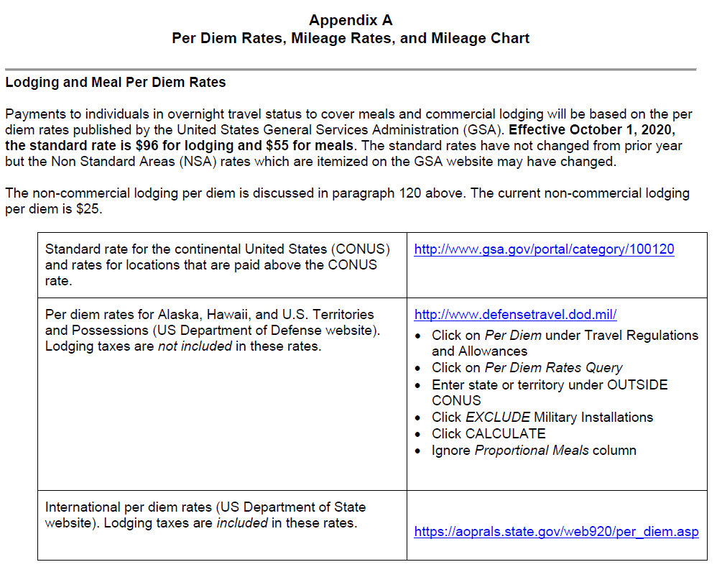
** Disclosure: You are required to check links for current GSA Per Diem Rates prior to submission

Other Resources
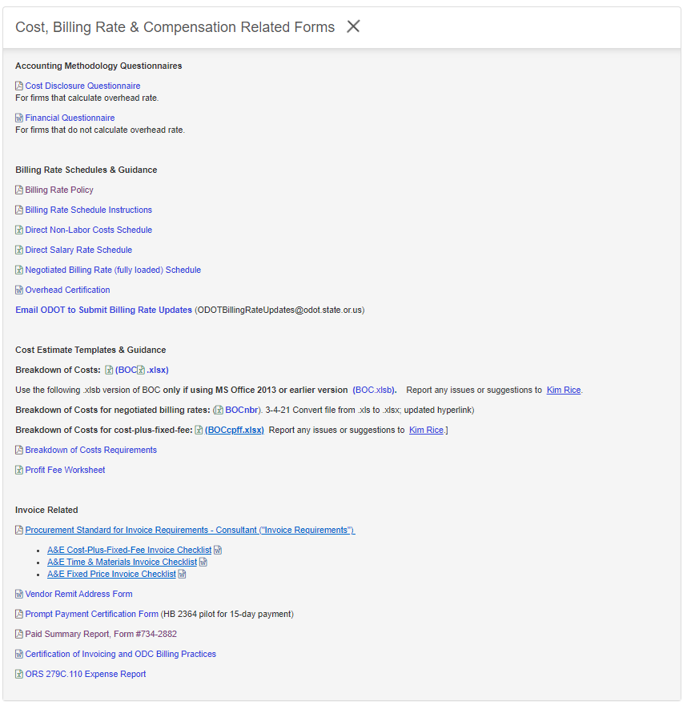
Consultant Invoice Resources | Location
Consultant Invoice Requirments Standard | https://www.oregon.gov/odot/Business/Procurement/Pages/PSK.aspx
T&M Invoice Requirements Checklist
Fixed Price Invoice Requirements Checklist
Cost Plus Fixed Fee Invoice Requirements Checklist
Progress Report Example | Click on 'Cost, Billing Rate, & Compensation Related Forms'
T&M Invoice Example
Fixed Price Invoice Example

