Instructions
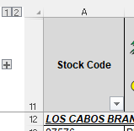
 M.C.I. Foods, Inc.
SY 2025-2026 Donated Foods Calculator Instructions

1.- Please complete all applicable information on rows 3-8.
2.- Fill out case amount per item per month on the yellow cells.
3.- Panes are already frozen for scrolling down the page, if you would like to temporarily hide rows 1-10 you
may click the minus sign on the left hand side, next to the row numbers or click the number one.
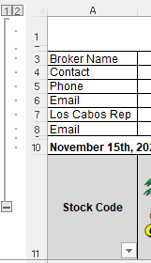

4.- Once you are done, to unhide rows 1-10 you may either click on the plus sign or the number 2.

