Summary by County
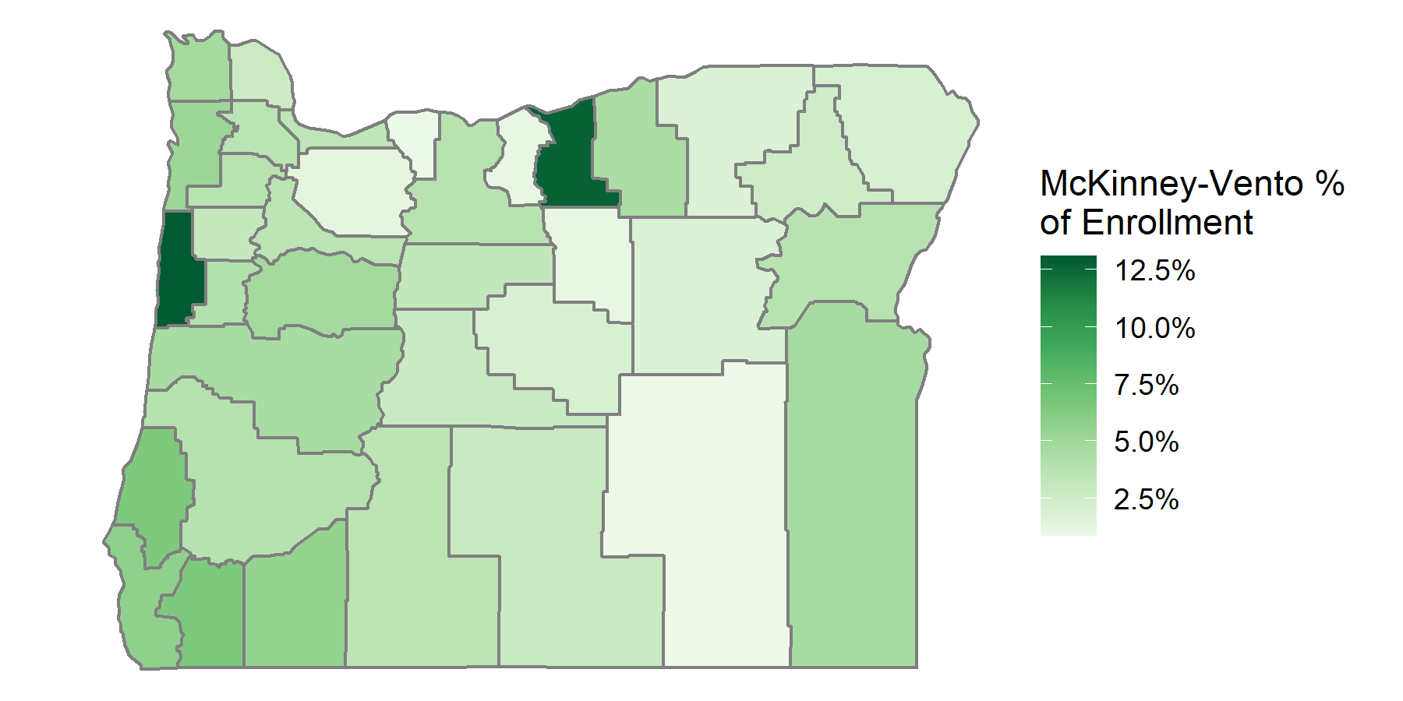
County | Count of McKinney-Vento Students | Percent of Total Enrollment
Baker | 198 | 3.70%
Benton | 329 | 3.94%
Clackamas | 723 | 1.28%
Clatsop | 222 | 4.73%
Columbia | 184 | 2.61%
Coos | 548 | 6.49%
Crook | 64 | 1.97%
Curry | 111 | 5.76%
Deschutes | 683 | 2.71%
Douglas | 511 | 3.82%
Gilliam | 34 | 12.73%
Grant | 36 | 1.85%
Harney | 25 | 0.84%
Hood River | 33 | 0.87%
Jackson | 1583 | 5.54%
Jefferson | 105 | 3.13%
Josephine | 643 | 6.48%
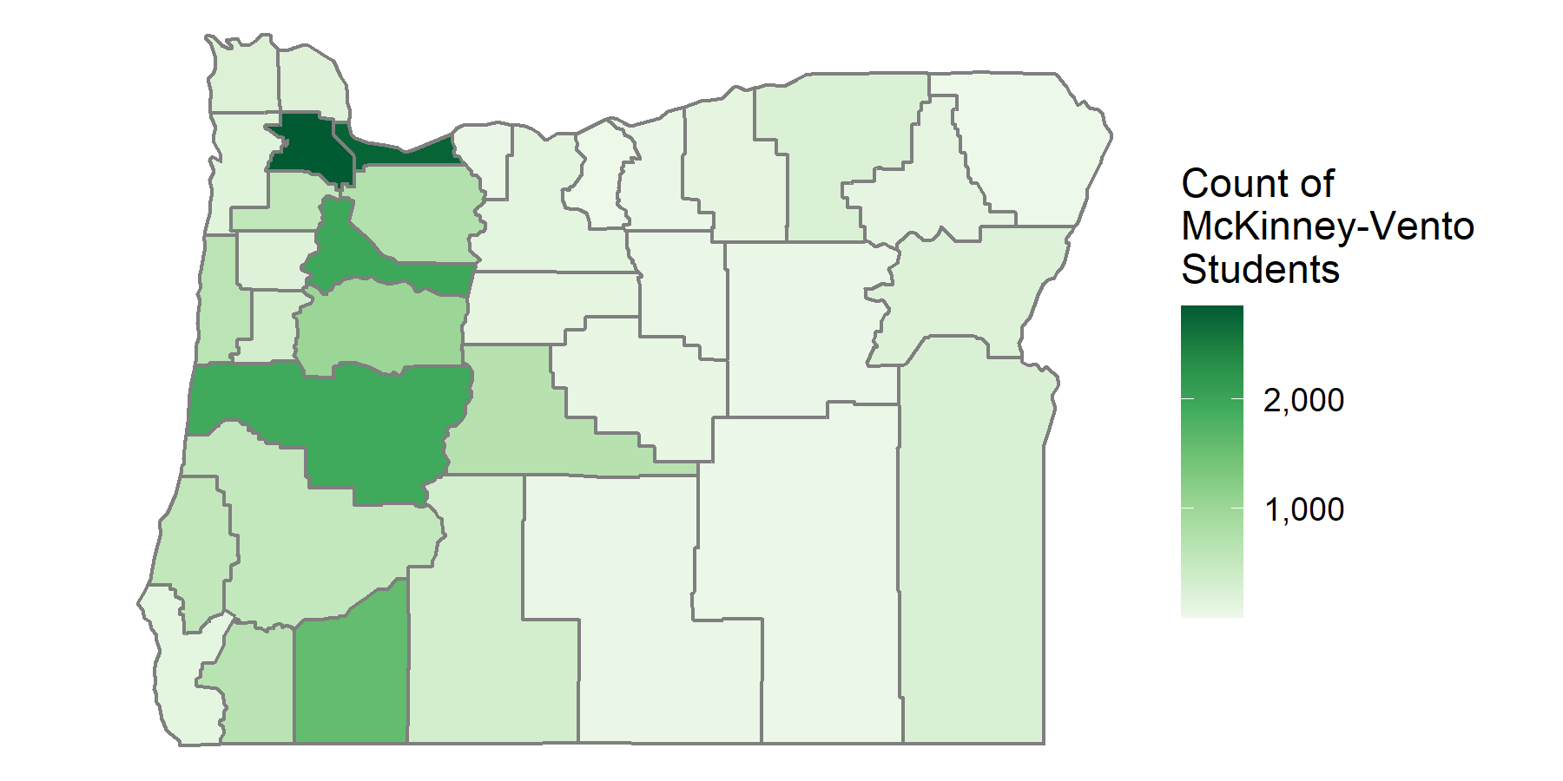
Klamath | 336 | 3.46%
Lake | 32 | 2.83%
Lane | 1928 | 4.52%
Lincoln | 637 | 13.07%
Linn | 1015 | 4.76%
Malheur | 246 | 4.60%
Marion | 1958 | 3.48%
Morrow | 103 | 4.40%
Multnomah | 2749 | 3.29%
Polk | 192 | 2.95%
Sherman | * | *
Tillamook | 163 | 5.10%
Umatilla | 234 | 1.78%
Union | 91 | 2.48%
Wallowa | 18 | 1.96%
Wasco | 123 | 3.70%
Washington | 2847 | 3.53%
Wheeler | 39 | 1.09%
Yamhill | 550 | 3.70%

* Counts of less than or equal to 5 are supressed

