How-to Guide
 | How to use this reference tool:
 | This document is a tool to help you identify what types of quarantines apply to plant species originating in each state, and may indicate the certification documents you need in order to ship plants into Oregon.

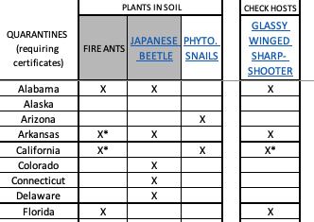
1 | On the 3rd tab, "OR Import Quarantines (2023)", each column has a Federal (gray) or Oregon state (white) quarantine listed, and each row is a state. Find the row of the exporting state and look for columns marked with an "X". NOTE: If you are a broker, please refer to the state of origin where the plants were grown, not your business location.
2 | Columns marked with an "X" are quarantines we need state-issued certificates for, but these might be location- or plant-specific.
3 | All Oregon quarantines are linked in the column headers on row 2 of tab 3.
4 | Please be sure to send the proper documentation in your email notification for your shipment. You can review the requirements for these notifications on tab 2 of this document.
 |  | Figure 1. States of plant origin are listed as rows, quarantines are columns (Oregon's rules have links to the official website). An "X" indicates that this state likely requires state certification for the quarantine listed above.
 | See images to the right for examples of quarantines and reference tabs

 | NOTE:
5 | Some quarantines apply to all plants being sent into Oregon, such as the Japanese Beetle quarantine. Compliance with this quarantine must be specifically listed on a State-issued quarantine certificate for all shipments or the plants will be rejected and possibly destroyed.
6 | Some quarantines only apply to host plants that are sent into Oregon, such as the Glassy Winged Sharpshooter quarantine. Look at tab 4, "GW Sharpshooter Hosts", to see if your plants are on that list. If they are, this must be addressed by your State-issued quarantine certificate. If they are not on this list, you do not need to refer to this quarantine in any documentation. There are additional hosts lists on other tabs. | 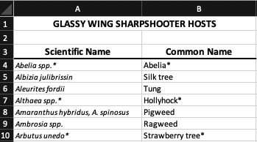
7 | Some quarantines are county-based and are marked "X*" in the column. At the bottom of the "OR Import Quarantines (2023)" tab, there are links to Federal quarantine websites that provide details about these boundaries. | Figure 2. Example host list for quarantines that only apply if the shipped plant is a host for the specific insect/disease. There are several tabs for different host lists.
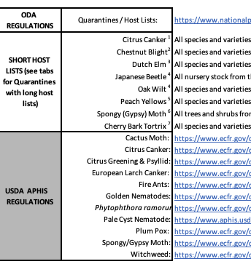

 | If you have questions regarding this document, please contact Kara Mills at:
 | 503-983-6521
 | Kara.Mills@oda.oregon.gov

 |  | Figure 3. This is located at the bottom of the Quarantines tab. There is a short host lists for Oregon quarantines with 5 or less affected genera. There are links to Federal quarantines which are good references if the column is marked as "X*" which indicates only some locations in that state fall under the quarantine.

