Coversheet


Oregon Energy Strategy
Updated November 19, 2025

Data Library

Sheet Index | Sheet Contents
1 | Emissions by Type & Source
2 | Emissions by Sector
3 | Energy Demand by Fuel
4 | Energy Demand by Sector
5 | Percentage Change in Final Energy
6 | Electricity Demand by Scenario
7 | Electricity Generation - In-State and Imported
8 | Electricity Generation Capacity
9 | Transmission Between Zones
10 | Land Use by Resource
11 | Direct Use Fuels by Sector
12 | Fuels Imports vs Oregon Production
13 | Energy in Transporation
14 | Fuels Clean or Fossil
15 | Hydrogen Use in Oregon
16 | Origin of Hydrogen Products Consumed
17 | Cumulative Costs
18 | Residential Space Heating - Sales, Stock, Energy
19 | Commerical Space Heating - Sales, Stock, Energy
20 | Medium and Heavy Duty Vehicles - Sales, Stock, Energy
21 | Light Duty Vehicles - Sales, Stock, Energy
22 | Non-Coincident Flexible Loads
23 | Gas Blend for Electricity Generation
24 | Gas Powerplant Capacity

1. Emissions by Type & Source
Emissions by Type and Source

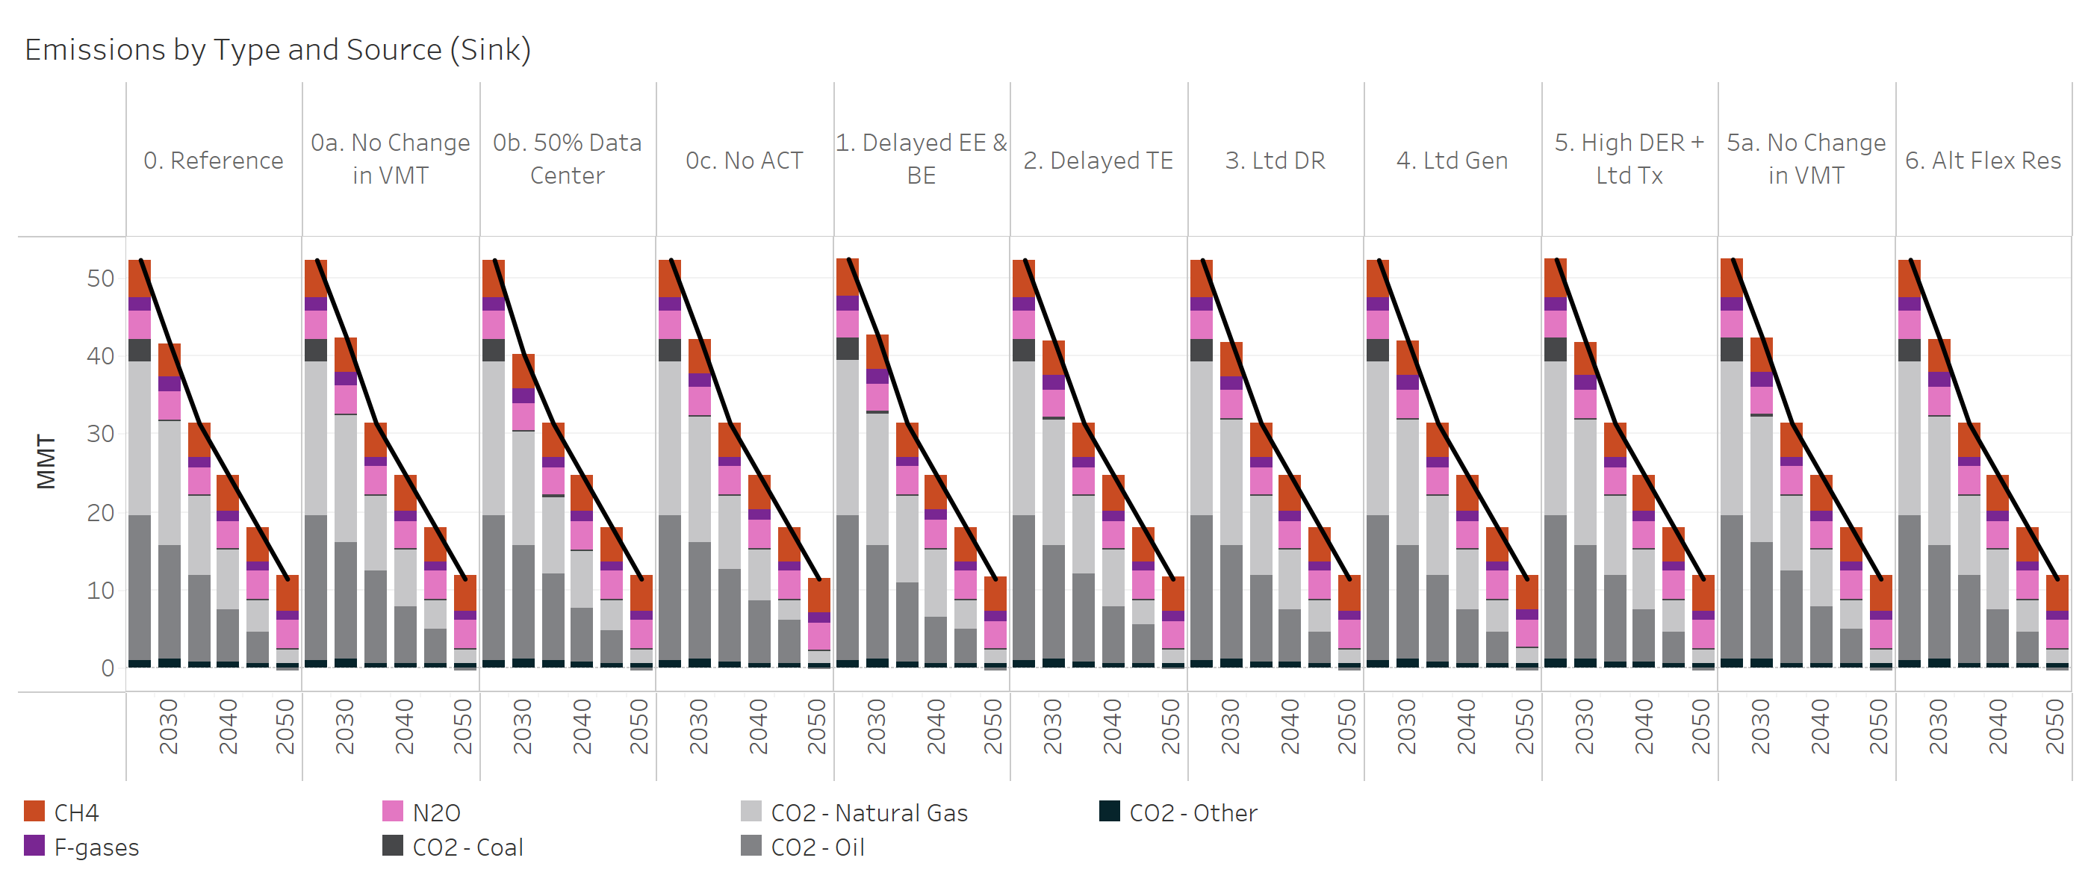
Emissions Type and Source | Scenario | Year | Emissions (MMT)
Total | 0. Reference | 2024 | 52.3
Total | 0. Reference | 2030 | 41.6
Total | 0. Reference | 2035 | 31.3
Total | 0. Reference | 2040 | 24.7
Total | 0. Reference | 2045 | 18.0
Total | 0. Reference | 2050 | 11.4
Total | 0a. No Change in VMT | 2024 | 52.3
Total | 0a. No Change in VMT | 2030 | 42.4
Total | 0a. No Change in VMT | 2035 | 31.3
Total | 0a. No Change in VMT | 2040 | 24.7
Total | 0a. No Change in VMT | 2045 | 18.0
Total | 0a. No Change in VMT | 2050 | 11.4
Total | 0b. 50% Data Centers | 2024 | 52.3
Total | 0b. 50% Data Centers | 2030 | 40.2
Total | 0b. 50% Data Centers | 2035 | 31.3
Total | 0b. 50% Data Centers | 2040 | 24.7
Total | 0b. 50% Data Centers | 2045 | 18.0
Total | 0b. 50% Data Centers | 2050 | 11.4
Total | 0c. No ACT | 2024 | 52.3
Total | 0c. No ACT | 2030 | 42.2
Total | 0c. No ACT | 2035 | 31.3
Total | 0c. No ACT | 2040 | 24.7
Total | 0c. No ACT | 2045 | 18.0
Total | 0c. No ACT | 2050 | 11.4
Total | 1. Delayed EE & BE | 2024 | 52.4
Total | 1. Delayed EE & BE | 2030 | 42.7
Total | 1. Delayed EE & BE | 2035 | 31.3
Total | 1. Delayed EE & BE | 2040 | 24.7
Total | 1. Delayed EE & BE | 2045 | 18.0
Total | 1. Delayed EE & BE | 2050 | 11.4
Total | 2. Delayed TE | 2024 | 52.3
Total | 2. Delayed TE | 2030 | 41.9
Total | 2. Delayed TE | 2035 | 31.3
Total | 2. Delayed TE | 2040 | 24.7
Total | 2. Delayed TE | 2045 | 18.0
Total | 2. Delayed TE | 2050 | 11.4
Total | 3. Ltd DR | 2024 | 52.3
Total | 3. Ltd DR | 2030 | 41.8
Total | 3. Ltd DR | 2035 | 31.3
Total | 3. Ltd DR | 2040 | 24.7
Total | 3. Ltd DR | 2045 | 18.0
Total | 3. Ltd DR | 2050 | 11.4
Total | 4. Ltd Gen | 2024 | 52.3
Total | 4. Ltd Gen | 2030 | 41.8
Total | 4. Ltd Gen | 2035 | 31.3
Total | 4. Ltd Gen | 2040 | 24.7
Total | 4. Ltd Gen | 2045 | 18.0
Total | 4. Ltd Gen | 2050 | 11.4
Total | 5. High DER + Ltd Tx | 2024 | 52.4
Total | 5. High DER + Ltd Tx | 2030 | 41.8
Total | 5. High DER + Ltd Tx | 2035 | 31.3
Total | 5. High DER + Ltd Tx | 2040 | 24.7
Total | 5. High DER + Ltd Tx | 2045 | 18.0
Total | 5. High DER + Ltd Tx | 2050 | 11.4
Total | 5a. No Change in VMT | 2024 | 52.4
Total | 5a. No Change in VMT | 2030 | 42.3
Total | 5a. No Change in VMT | 2035 | 31.3
Total | 5a. No Change in VMT | 2040 | 24.7
Total | 5a. No Change in VMT | 2045 | 18.0
Total | 5a. No Change in VMT | 2050 | 11.4
Total | 6. Alt Flex Res | 2024 | 52.3
Total | 6. Alt Flex Res | 2030 | 42.2
Total | 6. Alt Flex Res | 2035 | 31.3
Total | 6. Alt Flex Res | 2040 | 24.7
Total | 6. Alt Flex Res | 2045 | 18.0
Total | 6. Alt Flex Res | 2050 | 11.4
CH4 | 0. Reference | 2024 | 4.8
CH4 | 0. Reference | 2030 | 4.4
CH4 | 0. Reference | 2035 | 4.4
CH4 | 0. Reference | 2040 | 4.6
CH4 | 0. Reference | 2045 | 4.4
CH4 | 0. Reference | 2050 | 4.5
CH4 | 0a. No Change in VMT | 2024 | 4.8
CH4 | 0a. No Change in VMT | 2030 | 4.4
CH4 | 0a. No Change in VMT | 2035 | 4.3
CH4 | 0a. No Change in VMT | 2040 | 4.6
CH4 | 0a. No Change in VMT | 2045 | 4.4
CH4 | 0a. No Change in VMT | 2050 | 4.5
CH4 | 0b. 50% Data Centers | 2024 | 4.8
CH4 | 0b. 50% Data Centers | 2030 | 4.4
CH4 | 0b. 50% Data Centers | 2035 | 4.4
CH4 | 0b. 50% Data Centers | 2040 | 4.6
CH4 | 0b. 50% Data Centers | 2045 | 4.4
CH4 | 0b. 50% Data Centers | 2050 | 4.5
CH4 | 0c. No ACT | 2024 | 4.8
CH4 | 0c. No ACT | 2030 | 4.4
CH4 | 0c. No ACT | 2035 | 4.3
CH4 | 0c. No ACT | 2040 | 4.5
CH4 | 0c. No ACT | 2045 | 4.4
CH4 | 0c. No ACT | 2050 | 4.5
CH4 | 1. Delayed EE & BE | 2024 | 4.8
CH4 | 1. Delayed EE & BE | 2030 | 4.4
CH4 | 1. Delayed EE & BE | 2035 | 4.3
CH4 | 1. Delayed EE & BE | 2040 | 4.5
CH4 | 1. Delayed EE & BE | 2045 | 4.4
CH4 | 1. Delayed EE & BE | 2050 | 4.5
CH4 | 2. Delayed TE | 2024 | 4.8
CH4 | 2. Delayed TE | 2030 | 4.4
CH4 | 2. Delayed TE | 2035 | 4.4
CH4 | 2. Delayed TE | 2040 | 4.6
CH4 | 2. Delayed TE | 2045 | 4.4
CH4 | 2. Delayed TE | 2050 | 4.5
CH4 | 3. Ltd DR | 2024 | 4.8
CH4 | 3. Ltd DR | 2030 | 4.4
CH4 | 3. Ltd DR | 2035 | 4.4
CH4 | 3. Ltd DR | 2040 | 4.6
CH4 | 3. Ltd DR | 2045 | 4.4
CH4 | 3. Ltd DR | 2050 | 4.5
CH4 | 4. Ltd Gen | 2024 | 4.8
CH4 | 4. Ltd Gen | 2030 | 4.4
CH4 | 4. Ltd Gen | 2035 | 4.4
CH4 | 4. Ltd Gen | 2040 | 4.6
CH4 | 4. Ltd Gen | 2045 | 4.4
CH4 | 4. Ltd Gen | 2050 | 4.4
CH4 | 5. High DER + Ltd Tx | 2024 | 4.8
CH4 | 5. High DER + Ltd Tx | 2030 | 4.4
CH4 | 5. High DER + Ltd Tx | 2035 | 4.4
CH4 | 5. High DER + Ltd Tx | 2040 | 4.6
CH4 | 5. High DER + Ltd Tx | 2045 | 4.4
CH4 | 5. High DER + Ltd Tx | 2050 | 4.5
CH4 | 5a. No Change in VMT | 2024 | 4.8
CH4 | 5a. No Change in VMT | 2030 | 4.4
CH4 | 5a. No Change in VMT | 2035 | 4.3
CH4 | 5a. No Change in VMT | 2040 | 4.6
CH4 | 5a. No Change in VMT | 2045 | 4.4
CH4 | 5a. No Change in VMT | 2050 | 4.5
CH4 | 6. Alt Flex Res | 2024 | 4.8
CH4 | 6. Alt Flex Res | 2030 | 4.4
CH4 | 6. Alt Flex Res | 2035 | 4.3
CH4 | 6. Alt Flex Res | 2040 | 4.6
CH4 | 6. Alt Flex Res | 2045 | 4.4
CH4 | 6. Alt Flex Res | 2050 | 4.5
F-gases | 0. Reference | 2024 | 1.8
F-gases | 0. Reference | 2030 | 1.9
F-gases | 0. Reference | 2035 | 1.3
F-gases | 0. Reference | 2040 | 1.3
F-gases | 0. Reference | 2045 | 1.3
F-gases | 0. Reference | 2050 | 1.3
F-gases | 0a. No Change in VMT | 2024 | 1.8
F-gases | 0a. No Change in VMT | 2030 | 1.9
F-gases | 0a. No Change in VMT | 2035 | 1.3
F-gases | 0a. No Change in VMT | 2040 | 1.3
F-gases | 0a. No Change in VMT | 2045 | 1.3
F-gases | 0a. No Change in VMT | 2050 | 1.3
F-gases | 0b. 50% Data Centers | 2024 | 1.8
F-gases | 0b. 50% Data Centers | 2030 | 1.9
F-gases | 0b. 50% Data Centers | 2035 | 1.3
F-gases | 0b. 50% Data Centers | 2040 | 1.4
F-gases | 0b. 50% Data Centers | 2045 | 1.3
F-gases | 0b. 50% Data Centers | 2050 | 1.3
F-gases | 0c. No ACT | 2024 | 1.8
F-gases | 0c. No ACT | 2030 | 1.9
F-gases | 0c. No ACT | 2035 | 1.3
F-gases | 0c. No ACT | 2040 | 1.3
F-gases | 0c. No ACT | 2045 | 1.3
F-gases | 0c. No ACT | 2050 | 1.3
F-gases | 1. Delayed EE & BE | 2024 | 1.8
F-gases | 1. Delayed EE & BE | 2030 | 1.9
F-gases | 1. Delayed EE & BE | 2035 | 1.3
F-gases | 1. Delayed EE & BE | 2040 | 1.3
F-gases | 1. Delayed EE & BE | 2045 | 1.3
F-gases | 1. Delayed EE & BE | 2050 | 1.3
F-gases | 2. Delayed TE | 2024 | 1.8
F-gases | 2. Delayed TE | 2030 | 1.9
F-gases | 2. Delayed TE | 2035 | 1.3
F-gases | 2. Delayed TE | 2040 | 1.3
F-gases | 2. Delayed TE | 2045 | 1.3
F-gases | 2. Delayed TE | 2050 | 1.3
F-gases | 3. Ltd DR | 2024 | 1.8
F-gases | 3. Ltd DR | 2030 | 1.9
F-gases | 3. Ltd DR | 2035 | 1.3
F-gases | 3. Ltd DR | 2040 | 1.3
F-gases | 3. Ltd DR | 2045 | 1.3
F-gases | 3. Ltd DR | 2050 | 1.3
F-gases | 4. Ltd Gen | 2024 | 1.8
F-gases | 4. Ltd Gen | 2030 | 1.9
F-gases | 4. Ltd Gen | 2035 | 1.3
F-gases | 4. Ltd Gen | 2040 | 1.3
F-gases | 4. Ltd Gen | 2045 | 1.3
F-gases | 4. Ltd Gen | 2050 | 1.3
F-gases | 5. High DER + Ltd Tx | 2024 | 1.8
F-gases | 5. High DER + Ltd Tx | 2030 | 1.9
F-gases | 5. High DER + Ltd Tx | 2035 | 1.3
F-gases | 5. High DER + Ltd Tx | 2040 | 1.3
F-gases | 5. High DER + Ltd Tx | 2045 | 1.3
F-gases | 5. High DER + Ltd Tx | 2050 | 1.3
F-gases | 5a. No Change in VMT | 2024 | 1.8
F-gases | 5a. No Change in VMT | 2030 | 1.9
F-gases | 5a. No Change in VMT | 2035 | 1.3
F-gases | 5a. No Change in VMT | 2040 | 1.3
F-gases | 5a. No Change in VMT | 2045 | 1.3
F-gases | 5a. No Change in VMT | 2050 | 1.3
F-gases | 6. Alt Flex Res | 2024 | 1.8
F-gases | 6. Alt Flex Res | 2030 | 1.9
F-gases | 6. Alt Flex Res | 2035 | 1.3
F-gases | 6. Alt Flex Res | 2040 | 1.3
F-gases | 6. Alt Flex Res | 2045 | 1.3
F-gases | 6. Alt Flex Res | 2050 | 1.3
N2O | 0. Reference | 2024 | 3.6
N2O | 0. Reference | 2030 | 3.5
N2O | 0. Reference | 2035 | 3.5
N2O | 0. Reference | 2040 | 3.5
N2O | 0. Reference | 2045 | 3.5
N2O | 0. Reference | 2050 | 3.5
N2O | 0a. No Change in VMT | 2024 | 3.6
N2O | 0a. No Change in VMT | 2030 | 3.5
N2O | 0a. No Change in VMT | 2035 | 3.5
N2O | 0a. No Change in VMT | 2040 | 3.5
N2O | 0a. No Change in VMT | 2045 | 3.5
N2O | 0a. No Change in VMT | 2050 | 3.5
N2O | 0b. 50% Data Centers | 2024 | 3.6
N2O | 0b. 50% Data Centers | 2030 | 3.5
N2O | 0b. 50% Data Centers | 2035 | 3.5
N2O | 0b. 50% Data Centers | 2040 | 3.5
N2O | 0b. 50% Data Centers | 2045 | 3.5
N2O | 0b. 50% Data Centers | 2050 | 3.5
N2O | 0c. No ACT | 2024 | 3.6
N2O | 0c. No ACT | 2030 | 3.5
N2O | 0c. No ACT | 2035 | 3.5
N2O | 0c. No ACT | 2040 | 3.5
N2O | 0c. No ACT | 2045 | 3.5
N2O | 0c. No ACT | 2050 | 3.5
N2O | 1. Delayed EE & BE | 2024 | 3.6
N2O | 1. Delayed EE & BE | 2030 | 3.5
N2O | 1. Delayed EE & BE | 2035 | 3.5
N2O | 1. Delayed EE & BE | 2040 | 3.5
N2O | 1. Delayed EE & BE | 2045 | 3.5
N2O | 1. Delayed EE & BE | 2050 | 3.5
N2O | 2. Delayed TE | 2024 | 3.6
N2O | 2. Delayed TE | 2030 | 3.5
N2O | 2. Delayed TE | 2035 | 3.5
N2O | 2. Delayed TE | 2040 | 3.5
N2O | 2. Delayed TE | 2045 | 3.5
N2O | 2. Delayed TE | 2050 | 3.5
N2O | 3. Ltd DR | 2024 | 3.6
N2O | 3. Ltd DR | 2030 | 3.5
N2O | 3. Ltd DR | 2035 | 3.5
N2O | 3. Ltd DR | 2040 | 3.5
N2O | 3. Ltd DR | 2045 | 3.5
N2O | 3. Ltd DR | 2050 | 3.5
N2O | 4. Ltd Gen | 2024 | 3.6
N2O | 4. Ltd Gen | 2030 | 3.5
N2O | 4. Ltd Gen | 2035 | 3.5
N2O | 4. Ltd Gen | 2040 | 3.5
N2O | 4. Ltd Gen | 2045 | 3.5
N2O | 4. Ltd Gen | 2050 | 3.5
N2O | 5. High DER + Ltd Tx | 2024 | 3.6
N2O | 5. High DER + Ltd Tx | 2030 | 3.5
N2O | 5. High DER + Ltd Tx | 2035 | 3.5
N2O | 5. High DER + Ltd Tx | 2040 | 3.5
N2O | 5. High DER + Ltd Tx | 2045 | 3.5
N2O | 5. High DER + Ltd Tx | 2050 | 3.5
N2O | 5a. No Change in VMT | 2024 | 3.6
N2O | 5a. No Change in VMT | 2030 | 3.5
N2O | 5a. No Change in VMT | 2035 | 3.5
N2O | 5a. No Change in VMT | 2040 | 3.5
N2O | 5a. No Change in VMT | 2045 | 3.5
N2O | 5a. No Change in VMT | 2050 | 3.5
N2O | 6. Alt Flex Res | 2024 | 3.6
N2O | 6. Alt Flex Res | 2030 | 3.5
N2O | 6. Alt Flex Res | 2035 | 3.5
N2O | 6. Alt Flex Res | 2040 | 3.5
N2O | 6. Alt Flex Res | 2045 | 3.5
N2O | 6. Alt Flex Res | 2050 | 3.5
CO2 - Coal | 0. Reference | 2024 | 2.9
CO2 - Coal | 0. Reference | 2030 | 0.3
CO2 - Coal | 0. Reference | 2035 | 0.2
CO2 - Coal | 0. Reference | 2040 | 0.2
CO2 - Coal | 0. Reference | 2045 | 0.0
CO2 - Coal | 0. Reference | 2050 | 0.0
CO2 - Coal | 0a. No Change in VMT | 2024 | 2.9
CO2 - Coal | 0a. No Change in VMT | 2030 | 0.3
CO2 - Coal | 0a. No Change in VMT | 2035 | 0.2
CO2 - Coal | 0a. No Change in VMT | 2040 | 0.1
CO2 - Coal | 0a. No Change in VMT | 2045 | 0.0
CO2 - Coal | 0a. No Change in VMT | 2050 | 0.0
CO2 - Coal | 0b. 50% Data Centers | 2024 | 2.9
CO2 - Coal | 0b. 50% Data Centers | 2030 | 0.3
CO2 - Coal | 0b. 50% Data Centers | 2035 | 0.3
CO2 - Coal | 0b. 50% Data Centers | 2040 | 0.2
CO2 - Coal | 0b. 50% Data Centers | 2045 | 0.0
CO2 - Coal | 0b. 50% Data Centers | 2050 | 0.0
CO2 - Coal | 0c. No ACT | 2024 | 2.9
CO2 - Coal | 0c. No ACT | 2030 | 0.3
CO2 - Coal | 0c. No ACT | 2035 | 0.2
CO2 - Coal | 0c. No ACT | 2040 | 0.1
CO2 - Coal | 0c. No ACT | 2045 | 0.0
CO2 - Coal | 0c. No ACT | 2050 | 0.0
CO2 - Coal | 1. Delayed EE & BE | 2024 | 2.9
CO2 - Coal | 1. Delayed EE & BE | 2030 | 0.3
CO2 - Coal | 1. Delayed EE & BE | 2035 | 0.2
CO2 - Coal | 1. Delayed EE & BE | 2040 | 0.1
CO2 - Coal | 1. Delayed EE & BE | 2045 | 0.1
CO2 - Coal | 1. Delayed EE & BE | 2050 | 0.1
CO2 - Coal | 2. Delayed TE | 2024 | 2.9
CO2 - Coal | 2. Delayed TE | 2030 | 0.3
CO2 - Coal | 2. Delayed TE | 2035 | 0.2
CO2 - Coal | 2. Delayed TE | 2040 | 0.1
CO2 - Coal | 2. Delayed TE | 2045 | 0.0
CO2 - Coal | 2. Delayed TE | 2050 | 0.0
CO2 - Coal | 3. Ltd DR | 2024 | 2.9
CO2 - Coal | 3. Ltd DR | 2030 | 0.3
CO2 - Coal | 3. Ltd DR | 2035 | 0.2
CO2 - Coal | 3. Ltd DR | 2040 | 0.2
CO2 - Coal | 3. Ltd DR | 2045 | 0.0
CO2 - Coal | 3. Ltd DR | 2050 | 0.0
CO2 - Coal | 4. Ltd Gen | 2024 | 2.9
CO2 - Coal | 4. Ltd Gen | 2030 | 0.3
CO2 - Coal | 4. Ltd Gen | 2035 | 0.2
CO2 - Coal | 4. Ltd Gen | 2040 | 0.1
CO2 - Coal | 4. Ltd Gen | 2045 | 0.0
CO2 - Coal | 4. Ltd Gen | 2050 | 0.0
CO2 - Coal | 5. High DER + Ltd Tx | 2024 | 2.9
CO2 - Coal | 5. High DER + Ltd Tx | 2030 | 0.3
CO2 - Coal | 5. High DER + Ltd Tx | 2035 | 0.2
CO2 - Coal | 5. High DER + Ltd Tx | 2040 | 0.2
CO2 - Coal | 5. High DER + Ltd Tx | 2045 | 0.0
CO2 - Coal | 5. High DER + Ltd Tx | 2050 | 0.0
CO2 - Coal | 5a. No Change in VMT | 2024 | 2.9
CO2 - Coal | 5a. No Change in VMT | 2030 | 0.3
CO2 - Coal | 5a. No Change in VMT | 2035 | 0.2
CO2 - Coal | 5a. No Change in VMT | 2040 | 0.1
CO2 - Coal | 5a. No Change in VMT | 2045 | 0.0
CO2 - Coal | 5a. No Change in VMT | 2050 | 0.0
CO2 - Coal | 6. Alt Flex Res | 2024 | 2.9
CO2 - Coal | 6. Alt Flex Res | 2030 | 0.3
CO2 - Coal | 6. Alt Flex Res | 2035 | 0.2
CO2 - Coal | 6. Alt Flex Res | 2040 | 0.1
CO2 - Coal | 6. Alt Flex Res | 2045 | 0.0
CO2 - Coal | 6. Alt Flex Res | 2050 | 0.0
CO2 - Natural Gas | 0. Reference | 2024 | 19.8
CO2 - Natural Gas | 0. Reference | 2030 | 16.0
CO2 - Natural Gas | 0. Reference | 2035 | 10.0
CO2 - Natural Gas | 0. Reference | 2040 | 7.5
CO2 - Natural Gas | 0. Reference | 2045 | 4.2
CO2 - Natural Gas | 0. Reference | 2050 | 2.1
CO2 - Natural Gas | 0a. No Change in VMT | 2024 | 19.8
CO2 - Natural Gas | 0a. No Change in VMT | 2030 | 16.2
CO2 - Natural Gas | 0a. No Change in VMT | 2035 | 9.7
CO2 - Natural Gas | 0a. No Change in VMT | 2040 | 7.3
CO2 - Natural Gas | 0a. No Change in VMT | 2045 | 3.9
CO2 - Natural Gas | 0a. No Change in VMT | 2050 | 2.0
CO2 - Natural Gas | 0b. 50% Data Centers | 2024 | 19.8
CO2 - Natural Gas | 0b. 50% Data Centers | 2030 | 14.6
CO2 - Natural Gas | 0b. 50% Data Centers | 2035 | 9.8
CO2 - Natural Gas | 0b. 50% Data Centers | 2040 | 7.4
CO2 - Natural Gas | 0b. 50% Data Centers | 2045 | 4.1
CO2 - Natural Gas | 0b. 50% Data Centers | 2050 | 2.0
CO2 - Natural Gas | 0c. No ACT | 2024 | 19.8
CO2 - Natural Gas | 0c. No ACT | 2030 | 16.1
CO2 - Natural Gas | 0c. No ACT | 2035 | 9.6
CO2 - Natural Gas | 0c. No ACT | 2040 | 6.7
CO2 - Natural Gas | 0c. No ACT | 2045 | 2.7
CO2 - Natural Gas | 0c. No ACT | 2050 | 1.8
CO2 - Natural Gas | 1. Delayed EE & BE | 2024 | 19.9
CO2 - Natural Gas | 1. Delayed EE & BE | 2030 | 17.0
CO2 - Natural Gas | 1. Delayed EE & BE | 2035 | 11.2
CO2 - Natural Gas | 1. Delayed EE & BE | 2040 | 8.8
CO2 - Natural Gas | 1. Delayed EE & BE | 2045 | 3.8
CO2 - Natural Gas | 1. Delayed EE & BE | 2050 | 1.9
CO2 - Natural Gas | 2. Delayed TE | 2024 | 19.8
CO2 - Natural Gas | 2. Delayed TE | 2030 | 16.2
CO2 - Natural Gas | 2. Delayed TE | 2035 | 10.0
CO2 - Natural Gas | 2. Delayed TE | 2040 | 7.3
CO2 - Natural Gas | 2. Delayed TE | 2045 | 3.3
CO2 - Natural Gas | 2. Delayed TE | 2050 | 1.9
CO2 - Natural Gas | 3. Ltd DR | 2024 | 19.8
CO2 - Natural Gas | 3. Ltd DR | 2030 | 16.1
CO2 - Natural Gas | 3. Ltd DR | 2035 | 10.0
CO2 - Natural Gas | 3. Ltd DR | 2040 | 7.5
CO2 - Natural Gas | 3. Ltd DR | 2045 | 4.2
CO2 - Natural Gas | 3. Ltd DR | 2050 | 2.1
CO2 - Natural Gas | 4. Ltd Gen | 2024 | 19.8
CO2 - Natural Gas | 4. Ltd Gen | 2030 | 16.2
CO2 - Natural Gas | 4. Ltd Gen | 2035 | 10.1
CO2 - Natural Gas | 4. Ltd Gen | 2040 | 7.8
CO2 - Natural Gas | 4. Ltd Gen | 2045 | 4.2
CO2 - Natural Gas | 4. Ltd Gen | 2050 | 2.1
CO2 - Natural Gas | 5. High DER + Ltd Tx | 2024 | 19.8
CO2 - Natural Gas | 5. High DER + Ltd Tx | 2030 | 16.1
CO2 - Natural Gas | 5. High DER + Ltd Tx | 2035 | 10.0
CO2 - Natural Gas | 5. High DER + Ltd Tx | 2040 | 7.6
CO2 - Natural Gas | 5. High DER + Ltd Tx | 2045 | 4.2
CO2 - Natural Gas | 5. High DER + Ltd Tx | 2050 | 2.1
CO2 - Natural Gas | 5a. No Change in VMT | 2024 | 19.8
CO2 - Natural Gas | 5a. No Change in VMT | 2030 | 16.2
CO2 - Natural Gas | 5a. No Change in VMT | 2035 | 9.8
CO2 - Natural Gas | 5a. No Change in VMT | 2040 | 7.3
CO2 - Natural Gas | 5a. No Change in VMT | 2045 | 3.9
CO2 - Natural Gas | 5a. No Change in VMT | 2050 | 2.0
CO2 - Natural Gas | 6. Alt Flex Res | 2024 | 19.9
CO2 - Natural Gas | 6. Alt Flex Res | 2030 | 16.5
CO2 - Natural Gas | 6. Alt Flex Res | 2035 | 10.3
CO2 - Natural Gas | 6. Alt Flex Res | 2040 | 7.7
CO2 - Natural Gas | 6. Alt Flex Res | 2045 | 4.2
CO2 - Natural Gas | 6. Alt Flex Res | 2050 | 2.1
CO2 - Oil | 0. Reference | 2024 | 18.4
CO2 - Oil | 0. Reference | 2030 | 14.5
CO2 - Oil | 0. Reference | 2035 | 11.2
CO2 - Oil | 0. Reference | 2040 | 6.8
CO2 - Oil | 0. Reference | 2045 | 4.1
CO2 - Oil | 0. Reference | 2050 | -0.4
CO2 - Oil | 0a. No Change in VMT | 2024 | 18.4
CO2 - Oil | 0a. No Change in VMT | 2030 | 15.0
CO2 - Oil | 0a. No Change in VMT | 2035 | 11.8
CO2 - Oil | 0a. No Change in VMT | 2040 | 7.2
CO2 - Oil | 0a. No Change in VMT | 2045 | 4.3
CO2 - Oil | 0a. No Change in VMT | 2050 | -0.4
CO2 - Oil | 0b. 50% Data Centers | 2024 | 18.4
CO2 - Oil | 0b. 50% Data Centers | 2030 | 14.5
CO2 - Oil | 0b. 50% Data Centers | 2035 | 11.2
CO2 - Oil | 0b. 50% Data Centers | 2040 | 6.8
CO2 - Oil | 0b. 50% Data Centers | 2045 | 4.1
CO2 - Oil | 0b. 50% Data Centers | 2050 | -0.4
CO2 - Oil | 0c. No ACT | 2024 | 18.5
CO2 - Oil | 0c. No ACT | 2030 | 14.9
CO2 - Oil | 0c. No ACT | 2035 | 11.9
CO2 - Oil | 0c. No ACT | 2040 | 7.9
CO2 - Oil | 0c. No ACT | 2045 | 5.6
CO2 - Oil | 0c. No ACT | 2050 | -0.1
CO2 - Oil | 1. Delayed EE & BE | 2024 | 18.4
CO2 - Oil | 1. Delayed EE & BE | 2030 | 14.5
CO2 - Oil | 1. Delayed EE & BE | 2035 | 10.3
CO2 - Oil | 1. Delayed EE & BE | 2040 | 5.8
CO2 - Oil | 1. Delayed EE & BE | 2045 | 4.4
CO2 - Oil | 1. Delayed EE & BE | 2050 | -0.3
CO2 - Oil | 2. Delayed TE | 2024 | 18.4
CO2 - Oil | 2. Delayed TE | 2030 | 14.5
CO2 - Oil | 2. Delayed TE | 2035 | 11.3
CO2 - Oil | 2. Delayed TE | 2040 | 7.3
CO2 - Oil | 2. Delayed TE | 2045 | 4.9
CO2 - Oil | 2. Delayed TE | 2050 | -0.3
CO2 - Oil | 3. Ltd DR | 2024 | 18.4
CO2 - Oil | 3. Ltd DR | 2030 | 14.5
CO2 - Oil | 3. Ltd DR | 2035 | 11.2
CO2 - Oil | 3. Ltd DR | 2040 | 6.8
CO2 - Oil | 3. Ltd DR | 2045 | 4.1
CO2 - Oil | 3. Ltd DR | 2050 | -0.4
CO2 - Oil | 4. Ltd Gen | 2024 | 18.4
CO2 - Oil | 4. Ltd Gen | 2030 | 14.5
CO2 - Oil | 4. Ltd Gen | 2035 | 11.2
CO2 - Oil | 4. Ltd Gen | 2040 | 6.8
CO2 - Oil | 4. Ltd Gen | 2045 | 4.1
CO2 - Oil | 4. Ltd Gen | 2050 | -0.4
CO2 - Oil | 5. High DER + Ltd Tx | 2024 | 18.4
CO2 - Oil | 5. High DER + Ltd Tx | 2030 | 14.5
CO2 - Oil | 5. High DER + Ltd Tx | 2035 | 11.2
CO2 - Oil | 5. High DER + Ltd Tx | 2040 | 6.8
CO2 - Oil | 5. High DER + Ltd Tx | 2045 | 4.1
CO2 - Oil | 5. High DER + Ltd Tx | 2050 | -0.4
CO2 - Oil | 5a. No Change in VMT | 2024 | 18.4
CO2 - Oil | 5a. No Change in VMT | 2030 | 15.0
CO2 - Oil | 5a. No Change in VMT | 2035 | 11.8
CO2 - Oil | 5a. No Change in VMT | 2040 | 7.2
CO2 - Oil | 5a. No Change in VMT | 2045 | 4.3
CO2 - Oil | 5a. No Change in VMT | 2050 | -0.4
CO2 - Oil | 6. Alt Flex Res | 2024 | 18.4
CO2 - Oil | 6. Alt Flex Res | 2030 | 14.5
CO2 - Oil | 6. Alt Flex Res | 2035 | 11.2
CO2 - Oil | 6. Alt Flex Res | 2040 | 6.8
CO2 - Oil | 6. Alt Flex Res | 2045 | 4.1
CO2 - Oil | 6. Alt Flex Res | 2050 | -0.4
CO2 - Other | 0. Reference | 2024 | 1.0
CO2 - Other | 0. Reference | 2030 | 1.1
CO2 - Other | 0. Reference | 2035 | 0.8
CO2 - Other | 0. Reference | 2040 | 0.8
CO2 - Other | 0. Reference | 2045 | 0.6
CO2 - Other | 0. Reference | 2050 | 0.5
CO2 - Other | 0a. No Change in VMT | 2024 | 1.0
CO2 - Other | 0a. No Change in VMT | 2030 | 1.1
CO2 - Other | 0a. No Change in VMT | 2035 | 0.6
CO2 - Other | 0a. No Change in VMT | 2040 | 0.6
CO2 - Other | 0a. No Change in VMT | 2045 | 0.6
CO2 - Other | 0a. No Change in VMT | 2050 | 0.5
CO2 - Other | 0b. 50% Data Centers | 2024 | 1.0
CO2 - Other | 0b. 50% Data Centers | 2030 | 1.1
CO2 - Other | 0b. 50% Data Centers | 2035 | 0.9
CO2 - Other | 0b. 50% Data Centers | 2040 | 0.8
CO2 - Other | 0b. 50% Data Centers | 2045 | 0.6
CO2 - Other | 0b. 50% Data Centers | 2050 | 0.5
CO2 - Other | 0c. No ACT | 2024 | 1.0
CO2 - Other | 0c. No ACT | 2030 | 1.1
CO2 - Other | 0c. No ACT | 2035 | 0.7
CO2 - Other | 0c. No ACT | 2040 | 0.6
CO2 - Other | 0c. No ACT | 2045 | 0.6
CO2 - Other | 0c. No ACT | 2050 | 0.5
CO2 - Other | 1. Delayed EE & BE | 2024 | 1.0
CO2 - Other | 1. Delayed EE & BE | 2030 | 1.1
CO2 - Other | 1. Delayed EE & BE | 2035 | 0.7
CO2 - Other | 1. Delayed EE & BE | 2040 | 0.6
CO2 - Other | 1. Delayed EE & BE | 2045 | 0.6
CO2 - Other | 1. Delayed EE & BE | 2050 | 0.5
CO2 - Other | 2. Delayed TE | 2024 | 1.0
CO2 - Other | 2. Delayed TE | 2030 | 1.1
CO2 - Other | 2. Delayed TE | 2035 | 0.7
CO2 - Other | 2. Delayed TE | 2040 | 0.6
CO2 - Other | 2. Delayed TE | 2045 | 0.6
CO2 - Other | 2. Delayed TE | 2050 | 0.5
CO2 - Other | 3. Ltd DR | 2024 | 1.0
CO2 - Other | 3. Ltd DR | 2030 | 1.1
CO2 - Other | 3. Ltd DR | 2035 | 0.8
CO2 - Other | 3. Ltd DR | 2040 | 0.8
CO2 - Other | 3. Ltd DR | 2045 | 0.6
CO2 - Other | 3. Ltd DR | 2050 | 0.5
CO2 - Other | 4. Ltd Gen | 2024 | 1.0
CO2 - Other | 4. Ltd Gen | 2030 | 1.1
CO2 - Other | 4. Ltd Gen | 2035 | 0.7
CO2 - Other | 4. Ltd Gen | 2040 | 0.6
CO2 - Other | 4. Ltd Gen | 2045 | 0.6
CO2 - Other | 4. Ltd Gen | 2050 | 0.5
CO2 - Other | 5. High DER + Ltd Tx | 2024 | 1.1
CO2 - Other | 5. High DER + Ltd Tx | 2030 | 1.1
CO2 - Other | 5. High DER + Ltd Tx | 2035 | 0.8
CO2 - Other | 5. High DER + Ltd Tx | 2040 | 0.7
CO2 - Other | 5. High DER + Ltd Tx | 2045 | 0.6
CO2 - Other | 5. High DER + Ltd Tx | 2050 | 0.5
CO2 - Other | 5a. No Change in VMT | 2024 | 1.1
CO2 - Other | 5a. No Change in VMT | 2030 | 1.1
CO2 - Other | 5a. No Change in VMT | 2035 | 0.6
CO2 - Other | 5a. No Change in VMT | 2040 | 0.6
CO2 - Other | 5a. No Change in VMT | 2045 | 0.6
CO2 - Other | 5a. No Change in VMT | 2050 | 0.5
CO2 - Other | 6. Alt Flex Res | 2024 | 1.0
CO2 - Other | 6. Alt Flex Res | 2030 | 1.1
CO2 - Other | 6. Alt Flex Res | 2035 | 0.6
CO2 - Other | 6. Alt Flex Res | 2040 | 0.6
CO2 - Other | 6. Alt Flex Res | 2045 | 0.6
CO2 - Other | 6. Alt Flex Res | 2050 | 0.5

2. Emissions by Sector
Emissions by Sector

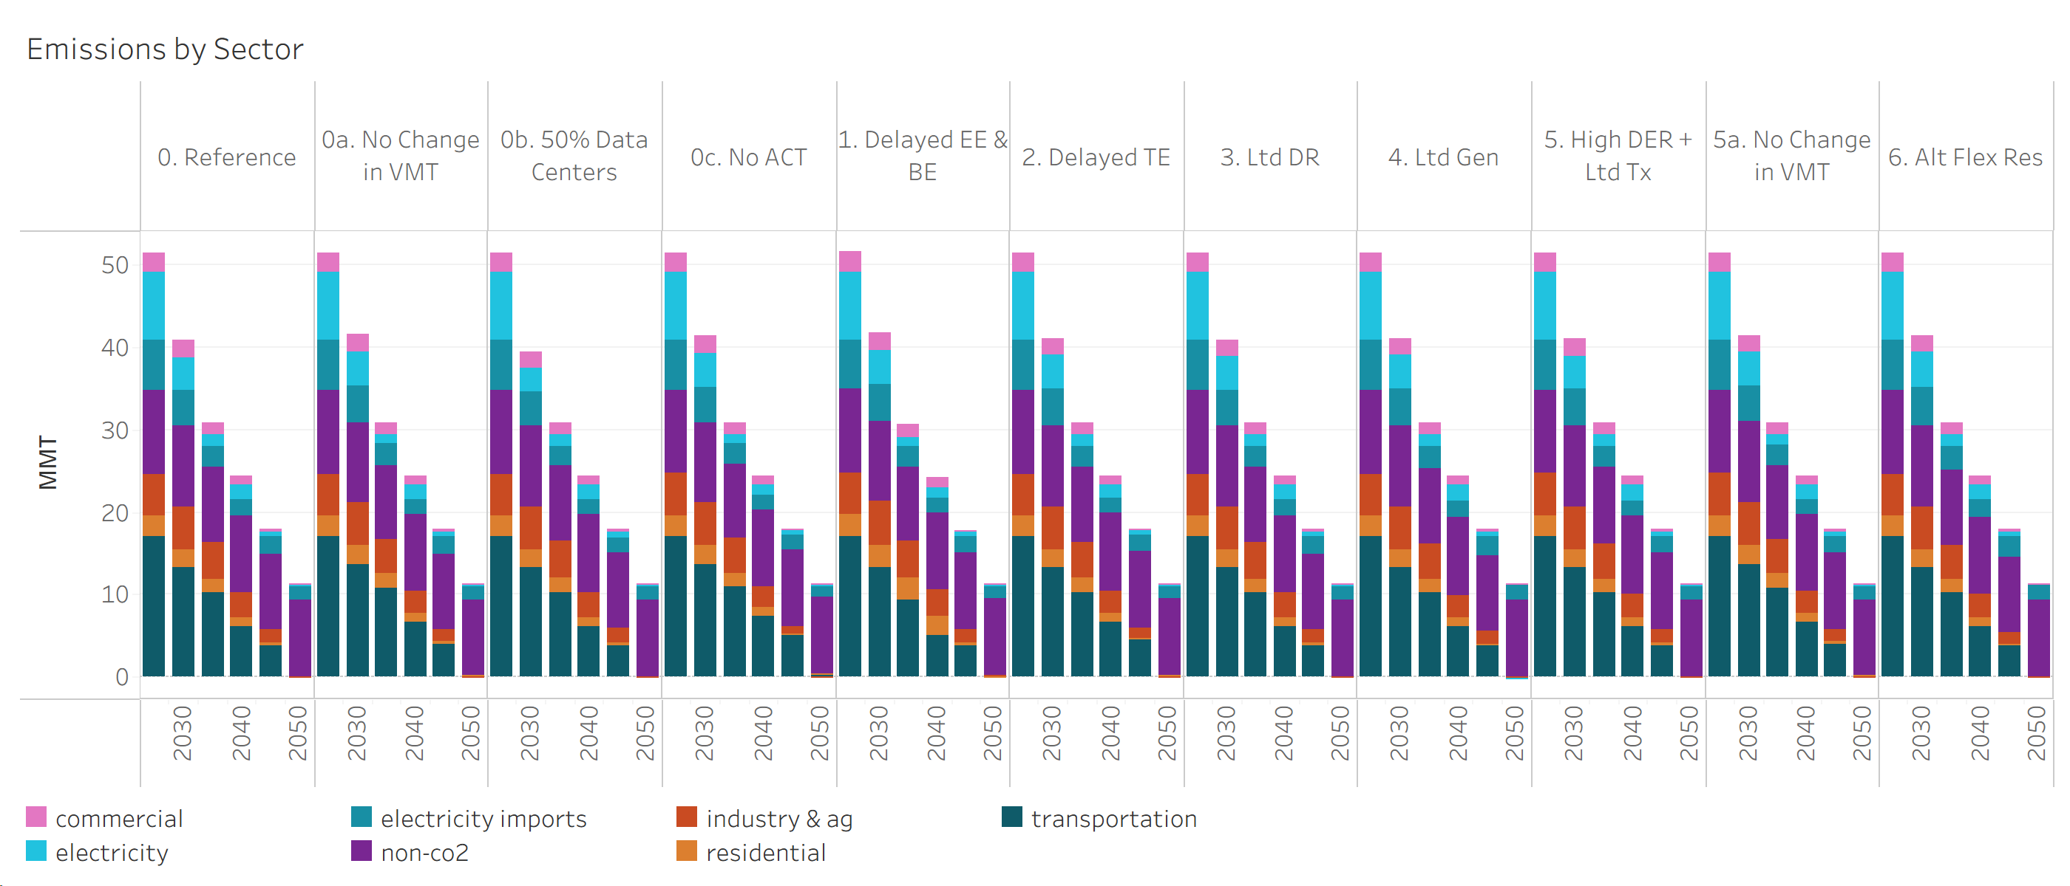
Scenario | Sector (Emissions) | Year | Emissions (MMT)
0. Reference | commercial | 2024 | 2.39
0. Reference | commercial | 2030 | 2.01
0. Reference | commercial | 2035 | 1.49
0. Reference | commercial | 2040 | 0.97
0. Reference | commercial | 2045 | 0.33
0. Reference | commercial | 2050 | 0.02
0a. No Change in VMT | commercial | 2024 | 2.39
0a. No Change in VMT | commercial | 2030 | 2.01
0a. No Change in VMT | commercial | 2035 | 1.49
0a. No Change in VMT | commercial | 2040 | 0.97
0a. No Change in VMT | commercial | 2045 | 0.28
0a. No Change in VMT | commercial | 2050 | 0.02
0b. 50% Data Centers | commercial | 2024 | 2.39
0b. 50% Data Centers | commercial | 2030 | 2.01
0b. 50% Data Centers | commercial | 2035 | 1.49
0b. 50% Data Centers | commercial | 2040 | 0.97
0b. 50% Data Centers | commercial | 2045 | 0.34
0b. 50% Data Centers | commercial | 2050 | 0.02
0c. No ACT | commercial | 2024 | 2.39
0c. No ACT | commercial | 2030 | 2.01
0c. No ACT | commercial | 2035 | 1.48
0c. No ACT | commercial | 2040 | 0.96
0c. No ACT | commercial | 2045 | 0.07
0c. No ACT | commercial | 2050 | 0.02
1. Delayed EE & BE | commercial | 2024 | 2.41
1. Delayed EE & BE | commercial | 2030 | 2.12
1. Delayed EE & BE | commercial | 2035 | 1.68
1. Delayed EE & BE | commercial | 2040 | 1.24
1. Delayed EE & BE | commercial | 2045 | 0.25
1. Delayed EE & BE | commercial | 2050 | 0.02
2. Delayed TE | commercial | 2024 | 2.39
2. Delayed TE | commercial | 2030 | 2.01
2. Delayed TE | commercial | 2035 | 1.49
2. Delayed TE | commercial | 2040 | 0.97
2. Delayed TE | commercial | 2045 | 0.19
2. Delayed TE | commercial | 2050 | 0.02
3. Ltd DR | commercial | 2024 | 2.39
3. Ltd DR | commercial | 2030 | 2.01
3. Ltd DR | commercial | 2035 | 1.49
3. Ltd DR | commercial | 2040 | 0.97
3. Ltd DR | commercial | 2045 | 0.32
3. Ltd DR | commercial | 2050 | 0.02
4. Ltd Gen | commercial | 2024 | 2.39
4. Ltd Gen | commercial | 2030 | 2.01
4. Ltd Gen | commercial | 2035 | 1.49
4. Ltd Gen | commercial | 2040 | 0.97
4. Ltd Gen | commercial | 2045 | 0.28
4. Ltd Gen | commercial | 2050 | 0.01
5. High DER + Ltd Tx | commercial | 2024 | 2.39
5. High DER + Ltd Tx | commercial | 2030 | 2.01
5. High DER + Ltd Tx | commercial | 2035 | 1.49
5. High DER + Ltd Tx | commercial | 2040 | 0.97
5. High DER + Ltd Tx | commercial | 2045 | 0.34
5. High DER + Ltd Tx | commercial | 2050 | 0.02
5a. No Change in VMT | commercial | 2024 | 2.39
5a. No Change in VMT | commercial | 2030 | 2.01
5a. No Change in VMT | commercial | 2035 | 1.49
5a. No Change in VMT | commercial | 2040 | 0.97
5a. No Change in VMT | commercial | 2045 | 0.29
5a. No Change in VMT | commercial | 2050 | 0.02
6. Alt Flex Res | commercial | 2024 | 2.39
6. Alt Flex Res | commercial | 2030 | 2.01
6. Alt Flex Res | commercial | 2035 | 1.49
6. Alt Flex Res | commercial | 2040 | 0.97
6. Alt Flex Res | commercial | 2045 | 0.26
6. Alt Flex Res | commercial | 2050 | 0.01
0. Reference | electricity | 2024 | 8.20
0. Reference | electricity | 2030 | 4.01
0. Reference | electricity | 2035 | 1.36
0. Reference | electricity | 2040 | 1.92
0. Reference | electricity | 2045 | 0.60
0. Reference | electricity | 2050 | 0.33
0a. No Change in VMT | electricity | 2024 | 8.20
0a. No Change in VMT | electricity | 2030 | 4.16
0a. No Change in VMT | electricity | 2035 | 1.13
0a. No Change in VMT | electricity | 2040 | 1.78
0a. No Change in VMT | electricity | 2045 | 0.61
0a. No Change in VMT | electricity | 2050 | 0.34
0b. 50% Data Centers | electricity | 2024 | 8.20
0b. 50% Data Centers | electricity | 2030 | 2.81
0b. 50% Data Centers | electricity | 2035 | 1.38
0b. 50% Data Centers | electricity | 2040 | 1.90
0b. 50% Data Centers | electricity | 2045 | 0.62
0b. 50% Data Centers | electricity | 2050 | 0.34
0c. No ACT | electricity | 2024 | 8.21
0c. No ACT | electricity | 2030 | 4.12
0c. No ACT | electricity | 2035 | 1.07
0c. No ACT | electricity | 2040 | 1.25
0c. No ACT | electricity | 2045 | 0.55
0c. No ACT | electricity | 2050 | 0.29
1. Delayed EE & BE | electricity | 2024 | 8.20
1. Delayed EE & BE | electricity | 2030 | 4.14
1. Delayed EE & BE | electricity | 2035 | 1.07
1. Delayed EE & BE | electricity | 2040 | 1.28
1. Delayed EE & BE | electricity | 2045 | 0.59
1. Delayed EE & BE | electricity | 2050 | 0.29
2. Delayed TE | electricity | 2024 | 8.21
2. Delayed TE | electricity | 2030 | 4.15
2. Delayed TE | electricity | 2035 | 1.42
2. Delayed TE | electricity | 2040 | 1.72
2. Delayed TE | electricity | 2045 | 0.58
2. Delayed TE | electricity | 2050 | 0.32
3. Ltd DR | electricity | 2024 | 8.20
3. Ltd DR | electricity | 2030 | 4.13
3. Ltd DR | electricity | 2035 | 1.39
3. Ltd DR | electricity | 2040 | 1.93
3. Ltd DR | electricity | 2045 | 0.61
3. Ltd DR | electricity | 2050 | 0.33
4. Ltd Gen | electricity | 2024 | 8.20
4. Ltd Gen | electricity | 2030 | 4.09
4. Ltd Gen | electricity | 2035 | 1.41
4. Ltd Gen | electricity | 2040 | 2.06
4. Ltd Gen | electricity | 2045 | 0.63
4. Ltd Gen | electricity | 2050 | 0.00
5. High DER + Ltd Tx | electricity | 2024 | 8.20
5. High DER + Ltd Tx | electricity | 2030 | 4.08
5. High DER + Ltd Tx | electricity | 2035 | 1.44
5. High DER + Ltd Tx | electricity | 2040 | 2.04
5. High DER + Ltd Tx | electricity | 2045 | 0.60
5. High DER + Ltd Tx | electricity | 2050 | 0.34
5a. No Change in VMT | electricity | 2024 | 8.21
5a. No Change in VMT | electricity | 2030 | 4.11
5a. No Change in VMT | electricity | 2035 | 1.16
5a. No Change in VMT | electricity | 2040 | 1.79
5a. No Change in VMT | electricity | 2045 | 0.62
5a. No Change in VMT | electricity | 2050 | 0.34
6. Alt Flex Res | electricity | 2024 | 8.20
6. Alt Flex Res | electricity | 2030 | 4.30
6. Alt Flex Res | electricity | 2035 | 1.45
6. Alt Flex Res | electricity | 2040 | 1.78
6. Alt Flex Res | electricity | 2045 | 0.64
6. Alt Flex Res | electricity | 2050 | 0.23
0. Reference | electricity imports | 2024 | 6.08
0. Reference | electricity imports | 2030 | 4.33
0. Reference | electricity imports | 2035 | 2.53
0. Reference | electricity imports | 2040 | 1.85
0. Reference | electricity imports | 2045 | 2.02
0. Reference | electricity imports | 2050 | 1.63
0a. No Change in VMT | electricity imports | 2024 | 6.07
0a. No Change in VMT | electricity imports | 2030 | 4.43
0a. No Change in VMT | electricity imports | 2035 | 2.53
0a. No Change in VMT | electricity imports | 2040 | 1.83
0a. No Change in VMT | electricity imports | 2045 | 2.05
0a. No Change in VMT | electricity imports | 2050 | 1.61
0b. 50% Data Centers | electricity imports | 2024 | 6.07
0b. 50% Data Centers | electricity imports | 2030 | 4.20
0b. 50% Data Centers | electricity imports | 2035 | 2.32
0b. 50% Data Centers | electricity imports | 2040 | 1.77
0b. 50% Data Centers | electricity imports | 2045 | 1.92
0b. 50% Data Centers | electricity imports | 2050 | 1.63
0c. No ACT | electricity imports | 2024 | 6.06
0c. No ACT | electricity imports | 2030 | 4.36
0c. No ACT | electricity imports | 2035 | 2.44
0c. No ACT | electricity imports | 2040 | 1.79
0c. No ACT | electricity imports | 2045 | 1.95
0c. No ACT | electricity imports | 2050 | 1.39
1. Delayed EE & BE | electricity imports | 2024 | 6.06
1. Delayed EE & BE | electricity imports | 2030 | 4.43
1. Delayed EE & BE | electricity imports | 2035 | 2.50
1. Delayed EE & BE | electricity imports | 2040 | 1.82
1. Delayed EE & BE | electricity imports | 2045 | 2.00
1. Delayed EE & BE | electricity imports | 2050 | 1.48
2. Delayed TE | electricity imports | 2024 | 6.07
2. Delayed TE | electricity imports | 2030 | 4.43
2. Delayed TE | electricity imports | 2035 | 2.50
2. Delayed TE | electricity imports | 2040 | 1.82
2. Delayed TE | electricity imports | 2045 | 1.99
2. Delayed TE | electricity imports | 2050 | 1.51
3. Ltd DR | electricity imports | 2024 | 6.07
3. Ltd DR | electricity imports | 2030 | 4.38
3. Ltd DR | electricity imports | 2035 | 2.50
3. Ltd DR | electricity imports | 2040 | 1.84
3. Ltd DR | electricity imports | 2045 | 2.04
3. Ltd DR | electricity imports | 2050 | 1.64
4. Ltd Gen | electricity imports | 2024 | 6.07
4. Ltd Gen | electricity imports | 2030 | 4.46
4. Ltd Gen | electricity imports | 2035 | 2.63
4. Ltd Gen | electricity imports | 2040 | 2.01
4. Ltd Gen | electricity imports | 2045 | 2.27
4. Ltd Gen | electricity imports | 2050 | 2.06
5. High DER + Ltd Tx | electricity imports | 2024 | 6.07
5. High DER + Ltd Tx | electricity imports | 2030 | 4.43
5. High DER + Ltd Tx | electricity imports | 2035 | 2.52
5. High DER + Ltd Tx | electricity imports | 2040 | 1.81
5. High DER + Ltd Tx | electricity imports | 2045 | 1.97
5. High DER + Ltd Tx | electricity imports | 2050 | 1.63
5a. No Change in VMT | electricity imports | 2024 | 6.07
5a. No Change in VMT | electricity imports | 2030 | 4.43
5a. No Change in VMT | electricity imports | 2035 | 2.52
5a. No Change in VMT | electricity imports | 2040 | 1.82
5a. No Change in VMT | electricity imports | 2045 | 2.01
5a. No Change in VMT | electricity imports | 2050 | 1.61
6. Alt Flex Res | electricity imports | 2024 | 6.11
6. Alt Flex Res | electricity imports | 2030 | 4.67
6. Alt Flex Res | electricity imports | 2035 | 2.84
6. Alt Flex Res | electricity imports | 2040 | 2.16
6. Alt Flex Res | electricity imports | 2045 | 2.36
6. Alt Flex Res | electricity imports | 2050 | 1.79
0. Reference | non-co2 | 2024 | 10.14
0. Reference | non-co2 | 2030 | 9.78
0. Reference | non-co2 | 2035 | 9.20
0. Reference | non-co2 | 2040 | 9.43
0. Reference | non-co2 | 2045 | 9.18
0. Reference | non-co2 | 2050 | 9.25
0a. No Change in VMT | non-co2 | 2024 | 10.14
0a. No Change in VMT | non-co2 | 2030 | 9.78
0a. No Change in VMT | non-co2 | 2035 | 9.05
0a. No Change in VMT | non-co2 | 2040 | 9.43
0a. No Change in VMT | non-co2 | 2045 | 9.18
0a. No Change in VMT | non-co2 | 2050 | 9.25
0b. 50% Data Centers | non-co2 | 2024 | 10.14
0b. 50% Data Centers | non-co2 | 2030 | 9.78
0b. 50% Data Centers | non-co2 | 2035 | 9.20
0b. 50% Data Centers | non-co2 | 2040 | 9.52
0b. 50% Data Centers | non-co2 | 2045 | 9.18
0b. 50% Data Centers | non-co2 | 2050 | 9.25
0c. No ACT | non-co2 | 2024 | 10.14
0c. No ACT | non-co2 | 2030 | 9.78
0c. No ACT | non-co2 | 2035 | 9.05
0c. No ACT | non-co2 | 2040 | 9.34
0c. No ACT | non-co2 | 2045 | 9.18
0c. No ACT | non-co2 | 2050 | 9.25
1. Delayed EE & BE | non-co2 | 2024 | 10.14
1. Delayed EE & BE | non-co2 | 2030 | 9.78
1. Delayed EE & BE | non-co2 | 2035 | 9.05
1. Delayed EE & BE | non-co2 | 2040 | 9.34
1. Delayed EE & BE | non-co2 | 2045 | 9.18
1. Delayed EE & BE | non-co2 | 2050 | 9.25
2. Delayed TE | non-co2 | 2024 | 10.14
2. Delayed TE | non-co2 | 2030 | 9.78
2. Delayed TE | non-co2 | 2035 | 9.20
2. Delayed TE | non-co2 | 2040 | 9.43
2. Delayed TE | non-co2 | 2045 | 9.18
2. Delayed TE | non-co2 | 2050 | 9.25
3. Ltd DR | non-co2 | 2024 | 10.14
3. Ltd DR | non-co2 | 2030 | 9.78
3. Ltd DR | non-co2 | 2035 | 9.20
3. Ltd DR | non-co2 | 2040 | 9.43
3. Ltd DR | non-co2 | 2045 | 9.18
3. Ltd DR | non-co2 | 2050 | 9.25
4. Ltd Gen | non-co2 | 2024 | 10.14
4. Ltd Gen | non-co2 | 2030 | 9.78
4. Ltd Gen | non-co2 | 2035 | 9.20
4. Ltd Gen | non-co2 | 2040 | 9.43
4. Ltd Gen | non-co2 | 2045 | 9.18
4. Ltd Gen | non-co2 | 2050 | 9.21
5. High DER + Ltd Tx | non-co2 | 2024 | 10.14
5. High DER + Ltd Tx | non-co2 | 2030 | 9.78
5. High DER + Ltd Tx | non-co2 | 2035 | 9.20
5. High DER + Ltd Tx | non-co2 | 2040 | 9.43
5. High DER + Ltd Tx | non-co2 | 2045 | 9.18
5. High DER + Ltd Tx | non-co2 | 2050 | 9.25
5a. No Change in VMT | non-co2 | 2024 | 10.14
5a. No Change in VMT | non-co2 | 2030 | 9.78
5a. No Change in VMT | non-co2 | 2035 | 9.05
5a. No Change in VMT | non-co2 | 2040 | 9.43
5a. No Change in VMT | non-co2 | 2045 | 9.18
5a. No Change in VMT | non-co2 | 2050 | 9.25
6. Alt Flex Res | non-co2 | 2024 | 10.14
6. Alt Flex Res | non-co2 | 2030 | 9.78
6. Alt Flex Res | non-co2 | 2035 | 9.05
6. Alt Flex Res | non-co2 | 2040 | 9.43
6. Alt Flex Res | non-co2 | 2045 | 9.18
6. Alt Flex Res | non-co2 | 2050 | 9.25
0. Reference | industry & ag | 2024 | 5.04
0. Reference | industry & ag | 2030 | 5.21
0. Reference | industry & ag | 2035 | 4.36
0. Reference | industry & ag | 2040 | 2.93
0. Reference | industry & ag | 2045 | 1.70
0. Reference | industry & ag | 2050 | -0.04
0a. No Change in VMT | industry & ag | 2024 | 5.04
0a. No Change in VMT | industry & ag | 2030 | 5.21
0a. No Change in VMT | industry & ag | 2035 | 4.16
0a. No Change in VMT | industry & ag | 2040 | 2.64
0a. No Change in VMT | industry & ag | 2045 | 1.54
0a. No Change in VMT | industry & ag | 2050 | -0.04
0b. 50% Data Centers | industry & ag | 2024 | 5.04
0b. 50% Data Centers | industry & ag | 2030 | 5.21
0b. 50% Data Centers | industry & ag | 2035 | 4.53
0b. 50% Data Centers | industry & ag | 2040 | 2.93
0b. 50% Data Centers | industry & ag | 2045 | 1.74
0b. 50% Data Centers | industry & ag | 2050 | -0.03
0c. No ACT | industry & ag | 2024 | 5.04
0c. No ACT | industry & ag | 2030 | 5.19
0c. No ACT | industry & ag | 2035 | 4.18
0c. No ACT | industry & ag | 2040 | 2.55
0c. No ACT | industry & ag | 2045 | 0.93
0c. No ACT | industry & ag | 2050 | -0.04
1. Delayed EE & BE | industry & ag | 2024 | 5.04
1. Delayed EE & BE | industry & ag | 2030 | 5.31
1. Delayed EE & BE | industry & ag | 2035 | 4.44
1. Delayed EE & BE | industry & ag | 2040 | 3.20
1. Delayed EE & BE | industry & ag | 2045 | 1.73
1. Delayed EE & BE | industry & ag | 2050 | 0.10
2. Delayed TE | industry & ag | 2024 | 5.04
2. Delayed TE | industry & ag | 2030 | 5.21
2. Delayed TE | industry & ag | 2035 | 4.23
2. Delayed TE | industry & ag | 2040 | 2.62
2. Delayed TE | industry & ag | 2045 | 1.27
2. Delayed TE | industry & ag | 2050 | -0.04
3. Ltd DR | industry & ag | 2024 | 5.04
3. Ltd DR | industry & ag | 2030 | 5.20
3. Ltd DR | industry & ag | 2035 | 4.37
3. Ltd DR | industry & ag | 2040 | 2.92
3. Ltd DR | industry & ag | 2045 | 1.68
3. Ltd DR | industry & ag | 2050 | -0.04
4. Ltd Gen | industry & ag | 2024 | 5.03
4. Ltd Gen | industry & ag | 2030 | 5.20
4. Ltd Gen | industry & ag | 2035 | 4.24
4. Ltd Gen | industry & ag | 2040 | 2.63
4. Ltd Gen | industry & ag | 2045 | 1.54
4. Ltd Gen | industry & ag | 2050 | -0.07
5. High DER + Ltd Tx | industry & ag | 2024 | 5.11
5. High DER + Ltd Tx | industry & ag | 2030 | 5.21
5. High DER + Ltd Tx | industry & ag | 2035 | 4.31
5. High DER + Ltd Tx | industry & ag | 2040 | 2.85
5. High DER + Ltd Tx | industry & ag | 2045 | 1.72
5. High DER + Ltd Tx | industry & ag | 2050 | -0.04
5a. No Change in VMT | industry & ag | 2024 | 5.11
5a. No Change in VMT | industry & ag | 2030 | 5.22
5a. No Change in VMT | industry & ag | 2035 | 4.16
5a. No Change in VMT | industry & ag | 2040 | 2.64
5a. No Change in VMT | industry & ag | 2045 | 1.56
5a. No Change in VMT | industry & ag | 2050 | -0.04
6. Alt Flex Res | industry & ag | 2024 | 5.04
6. Alt Flex Res | industry & ag | 2030 | 5.20
6. Alt Flex Res | industry & ag | 2035 | 4.16
6. Alt Flex Res | industry & ag | 2040 | 2.71
6. Alt Flex Res | industry & ag | 2045 | 1.46
6. Alt Flex Res | industry & ag | 2050 | -0.07
0. Reference | residential | 2024 | 2.62
0. Reference | residential | 2030 | 2.27
0. Reference | residential | 2035 | 1.74
0. Reference | residential | 2040 | 1.15
0. Reference | residential | 2045 | 0.37
0. Reference | residential | 2050 | 0.00
0a. No Change in VMT | residential | 2024 | 2.62
0a. No Change in VMT | residential | 2030 | 2.27
0a. No Change in VMT | residential | 2035 | 1.72
0a. No Change in VMT | residential | 2040 | 1.14
0a. No Change in VMT | residential | 2045 | 0.30
0a. No Change in VMT | residential | 2050 | 0.00
0b. 50% Data Centers | residential | 2024 | 2.62
0b. 50% Data Centers | residential | 2030 | 2.27
0b. 50% Data Centers | residential | 2035 | 1.77
0b. 50% Data Centers | residential | 2040 | 1.16
0b. 50% Data Centers | residential | 2045 | 0.39
0b. 50% Data Centers | residential | 2050 | 0.00
0c. No ACT | residential | 2024 | 2.62
0c. No ACT | residential | 2030 | 2.27
0c. No ACT | residential | 2035 | 1.72
0c. No ACT | residential | 2040 | 1.14
0c. No ACT | residential | 2045 | 0.03
0c. No ACT | residential | 2050 | 0.00
1. Delayed EE & BE | residential | 2024 | 2.73
1. Delayed EE & BE | residential | 2030 | 2.79
1. Delayed EE & BE | residential | 2035 | 2.73
1. Delayed EE & BE | residential | 2040 | 2.25
1. Delayed EE & BE | residential | 2045 | 0.37
1. Delayed EE & BE | residential | 2050 | 0.00
2. Delayed TE | residential | 2024 | 2.62
2. Delayed TE | residential | 2030 | 2.27
2. Delayed TE | residential | 2035 | 1.72
2. Delayed TE | residential | 2040 | 1.14
2. Delayed TE | residential | 2045 | 0.18
2. Delayed TE | residential | 2050 | 0.00
3. Ltd DR | residential | 2024 | 2.62
3. Ltd DR | residential | 2030 | 2.27
3. Ltd DR | residential | 2035 | 1.74
3. Ltd DR | residential | 2040 | 1.15
3. Ltd DR | residential | 2045 | 0.36
3. Ltd DR | residential | 2050 | 0.00
4. Ltd Gen | residential | 2024 | 2.62
4. Ltd Gen | residential | 2030 | 2.27
4. Ltd Gen | residential | 2035 | 1.72
4. Ltd Gen | residential | 2040 | 1.14
4. Ltd Gen | residential | 2045 | 0.30
4. Ltd Gen | residential | 2050 | 0.00
5. High DER + Ltd Tx | residential | 2024 | 2.62
5. High DER + Ltd Tx | residential | 2030 | 2.27
5. High DER + Ltd Tx | residential | 2035 | 1.74
5. High DER + Ltd Tx | residential | 2040 | 1.15
5. High DER + Ltd Tx | residential | 2045 | 0.38
5. High DER + Ltd Tx | residential | 2050 | 0.00
5a. No Change in VMT | residential | 2024 | 2.62
5a. No Change in VMT | residential | 2030 | 2.27
5a. No Change in VMT | residential | 2035 | 1.72
5a. No Change in VMT | residential | 2040 | 1.14
5a. No Change in VMT | residential | 2045 | 0.31
5a. No Change in VMT | residential | 2050 | 0.00
6. Alt Flex Res | residential | 2024 | 2.62
6. Alt Flex Res | residential | 2030 | 2.27
6. Alt Flex Res | residential | 2035 | 1.72
6. Alt Flex Res | residential | 2040 | 1.14
6. Alt Flex Res | residential | 2045 | 0.28
6. Alt Flex Res | residential | 2050 | 0.00
0. Reference | transportation | 2024 | 17.00
0. Reference | transportation | 2030 | 13.22
0. Reference | transportation | 2035 | 10.19
0. Reference | transportation | 2040 | 6.13
0. Reference | transportation | 2045 | 3.74
0. Reference | transportation | 2050 | 0.12
0a. No Change in VMT | transportation | 2024 | 17.00
0a. No Change in VMT | transportation | 2030 | 13.70
0a. No Change in VMT | transportation | 2035 | 10.82
0a. No Change in VMT | transportation | 2040 | 6.59
0a. No Change in VMT | transportation | 2045 | 3.97
0a. No Change in VMT | transportation | 2050 | 0.14
0b. 50% Data Centers | transportation | 2024 | 17.00
0b. 50% Data Centers | transportation | 2030 | 13.22
0b. 50% Data Centers | transportation | 2035 | 10.20
0b. 50% Data Centers | transportation | 2040 | 6.13
0b. 50% Data Centers | transportation | 2045 | 3.74
0b. 50% Data Centers | transportation | 2050 | 0.12
0c. No ACT | transportation | 2024 | 17.04
0c. No ACT | transportation | 2030 | 13.64
0c. No ACT | transportation | 2035 | 10.94
0c. No ACT | transportation | 2040 | 7.34
0c. No ACT | transportation | 2045 | 5.23
0c. No ACT | transportation | 2050 | 0.40
1. Delayed EE & BE | transportation | 2024 | 17.00
1. Delayed EE & BE | transportation | 2030 | 13.22
1. Delayed EE & BE | transportation | 2035 | 9.27
1. Delayed EE & BE | transportation | 2040 | 5.08
1. Delayed EE & BE | transportation | 2045 | 3.73
1. Delayed EE & BE | transportation | 2050 | 0.12
2. Delayed TE | transportation | 2024 | 17.00
2. Delayed TE | transportation | 2030 | 13.25
2. Delayed TE | transportation | 2035 | 10.32
2. Delayed TE | transportation | 2040 | 6.68
2. Delayed TE | transportation | 2045 | 4.56
2. Delayed TE | transportation | 2050 | 0.25
3. Ltd DR | transportation | 2024 | 17.00
3. Ltd DR | transportation | 2030 | 13.22
3. Ltd DR | transportation | 2035 | 10.20
3. Ltd DR | transportation | 2040 | 6.13
3. Ltd DR | transportation | 2045 | 3.74
3. Ltd DR | transportation | 2050 | 0.12
4. Ltd Gen | transportation | 2024 | 17.00
4. Ltd Gen | transportation | 2030 | 13.22
4. Ltd Gen | transportation | 2035 | 10.19
4. Ltd Gen | transportation | 2040 | 6.13
4. Ltd Gen | transportation | 2045 | 3.74
4. Ltd Gen | transportation | 2050 | 0.12
5. High DER + Ltd Tx | transportation | 2024 | 17.00
5. High DER + Ltd Tx | transportation | 2030 | 13.22
5. High DER + Ltd Tx | transportation | 2035 | 10.20
5. High DER + Ltd Tx | transportation | 2040 | 6.13
5. High DER + Ltd Tx | transportation | 2045 | 3.74
5. High DER + Ltd Tx | transportation | 2050 | 0.12
5a. No Change in VMT | transportation | 2024 | 17.00
5a. No Change in VMT | transportation | 2030 | 13.70
5a. No Change in VMT | transportation | 2035 | 10.80
5a. No Change in VMT | transportation | 2040 | 6.59
5a. No Change in VMT | transportation | 2045 | 3.96
5a. No Change in VMT | transportation | 2050 | 0.14
6. Alt Flex Res | transportation | 2024 | 17.00
6. Alt Flex Res | transportation | 2030 | 13.22
6. Alt Flex Res | transportation | 2035 | 10.19
6. Alt Flex Res | transportation | 2040 | 6.13
6. Alt Flex Res | transportation | 2045 | 3.73
6. Alt Flex Res | transportation | 2050 | 0.12

3. Energy Demand by Fuel
Energy Demand by Fuel in Oregon

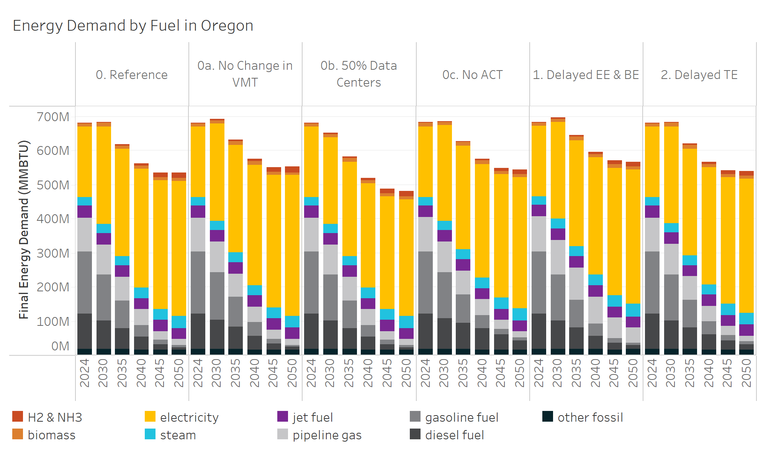
Final Energy Type | Scenario | Year | Energy (MMBTU)
H2 & NH3 | 0. Reference | 2024 | 2137157
H2 & NH3 | 0. Reference | 2030 | 3011388
H2 & NH3 | 0. Reference | 2035 | 4438486
H2 & NH3 | 0. Reference | 2040 | 7661318
H2 & NH3 | 0. Reference | 2045 | 12831213
H2 & NH3 | 0. Reference | 2050 | 15059171
H2 & NH3 | 0a. No Change in VMT | 2024 | 2137157
H2 & NH3 | 0a. No Change in VMT | 2030 | 3040610
H2 & NH3 | 0a. No Change in VMT | 2035 | 4582849
H2 & NH3 | 0a. No Change in VMT | 2040 | 8110562
H2 & NH3 | 0a. No Change in VMT | 2045 | 13757284
H2 & NH3 | 0a. No Change in VMT | 2050 | 16452305
H2 & NH3 | 0b. 50% Data Centers | 2024 | 2137157
H2 & NH3 | 0b. 50% Data Centers | 2030 | 3011388
H2 & NH3 | 0b. 50% Data Centers | 2035 | 4438486
H2 & NH3 | 0b. 50% Data Centers | 2040 | 7661318
H2 & NH3 | 0b. 50% Data Centers | 2045 | 12831213
H2 & NH3 | 0b. 50% Data Centers | 2050 | 15059171
H2 & NH3 | 0c. No ACT | 2024 | 2091843
H2 & NH3 | 0c. No ACT | 2030 | 2380978
H2 & NH3 | 0c. No ACT | 2035 | 2913905
H2 & NH3 | 0c. No ACT | 2040 | 5004426
H2 & NH3 | 0c. No ACT | 2045 | 9537687
H2 & NH3 | 0c. No ACT | 2050 | 12558182
H2 & NH3 | 1. Delayed EE & BE | 2024 | 2137157
H2 & NH3 | 1. Delayed EE & BE | 2030 | 3011388
H2 & NH3 | 1. Delayed EE & BE | 2035 | 4334716
H2 & NH3 | 1. Delayed EE & BE | 2040 | 7094608
H2 & NH3 | 1. Delayed EE & BE | 2045 | 11033454
H2 & NH3 | 1. Delayed EE & BE | 2050 | 12621900
H2 & NH3 | 2. Delayed TE | 2024 | 2137065
H2 & NH3 | 2. Delayed TE | 2030 | 2990068
H2 & NH3 | 2. Delayed TE | 2035 | 4361570
H2 & NH3 | 2. Delayed TE | 2040 | 6883786
H2 & NH3 | 2. Delayed TE | 2045 | 11526867
H2 & NH3 | 2. Delayed TE | 2050 | 14050074
biomass | 0. Reference | 2024 | 10071695
biomass | 0. Reference | 2030 | 9995105
biomass | 0. Reference | 2035 | 9756304
biomass | 0. Reference | 2040 | 9401872
biomass | 0. Reference | 2045 | 8950260
biomass | 0. Reference | 2050 | 8524794
biomass | 0a. No Change in VMT | 2024 | 10071695
biomass | 0a. No Change in VMT | 2030 | 9995105
biomass | 0a. No Change in VMT | 2035 | 9756304
biomass | 0a. No Change in VMT | 2040 | 9401872
biomass | 0a. No Change in VMT | 2045 | 8950260
biomass | 0a. No Change in VMT | 2050 | 8524794
biomass | 0b. 50% Data Centers | 2024 | 10071695
biomass | 0b. 50% Data Centers | 2030 | 9995105
biomass | 0b. 50% Data Centers | 2035 | 9756304
biomass | 0b. 50% Data Centers | 2040 | 9401872
biomass | 0b. 50% Data Centers | 2045 | 8950260
biomass | 0b. 50% Data Centers | 2050 | 8524794
biomass | 0c. No ACT | 2024 | 10071695
biomass | 0c. No ACT | 2030 | 9995105
biomass | 0c. No ACT | 2035 | 9756304
biomass | 0c. No ACT | 2040 | 9401872
biomass | 0c. No ACT | 2045 | 8950260
biomass | 0c. No ACT | 2050 | 8524794
biomass | 1. Delayed EE & BE | 2024 | 10071695
biomass | 1. Delayed EE & BE | 2030 | 10142771
biomass | 1. Delayed EE & BE | 2035 | 10150094
biomass | 1. Delayed EE & BE | 2040 | 10030982
biomass | 1. Delayed EE & BE | 2045 | 9730431
biomass | 1. Delayed EE & BE | 2050 | 9323406
biomass | 2. Delayed TE | 2024 | 10071695
biomass | 2. Delayed TE | 2030 | 9995105
biomass | 2. Delayed TE | 2035 | 9756304
biomass | 2. Delayed TE | 2040 | 9401872
biomass | 2. Delayed TE | 2045 | 8950260
biomass | 2. Delayed TE | 2050 | 8524794
electricity | 0. Reference | 2024 | 207508411
electricity | 0. Reference | 2030 | 285289707
electricity | 0. Reference | 2035 | 313567927
electricity | 0. Reference | 2040 | 347557200
electricity | 0. Reference | 2045 | 377870857
electricity | 0. Reference | 2050 | 397470184
electricity | 0a. No Change in VMT | 2024 | 207508411
electricity | 0a. No Change in VMT | 2030 | 285784896
electricity | 0a. No Change in VMT | 2035 | 315797369
electricity | 0a. No Change in VMT | 2040 | 353271385
electricity | 0a. No Change in VMT | 2045 | 388081196
electricity | 0a. No Change in VMT | 2050 | 411962784
electricity | 0b. 50% Data Centers | 2024 | 207508411
electricity | 0b. 50% Data Centers | 2030 | 252931953
electricity | 0b. 50% Data Centers | 2035 | 276351851
electricity | 0b. 50% Data Centers | 2040 | 305225356
electricity | 0b. 50% Data Centers | 2045 | 329905856
electricity | 0b. 50% Data Centers | 2050 | 343308004
electricity | 0c. No ACT | 2024 | 207149039
electricity | 0c. No ACT | 2030 | 281804390
electricity | 0c. No ACT | 2035 | 304775063
electricity | 0c. No ACT | 2040 | 333301470
electricity | 0c. No ACT | 2045 | 361949469
electricity | 0c. No ACT | 2050 | 386312044
electricity | 1. Delayed EE & BE | 2024 | 207032951
electricity | 1. Delayed EE & BE | 2030 | 283670869
electricity | 1. Delayed EE & BE | 2035 | 310489601
electricity | 1. Delayed EE & BE | 2040 | 343325324
electricity | 1. Delayed EE & BE | 2045 | 373369657
electricity | 1. Delayed EE & BE | 2050 | 393831139
electricity | 2. Delayed TE | 2024 | 207507227
electricity | 2. Delayed TE | 2030 | 284992128
electricity | 2. Delayed TE | 2035 | 312447679
electricity | 2. Delayed TE | 2040 | 342879270
electricity | 2. Delayed TE | 2045 | 370961219
electricity | 2. Delayed TE | 2050 | 392411033
steam | 0. Reference | 2024 | 25077705
steam | 0. Reference | 2030 | 27221696
steam | 0. Reference | 2035 | 29038196
steam | 0. Reference | 2040 | 30736188
steam | 0. Reference | 2045 | 32702348
steam | 0. Reference | 2050 | 34989443
steam | 0a. No Change in VMT | 2024 | 25077705
steam | 0a. No Change in VMT | 2030 | 27221696
steam | 0a. No Change in VMT | 2035 | 29038196
steam | 0a. No Change in VMT | 2040 | 30736188
steam | 0a. No Change in VMT | 2045 | 32702348
steam | 0a. No Change in VMT | 2050 | 34989443
steam | 0b. 50% Data Centers | 2024 | 25077705
steam | 0b. 50% Data Centers | 2030 | 27221696
steam | 0b. 50% Data Centers | 2035 | 29038196
steam | 0b. 50% Data Centers | 2040 | 30736188
steam | 0b. 50% Data Centers | 2045 | 32702348
steam | 0b. 50% Data Centers | 2050 | 34989443
steam | 0c. No ACT | 2024 | 25077705
steam | 0c. No ACT | 2030 | 27221696
steam | 0c. No ACT | 2035 | 29038196
steam | 0c. No ACT | 2040 | 30736188
steam | 0c. No ACT | 2045 | 32702348
steam | 0c. No ACT | 2050 | 34989443
steam | 1. Delayed EE & BE | 2024 | 25077705
steam | 1. Delayed EE & BE | 2030 | 27546849
steam | 1. Delayed EE & BE | 2035 | 29728598
steam | 1. Delayed EE & BE | 2040 | 31812123
steam | 1. Delayed EE & BE | 2045 | 34199061
steam | 1. Delayed EE & BE | 2050 | 36925023
steam | 2. Delayed TE | 2024 | 25077705
steam | 2. Delayed TE | 2030 | 27221696
steam | 2. Delayed TE | 2035 | 29038196
steam | 2. Delayed TE | 2040 | 30736188
steam | 2. Delayed TE | 2045 | 32702348
steam | 2. Delayed TE | 2050 | 34989443
jet fuel | 0. Reference | 2024 | 34021433
jet fuel | 0. Reference | 2030 | 33676757
jet fuel | 0. Reference | 2035 | 32820474
jet fuel | 0. Reference | 2040 | 32848593
jet fuel | 0. Reference | 2045 | 32937796
jet fuel | 0. Reference | 2050 | 32762612
jet fuel | 0a. No Change in VMT | 2024 | 34021433
jet fuel | 0a. No Change in VMT | 2030 | 33676757
jet fuel | 0a. No Change in VMT | 2035 | 32820474
jet fuel | 0a. No Change in VMT | 2040 | 32848593
jet fuel | 0a. No Change in VMT | 2045 | 32937796
jet fuel | 0a. No Change in VMT | 2050 | 32762612
jet fuel | 0b. 50% Data Centers | 2024 | 34021433
jet fuel | 0b. 50% Data Centers | 2030 | 33676757
jet fuel | 0b. 50% Data Centers | 2035 | 32820474
jet fuel | 0b. 50% Data Centers | 2040 | 32848593
jet fuel | 0b. 50% Data Centers | 2045 | 32937796
jet fuel | 0b. 50% Data Centers | 2050 | 32762612
jet fuel | 0c. No ACT | 2024 | 34021433
jet fuel | 0c. No ACT | 2030 | 33676757
jet fuel | 0c. No ACT | 2035 | 32820474
jet fuel | 0c. No ACT | 2040 | 32848593
jet fuel | 0c. No ACT | 2045 | 32937796
jet fuel | 0c. No ACT | 2050 | 32762612
jet fuel | 1. Delayed EE & BE | 2024 | 34021433
jet fuel | 1. Delayed EE & BE | 2030 | 33676757
jet fuel | 1. Delayed EE & BE | 2035 | 32820474
jet fuel | 1. Delayed EE & BE | 2040 | 32848593
jet fuel | 1. Delayed EE & BE | 2045 | 32937796
jet fuel | 1. Delayed EE & BE | 2050 | 32762612
jet fuel | 2. Delayed TE | 2024 | 34021433
jet fuel | 2. Delayed TE | 2030 | 33676757
jet fuel | 2. Delayed TE | 2035 | 32820474
jet fuel | 2. Delayed TE | 2040 | 32848593
jet fuel | 2. Delayed TE | 2045 | 32937796
jet fuel | 2. Delayed TE | 2050 | 32762612
pipeline gas | 0. Reference | 2024 | 100435361
pipeline gas | 0. Reference | 2030 | 88825450
pipeline gas | 0. Reference | 2035 | 69421236
pipeline gas | 0. Reference | 2040 | 45642762
pipeline gas | 0. Reference | 2045 | 26236807
pipeline gas | 0. Reference | 2050 | 17542205
pipeline gas | 0a. No Change in VMT | 2024 | 100435361
pipeline gas | 0a. No Change in VMT | 2030 | 88837258
pipeline gas | 0a. No Change in VMT | 2035 | 69440104
pipeline gas | 0a. No Change in VMT | 2040 | 45660447
pipeline gas | 0a. No Change in VMT | 2045 | 26246587
pipeline gas | 0a. No Change in VMT | 2050 | 17545826
pipeline gas | 0b. 50% Data Centers | 2024 | 100435361
pipeline gas | 0b. 50% Data Centers | 2030 | 88825450
pipeline gas | 0b. 50% Data Centers | 2035 | 69421236
pipeline gas | 0b. 50% Data Centers | 2040 | 45642762
pipeline gas | 0b. 50% Data Centers | 2045 | 26236807
pipeline gas | 0b. 50% Data Centers | 2050 | 17542205
pipeline gas | 0c. No ACT | 2024 | 100439811
pipeline gas | 0c. No ACT | 2030 | 88912119
pipeline gas | 0c. No ACT | 2035 | 69690984
pipeline gas | 0c. No ACT | 2040 | 46029273
pipeline gas | 0c. No ACT | 2045 | 26581962
pipeline gas | 0c. No ACT | 2050 | 17739741
pipeline gas | 1. Delayed EE & BE | 2024 | 102820759
pipeline gas | 1. Delayed EE & BE | 2030 | 101623978
pipeline gas | 1. Delayed EE & BE | 2035 | 95363433
pipeline gas | 1. Delayed EE & BE | 2040 | 78672712
pipeline gas | 1. Delayed EE & BE | 2045 | 59090357
pipeline gas | 1. Delayed EE & BE | 2050 | 44637985
pipeline gas | 2. Delayed TE | 2024 | 100435558
pipeline gas | 2. Delayed TE | 2030 | 88873169
pipeline gas | 2. Delayed TE | 2035 | 69594366
pipeline gas | 2. Delayed TE | 2040 | 45901364
pipeline gas | 2. Delayed TE | 2045 | 26462339
pipeline gas | 2. Delayed TE | 2050 | 17657640
gasoline fuel | 0. Reference | 2024 | 181426006
gasoline fuel | 0. Reference | 2030 | 134731906
gasoline fuel | 0. Reference | 2035 | 80994273
gasoline fuel | 0. Reference | 2040 | 35080531
gasoline fuel | 0. Reference | 2045 | 12268568
gasoline fuel | 0. Reference | 2050 | 5384400
gasoline fuel | 0a. No Change in VMT | 2024 | 181426006
gasoline fuel | 0a. No Change in VMT | 2030 | 139910345
gasoline fuel | 0a. No Change in VMT | 2035 | 87351340
gasoline fuel | 0a. No Change in VMT | 2040 | 39170677
gasoline fuel | 0a. No Change in VMT | 2045 | 14135419
gasoline fuel | 0a. No Change in VMT | 2050 | 6320784
gasoline fuel | 0b. 50% Data Centers | 2024 | 181426006
gasoline fuel | 0b. 50% Data Centers | 2030 | 134731906
gasoline fuel | 0b. 50% Data Centers | 2035 | 80994273
gasoline fuel | 0b. 50% Data Centers | 2040 | 35080531
gasoline fuel | 0b. 50% Data Centers | 2045 | 12268568
gasoline fuel | 0b. 50% Data Centers | 2050 | 5384400
gasoline fuel | 0c. No ACT | 2024 | 181582759
gasoline fuel | 0c. No ACT | 2030 | 135901228
gasoline fuel | 0c. No ACT | 2035 | 84044520
gasoline fuel | 0c. No ACT | 2040 | 39503610
gasoline fuel | 0c. No ACT | 2045 | 16355469
gasoline fuel | 0c. No ACT | 2050 | 7973218
gasoline fuel | 1. Delayed EE & BE | 2024 | 181426006
gasoline fuel | 1. Delayed EE & BE | 2030 | 134847258
gasoline fuel | 1. Delayed EE & BE | 2035 | 81427853
gasoline fuel | 1. Delayed EE & BE | 2040 | 35892615
gasoline fuel | 1. Delayed EE & BE | 2045 | 13461319
gasoline fuel | 1. Delayed EE & BE | 2050 | 6794175
gasoline fuel | 2. Delayed TE | 2024 | 181426433
gasoline fuel | 2. Delayed TE | 2030 | 134834802
gasoline fuel | 2. Delayed TE | 2035 | 81415076
gasoline fuel | 2. Delayed TE | 2040 | 37121486
gasoline fuel | 2. Delayed TE | 2045 | 15557745
gasoline fuel | 2. Delayed TE | 2050 | 8234174
diesel fuel | 0. Reference | 2024 | 103216058
diesel fuel | 0. Reference | 2030 | 82619017
diesel fuel | 0. Reference | 2035 | 61182332
diesel fuel | 0. Reference | 2040 | 37110895
diesel fuel | 0. Reference | 2045 | 16264301
diesel fuel | 0. Reference | 2050 | 7277794
diesel fuel | 0a. No Change in VMT | 2024 | 103216058
diesel fuel | 0a. No Change in VMT | 2030 | 85117197
diesel fuel | 0a. No Change in VMT | 2035 | 64943347
diesel fuel | 0a. No Change in VMT | 2040 | 40502657
diesel fuel | 0a. No Change in VMT | 2045 | 18137757
diesel fuel | 0a. No Change in VMT | 2050 | 7970019
diesel fuel | 0b. 50% Data Centers | 2024 | 103216058
diesel fuel | 0b. 50% Data Centers | 2030 | 82619017
diesel fuel | 0b. 50% Data Centers | 2035 | 61182332
diesel fuel | 0b. 50% Data Centers | 2040 | 37110895
diesel fuel | 0b. 50% Data Centers | 2045 | 16264301
diesel fuel | 0b. 50% Data Centers | 2050 | 7277794
diesel fuel | 0c. No ACT | 2024 | 103825966
diesel fuel | 0c. No ACT | 2030 | 88699189
diesel fuel | 0c. No ACT | 2035 | 76382775
diesel fuel | 0c. No ACT | 2040 | 61824040
diesel fuel | 0c. No ACT | 2045 | 44183806
diesel fuel | 0c. No ACT | 2050 | 27108856
diesel fuel | 1. Delayed EE & BE | 2024 | 103216073
diesel fuel | 1. Delayed EE & BE | 2030 | 83059411
diesel fuel | 1. Delayed EE & BE | 2035 | 62615952
diesel fuel | 1. Delayed EE & BE | 2040 | 39609774
diesel fuel | 1. Delayed EE & BE | 2045 | 19788318
diesel fuel | 1. Delayed EE & BE | 2050 | 11426111
diesel fuel | 2. Delayed TE | 2024 | 103217772
diesel fuel | 2. Delayed TE | 2030 | 83034329
diesel fuel | 2. Delayed TE | 2035 | 62720957
diesel fuel | 2. Delayed TE | 2040 | 44279786
diesel fuel | 2. Delayed TE | 2045 | 27116428
diesel fuel | 2. Delayed TE | 2050 | 15184541
other fossil | 0. Reference | 2024 | 18466637
other fossil | 0. Reference | 2030 | 18364003
other fossil | 0. Reference | 2035 | 17609816
other fossil | 0. Reference | 2040 | 16511048
other fossil | 0. Reference | 2045 | 15487054
other fossil | 0. Reference | 2050 | 15961829
other fossil | 0a. No Change in VMT | 2024 | 18466637
other fossil | 0a. No Change in VMT | 2030 | 18364003
other fossil | 0a. No Change in VMT | 2035 | 17609816
other fossil | 0a. No Change in VMT | 2040 | 16511048
other fossil | 0a. No Change in VMT | 2045 | 15487054
other fossil | 0a. No Change in VMT | 2050 | 15961829
other fossil | 0b. 50% Data Centers | 2024 | 18466637
other fossil | 0b. 50% Data Centers | 2030 | 18364003
other fossil | 0b. 50% Data Centers | 2035 | 17609816
other fossil | 0b. 50% Data Centers | 2040 | 16511048
other fossil | 0b. 50% Data Centers | 2045 | 15487054
other fossil | 0b. 50% Data Centers | 2050 | 15961829
other fossil | 0c. No ACT | 2024 | 18466637
other fossil | 0c. No ACT | 2030 | 18364003
other fossil | 0c. No ACT | 2035 | 17609816
other fossil | 0c. No ACT | 2040 | 16511048
other fossil | 0c. No ACT | 2045 | 15487054
other fossil | 0c. No ACT | 2050 | 15961829
other fossil | 1. Delayed EE & BE | 2024 | 18466637
other fossil | 1. Delayed EE & BE | 2030 | 18507147
other fossil | 1. Delayed EE & BE | 2035 | 18066099
other fossil | 1. Delayed EE & BE | 2040 | 17476980
other fossil | 1. Delayed EE & BE | 2045 | 16822709
other fossil | 1. Delayed EE & BE | 2050 | 17413211
other fossil | 2. Delayed TE | 2024 | 18466637
other fossil | 2. Delayed TE | 2030 | 18364003
other fossil | 2. Delayed TE | 2035 | 17609816
other fossil | 2. Delayed TE | 2040 | 16511048
other fossil | 2. Delayed TE | 2045 | 15487054
other fossil | 2. Delayed TE | 2050 | 15961829

4. Energy Demand by Sector
Energy Demand by Sector in Oregon

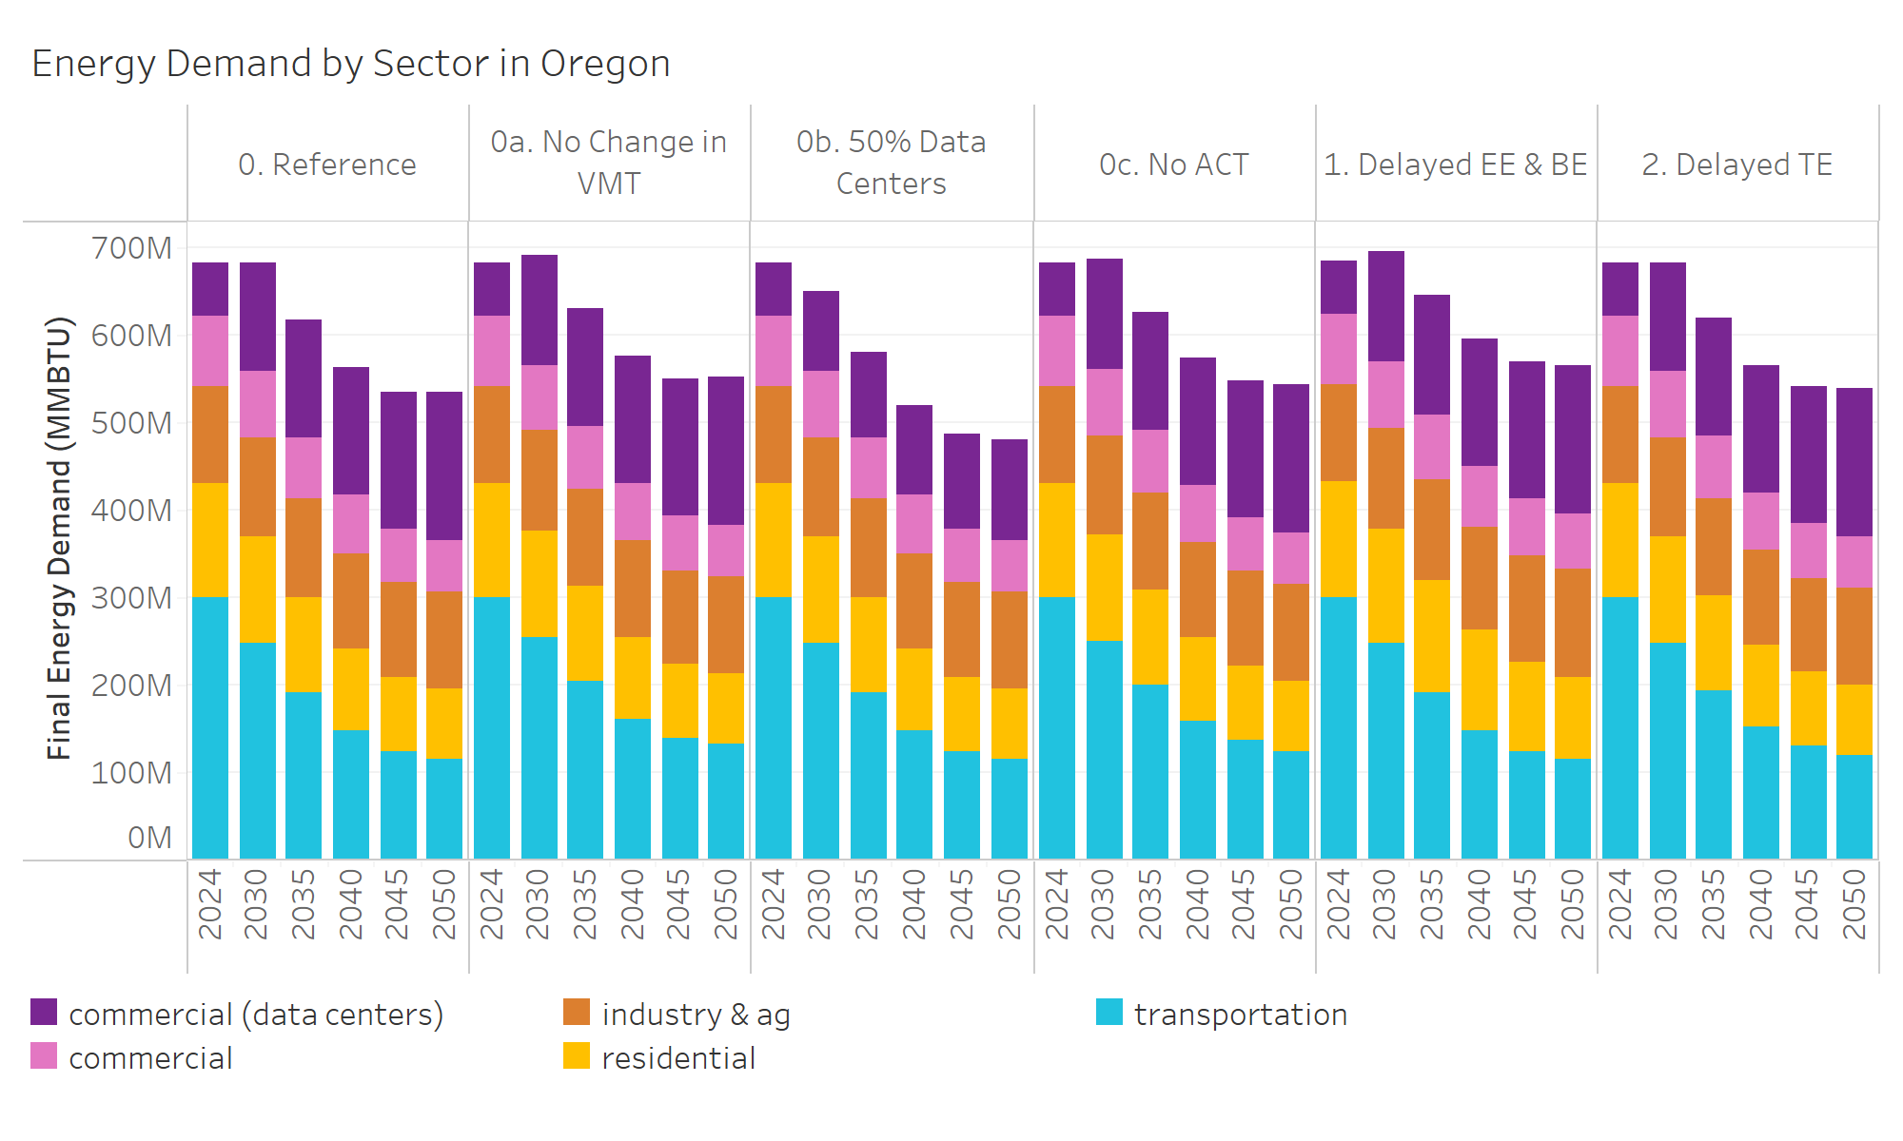
Scenario | Sector (Final Energy Demand) | Year | Energy (MMBTU)
0. Reference | commercial (tech loads) | 2024 | 61010948
0. Reference | commercial (tech loads) | 2030 | 125726456
0. Reference | commercial (tech loads) | 2035 | 135443100
0. Reference | commercial (tech loads) | 2040 | 145910686
0. Reference | commercial (tech loads) | 2045 | 157187247
0. Reference | commercial (tech loads) | 2050 | 169335307
0a. No Change in VMT | commercial (tech loads) | 2024 | 61010948
0a. No Change in VMT | commercial (tech loads) | 2030 | 125726456
0a. No Change in VMT | commercial (tech loads) | 2035 | 135443100
0a. No Change in VMT | commercial (tech loads) | 2040 | 145910686
0a. No Change in VMT | commercial (tech loads) | 2045 | 157187247
0a. No Change in VMT | commercial (tech loads) | 2050 | 169335307
0b. 50% Data Centers | commercial (tech loads) | 2024 | 61010948
0b. 50% Data Centers | commercial (tech loads) | 2030 | 93368702
0b. 50% Data Centers | commercial (tech loads) | 2035 | 98227024
0b. 50% Data Centers | commercial (tech loads) | 2040 | 103578841
0b. 50% Data Centers | commercial (tech loads) | 2045 | 109222246
0b. 50% Data Centers | commercial (tech loads) | 2050 | 115173128
0c. No ACT | commercial (tech loads) | 2024 | 61010948
0c. No ACT | commercial (tech loads) | 2030 | 125726456
0c. No ACT | commercial (tech loads) | 2035 | 135443100
0c. No ACT | commercial (tech loads) | 2040 | 145910686
0c. No ACT | commercial (tech loads) | 2045 | 157187247
0c. No ACT | commercial (tech loads) | 2050 | 169335307
1. Delayed EE & BE | commercial (tech loads) | 2024 | 61010948
1. Delayed EE & BE | commercial (tech loads) | 2030 | 125726456
1. Delayed EE & BE | commercial (tech loads) | 2035 | 135443100
1. Delayed EE & BE | commercial (tech loads) | 2040 | 145910686
1. Delayed EE & BE | commercial (tech loads) | 2045 | 157187247
1. Delayed EE & BE | commercial (tech loads) | 2050 | 169335307
2. Delayed TE | commercial (tech loads) | 2024 | 61010948
2. Delayed TE | commercial (tech loads) | 2030 | 125726456
2. Delayed TE | commercial (tech loads) | 2035 | 135443100
2. Delayed TE | commercial (tech loads) | 2040 | 145910686
2. Delayed TE | commercial (tech loads) | 2045 | 157187247
2. Delayed TE | commercial (tech loads) | 2050 | 169335307
0. Reference | commercial | 2024 | 79484857
0. Reference | commercial | 2030 | 75521822
0. Reference | commercial | 2035 | 70779806
0. Reference | commercial | 2040 | 65702176
0. Reference | commercial | 2045 | 61807394
0. Reference | commercial | 2050 | 60007427
0a. No Change in VMT | commercial | 2024 | 79484857
0a. No Change in VMT | commercial | 2030 | 75521822
0a. No Change in VMT | commercial | 2035 | 70779806
0a. No Change in VMT | commercial | 2040 | 65702176
0a. No Change in VMT | commercial | 2045 | 61807394
0a. No Change in VMT | commercial | 2050 | 60007427
0b. 50% Data Centers | commercial | 2024 | 79484857
0b. 50% Data Centers | commercial | 2030 | 75521822
0b. 50% Data Centers | commercial | 2035 | 70779806
0b. 50% Data Centers | commercial | 2040 | 65702176
0b. 50% Data Centers | commercial | 2045 | 61807394
0b. 50% Data Centers | commercial | 2050 | 60007427
0c. No ACT | commercial | 2024 | 79484857
0c. No ACT | commercial | 2030 | 75521822
0c. No ACT | commercial | 2035 | 70779806
0c. No ACT | commercial | 2040 | 65702176
0c. No ACT | commercial | 2045 | 61807394
0c. No ACT | commercial | 2050 | 60007427
1. Delayed EE & BE | commercial | 2024 | 79694535
1. Delayed EE & BE | commercial | 2030 | 76915470
1. Delayed EE & BE | commercial | 2035 | 73427267
1. Delayed EE & BE | commercial | 2040 | 69230651
1. Delayed EE & BE | commercial | 2045 | 65745025
1. Delayed EE & BE | commercial | 2050 | 63654378
2. Delayed TE | commercial | 2024 | 79484857
2. Delayed TE | commercial | 2030 | 75521822
2. Delayed TE | commercial | 2035 | 70779806
2. Delayed TE | commercial | 2040 | 65702176
2. Delayed TE | commercial | 2045 | 61807394
2. Delayed TE | commercial | 2050 | 60007427
0. Reference | industry & ag | 2024 | 110951755
0. Reference | industry & ag | 2030 | 113640618
0. Reference | industry & ag | 2035 | 112068026
0. Reference | industry & ag | 2040 | 109013819
0. Reference | industry & ag | 2045 | 108345719
0. Reference | industry & ag | 2050 | 110141302
0a. No Change in VMT | industry & ag | 2024 | 110951755
0a. No Change in VMT | industry & ag | 2030 | 113640618
0a. No Change in VMT | industry & ag | 2035 | 112068026
0a. No Change in VMT | industry & ag | 2040 | 109013819
0a. No Change in VMT | industry & ag | 2045 | 108345719
0a. No Change in VMT | industry & ag | 2050 | 110141302
0b. 50% Data Centers | industry & ag | 2024 | 110951755
0b. 50% Data Centers | industry & ag | 2030 | 113640618
0b. 50% Data Centers | industry & ag | 2035 | 112068026
0b. 50% Data Centers | industry & ag | 2040 | 109013819
0b. 50% Data Centers | industry & ag | 2045 | 108345719
0b. 50% Data Centers | industry & ag | 2050 | 110141302
0c. No ACT | industry & ag | 2024 | 110951755
0c. No ACT | industry & ag | 2030 | 113620724
0c. No ACT | industry & ag | 2035 | 112068026
0c. No ACT | industry & ag | 2040 | 109013819
0c. No ACT | industry & ag | 2045 | 108345719
0c. No ACT | industry & ag | 2050 | 110141302
1. Delayed EE & BE | industry & ag | 2024 | 110951755
1. Delayed EE & BE | industry & ag | 2030 | 115548680
1. Delayed EE & BE | industry & ag | 2035 | 116964748
1. Delayed EE & BE | industry & ag | 2040 | 118208273
1. Delayed EE & BE | industry & ag | 2045 | 121076350
1. Delayed EE & BE | industry & ag | 2050 | 124909239
2. Delayed TE | industry & ag | 2024 | 110951755
2. Delayed TE | industry & ag | 2030 | 113640618
2. Delayed TE | industry & ag | 2035 | 112068026
2. Delayed TE | industry & ag | 2040 | 109013819
2. Delayed TE | industry & ag | 2045 | 108345719
2. Delayed TE | industry & ag | 2050 | 110141302
0. Reference | residential | 2024 | 130332546
0. Reference | residential | 2030 | 121782025
0. Reference | residential | 2035 | 108391973
0. Reference | residential | 2040 | 94699354
0. Reference | residential | 2045 | 83993001
0. Reference | residential | 2050 | 79603849
0a. No Change in VMT | residential | 2024 | 130332546
0a. No Change in VMT | residential | 2030 | 121782025
0a. No Change in VMT | residential | 2035 | 108391973
0a. No Change in VMT | residential | 2040 | 94699354
0a. No Change in VMT | residential | 2045 | 83993001
0a. No Change in VMT | residential | 2050 | 79603849
0b. 50% Data Centers | residential | 2024 | 130332546
0b. 50% Data Centers | residential | 2030 | 121782025
0b. 50% Data Centers | residential | 2035 | 108391973
0b. 50% Data Centers | residential | 2040 | 94699354
0b. 50% Data Centers | residential | 2045 | 83993001
0b. 50% Data Centers | residential | 2050 | 79603849
0c. No ACT | residential | 2024 | 130332546
...

5. % Change in Final Energy
Percent Change in Final Energy Demand by Sector

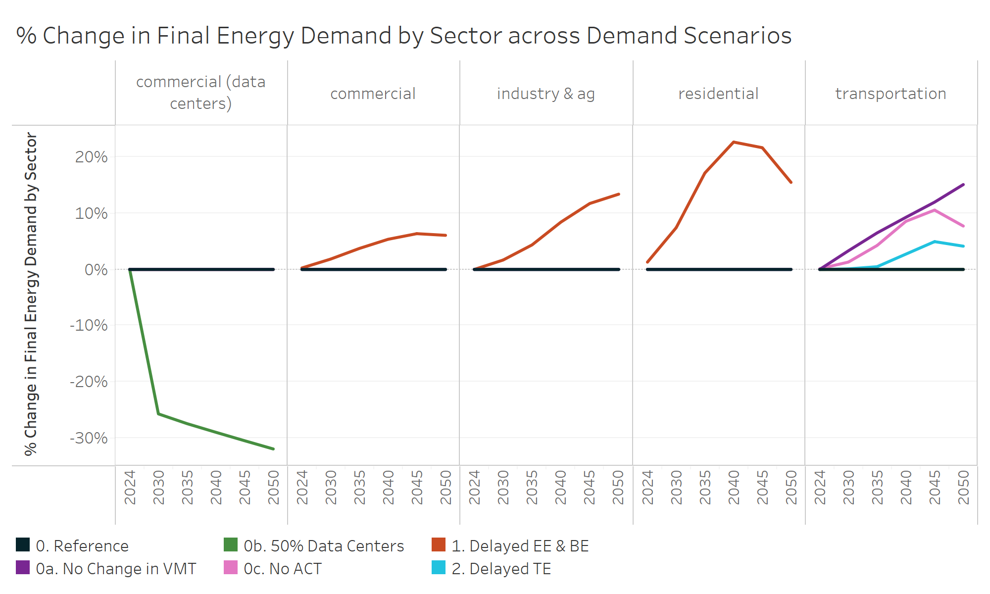
Scenario | Sector (Final Energy Demand) | Year | % Change in Final Energy Demand by Sector
0. Reference | commercial (tech loads) | 2024 | 0%
0. Reference | commercial (tech loads) | 2030 | 0%
0. Reference | commercial (tech loads) | 2035 | 0%
0. Reference | commercial (tech loads) | 2040 | 0%
0. Reference | commercial (tech loads) | 2045 | 0%
0. Reference | commercial (tech loads) | 2050 | 0%
0a. No Change in VMT | commercial (tech loads) | 2024 | 0%
0a. No Change in VMT | commercial (tech loads) | 2030 | 0%
0a. No Change in VMT | commercial (tech loads) | 2035 | 0%
0a. No Change in VMT | commercial (tech loads) | 2040 | 0%
0a. No Change in VMT | commercial (tech loads) | 2045 | 0%
0a. No Change in VMT | commercial (tech loads) | 2050 | 0%
0b. 50% Data Centers | commercial (tech loads) | 2024 | 0%
0b. 50% Data Centers | commercial (tech loads) | 2030 | -26%
0b. 50% Data Centers | commercial (tech loads) | 2035 | -27%
0b. 50% Data Centers | commercial (tech loads) | 2040 | -29%
0b. 50% Data Centers | commercial (tech loads) | 2045 | -31%
0b. 50% Data Centers | commercial (tech loads) | 2050 | -32%
0c. No ACT | commercial (tech loads) | 2024 | 0%
0c. No ACT | commercial (tech loads) | 2030 | 0%
0c. No ACT | commercial (tech loads) | 2035 | 0%
0c. No ACT | commercial (tech loads) | 2040 | 0%
0c. No ACT | commercial (tech loads) | 2045 | 0%
0c. No ACT | commercial (tech loads) | 2050 | 0%
1. Delayed EE & BE | commercial (tech loads) | 2024 | 0%
1. Delayed EE & BE | commercial (tech loads) | 2030 | 0%
1. Delayed EE & BE | commercial (tech loads) | 2035 | 0%
1. Delayed EE & BE | commercial (tech loads) | 2040 | 0%
1. Delayed EE & BE | commercial (tech loads) | 2045 | 0%
1. Delayed EE & BE | commercial (tech loads) | 2050 | 0%
2. Delayed TE | commercial (tech loads) | 2024 | 0%
2. Delayed TE | commercial (tech loads) | 2030 | 0%
2. Delayed TE | commercial (tech loads) | 2035 | 0%
2. Delayed TE | commercial (tech loads) | 2040 | 0%
2. Delayed TE | commercial (tech loads) | 2045 | 0%
...

6. Electricity Demand by Scenar
Electricity Demand by Scenario

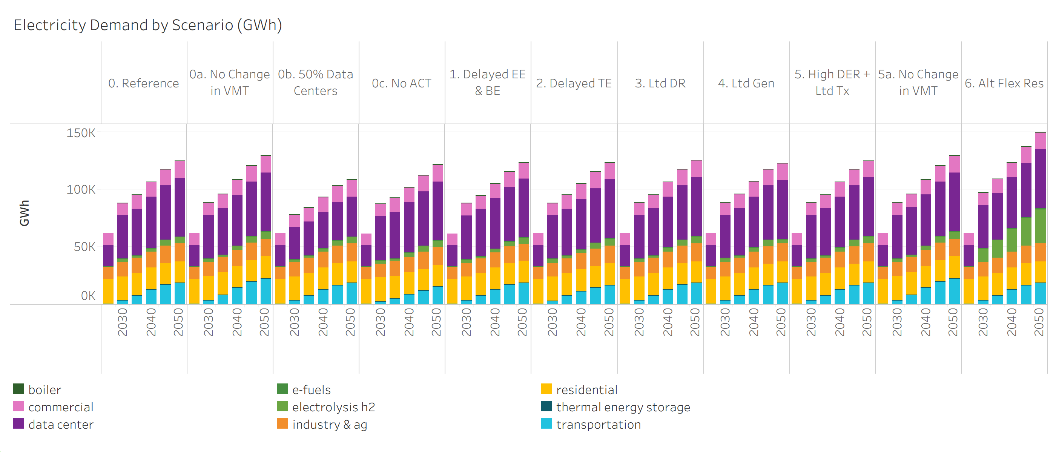
Scenario | Sector (Electricity Demand) | Year | Electricity Demand (GWh)
0. Reference | boiler | 2030 | 1.6
0. Reference | boiler | 2035 | 21.6
0. Reference | boiler | 2040 | 157.4
0. Reference | boiler | 2045 | 172.8
0. Reference | boiler | 2050 | 182.9
0a. No Change in VMT | boiler | 2030 | 1.2
0a. No Change in VMT | boiler | 2035 | 21.9
0a. No Change in VMT | boiler | 2040 | 156.3
0a. No Change in VMT | boiler | 2045 | 170.6
0a. No Change in VMT | boiler | 2050 | 177.7
0b. 50% Data Centers | boiler | 2030 | 1.2
0b. 50% Data Centers | boiler | 2035 | 19.3
0b. 50% Data Centers | boiler | 2040 | 155.9
0b. 50% Data Centers | boiler | 2045 | 165.6
0b. 50% Data Centers | boiler | 2050 | 179.9
0c. No ACT | boiler | 2030 | 1.7
0c. No ACT | boiler | 2035 | 23.3
0c. No ACT | boiler | 2040 | 159.0
0c. No ACT | boiler | 2045 | 175.6
0c. No ACT | boiler | 2050 | 182.7
1. Delayed EE & BE | boiler | 2030 | 1.5
1. Delayed EE & BE | boiler | 2035 | 26.9
1. Delayed EE & BE | boiler | 2040 | 158.8
1. Delayed EE & BE | boiler | 2045 | 172.7
1. Delayed EE & BE | boiler | 2050 | 181.8
2. Delayed TE | boiler | 2030 | 1.9
2. Delayed TE | boiler | 2035 | 22.1
2. Delayed TE | boiler | 2040 | 158.8
2. Delayed TE | boiler | 2045 | 175.7
2. Delayed TE | boiler | 2050 | 185.5
3. Ltd DR | boiler | 2030 | 1.3
3. Ltd DR | boiler | 2035 | 20.8
3. Ltd DR | boiler | 2040 | 156.7
3. Ltd DR | boiler | 2045 | 172.1
3. Ltd DR | boiler | 2050 | 185.8
4. Ltd Gen | boiler | 2030 | 1.4
4. Ltd Gen | boiler | 2035 | 19.1
4. Ltd Gen | boiler | 2040 | 156.2
4. Ltd Gen | boiler | 2045 | 162.8
4. Ltd Gen | boiler | 2050 | 168.8
...

7. Electricity Generation
In-State and Imported Electricity for All Scenarios

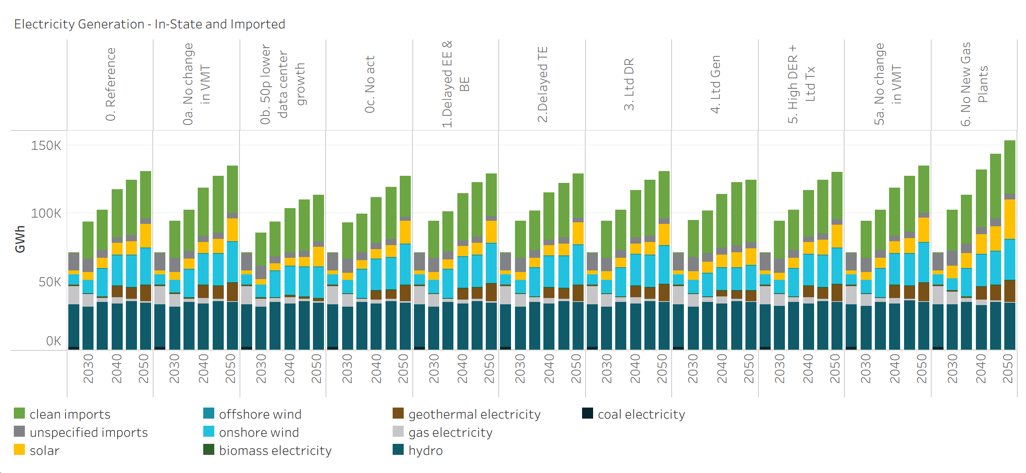
Scenario | Year | Generation Type | Electricity Generation (GWh)
0. Reference | 2024 | clean imports | 0
0. Reference | 2024 | unspecified imports | 13150
0. Reference | 2024 | solar | 2207
0. Reference | 2024 | onshore wind | 6152
0. Reference | 2024 | biomass electricity | 266
0. Reference | 2024 | geothermal electricity | 64
0. Reference | 2024 | gas electricity | 11228
0. Reference | 2024 | hydro | 26389
0. Reference | 2024 | coal electricity | 2343
0. Reference | 2030 | clean imports | 26910
0. Reference | 2030 | unspecified imports | 10125
0. Reference | 2030 | solar | 5413
0. Reference | 2030 | onshore wind | 8470
0. Reference | 2030 | biomass electricity | 148
0. Reference | 2030 | geothermal electricity | 71
0. Reference | 2030 | gas electricity | 8472
0. Reference | 2030 | hydro | 28827
0. Reference | 2035 | clean imports | 29415
0. Reference | 2035 | unspecified imports | 5917
0. Reference | 2035 | solar | 6793
0. Reference | 2035 | offshore wind | 71
0. Reference | 2035 | onshore wind | 18307
0. Reference | 2035 | biomass electricity | 153
0. Reference | 2035 | geothermal electricity | 68
0. Reference | 2035 | gas electricity | 3392
0. Reference | 2035 | hydro | 31409
0. Reference | 2040 | clean imports | 34710
0. Reference | 2040 | unspecified imports | 4324
0. Reference | 2040 | solar | 7678
0. Reference | 2040 | offshore wind | 60
0. Reference | 2040 | onshore wind | 18974
0. Reference | 2040 | biomass electricity | 159
0. Reference | 2040 | geothermal electricity | 6966
0. Reference | 2040 | gas electricity | 4040
0. Reference | 2040 | hydro | 29605
0. Reference | 2045 | clean imports | 40258
0. Reference | 2045 | unspecified imports | 4710
0. Reference | 2045 | solar | 9409
0. Reference | 2045 | offshore wind | 74
...

8. Electricity Gen Capacity
Electricity Generating Capacity (GW)

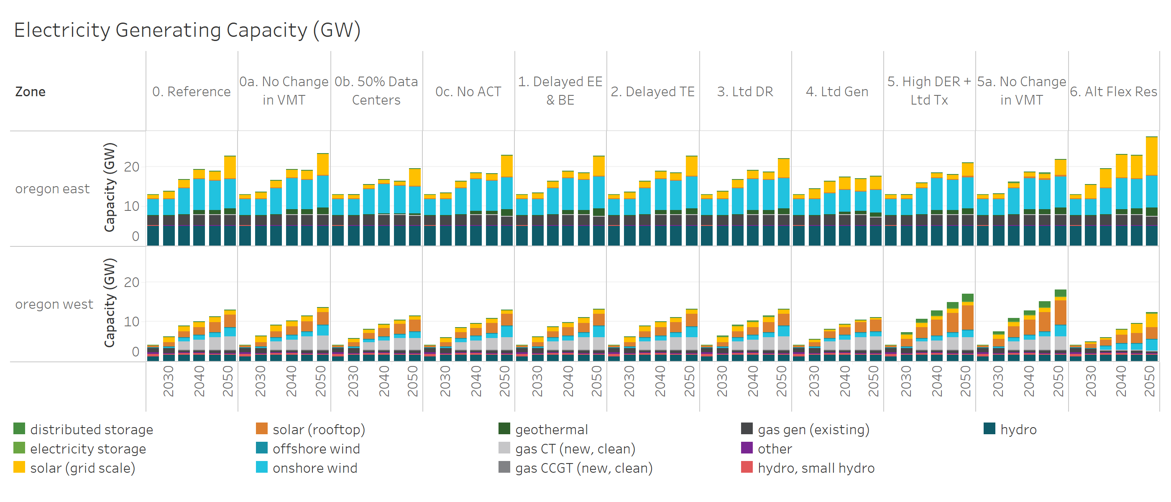
Scenario | Resource Capacity Type | Year | Zone (Capacity) | Electricity Generation (GW)
0. Reference | distributed storage | 2030 | oregon east | 0.00 | *Given the small size of assumed distributed storage participation in the Reference scenario, Reference scenario distributed storage was not modeled to improve model run times
0. Reference | distributed storage | 2030 | oregon west | 0.01
0. Reference | distributed storage | 2035 | oregon east | 0.00
0. Reference | distributed storage | 2035 | oregon west | 0.02
0. Reference | distributed storage | 2040 | oregon east | 0.00
0. Reference | distributed storage | 2040 | oregon west | 0.02
0. Reference | distributed storage | 2045 | oregon east | 0.00
0. Reference | distributed storage | 2045 | oregon west | 0.03
0. Reference | distributed storage | 2050 | oregon east | 0.00
0. Reference | distributed storage | 2050 | oregon west | 0.04
0a. No Change in VMT | distributed storage | 2030 | oregon east | 0.00
0a. No Change in VMT | distributed storage | 2030 | oregon west | 0.01
0a. No Change in VMT | distributed storage | 2035 | oregon east | 0.00
0a. No Change in VMT | distributed storage | 2035 | oregon west | 0.02
0a. No Change in VMT | distributed storage | 2040 | oregon east | 0.00
0a. No Change in VMT | distributed storage | 2040 | oregon west | 0.02
0a. No Change in VMT | distributed storage | 2045 | oregon east | 0.00
0a. No Change in VMT | distributed storage | 2045 | oregon west | 0.03
0a. No Change in VMT | distributed storage | 2050 | oregon east | 0.00
0a. No Change in VMT | distributed storage | 2050 | oregon west | 0.04
0b. 50% Data Centers | distributed storage | 2030 | oregon east | 0.00
0b. 50% Data Centers | distributed storage | 2030 | oregon west | 0.01
0b. 50% Data Centers | distributed storage | 2035 | oregon east | 0.00
0b. 50% Data Centers | distributed storage | 2035 | oregon west | 0.02
0b. 50% Data Centers | distributed storage | 2040 | oregon east | 0.00
0b. 50% Data Centers | distributed storage | 2040 | oregon west | 0.02
0b. 50% Data Centers | distributed storage | 2045 | oregon east | 0.00
0b. 50% Data Centers | distributed storage | 2045 | oregon west | 0.03
0b. 50% Data Centers | distributed storage | 2050 | oregon east | 0.00
0b. 50% Data Centers | distributed storage | 2050 | oregon west | 0.04
0c. No ACT | distributed storage | 2030 | oregon east | 0.00
0c. No ACT | distributed storage | 2030 | oregon west | 0.01
0c. No ACT | distributed storage | 2035 | oregon east | 0.00
0c. No ACT | distributed storage | 2035 | oregon west | 0.02
0c. No ACT | distributed storage | 2040 | oregon east | 0.00
0c. No ACT | distributed storage | 2040 | oregon west | 0.02
0c. No ACT | distributed storage | 2045 | oregon east | 0.00
0c. No ACT | distributed storage | 2045 | oregon west | 0.03
...

9. Transmission Between Zones
...
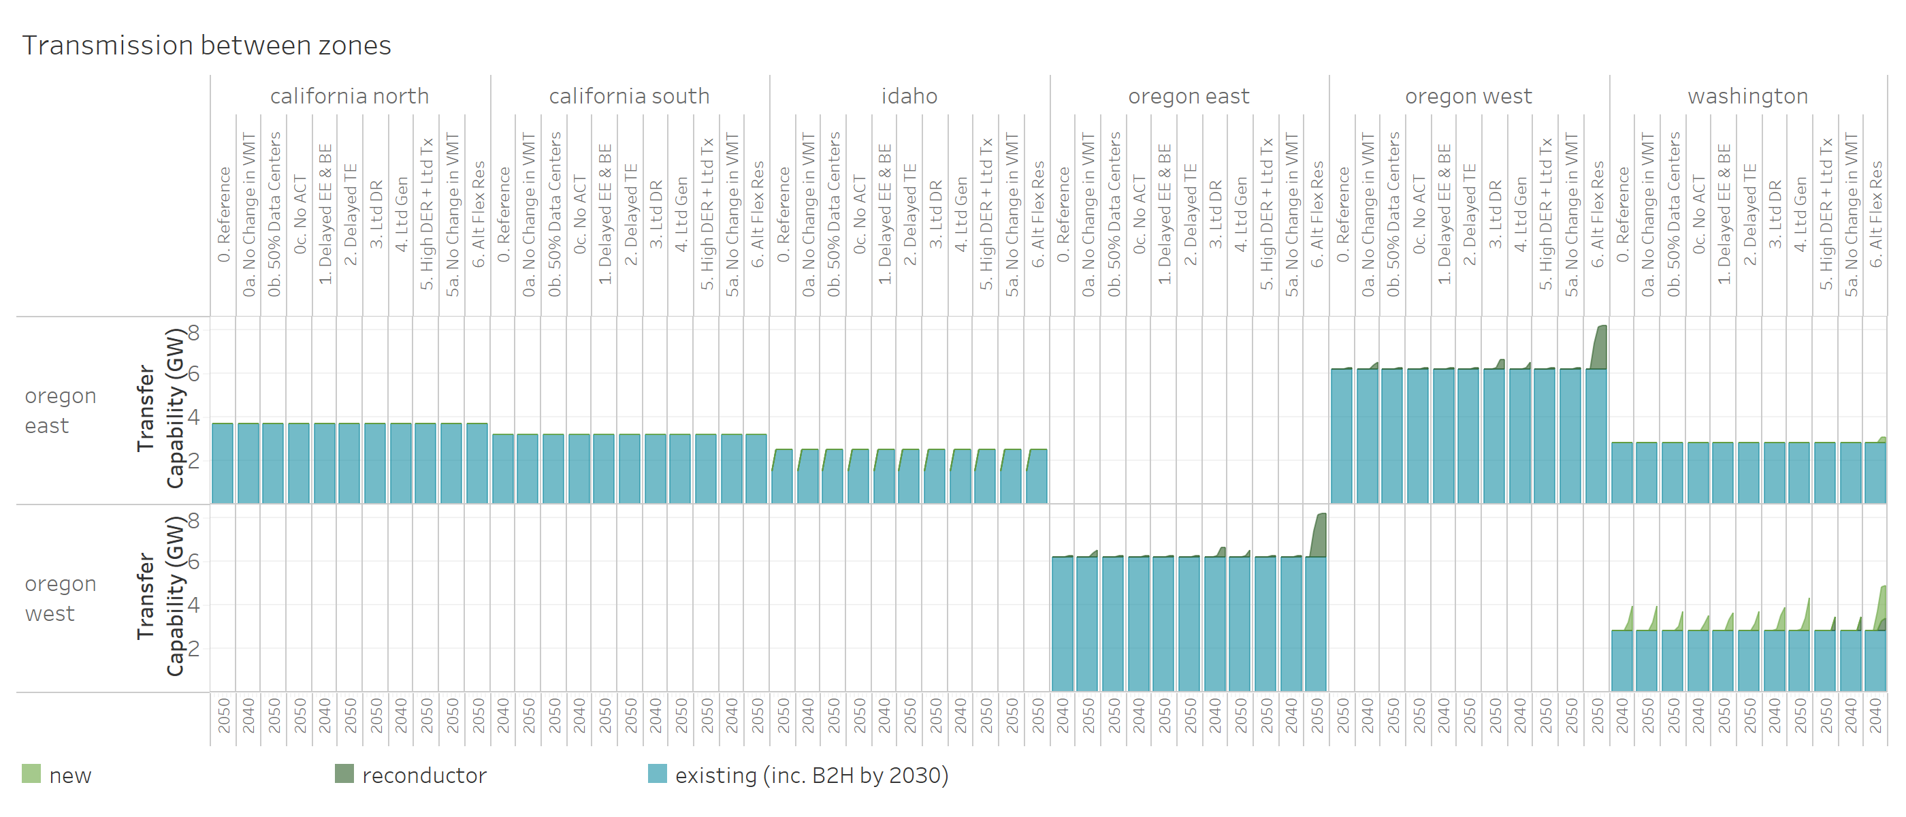
Scenario | Year | Zone (Transmission) | Zone To | Transmission (GW)
0. Reference | 2024 | california north | oregon east | 0.0
0. Reference | 2024 | california south | oregon east | 0.0
0. Reference | 2024 | idaho | oregon east | 0.0
0. Reference | 2024 | washington | oregon east | 0.0
0. Reference | 2024 | washington | oregon west | 0.0
0. Reference | 2030 | california north | oregon east | 0.0
0. Reference | 2030 | california south | oregon east | 0.0
0. Reference | 2030 | idaho | oregon east | 0.0
0. Reference | 2030 | washington | oregon east | 0.0
0. Reference | 2030 | washington | oregon west | 0.0
0. Reference | 2035 | california north | oregon east | 0.0
0. Reference | 2035 | california south | oregon east | 0.0
0. Reference | 2035 | idaho | oregon east | 0.0
0. Reference | 2035 | washington | oregon east | 0.0
0. Reference | 2035 | washington | oregon west | 0.0
0. Reference | 2040 | california north | oregon east | 0.0
0. Reference | 2040 | california south | oregon east | 0.0
0. Reference | 2040 | idaho | oregon east | 0.0
0. Reference | 2040 | washington | oregon east | 0.0
0. Reference | 2040 | washington | oregon west | 0.0
0. Reference | 2045 | california north | oregon east | 0.0
0. Reference | 2045 | california south | oregon east | 0.0
0. Reference | 2045 | idaho | oregon east | 0.0
0. Reference | 2045 | washington | oregon east | 0.0
0. Reference | 2045 | washington | oregon west | 0.4
0. Reference | 2050 | california north | oregon east | 0.0
0. Reference | 2050 | california south | oregon east | 0.0
0. Reference | 2050 | idaho | oregon east | 0.0
0. Reference | 2050 | washington | oregon east | 0.0
0. Reference | 2050 | washington | oregon west | 1.1
0a. No Change in VMT | 2024 | california north | oregon east | 0.0
0a. No Change in VMT | 2024 | california south | oregon east | 0.0
0a. No Change in VMT | 2024 | idaho | oregon east | 0.0
0a. No Change in VMT | 2024 | washington | oregon east | 0.0
0a. No Change in VMT | 2024 | washington | oregon west | 0.0
0a. No Change in VMT | 2030 | california north | oregon east | 0.0
...

10. Land Use by Resource
Land Use by Resource

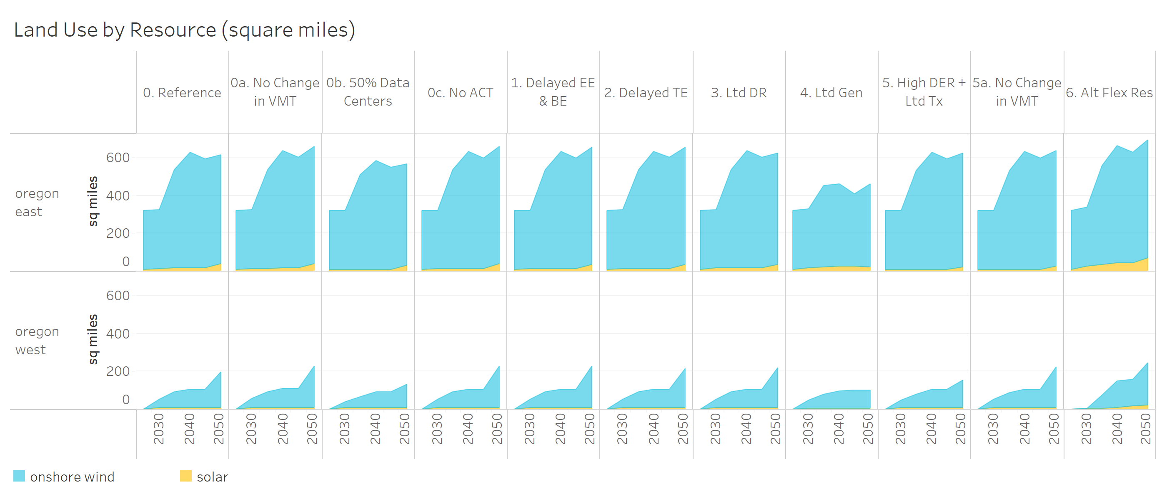
Resource Type (Land Use) | Scenario | Year | Zone (Land Use) | Land Use (Square Miles)
onshore wind | 0. Reference | 2024 | oregon east | 312
onshore wind | 0. Reference | 2024 | oregon west | 0
onshore wind | 0. Reference | 2030 | oregon east | 310
onshore wind | 0. Reference | 2030 | oregon west | 45
onshore wind | 0. Reference | 2035 | oregon east | 519
onshore wind | 0. Reference | 2035 | oregon west | 82
onshore wind | 0. Reference | 2040 | oregon east | 613
onshore wind | 0. Reference | 2040 | oregon west | 97
onshore wind | 0. Reference | 2045 | oregon east | 578
onshore wind | 0. Reference | 2045 | oregon west | 97
onshore wind | 0. Reference | 2050 | oregon east | 578
onshore wind | 0. Reference | 2050 | oregon west | 188
onshore wind | 0a. No Change in VMT | 2024 | oregon east | 312
onshore wind | 0a. No Change in VMT | 2024 | oregon west | 0
onshore wind | 0a. No Change in VMT | 2030 | oregon east | 310
onshore wind | 0a. No Change in VMT | 2030 | oregon west | 45
onshore wind | 0a. No Change in VMT | 2035 | oregon east | 522
onshore wind | 0a. No Change in VMT | 2035 | oregon west | 82
onshore wind | 0a. No Change in VMT | 2040 | oregon east | 620
onshore wind | 0a. No Change in VMT | 2040 | oregon west | 98
onshore wind | 0a. No Change in VMT | 2045 | oregon east | 586
onshore wind | 0a. No Change in VMT | 2045 | oregon west | 98
onshore wind | 0a. No Change in VMT | 2050 | oregon east | 619
onshore wind | 0a. No Change in VMT | 2050 | oregon west | 221
onshore wind | 0b. 50% Data Centers | 2024 | oregon east | 312
onshore wind | 0b. 50% Data Centers | 2024 | oregon west | 0
onshore wind | 0b. 50% Data Centers | 2030 | oregon east | 310
onshore wind | 0b. 50% Data Centers | 2030 | oregon west | 31
onshore wind | 0b. 50% Data Centers | 2035 | oregon east | 501
onshore wind | 0b. 50% Data Centers | 2035 | oregon west | 57
onshore wind | 0b. 50% Data Centers | 2040 | oregon east | 577
onshore wind | 0b. 50% Data Centers | 2040 | oregon west | 84
onshore wind | 0b. 50% Data Centers | 2045 | oregon east | 538
onshore wind | 0b. 50% Data Centers | 2045 | oregon west | 84
onshore wind | 0b. 50% Data Centers | 2050 | oregon east | 534
onshore wind | 0b. 50% Data Centers | 2050 | oregon west | 123
...

11. Direct Use Fuels by Sector
Direct Use Fuels by Sector

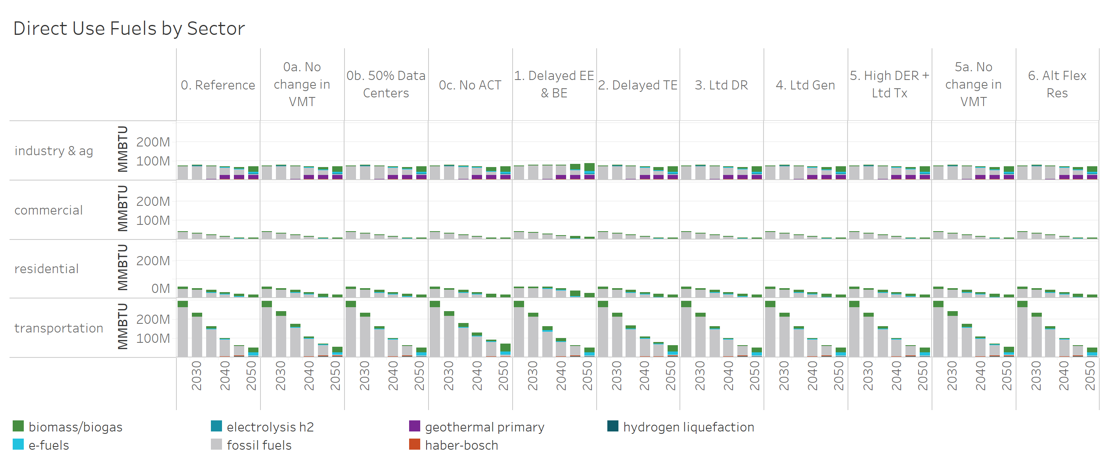
Fuel Type (Direct Use Fuels) | Scenario | Sector (Fuels) | Year | Direct Use Fuels (MMBTU)
biomass/biogas | 0. Reference | industry & ag | 2024.0 | 3275171
biomass/biogas | 0. Reference | industry & ag | 2030.0 | 2227459
biomass/biogas | 0. Reference | industry & ag | 2035.0 | 1928957
biomass/biogas | 0. Reference | industry & ag | 2040.0 | 1014441
biomass/biogas | 0. Reference | industry & ag | 2045.0 | 11654341
biomass/biogas | 0. Reference | industry & ag | 2050.0 | 26300578
biomass/biogas | 0. Reference | commercial | 2024.0 | 1176458
biomass/biogas | 0. Reference | commercial | 2030.0 | 807482
biomass/biogas | 0. Reference | commercial | 2035.0 | 575790
biomass/biogas | 0. Reference | commercial | 2040.0 | 288289
biomass/biogas | 0. Reference | commercial | 2045.0 | 3940109
biomass/biogas | 0. Reference | commercial | 2050.0 | 6036392
biomass/biogas | 0. Reference | residential | 2024.0 | 10113725
biomass/biogas | 0. Reference | residential | 2030.0 | 10022889
biomass/biogas | 0. Reference | residential | 2035.0 | 9777514
biomass/biogas | 0. Reference | residential | 2040.0 | 9412196
biomass/biogas | 0. Reference | residential | 2045.0 | 14081127
biomass/biogas | 0. Reference | residential | 2050.0 | 15994211
biomass/biogas | 0. Reference | transportation | 2024.0 | 33270605
biomass/biogas | 0. Reference | transportation | 2030.0 | 22998456
biomass/biogas | 0. Reference | transportation | 2035.0 | 15687974
biomass/biogas | 0. Reference | transportation | 2040.0 | 6676488
biomass/biogas | 0. Reference | transportation | 2045.0 | 2651005
biomass/biogas | 0. Reference | transportation | 2050.0 | 27512575
biomass/biogas | 0a. No change in VMT | industry & ag | 2024.0 | 3276303
biomass/biogas | 0a. No change in VMT | industry & ag | 2030.0 | 2227916
biomass/biogas | 0a. No change in VMT | industry & ag | 2035.0 | 1963058
biomass/biogas | 0a. No change in VMT | industry & ag | 2040.0 | 989921
biomass/biogas | 0a. No change in VMT | industry & ag | 2045.0 | 14340075
biomass/biogas | 0a. No change in VMT | industry & ag | 2050.0 | 26326298
biomass/biogas | 0a. No change in VMT | commercial | 2024.0 | 1177150
biomass/biogas | 0a. No change in VMT | commercial | 2030.0 | 807196
biomass/biogas | 0a. No change in VMT | commercial | 2035.0 | 576074
biomass/biogas | 0a. No change in VMT | commercial | 2040.0 | 281395
biomass/biogas | 0a. No change in VMT | commercial | 2045.0 | 4861603
biomass/biogas | 0a. No change in VMT | commercial | 2050.0 | 6028213
biomass/biogas | 0a. No change in VMT | residential | 2024.0 | 10113860
biomass/biogas | 0a. No change in VMT | residential | 2030.0 | 10024677
biomass/biogas | 0a. No change in VMT | residential | 2035.0 | 9778281
biomass/biogas | 0a. No change in VMT | residential | 2040.0 | 9411432
biomass/biogas | 0a. No change in VMT | residential | 2045.0 | 15306704
biomass/biogas | 0a. No change in VMT | residential | 2050.0 | 15991921
...

12. Fuels Imports vs Oregon
Fuels Imports vs Produced in Oregon

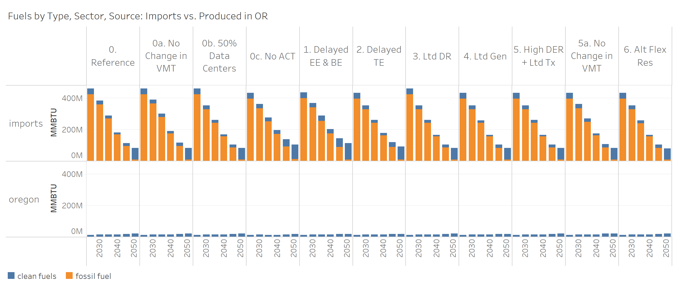
Fuel Type (Imports vs Produced) | Scenario | Year | Zone (Imports vs Produced) | Imports vs Produced (MMBTU)
clean fuels | 0. Reference | 2024 | imports | 36924258
clean fuels | 0. Reference | 2024 | oregon | 12308827
clean fuels | 0. Reference | 2030 | imports | 25210245
clean fuels | 0. Reference | 2030 | oregon | 13711903
clean fuels | 0. Reference | 2035 | imports | 18441871
clean fuels | 0. Reference | 2035 | oregon | 13591048
clean fuels | 0. Reference | 2040 | imports | 12014552
clean fuels | 0. Reference | 2040 | oregon | 14574042
clean fuels | 0. Reference | 2045 | imports | 18679753
clean fuels | 0. Reference | 2045 | oregon | 18771709
clean fuels | 0. Reference | 2050 | imports | 73330512
clean fuels | 0. Reference | 2050 | oregon | 20031336
clean fuels | 0a. No change in VMT | 2024 | imports | 36942371
clean fuels | 0a. No change in VMT | 2024 | oregon | 12311032
clean fuels | 0a. No change in VMT | 2030 | imports | 26079911
clean fuels | 0a. No change in VMT | 2030 | oregon | 13724519
clean fuels | 0a. No change in VMT | 2035 | imports | 19775126
clean fuels | 0a. No change in VMT | 2035 | oregon | 13661226
clean fuels | 0a. No change in VMT | 2040 | imports | 12976263
clean fuels | 0a. No change in VMT | 2040 | oregon | 14990062
clean fuels | 0a. No change in VMT | 2045 | imports | 22089178
clean fuels | 0a. No change in VMT | 2045 | oregon | 19604034
clean fuels | 0a. No change in VMT | 2050 | imports | 74792589
clean fuels | 0a. No change in VMT | 2050 | oregon | 21208393
clean fuels | 0b. 50% Data Centers | 2024 | imports | 36923746
clean fuels | 0b. 50% Data Centers | 2024 | oregon | 12315122
clean fuels | 0b. 50% Data Centers | 2030 | imports | 25215983
clean fuels | 0b. 50% Data Centers | 2030 | oregon | 13690006
clean fuels | 0b. 50% Data Centers | 2035 | imports | 18482600
clean fuels | 0b. 50% Data Centers | 2035 | oregon | 13544812
clean fuels | 0b. 50% Data Centers | 2040 | imports | 12014605
clean fuels | 0b. 50% Data Centers | 2040 | oregon | 14578943
clean fuels | 0b. 50% Data Centers | 2045 | imports | 18067843
clean fuels | 0b. 50% Data Centers | 2045 | oregon | 18773027
clean fuels | 0b. 50% Data Centers | 2050 | imports | 73387836
clean fuels | 0b. 50% Data Centers | 2050 | oregon | 19961476
...

13. Energy in Transportation
Energy in Transportation

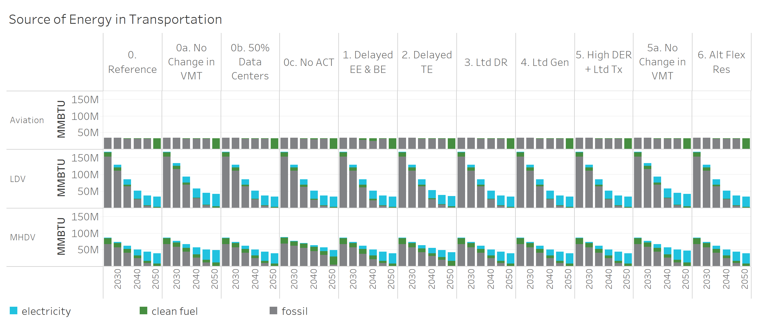
Energy Type (Transport) | Scenario | Sector (Transport) | Year | Energy in Transportation (MMBTU)
electricity | 0. Reference | LDV | 2024 | 1687969
electricity | 0. Reference | LDV | 2030 | 8167309
electricity | 0. Reference | LDV | 2035 | 16571335
electricity | 0. Reference | LDV | 2040 | 24627817
electricity | 0. Reference | LDV | 2045 | 29356076
electricity | 0. Reference | LDV | 2050 | 30783861
electricity | 0a. No change in VMT | LDV | 2024 | 1688303
electricity | 0a. No change in VMT | LDV | 2030 | 8506530
electricity | 0a. No change in VMT | LDV | 2035 | 18022090
electricity | 0a. No change in VMT | LDV | 2040 | 27976031
electricity | 0a. No change in VMT | LDV | 2045 | 34963348
electricity | 0a. No change in VMT | LDV | 2050 | 38475668
electricity | 0b. 50% Data Centers | LDV | 2024 | 1688456
electricity | 0b. 50% Data Centers | LDV | 2030 | 8171356
electricity | 0b. 50% Data Centers | LDV | 2035 | 16585388
electricity | 0b. 50% Data Centers | LDV | 2040 | 24610995
electricity | 0b. 50% Data Centers | LDV | 2045 | 29370492
electricity | 0b. 50% Data Centers | LDV | 2050 | 30754993
electricity | 0c. No ACT | LDV | 2024 | 1694775
electricity | 0c. No ACT | LDV | 2030 | 8174558
electricity | 0c. No ACT | LDV | 2035 | 16528771
electricity | 0c. No ACT | LDV | 2040 | 24798319
electricity | 0c. No ACT | LDV | 2045 | 29414583
electricity | 0c. No ACT | LDV | 2050 | 30792424
electricity | 1. Delayed EE & BE | LDV | 2024 | 1688150
electricity | 1. Delayed EE & BE | LDV | 2030 | 8165913
electricity | 1. Delayed EE & BE | LDV | 2035 | 16575989
electricity | 1. Delayed EE & BE | LDV | 2040 | 24616777
electricity | 1. Delayed EE & BE | LDV | 2045 | 29353567
electricity | 1. Delayed EE & BE | LDV | 2050 | 30788855
electricity | 2. Delayed TE | LDV | 2024 | 1687986
electricity | 2. Delayed TE | LDV | 2030 | 8163774
electricity | 2. Delayed TE | LDV | 2035 | 16573343
electricity | 2. Delayed TE | LDV | 2040 | 24428555
electricity | 2. Delayed TE | LDV | 2045 | 28878555
...

14. Fuels Clean or Fossil
Fuel Consumption in Oregon by Clean or Fossil

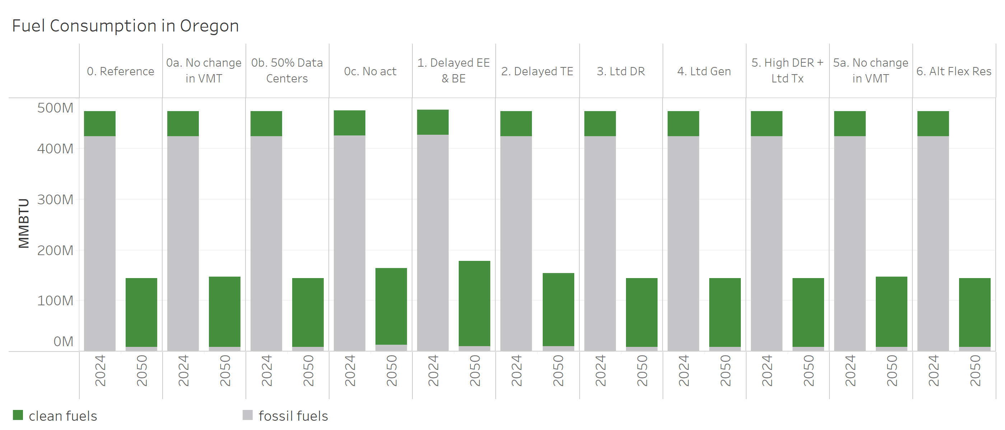
Fuel Type (Clean or Fossil) | Scenario | Year | Fuel Consumption Clean or Fossil (MMBTU)
clean fuels | 0. Reference | 2024 | 49746836
clean fuels | 0. Reference | 2050 | 135695463
clean fuels | 0a. No change in VMT | 2024 | 49767099
clean fuels | 0a. No change in VMT | 2050 | 138388958
clean fuels | 0b. 50% Data Centers | 2024 | 49752563
clean fuels | 0b. 50% Data Centers | 2050 | 135732117
clean fuels | 0c. No ACT | 2024 | 49857926
clean fuels | 0c. No ACT | 2050 | 151853352
clean fuels | 1. Delayed EE & BE | 2024 | 49741110
clean fuels | 1. Delayed EE & BE | 2050 | 168326147
clean fuels | 2. Delayed TE | 2024 | 49751095
clean fuels | 2. Delayed TE | 2050 | 143636366
clean fuels | 3. Ltd DR | 2024 | 49748948
clean fuels | 3. Ltd DR | 2050 | 135669717
clean fuels | 4. Ltd Gen | 2024 | 49751486
clean fuels | 4. Ltd Gen | 2050 | 135817699
clean fuels | 5. High DER + Ltd Tx | 2024 | 49745901
clean fuels | 5. High DER + Ltd Tx | 2050 | 135756678
clean fuels | 5a. No change in VMT | 2024 | 49737157
clean fuels | 5a. No change in VMT | 2050 | 138330024
clean fuels | 6. Alt Flex Res | 2024 | 49755502
clean fuels | 6. Alt Flex Res | 2050 | 135621648
fossil fuels | 0. Reference | 2024 | 424919108
fossil fuels | 0. Reference | 2050 | 8327678
fossil fuels | 0a. No change in VMT | 2024 | 424918633
fossil fuels | 0a. No change in VMT | 2050 | 8634568
fossil fuels | 0b. 50% Data Centers | 2024 | 424904088
fossil fuels | 0b. 50% Data Centers | 2050 | 8328764
fossil fuels | 0c. No ACT | 2024 | 425524589
fossil fuels | 0c. No ACT | 2050 | 12399119
fossil fuels | 1. Delayed EE & BE | 2024 | 427292116
fossil fuels | 1. Delayed EE & BE | 2050 | 9568550
fossil fuels | 2. Delayed TE | 2024 | 424926746
fossil fuels | 2. Delayed TE | 2050 | 10276884
fossil fuels | 3. Ltd DR | 2024 | 424916085
fossil fuels | 3. Ltd DR | 2050 | 8322991
fossil fuels | 4. Ltd Gen | 2024 | 424904827
fossil fuels | 4. Ltd Gen | 2050 | 8466934
fossil fuels | 5. High DER + Ltd Tx | 2024 | 424902788
fossil fuels | 5. High DER + Ltd Tx | 2050 | 8323433
fossil fuels | 5a. No change in VMT | 2024 | 424908479
fossil fuels | 5a. No change in VMT | 2050 | 8637214
fossil fuels | 6. Alt Flex Res | 2024 | 424907639
...

15. Hydrogen Use in Oregon
Use of Electrolytic Hydrogen in Oregon (including for products like Ammonia that are majority exported out of state)

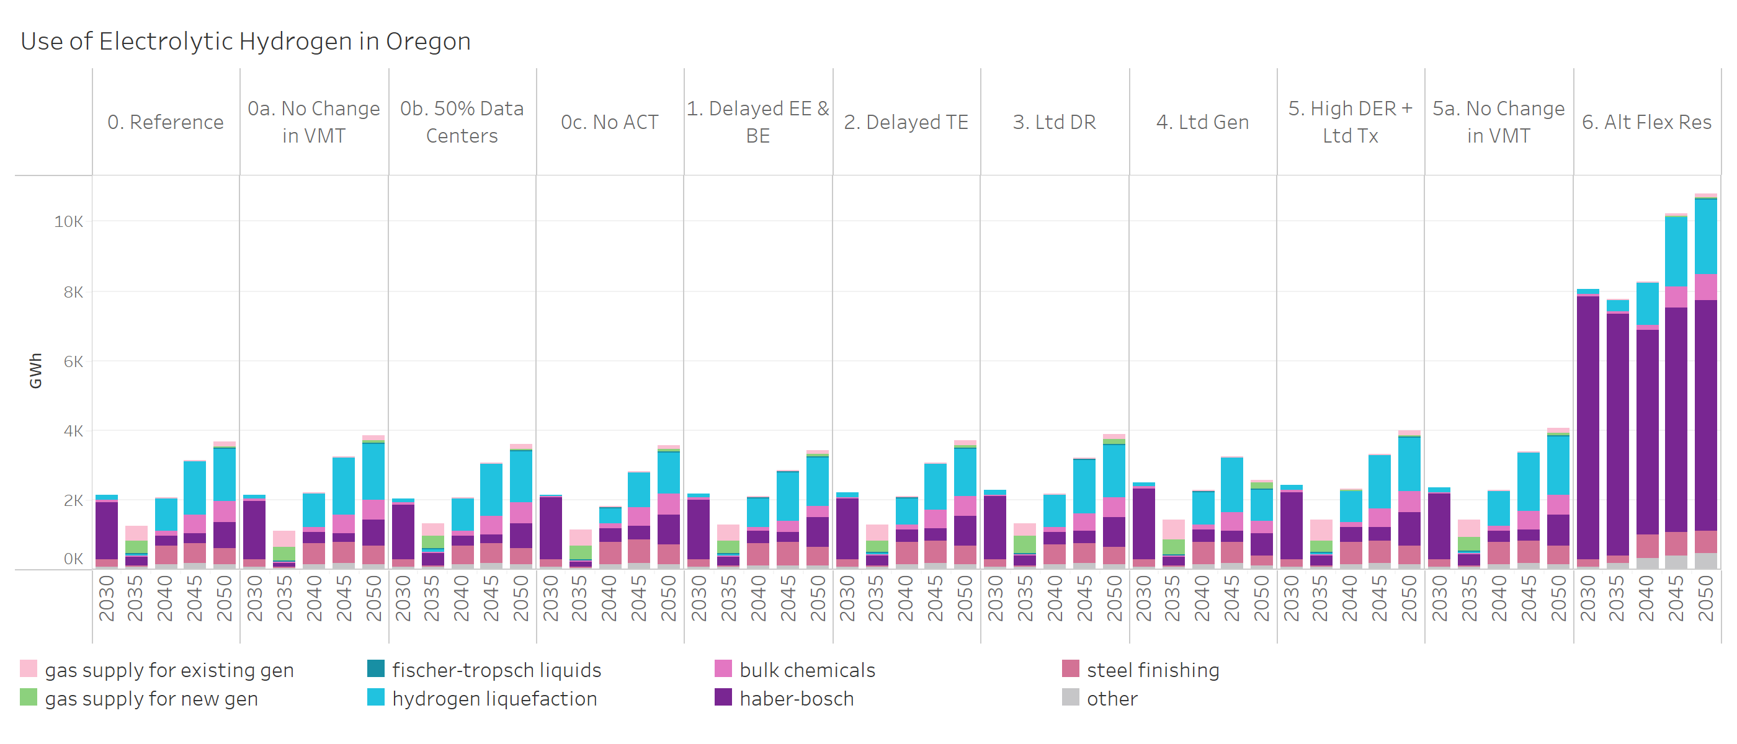
Scenario | Use of Hydrogen | Year | Use of Electrolytic H2 (GWh)
0. Reference | gas supply for existing gen | 2035 | 442
0. Reference | gas supply for existing gen | 2040 | 2
0. Reference | gas supply for existing gen | 2045 | 3
0. Reference | gas supply for existing gen | 2050 | 139
0a. No Change in VMT | gas supply for existing gen | 2035 | 468
0a. No Change in VMT | gas supply for existing gen | 2040 | 2
0a. No Change in VMT | gas supply for existing gen | 2045 | 2
0a. No Change in VMT | gas supply for existing gen | 2050 | 139
0b. 50% Data Centers | gas supply for existing gen | 2035 | 392
0b. 50% Data Centers | gas supply for existing gen | 2040 | 1
0b. 50% Data Centers | gas supply for existing gen | 2045 | 2
0b. 50% Data Centers | gas supply for existing gen | 2050 | 139
0c. No ACT | gas supply for existing gen | 2035 | 444
0c. No ACT | gas supply for existing gen | 2040 | 3
0c. No ACT | gas supply for existing gen | 2045 | 4
0c. No ACT | gas supply for existing gen | 2050 | 121
1. Delayed EE & BE | gas supply for existing gen | 2035 | 444
1. Delayed EE & BE | gas supply for existing gen | 2040 | 2
1. Delayed EE & BE | gas supply for existing gen | 2045 | 3
1. Delayed EE & BE | gas supply for existing gen | 2050 | 122
2. Delayed TE | gas supply for existing gen | 2035 | 465
2. Delayed TE | gas supply for existing gen | 2040 | 3
2. Delayed TE | gas supply for existing gen | 2045 | 4
2. Delayed TE | gas supply for existing gen | 2050 | 134
3. Ltd DR | gas supply for existing gen | 2035 | 352
3. Ltd DR | gas supply for existing gen | 2040 | 2
3. Ltd DR | gas supply for existing gen | 2045 | 3
3. Ltd DR | gas supply for existing gen | 2050 | 138
4. Ltd Gen | gas supply for existing gen | 2035 | 570
4. Ltd Gen | gas supply for existing gen | 2040 | 1
4. Ltd Gen | gas supply for existing gen | 2045 | 3
4. Ltd Gen | gas supply for existing gen | 2050 | 84
5. High DER + Ltd Tx | gas supply for existing gen | 2035 | 595
5. High DER + Ltd Tx | gas supply for existing gen | 2040 | 2
5. High DER + Ltd Tx | gas supply for existing gen | 2045 | 2
5. High DER + Ltd Tx | gas supply for existing gen | 2050 | 142
...

16. Origin of H2 Prod. Consumed
Origin of Hydrogen and Hydrogen Products Consumed in Oregon

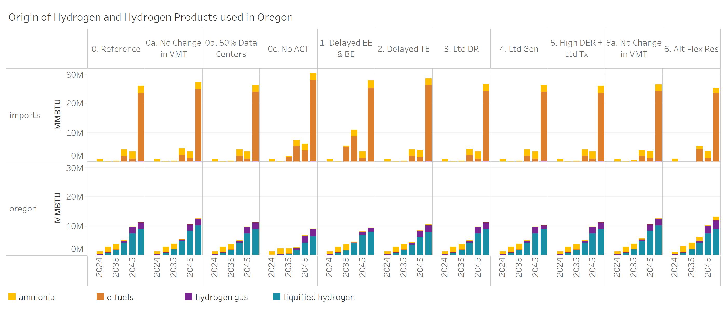
Hydrogen Product | Scenario | Year | Zone (H2 & Products) | H2 & Products (MMBTU)
ammonia | 0. Reference | 2024 | imports | 901054
ammonia | 0. Reference | 2024 | oregon | 959059
ammonia | 0. Reference | 2030 | imports | 128278
ammonia | 0. Reference | 2030 | oregon | 1936054
ammonia | 0. Reference | 2035 | imports | 360532
ammonia | 0. Reference | 2035 | oregon | 1857959
ammonia | 0. Reference | 2040 | imports | 2159950
ammonia | 0. Reference | 2040 | oregon | 180998
ammonia | 0. Reference | 2045 | imports | 2399936
ammonia | 0. Reference | 2045 | oregon | 18516
ammonia | 0. Reference | 2050 | imports | 2407398
ammonia | 0. Reference | 2050 | oregon | 22734
ammonia | 0a. No change in VMT | 2024 | imports | 904806
ammonia | 0a. No change in VMT | 2024 | oregon | 955540
ammonia | 0a. No change in VMT | 2030 | imports | 132556
ammonia | 0a. No change in VMT | 2030 | oregon | 1931810
ammonia | 0a. No change in VMT | 2035 | imports | 408080
ammonia | 0a. No change in VMT | 2035 | oregon | 1810849
ammonia | 0a. No change in VMT | 2040 | imports | 2142856
ammonia | 0a. No change in VMT | 2040 | oregon | 197609
ammonia | 0a. No change in VMT | 2045 | imports | 2403525
ammonia | 0a. No change in VMT | 2045 | oregon | 14448
ammonia | 0a. No change in VMT | 2050 | imports | 2412227
ammonia | 0a. No change in VMT | 2050 | oregon | 16949
ammonia | 0b. 50% Data Centers | 2024 | imports | 893112
ammonia | 0b. 50% Data Centers | 2024 | oregon | 967032
ammonia | 0b. 50% Data Centers | 2030 | imports | 135059
ammonia | 0b. 50% Data Centers | 2030 | oregon | 1929254
ammonia | 0b. 50% Data Centers | 2035 | imports | 414137
ammonia | 0b. 50% Data Centers | 2035 | oregon | 1804372
ammonia | 0b. 50% Data Centers | 2040 | imports | 2150375
ammonia | 0b. 50% Data Centers | 2040 | oregon | 190292
ammonia | 0b. 50% Data Centers | 2045 | imports | 2402687
ammonia | 0b. 50% Data Centers | 2045 | oregon | 15775
ammonia | 0b. 50% Data Centers | 2050 | imports | 2410547
ammonia | 0b. 50% Data Centers | 2050 | oregon | 18870
...

17. Cumulative Costs
Cumulative Scenario Costs relative to the Reference Scenario (NPV $)
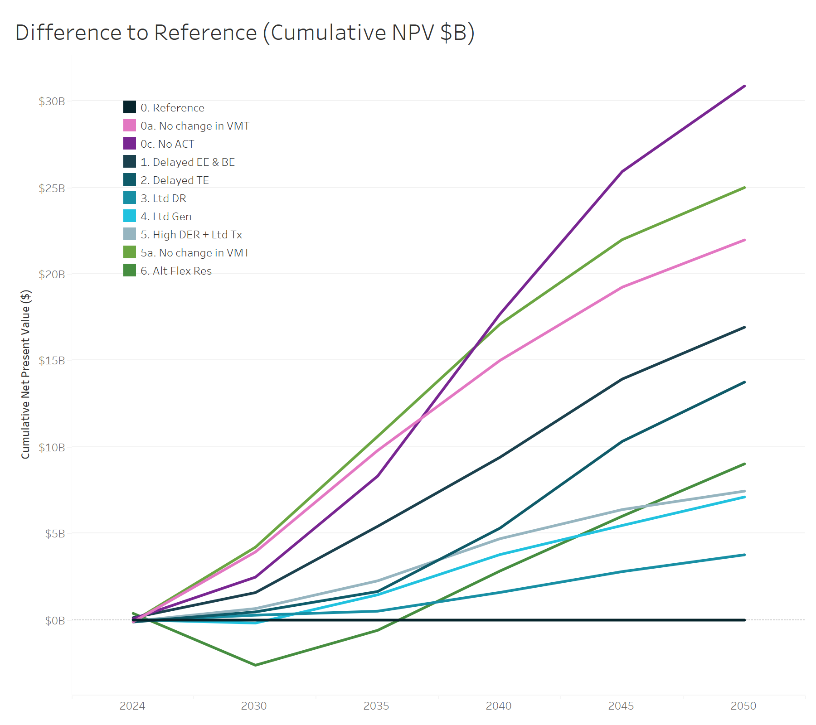
Scenario | Year | Difference to Reference (Cumulative NPV $)
0. Reference | 2024 | 0
0. Reference | 2030 | 0
0. Reference | 2035 | 0
0. Reference | 2040 | 0
0. Reference | 2045 | 0
0. Reference | 2050 | 0
0a. No change in VMT | 2024 | -100581820
0a. No change in VMT | 2030 | 3939056368
0a. No change in VMT | 2035 | 9805635900
0a. No change in VMT | 2040 | 15009314008
0a. No change in VMT | 2045 | 19245595852
0a. No change in VMT | 2050 | 21971920466
0c. No ACT | 2024 | 78020732
0c. No ACT | 2030 | 2482557610
0c. No ACT | 2035 | 8326189944
0c. No ACT | 2040 | 17688570346
0c. No ACT | 2045 | 25929711340
0c. No ACT | 2050 | 30872981840
1. Delayed EE & BE | 2024 | 137441969
1. Delayed EE & BE | 2030 | 1589430877
1. Delayed EE & BE | 2035 | 5421405943
1. Delayed EE & BE | 2040 | 9409633852
1. Delayed EE & BE | 2045 | 13932681576
1. Delayed EE & BE | 2050 | 16927596923
2. Delayed TE | 2024 | -109495525
2. Delayed TE | 2030 | 473643937
2. Delayed TE | 2035 | 1651599034
2. Delayed TE | 2040 | 5314809030
2. Delayed TE | 2045 | 10329258639
2. Delayed TE | 2050 | 13754117885
3. Ltd DR | 2024 | -46013497
3. Ltd DR | 2030 | 284836613
3. Ltd DR | 2035 | 515036382
3. Ltd DR | 2040 | 1599156871
3. Ltd DR | 2045 | 2802820009
3. Ltd DR | 2050 | 3773772738
...

18. Res Space Heating
...
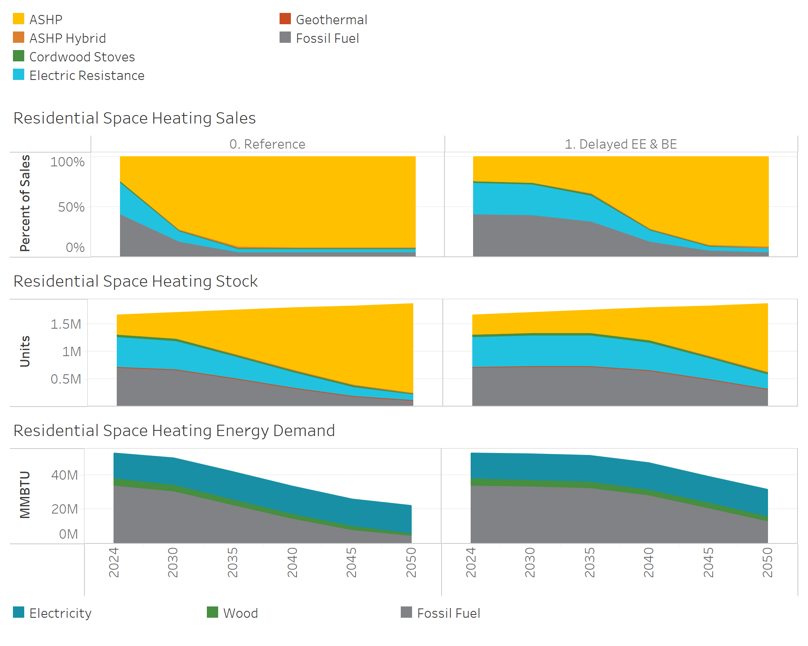
Energy
Energy Type (Res Heat) | Scenario | Year | Res Heating Energy (MMBTU)
Electricity | 0. Reference | 2024 | 14,869,942
Electricity | 0. Reference | 2030 | 15,129,473
Electricity | 0. Reference | 2035 | 15,601,442
Electricity | 0. Reference | 2040 | 15,847,719
Electricity | 0. Reference | 2045 | 15,796,340
Electricity | 0. Reference | 2050 | 15,624,464
Electricity | 1. Delayed EE & BE | 2024 | 14,869,942
Electricity | 1. Delayed EE & BE | 2030 | 14,945,573
Electricity | 1. Delayed EE & BE | 2035 | 15,091,711
Electricity | 1. Delayed EE & BE | 2040 | 15,251,334
Electricity | 1. Delayed EE & BE | 2045 | 15,339,419
Electricity | 1. Delayed EE & BE | 2050 | 15,530,975
Wood | 0. Reference | 2024 | 3,999,313
Wood | 0. Reference | 2030 | 3,793,684
Wood | 0. Reference | 2035 | 3,390,096
Wood | 0. Reference | 2040 | 2,884,781
Wood | 0. Reference | 2045 | 2,338,193
Wood | 0. Reference | 2050 | 1,799,558
Wood | 1. Delayed EE & BE | 2024 | 3,999,313
Wood | 1. Delayed EE & BE | 2030 | 3,941,350
Wood | 1. Delayed EE & BE | 2035 | 3,783,886
Wood | 1. Delayed EE & BE | 2040 | 3,513,891
Wood | 1. Delayed EE & BE | 2045 | 3,118,365
Wood | 1. Delayed EE & BE | 2050 | 2,598,170
Fossil Fuel | 0. Reference | 2024 | 33,791,267
Fossil Fuel | 0. Reference | 2030 | 30,616,507
Fossil Fuel | 0. Reference | 2035 | 22,503,167
Fossil Fuel | 0. Reference | 2040 | 14,399,242
Fossil Fuel | 0. Reference | 2045 | 7,744,498
Fossil Fuel | 0. Reference | 2050 | 4,470,558
Fossil Fuel | 1. Delayed EE & BE | 2024 | 33,791,267
Fossil Fuel | 1. Delayed EE & BE | 2030 | 33,214,437
Fossil Fuel | 1. Delayed EE & BE | 2035 | 32,176,684
Fossil Fuel | 1. Delayed EE & BE | 2040 | 27,925,016
Fossil Fuel | 1. Delayed EE & BE | 2045 | 20,551,782
...

19. Com Space Heating
...
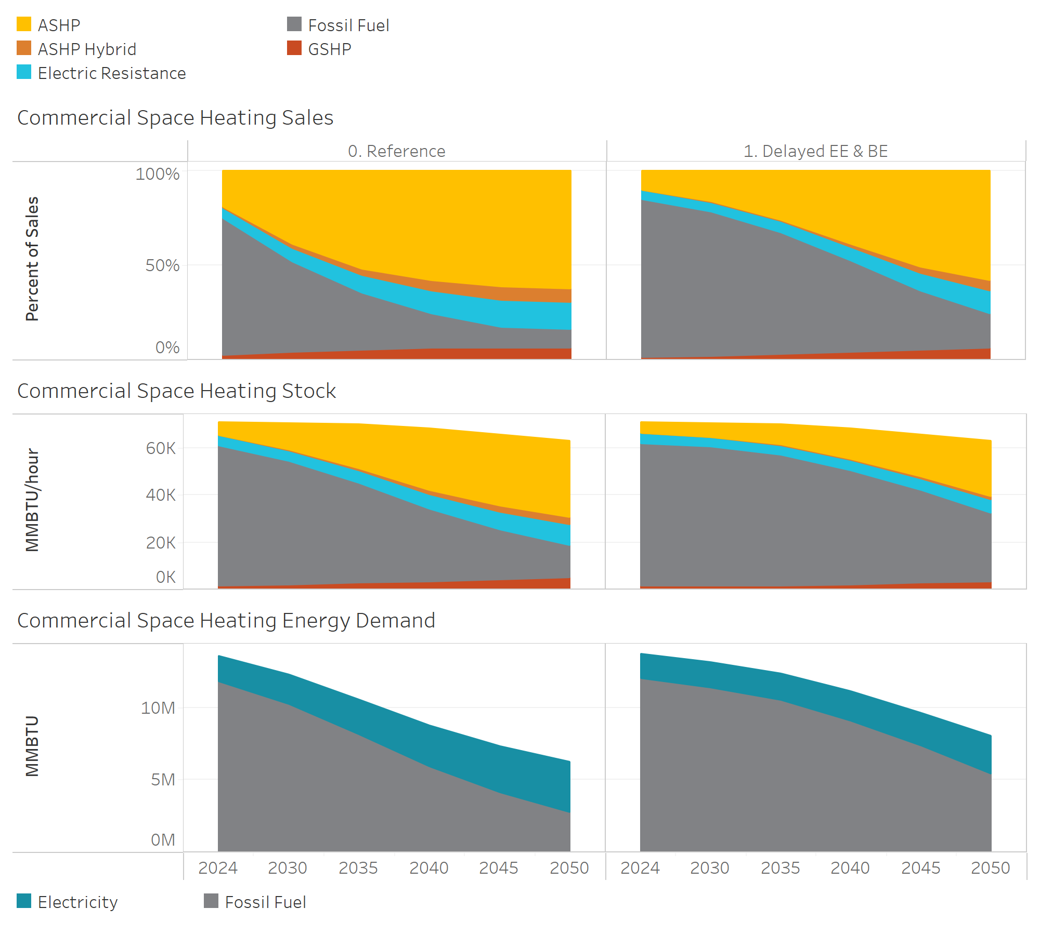
Energy
Energy Type | Scenario | Year | Com Heating Energy (MMBTU)
Electricity | 0. Reference | 2024 | 1,823,083
Electricity | 0. Reference | 2030 | 2,051,064
Electricity | 0. Reference | 2035 | 2,464,618
Electricity | 0. Reference | 2040 | 2,900,166
Electricity | 0. Reference | 2045 | 3,237,941
Electricity | 0. Reference | 2050 | 3,461,269
Electricity | 1. Delayed EE & BE | 2024 | 1,776,190
Electricity | 1. Delayed EE & BE | 2030 | 1,764,399
Electricity | 1. Delayed EE & BE | 2035 | 1,872,765
Electricity | 1. Delayed EE & BE | 2040 | 2,071,377
Electricity | 1. Delayed EE & BE | 2045 | 2,327,321
Electricity | 1. Delayed EE & BE | 2050 | 2,644,564
Fossil Fuel | 0. Reference | 2024 | 11,766,291
Fossil Fuel | 0. Reference | 2030 | 10,184,747
Fossil Fuel | 0. Reference | 2035 | 8,110,051
Fossil Fuel | 0. Reference | 2040 | 5,854,038
Fossil Fuel | 0. Reference | 2045 | 4,081,600
Fossil Fuel | 0. Reference | 2050 | 2,755,113
Fossil Fuel | 1. Delayed EE & BE | 2024 | 11,959,550
Fossil Fuel | 1. Delayed EE & BE | 2030 | 11,368,422
Fossil Fuel | 1. Delayed EE & BE | 2035 | 10,496,327
Fossil Fuel | 1. Delayed EE & BE | 2040 | 9,032,049
Fossil Fuel | 1. Delayed EE & BE | 2045 | 7,297,088
Fossil Fuel | 1. Delayed EE & BE | 2050 | 5,361,581
...

20. MDV & HDV
...
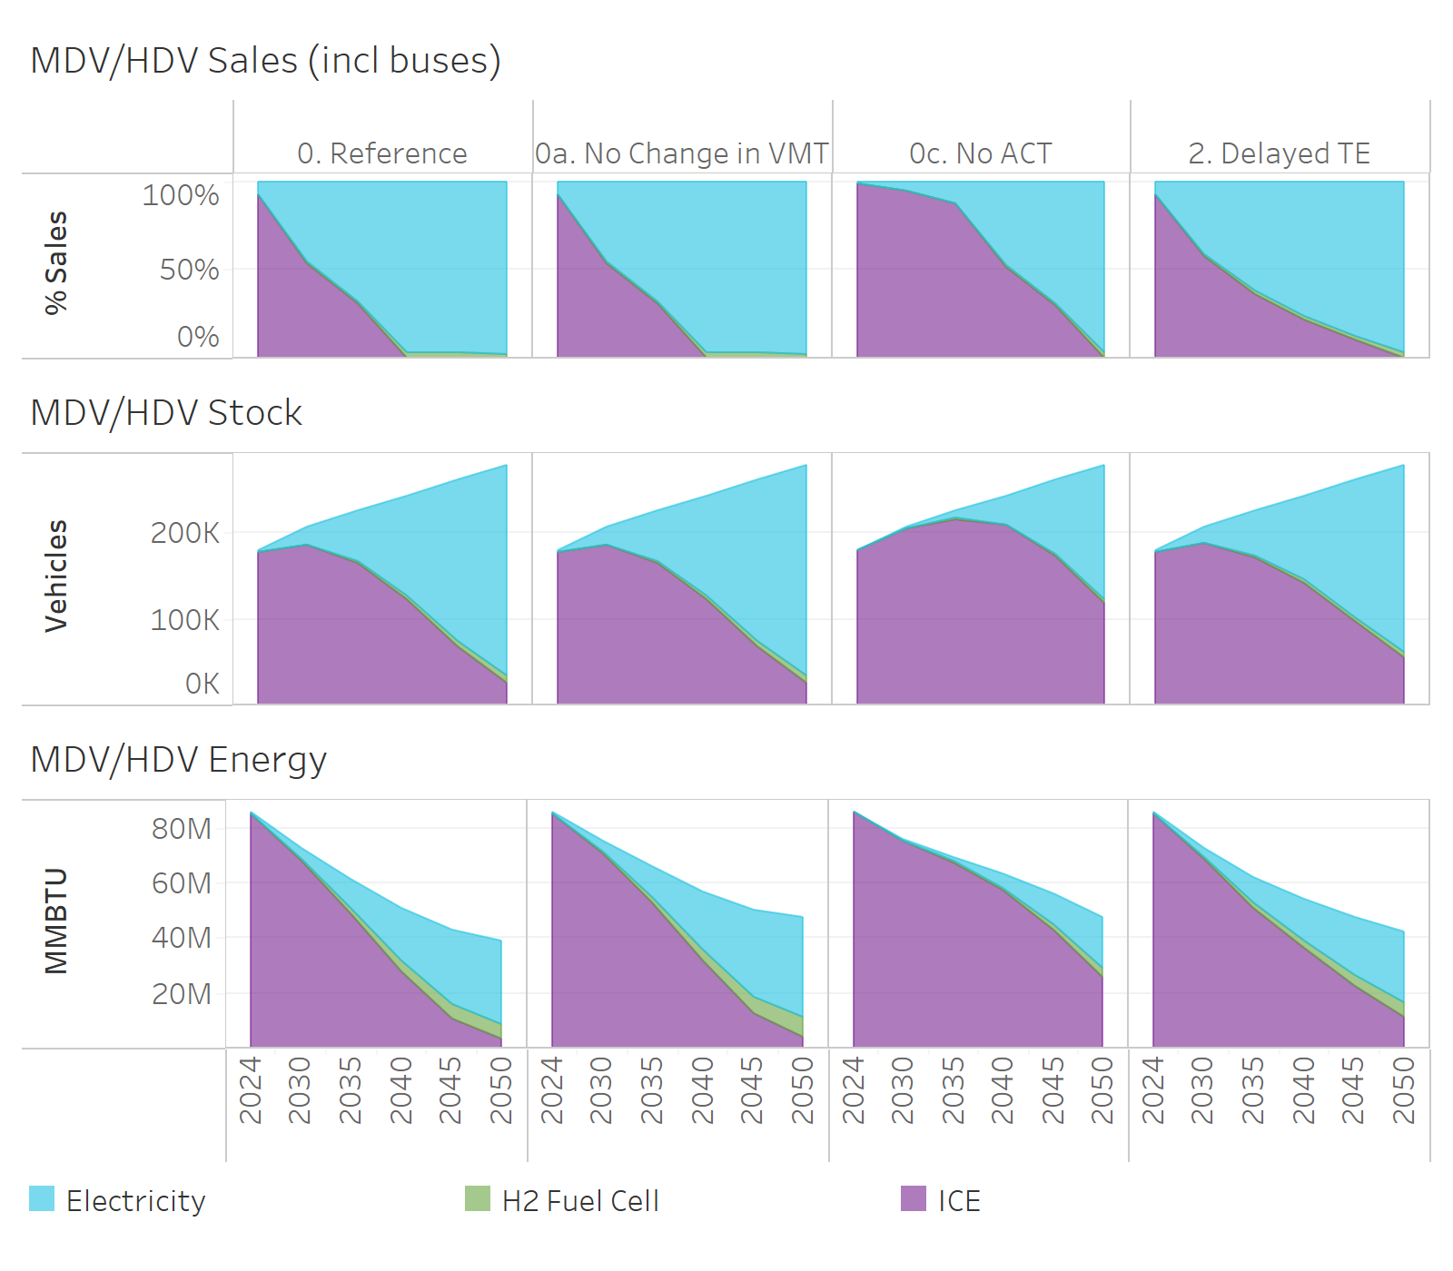
Energy
MHDV Demand Technology | Scenario | Year | MHDV Energy (MMBTU)
Electric | 0. Reference | 2024 | 435,543
Electric | 0. Reference | 2030 | 4,024,998
Electric | 0. Reference | 2035 | 10,270,889
Electric | 0. Reference | 2040 | 19,339,553
Electric | 0. Reference | 2045 | 27,151,127
Electric | 0. Reference | 2050 | 30,014,110
Electric | 0a. No Change in VMT | 2024 | 435,543
Electric | 0a. No Change in VMT | 2030 | 4,176,029
Electric | 0a. No Change in VMT | 2035 | 11,033,586
Electric | 0a. No Change in VMT | 2040 | 21,602,797
Electric | 0a. No Change in VMT | 2045 | 31,655,085
Electric | 0a. No Change in VMT | 2050 | 36,589,739
Electric | 0c. No ACT | 2024 | 76,171
Electric | 0c. No ACT | 2030 | 559,574
Electric | 0c. No ACT | 2035 | 1,478,025
Electric | 0c. No ACT | 2040 | 5,083,823
Electric | 0c. No ACT | 2045 | 11,229,740
Electric | 0c. No ACT | 2050 | 18,855,970
Electric | 2. Delayed TE | 2024 | 434,359
Electric | 2. Delayed TE | 2030 | 3,727,419
Electric | 2. Delayed TE | 2035 | 9,187,007
Electric | 2. Delayed TE | 2040 | 15,088,422
Electric | 2. Delayed TE | 2045 | 20,961,350
Electric | 2. Delayed TE | 2050 | 25,629,138
H2 Fuel Cell | 0. Reference | 2024 | 54,683
H2 Fuel Cell | 0. Reference | 2030 | 727,212
H2 Fuel Cell | 0. Reference | 2035 | 1,760,891
H2 Fuel Cell | 0. Reference | 2040 | 3,473,177
H2 Fuel Cell | 0. Reference | 2045 | 5,073,369
H2 Fuel Cell | 0. Reference | 2050 | 5,794,508
H2 Fuel Cell | 0a. No Change in VMT | 2024 | 54,683
H2 Fuel Cell | 0a. No Change in VMT | 2030 | 756,433
H2 Fuel Cell | 0a. No Change in VMT | 2035 | 1,905,254
H2 Fuel Cell | 0a. No Change in VMT | 2040 | 3,922,421
H2 Fuel Cell | 0a. No Change in VMT | 2045 | 5,999,440
H2 Fuel Cell | 0a. No Change in VMT | 2050 | 7,187,642
H2 Fuel Cell | 0c. No ACT | 2024 | 9,370
...

21. LDV
...
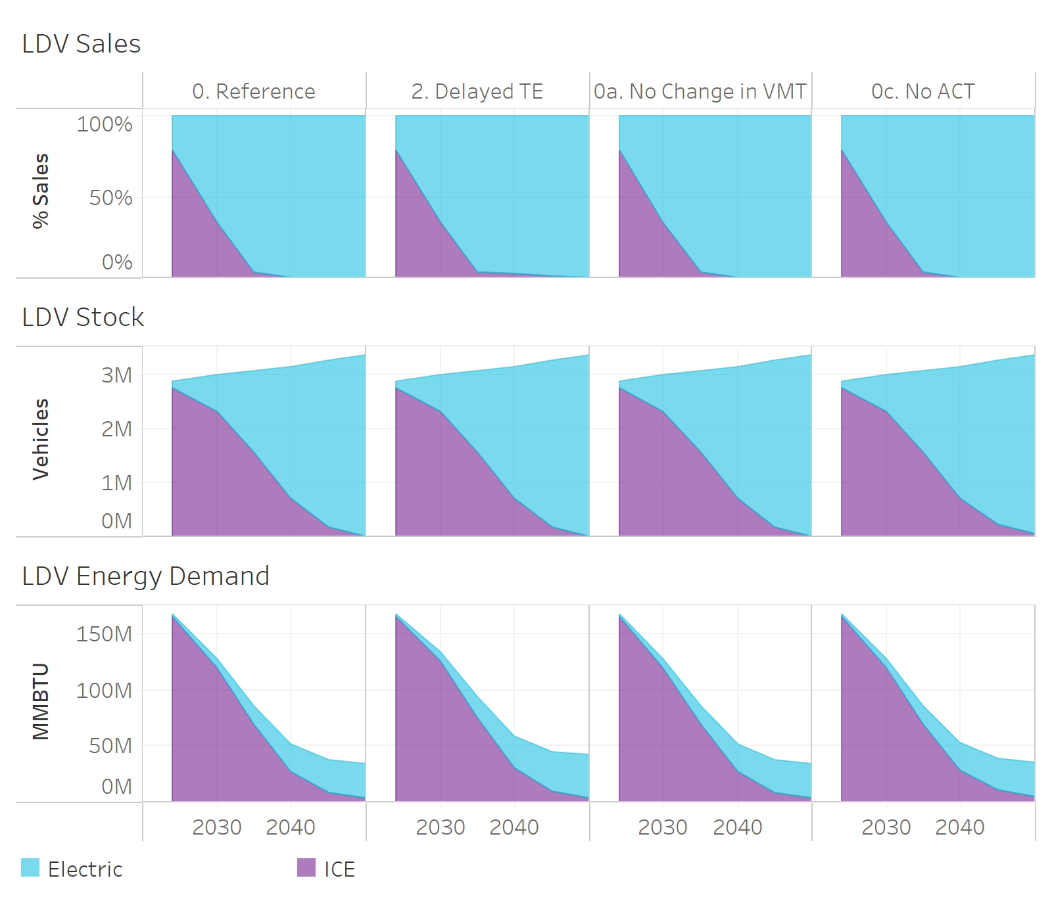
Energy
LDV Demand Technology | Scenario | Year | LDV Energy (MMBTU)
Electric | 0. Reference | 2024 | 1,808,796
Electric | 0. Reference | 2030 | 8,256,576
Electric | 0. Reference | 2035 | 16,809,583
Electric | 0. Reference | 2040 | 25,001,317
Electric | 0. Reference | 2045 | 29,354,803
Electric | 0. Reference | 2050 | 30,831,978
Electric | 0a. No Change in VMT | 2024 | 1,808,796
Electric | 0a. No Change in VMT | 2030 | 8,600,600
Electric | 0a. No Change in VMT | 2035 | 18,271,286
Electric | 0a. No Change in VMT | 2040 | 28,410,587
Electric | 0a. No Change in VMT | 2045 | 34,946,194
Electric | 0a. No Change in VMT | 2050 | 38,539,972
Electric | 0c. No ACT | 2024 | 1,808,796
Electric | 0c. No ACT | 2030 | 8,256,576
Electric | 0c. No ACT | 2035 | 16,809,583
Electric | 0c. No ACT | 2040 | 25,001,317
Electric | 0c. No ACT | 2045 | 29,354,803
Electric | 0c. No ACT | 2050 | 30,831,978
Electric | 2. Delayed TE | 2024 | 1,808,796
Electric | 2. Delayed TE | 2030 | 8,256,576
Electric | 2. Delayed TE | 2035 | 16,809,583
Electric | 2. Delayed TE | 2040 | 24,761,206
Electric | 2. Delayed TE | 2045 | 28,865,215
Electric | 2. Delayed TE | 2050 | 30,358,332
ICE | 0. Reference | 2024 | 165,796,271
ICE | 0. Reference | 2030 | 120,142,140
ICE | 0. Reference | 2035 | 69,138,240
ICE | 0. Reference | 2040 | 26,986,806
ICE | 0. Reference | 2045 | 8,347,906
ICE | 0. Reference | 2050 | 3,175,632
ICE | 0a. No Change in VMT | 2024 | 165,796,271
ICE | 0a. No Change in VMT | 2030 | 125,148,063
ICE | 0a. No Change in VMT | 2035 | 75,150,261
ICE | 0a. No Change in VMT | 2040 | 30,666,825
ICE | 0a. No Change in VMT | 2045 | 9,937,983
...

22. Non-Coincident Flex Load
Non-Coincident Flexible Load (GW)

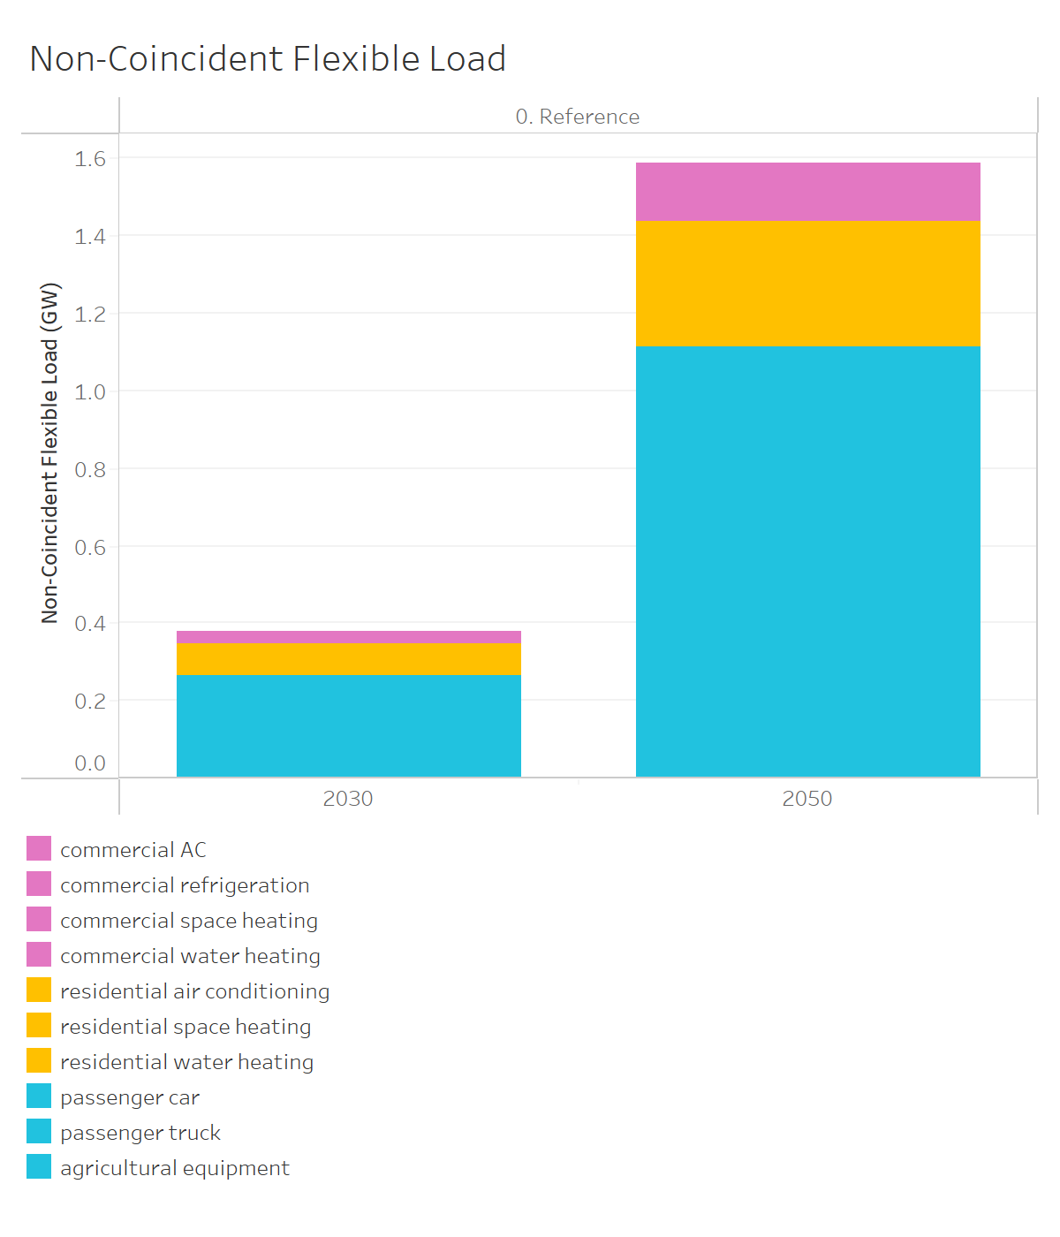
Scenario | Flex Load Type | Year | Non-Coincident Flex Load (GW)
0. Reference | commercial AC | 2030 | 0.02
0. Reference | commercial AC | 2050 | 0.05
0. Reference | commercial refrigeration | 2030 | 0.01
0. Reference | commercial refrigeration | 2050 | 0.03
0. Reference | commercial space heating | 2030 | 0.00
0. Reference | commercial space heating | 2050 | 0.05
0. Reference | commercial water heating | 2030 | 0.00
0. Reference | commercial water heating | 2050 | 0.02
0. Reference | residential air conditioning | 2030 | 0.03
0. Reference | residential air conditioning | 2050 | 0.11
0. Reference | residential space heating | 2030 | 0.03
0. Reference | residential space heating | 2050 | 0.16
0. Reference | residential water heating | 2030 | 0.02
0. Reference | residential water heating | 2050 | 0.05
0. Reference | passenger car | 2030 | 0.07
0. Reference | passenger car | 2050 | 0.21
0. Reference | passenger truck | 2030 | 0.20
0. Reference | passenger truck | 2050 | 0.88
0. Reference | agricultural equipment | 2030 | 0.00
0. Reference | agricultural equipment | 2050 | 0.02

24. Gas Powerplant Capacity
Gas Powerplant Capacity (GW)

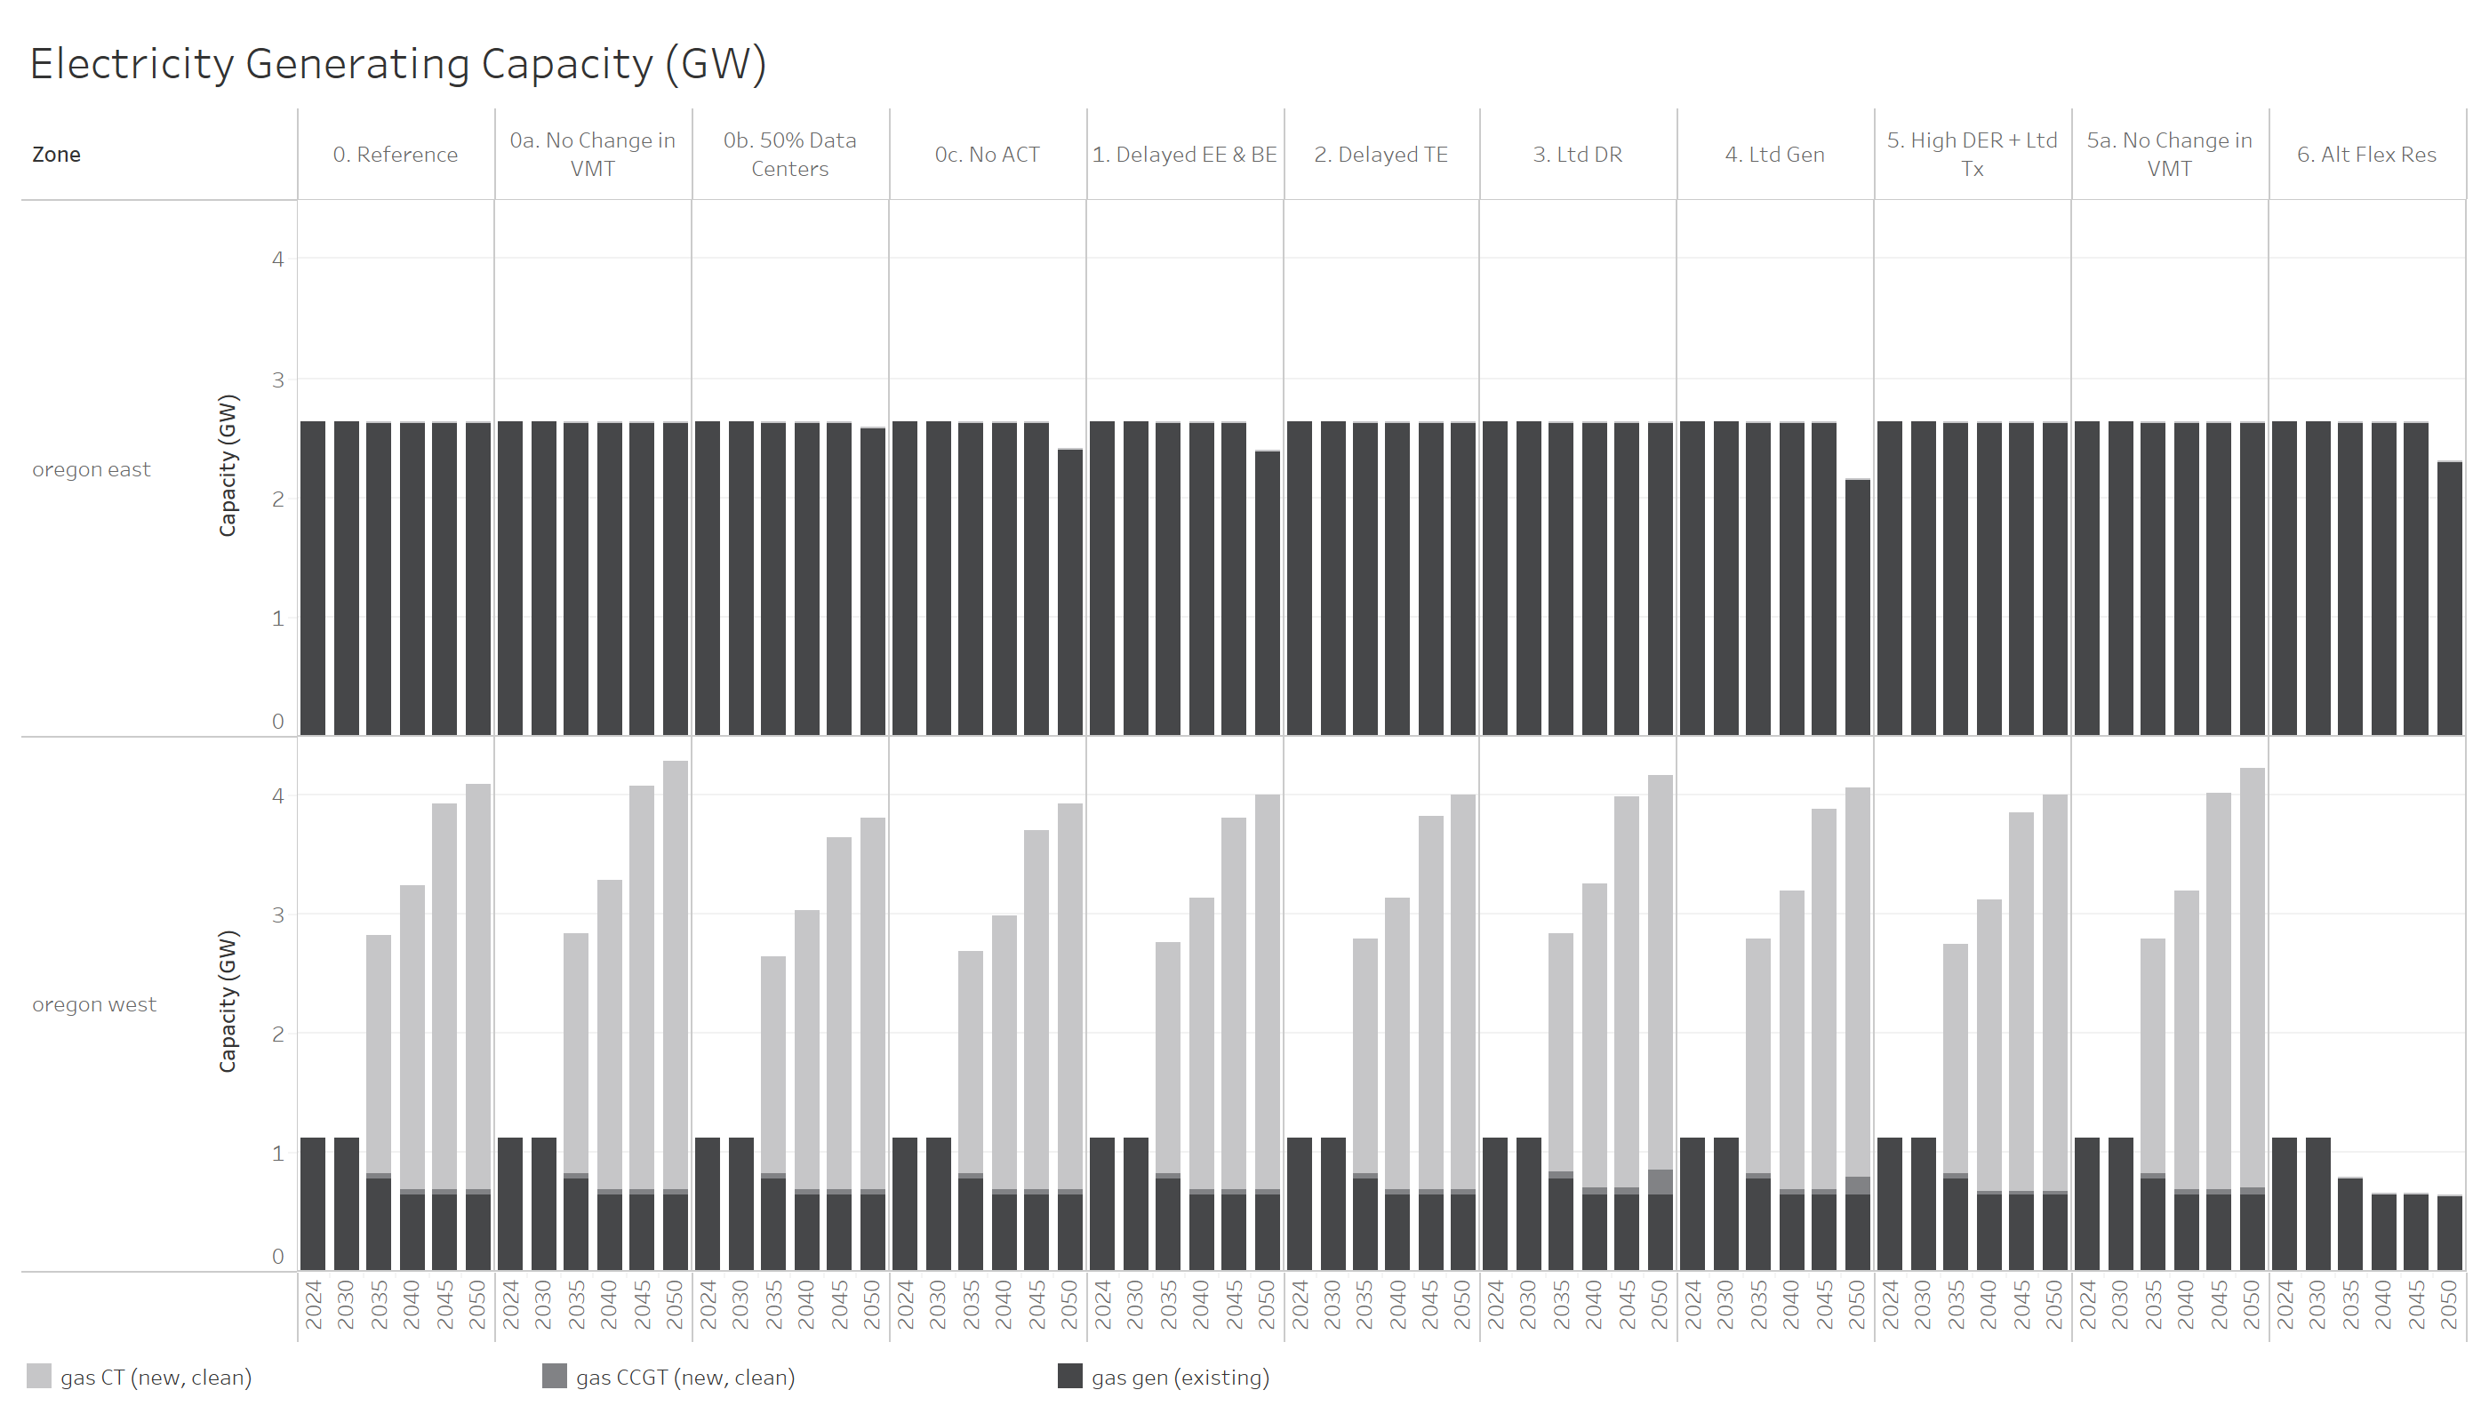
Scenario | Gas Technology | Year | Zone | Gas Capacity (GW)
0. Reference | gas CT (new, clean) | 2035 | oregon east | 0.00
0. Reference | gas CT (new, clean) | 2035 | oregon west | 2.00
0. Reference | gas CT (new, clean) | 2040 | oregon east | 0.00
0. Reference | gas CT (new, clean) | 2040 | oregon west | 2.56
0. Reference | gas CT (new, clean) | 2045 | oregon east | 0.00
0. Reference | gas CT (new, clean) | 2045 | oregon west | 3.25
0. Reference | gas CT (new, clean) | 2050 | oregon east | 0.00
0. Reference | gas CT (new, clean) | 2050 | oregon west | 3.40
0a. No Change in VMT | gas CT (new, clean) | 2035 | oregon east | 0.00
0a. No Change in VMT | gas CT (new, clean) | 2035 | oregon west | 2.02
0a. No Change in VMT | gas CT (new, clean) | 2040 | oregon east | 0.00
0a. No Change in VMT | gas CT (new, clean) | 2040 | oregon west | 2.60
0a. No Change in VMT | gas CT (new, clean) | 2045 | oregon east | 0.00
0a. No Change in VMT | gas CT (new, clean) | 2045 | oregon west | 3.40
0a. No Change in VMT | gas CT (new, clean) | 2050 | oregon east | 0.00
0a. No Change in VMT | gas CT (new, clean) | 2050 | oregon west | 3.59
0b. 50% Data Centers | gas CT (new, clean) | 2035 | oregon east | 0.00
0b. 50% Data Centers | gas CT (new, clean) | 2035 | oregon west | 1.83
0b. 50% Data Centers | gas CT (new, clean) | 2040 | oregon east | 0.00
0b. 50% Data Centers | gas CT (new, clean) | 2040 | oregon west | 2.36
0b. 50% Data Centers | gas CT (new, clean) | 2045 | oregon east | 0.00
0b. 50% Data Centers | gas CT (new, clean) | 2045 | oregon west | 2.96
0b. 50% Data Centers | gas CT (new, clean) | 2050 | oregon east | 0.00
0b. 50% Data Centers | gas CT (new, clean) | 2050 | oregon west | 3.12
0c. No ACT | gas CT (new, clean) | 2035 | oregon east | 0.00
0c. No ACT | gas CT (new, clean) | 2035 | oregon west | 1.87
0c. No ACT | gas CT (new, clean) | 2040 | oregon east | 0.00
0c. No ACT | gas CT (new, clean) | 2040 | oregon west | 2.30
0c. No ACT | gas CT (new, clean) | 2045 | oregon east | 0.00
0c. No ACT | gas CT (new, clean) | 2045 | oregon west | 3.02
0c. No ACT | gas CT (new, clean) | 2050 | oregon east | 0.00
0c. No ACT | gas CT (new, clean) | 2050 | oregon west | 3.24
1. Delayed EE & BE | gas CT (new, clean) | 2035 | oregon east | 0.00
1. Delayed EE & BE | gas CT (new, clean) | 2035 | oregon west | 1.94
1. Delayed EE & BE | gas CT (new, clean) | 2040 | oregon east | 0.00
...

