Coversheet


Oregon Energy Strategy
Updated June 6th, 2025

Data Library - Complementary Analysis
This Data Library accompanies the Complementary Analysis Technical Report

Sheet Index | Tab Title | Sheet Title
1 | Cumulative Health Benefits | Cumulative Air Quality Health Benefits (NPV)
2 | Impact to Health Metrics | Impact to Health Metrics and Mortality
3 | Total Benefits | Total Benefits attributed to Pollutant Emissions Reductions
4 | Cost Assumptions for EVs | Vehicle Cost Assumptions (including charger installation costs for EVs)
5 | Cost Assumptions for HPs | Heating and Cooling Technology Cost Assumptions (including installation)
6 | EV Customer Costs-Slide 36 | Savings Across Sample Households ($0.20/kWh electricity, $1.50/therm gas, no IRA, EVs purchased in 2030 and 2035)
7 | EV Customer Costs-Slide 37 | Jessica's savings of EV purchase in 2030 and 2035 with different electricity rates (no IRA)
8 | EV Customer Costs-Slide 38 | Jessica's savings of EV purchase in 2030 and 2035 with different tax incentives ($0.20/kWh electricity, $1.50/therm gas)
9 | EV Customer Costs-Slide 39 | Savings Across Sample Households ($0.20/kWh electricity, $1.50/therm gas, includes IRA, assumes EV purchases in 2030 and 2035)
10 | EV Customer Costs-Slide 40 | Jessica's estimated energy spending based on EV purchase year ($0.20/kWh electricity, $1.50/therm gas, no IRA)
11 | EV Customer Energy-Slide 41 | Jessica's energy use varying EV purchase year
12 | HP Energy-Slide 44 | Energy use excluding vehicles by year of heat pump purchase
13 | HP Costs-Slides 45,46,47 | Estimated bills as percentage of no heat pump purchase for a 2030 heat pump purchase (assumes no EV purchase)
14 | Mapping-Slides 73-87 | Geospatial Mapping Data by Census Tract

1. Cumulative Health Benefits
Cumulative Air Quality Health Benefits (NPV)

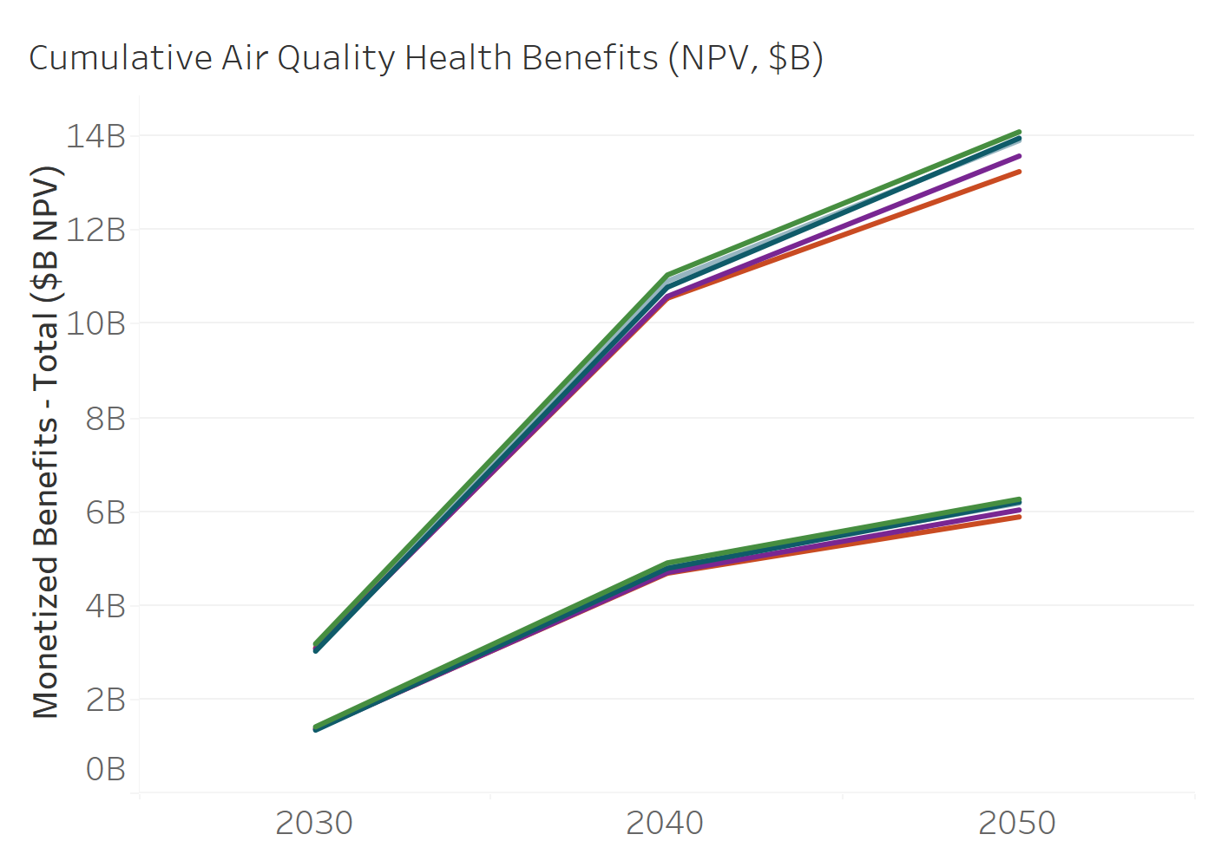
High or Low Estimate | Scenario | Year | NPV ($)
Monetized Benefits (High) - Total | 0. Reference | 2030 | 3188238512
Monetized Benefits (High) - Total | 0. Reference | 2040 | 11048114464
High Estimates
Monetized Benefits (High) - Total | 0. Reference | 2050 | 14099028025
Monetized Benefits (High) - Total | 0a. No change in VMT | 2030 | 3030792409
Monetized Benefits (High) - Total | 0a. No change in VMT | 2040 | 10787507401
Monetized Benefits (High) - Total | 0a. No change in VMT | 2050 | 13964606053
Monetized Benefits (High) - Total | 0c. No act | 2030 | 3074527664
Monetized Benefits (High) - Total | 0c. No act | 2040 | 10591566762
Monetized Benefits (High) - Total | 0c. No act | 2050 | 13583036577
Monetized Benefits (High) - Total | 1.Delayed Energy Efficiency and Building Electrification | 2030 | 3096920823
Low Estimates
Monetized Benefits (High) - Total | 1.Delayed Energy Efficiency and Building Electrification | 2040 | 10553525897
Monetized Benefits (High) - Total | 1.Delayed Energy Efficiency and Building Electrification | 2050 | 13251120130
Monetized Benefits (High) - Total | 2.Delayed Transportation Electrification | 2030 | 3160510971
Monetized Benefits (High) - Total | 2.Delayed Transportation Electrification | 2040 | 10916571222
Monetized Benefits (High) - Total | 2.Delayed Transportation Electrification | 2050 | 13915545225
Monetized Benefits (Low) - Total | 0. Reference | 2030 | 1416909844
Monetized Benefits (Low) - Total | 0. Reference | 2040 | 4911603118
Monetized Benefits (Low) - Total | 0. Reference | 2050 | 6268992331
Monetized Benefits (Low) - Total | 0a. No change in VMT | 2030 | 1346898826
Monetized Benefits (Low) - Total | 0a. No change in VMT | 2040 | 4795670219
Monetized Benefits (Low) - Total | 0a. No change in VMT | 2050 | 6209152797
Monetized Benefits (Low) - Total | 0c. No act | 2030 | 1366339034
Monetized Benefits (Low) - Total | 0c. No act | 2040 | 4708429180
Monetized Benefits (Low) - Total | 0c. No act | 2050 | 6039309522
Monetized Benefits (Low) - Total | 1.Delayed Energy Efficiency and Building Electrification | 2030 | 1376298071
Monetized Benefits (Low) - Total | 1.Delayed Energy Efficiency and Building Electrification | 2040 | 4691487585
Monetized Benefits (Low) - Total | 1.Delayed Energy Efficiency and Building Electrification | 2050 | 5891560470
Monetized Benefits (Low) - Total | 2.Delayed Transportation Electrification | 2030 | 1404584855
Monetized Benefits (Low) - Total | 2.Delayed Transportation Electrification | 2040 | 4853064197
Monetized Benefits (Low) - Total | 2.Delayed Transportation Electrification | 2050 | 6187310982

2. Impact to Health Metrics
Impact to Health Metrics and Mortality

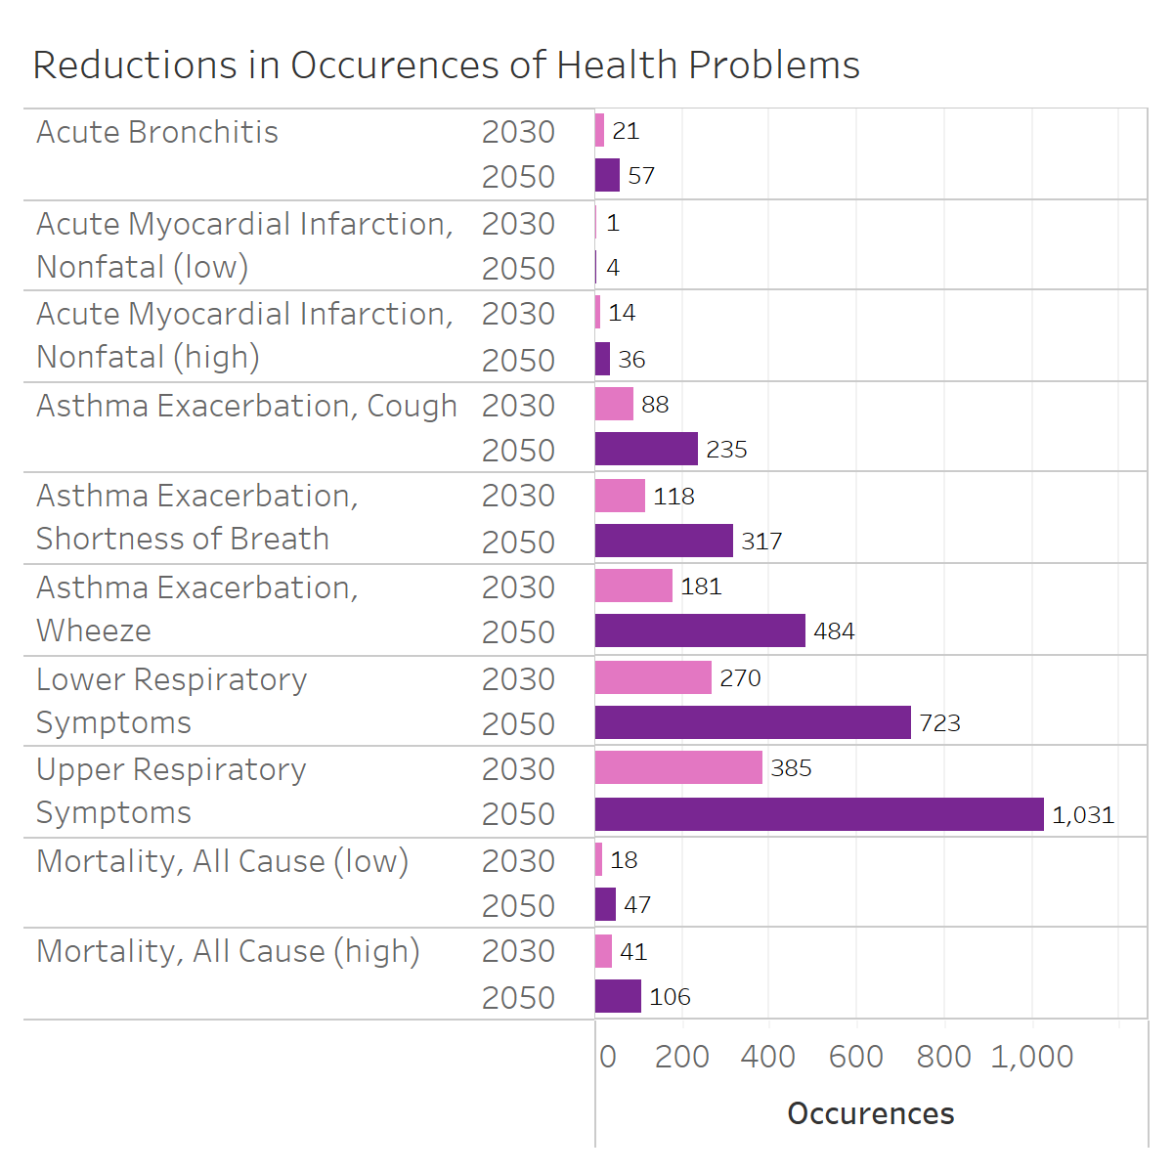
Health Metrics | Year | Reductions in Occurences
Acute Bronchitis | 2030 | 21
Acute Myocardial Infarction, Nonfatal (low) | 2030 | 1
Acute Myocardial Infarction, Nonfatal (high) | 2030 | 14
Asthma Exacerbation, Cough | 2030 | 88
Asthma Exacerbation, Shortness of Breath | 2030 | 118
Asthma Exacerbation, Wheeze | 2030 | 181
Lower Respiratory Symptoms | 2030 | 270
Upper Respiratory Symptoms | 2030 | 385
Mortality, All Cause (low) | 2030 | 18
Mortality, All Cause (high) | 2030 | 41
Acute Bronchitis | 2050 | 57
Acute Myocardial Infarction, Nonfatal (low) | 2050 | 4
Acute Myocardial Infarction, Nonfatal (high) | 2050 | 36
Asthma Exacerbation, Cough | 2050 | 235
Asthma Exacerbation, Shortness of Breath | 2050 | 317
Asthma Exacerbation, Wheeze | 2050 | 484
Lower Respiratory Symptoms | 2050 | 723
Upper Respiratory Symptoms | 2050 | 1031
Mortality, All Cause (low) | 2050 | 47
Mortality, All Cause (high) | 2050 | 106

3. Total Benefits
Total Benefits attributed to Pollutant Emissions Reductions

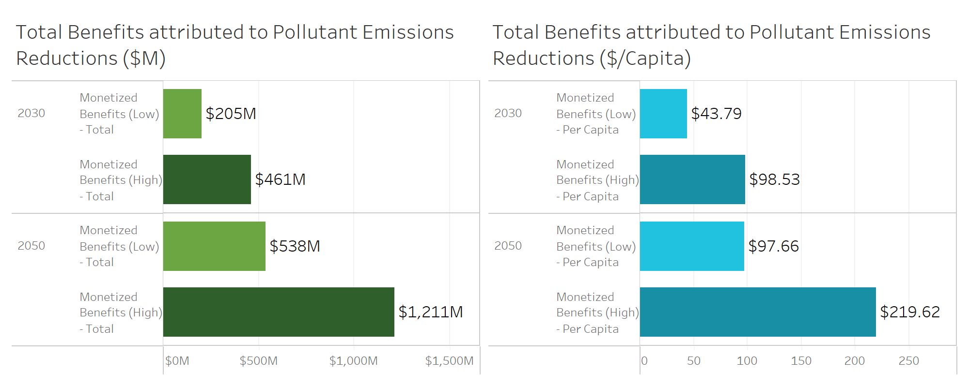
Year | Total Benefits ($)
2030 | 204950657
2030 | 461166658
2050 | 538375030
2050 | 1210757606

Year | Benefits per Capita ($)
2030 | 44
2030 | 99
2050 | 98
2050 | 220

4. Cost Assumptions for EVs
Vehicle Cost Assumptions (including charger installation costs for EVs)

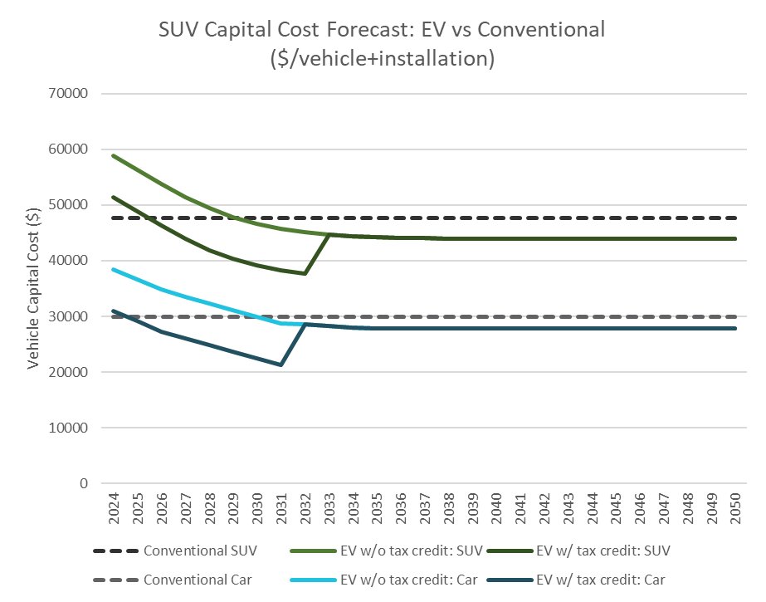
Year | ICE SUV ($) | EV SUV ($) | EV SUV w/incentive ($) | ICE car ($) | EV car ($) | EV car w/incentive ($)
2024 | 47604 | 58906 | 51406 | 29934 | 38438 | 30938
2025 | 47604 | 56337 | 48837 | 29934 | 36604 | 29104
2026 | 47604 | 53771 | 46271 | 29934 | 34771 | 27271
2027 | 47604 | 51417 | 43917 | 29934 | 33571 | 26071
2028 | 47604 | 49419 | 41919 | 29934 | 32371 | 24871
2029 | 47604 | 47831 | 40331 | 29934 | 31171 | 23671
2030 | 47604 | 46636 | 39136 | 29934 | 29971 | 22471
2031 | 47604 | 45771 | 38271 | 29934 | 28771 | 21271
2032 | 47604 | 45163 | 37663 | 29934 | 28521 | 28521
2033 | 47604 | 44745 | 44745 | 29934 | 28271 | 28271
2034 | 47604 | 44462 | 44462 | 29934 | 28021 | 28021
2035 | 47604 | 44271 | 44271 | 29934 | 27771 | 27771
2036 | 47604 | 44144 | 44144 | 29934 | 27771 | 27771
2037 | 47604 | 44059 | 44059 | 29934 | 27771 | 27771
2038 | 47604 | 44003 | 44003 | 29934 | 27771 | 27771
2039 | 47604 | 43966 | 43966 | 29934 | 27771 | 27771
2040 | 47604 | 43942 | 43942 | 29934 | 27771 | 27771
2041 | 47604 | 43926 | 43926 | 29934 | 27771 | 27771
2042 | 47604 | 43915 | 43915 | 29934 | 27771 | 27771
2043 | 47604 | 43908 | 43908 | 29934 | 27771 | 27771
2044 | 47604 | 43903 | 43903 | 29934 | 27771 | 27771
2045 | 47604 | 43900 | 43900 | 29934 | 27771 | 27771
2046 | 47604 | 43898 | 43898 | 29934 | 27771 | 27771
2047 | 47604 | 43897 | 43897 | 29934 | 27771 | 27771
2048 | 47604 | 43896 | 43896 | 29934 | 27771 | 27771
2049 | 47604 | 43895 | 43895 | 29934 | 27771 | 27771
2050 | 47604 | 43895 | 43895 | 29934 | 27771 | 27771

5. Cost Assumptions for HPs
Heating and Cooling Technology Cost Assumptions (including installation)

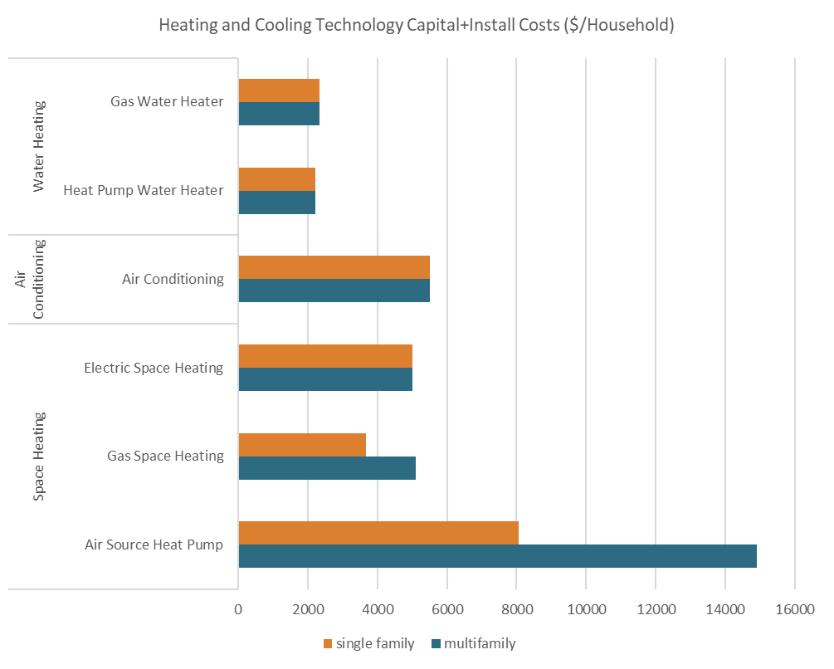
Appliance Type | Technology | Multifamily Cost ($/Household) | Single Family Cost ($/Household)
Space Heating | Air Source Heat Pump | 14900 | 8061
 | Gas Space Heating | 5112 | 3663
 | Electric Space Heating | 5000 | 5000
Air Conditioning | Air Conditioning | 5502 | 5502
Water Heating | Heat Pump Water Heater | 2225 | 2225
 | Gas Water Heater | 2342 | 2342

6. EV Customer Costs-Slide 36
Savings Across Sample Households ($0.20/kWh electricity, $1.50/therm gas, no IRA, EVs purchased in 2030 and 2035)

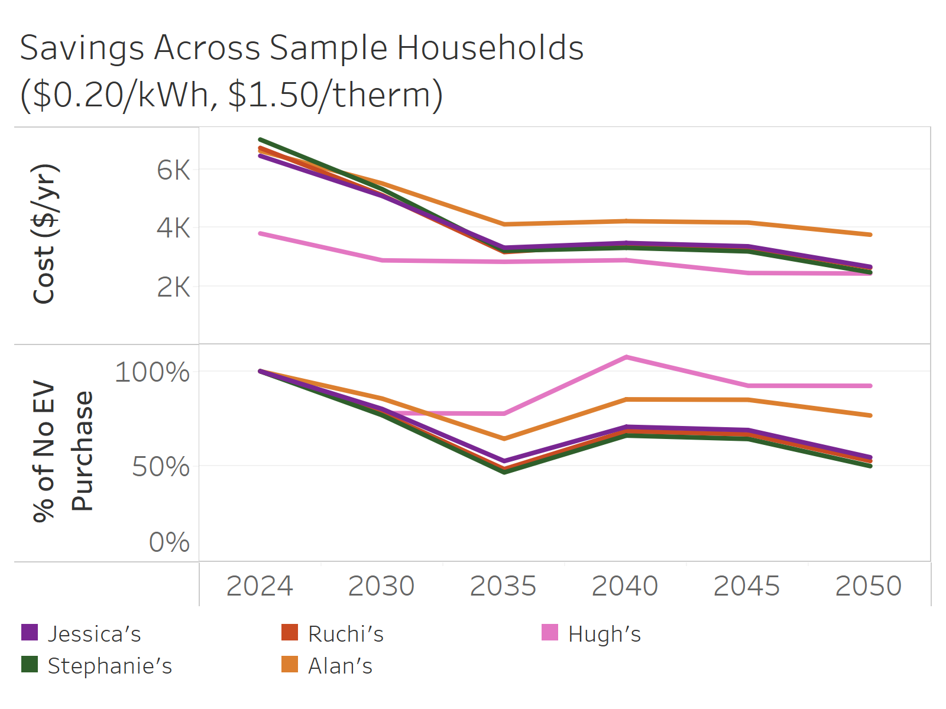
Household | Year | Total Energy Cost ($/yr) | Pct of No Purchase
Jessica's | 2024 | 6457 | 100%
Jessica's | 2030 | 5082 | 80%
Jessica's | 2035 | 3313 | 53%
Jessica's | 2040 | 3475 | 71%
Jessica's | 2045 | 3360 | 69%
Jessica's | 2050 | 2658 | 55%
Stephanie's | 2024 | 7015 | 100%
Stephanie's | 2030 | 5317 | 77%
Stephanie's | 2035 | 3207 | 47%
Stephanie's | 2040 | 3308 | 66%
Stephanie's | 2045 | 3185 | 64%
Stephanie's | 2050 | 2468 | 50%
Ruchi's | 2024 | 6729 | 100%
Ruchi's | 2030 | 5113 | 78%
Ruchi's | 2035 | 3161 | 49%
Ruchi's | 2040 | 3438 | 69%
Ruchi's | 2045 | 3325 | 67%
Ruchi's | 2050 | 2626 | 53%
Alan's | 2024 | 6626 | 100%
Alan's | 2030 | 5512 | 86%
Alan's | 2035 | 4113 | 65%
Alan's | 2040 | 4221 | 85%
Alan's | 2045 | 4172 | 85%
Alan's | 2050 | 3757 | 77%
Hugh's | 2024 | 3801 | 100%
Hugh's | 2030 | 2879 | 78%
Hugh's | 2035 | 2830 | 78%
Hugh's | 2040 | 2885 | 107%
Hugh's | 2045 | 2446 | 92%
Hugh's | 2050 | 2428 | 92%

7. EV Customer Costs-Slide 37
Jessica's savings of EV purchase in 2030 and 2035 with different electricity rates (no IRA)

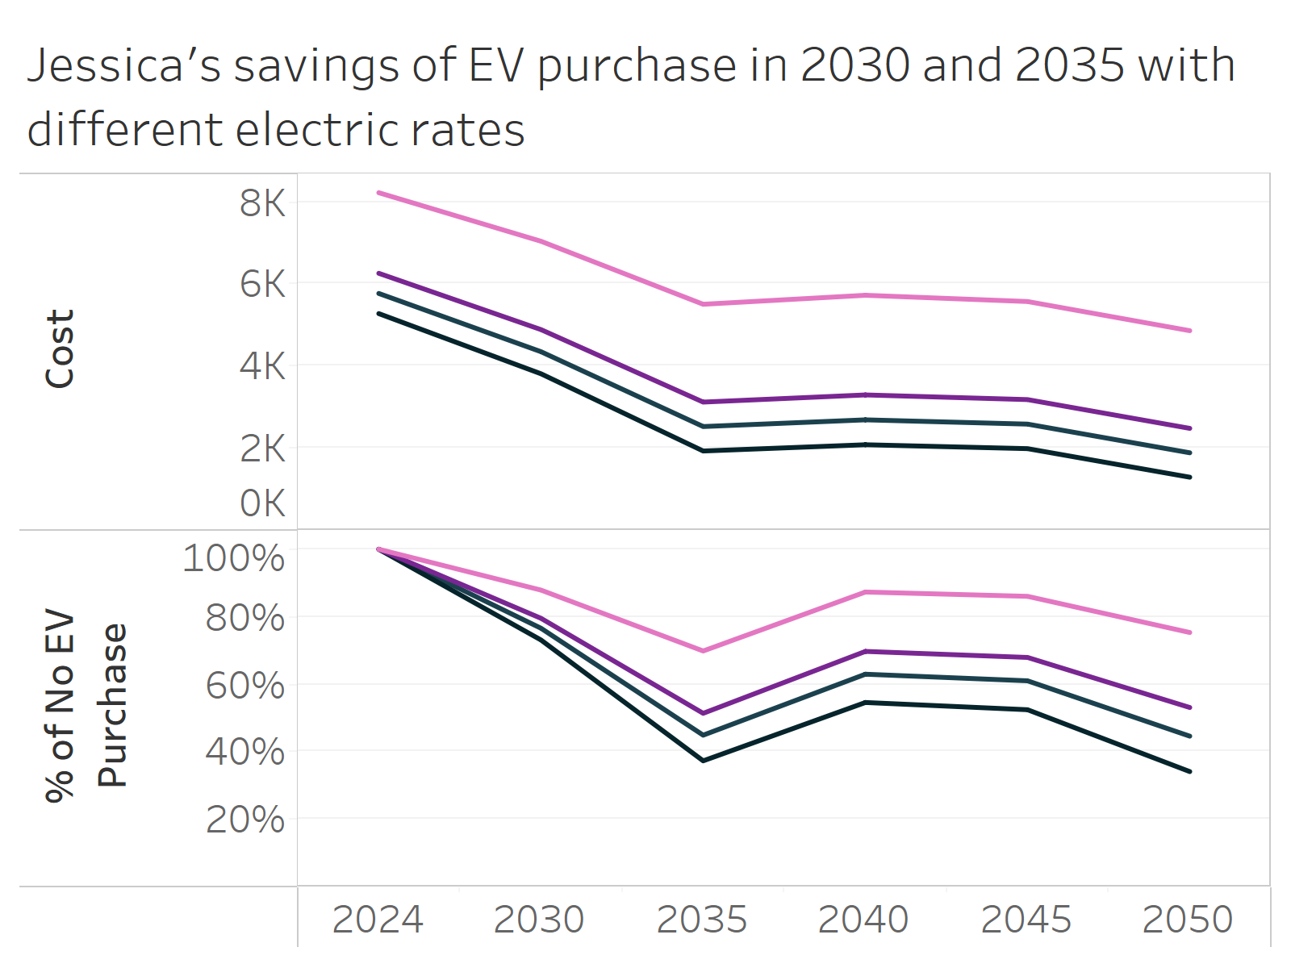
Electricity Rate | Year | Total Energy Cost ($/yr) | Pct of No Purchase
Higher | 2024 | 8219 | 100%
Higher | 2030 | 7036 | 88%
Higher | 2035 | 5500 | 70%
Higher | 2040 | 5719 | 87%
$/kWh
Higher | 2045 | 5567 | 86%
Higher | 2050 | 4857 | 75%
$0.40
High | 2024 | 6255 | 100%
High | 2030 | 4883 | 80%
$0.20
High | 2035 | 3117 | 51%
$0.15
$0.10
High | 2040 | 3291 | 70%
High | 2045 | 3177 | 68%
High | 2050 | 2476 | 53%
Low | 2024 | 5273 | 100%
Low | 2030 | 3806 | 73%
Low | 2035 | 1925 | 37%
Low | 2040 | 2077 | 55%
Low | 2045 | 1982 | 52%
Low | 2050 | 1286 | 34%
Medium | 2024 | 5764 | 100%
Medium | 2030 | 4345 | 77%
Medium | 2035 | 2521 | 45%
Medium | 2040 | 2684 | 63%
Medium | 2045 | 2580 | 61%
Medium | 2050 | 1881 | 45%

8. EV Customer Costs-Slide 38
Jessica's savings of EV purchase in 2030 and 2035 with different tax incentives ($0.20/kWh electricity, $1.50/therm gas)

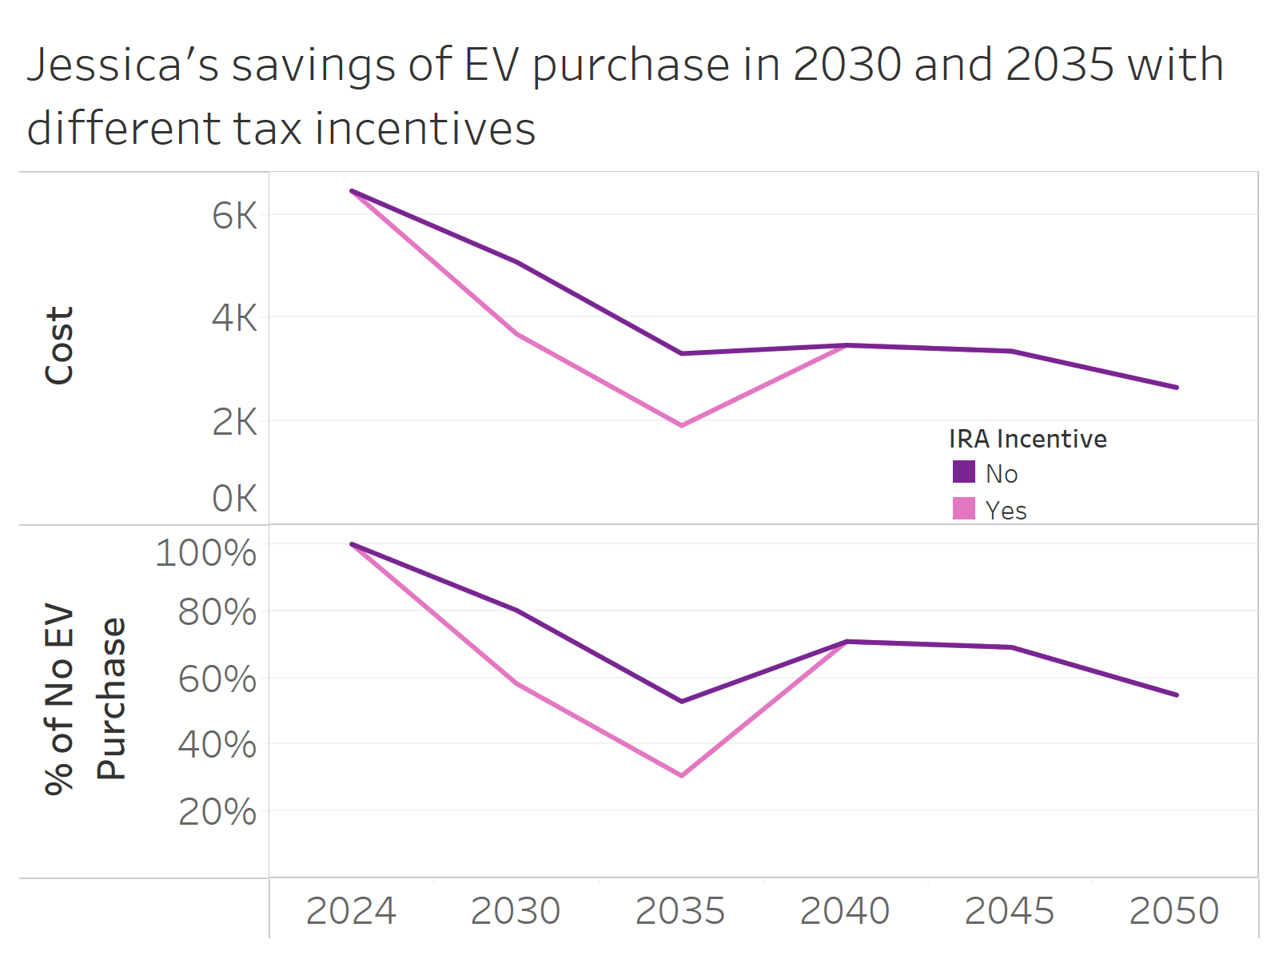
IRA Incentive | Year | Total Energy Cost ($/yr) | Pct of No Purchase
No | 2024 | 6457 | 100%
No | 2030 | 5082 | 80%
No | 2035 | 3313 | 53%
No | 2040 | 3475 | 71%
No | 2045 | 3360 | 69%
No | 2050 | 2658 | 55%
Yes | 2024 | 6457 | 100%
Yes | 2030 | 3690 | 58%
Yes | 2035 | 1921 | 31%
Yes | 2040 | 3475 | 71%
Yes | 2045 | 3360 | 69%
Yes | 2050 | 2658 | 55%

9. EV Customer Costs-Slide 39
Savings Across Sample Households ($0.20/kWh electricity, $1.50/therm gas, includes IRA, assumes EV purchases in 2030 and 2035)

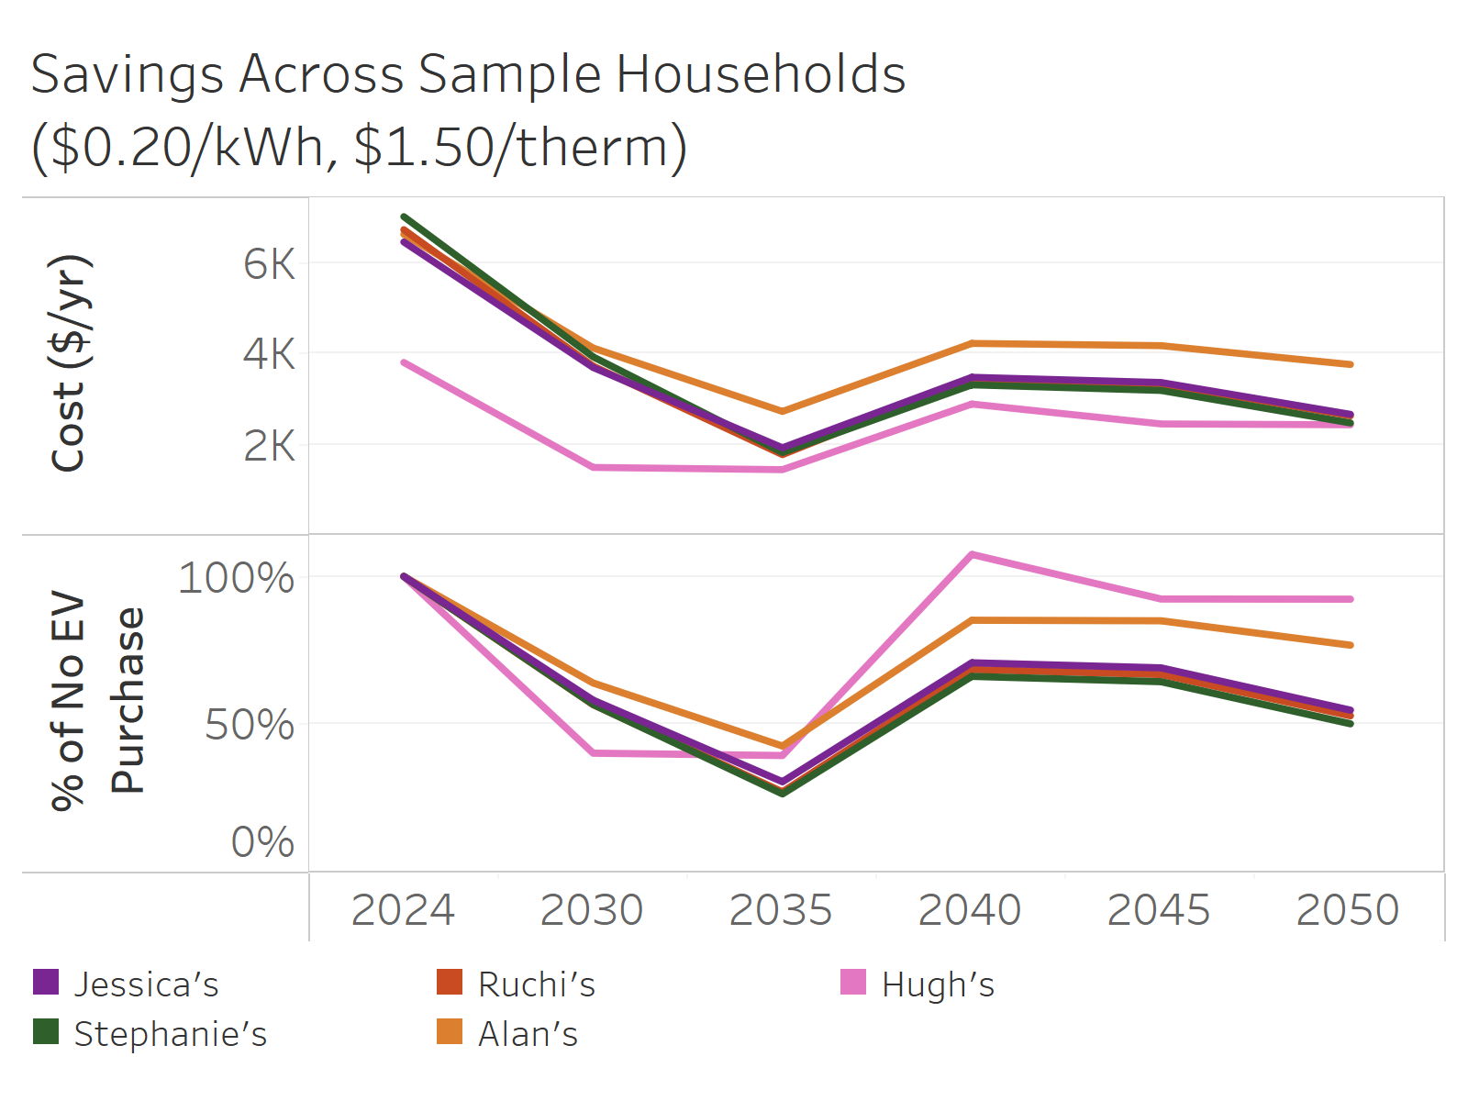
Household | Year | Total Energy Cost ($/yr) | Pct of No Purchase
Jessica's | 2024 | 6457 | 100%
Jessica's | 2030 | 3690 | 58%
Jessica's | 2035 | 1921 | 31%
Jessica's | 2040 | 3475 | 71%
Jessica's | 2045 | 3360 | 69%
Jessica's | 2050 | 2658 | 55%
Stephanie's | 2024 | 7015 | 100%
Stephanie's | 2030 | 3925 | 57%
Stephanie's | 2035 | 1815 | 27%
Stephanie's | 2040 | 3308 | 66%
Stephanie's | 2045 | 3185 | 64%
Stephanie's | 2050 | 2468 | 50%
Ruchi's | 2024 | 6729 | 100%
Ruchi's | 2030 | 3721 | 57%
Ruchi's | 2035 | 1770 | 27%
Ruchi's | 2040 | 3438 | 69%
Ruchi's | 2045 | 3325 | 67%
Ruchi's | 2050 | 2626 | 53%
Alan's | 2024 | 6626 | 100%
Alan's | 2030 | 4120 | 64%
Alan's | 2035 | 2721 | 43%
Alan's | 2040 | 4221 | 85%
Alan's | 2045 | 4172 | 85%
Alan's | 2050 | 3757 | 77%
Hugh's | 2024 | 3801 | 100%
Hugh's | 2030 | 1488 | 40%
Hugh's | 2035 | 1438 | 40%
Hugh's | 2040 | 2885 | 107%
Hugh's | 2045 | 2446 | 92%
Hugh's | 2050 | 2428 | 92%

10. EV Customer Costs-Slide 40
Jessica's estimated energy spending based on EV purchase year ($0.20/kWh electricity, $1.50/therm gas, no IRA)

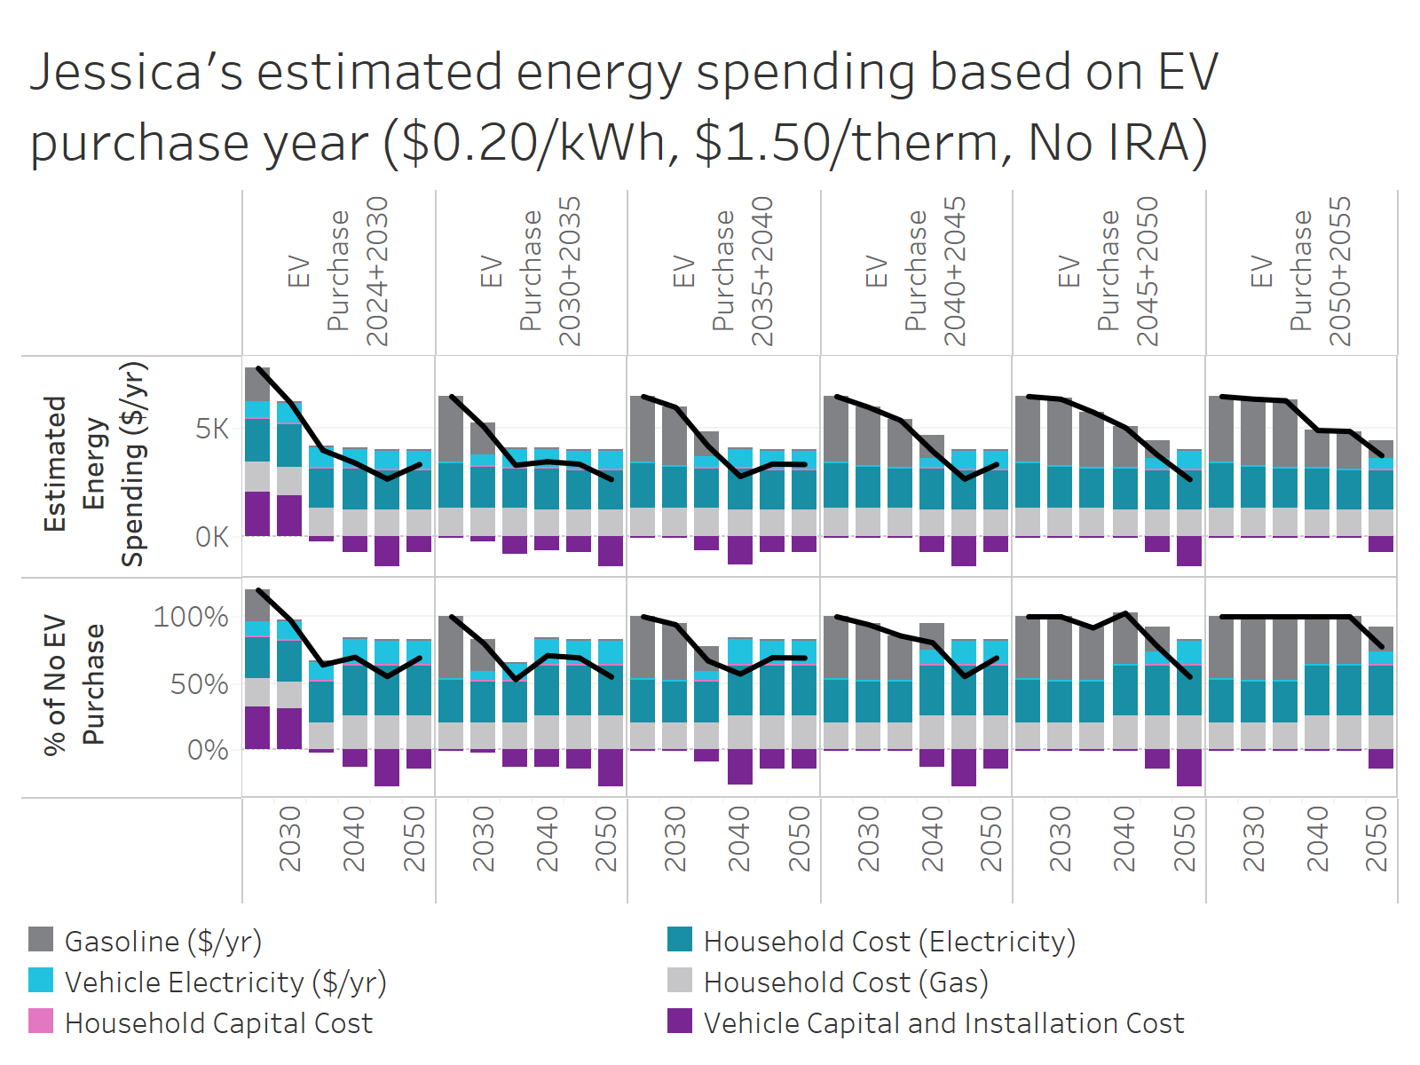
Cost Type | EV Purchase Year | Year | Total Energy Cost ($/yr) | Pct of No EV Purchase
Gasoline ($/yr) | EV Purchase 2024+2030 | 2024 | 1520 | 24%
Gasoline ($/yr) | EV Purchase 2024+2030 | 2030 | 0 | 0%
Gasoline ($/yr) | EV Purchase 2024+2030 | 2035 | 0 | 0%
Gasoline ($/yr) | EV Purchase 2024+2030 | 2040 | 0 | 0%
Gasoline ($/yr) | EV Purchase 2024+2030 | 2045 | 0 | 0%
Gasoline ($/yr) | EV Purchase 2024+2030 | 2050 | 0 | 0%
Gasoline ($/yr) | EV Purchase 2030+2035 | 2024 | 3040 | 47%
Gasoline ($/yr) | EV Purchase 2030+2035 | 2030 | 1520 | 24%
Gasoline ($/yr) | EV Purchase 2030+2035 | 2035 | 0 | 0%
Gasoline ($/yr) | EV Purchase 2030+2035 | 2040 | 0 | 0%
Gasoline ($/yr) | EV Purchase 2030+2035 | 2045 | 0 | 0%
Gasoline ($/yr) | EV Purchase 2030+2035 | 2050 | 0 | 0%
Gasoline ($/yr) | EV Purchase 2035+2040 | 2024 | 3040 | 47%
Gasoline ($/yr) | EV Purchase 2035+2040 | 2030 | 2662 | 42%
Gasoline ($/yr) | EV Purchase 2035+2040 | 2035 | 1143 | 18%
Gasoline ($/yr) | EV Purchase 2035+2040 | 2040 | 0 | 0%
Gasoline ($/yr) | EV Purchase 2035+2040 | 2045 | 0 | 0%
Gasoline ($/yr) | EV Purchase 2035+2040 | 2050 | 0 | 0%
Gasoline ($/yr) | EV Purchase 2040+2045 | 2024 | 3040 | 47%
Gasoline ($/yr) | EV Purchase 2040+2045 | 2030 | 2662 | 42%
Gasoline ($/yr) | EV Purchase 2040+2045 | 2035 | 2139 | 34%
Gasoline ($/yr) | EV Purchase 2040+2045 | 2040 | 997 | 20%
Gasoline ($/yr) | EV Purchase 2040+2045 | 2045 | 0 | 0%
Gasoline ($/yr) | EV Purchase 2040+2045 | 2050 | 0 | 0%
Gasoline ($/yr) | EV Purchase 2045+2050 | 2024 | 3040 | 47%
Gasoline ($/yr) | EV Purchase 2045+2050 | 2030 | 3040 | 48%
Gasoline ($/yr) | EV Purchase 2045+2050 | 2035 | 2517 | 40%
Gasoline ($/yr) | EV Purchase 2045+2050 | 2040 | 1863 | 38%
Gasoline ($/yr) | EV Purchase 2045+2050 | 2045 | 866 | 18%
Gasoline ($/yr) | EV Purchase 2045+2050 | 2050 | 0 | 0%
Gasoline ($/yr) | EV Purchase 2050+2055 | 2024 | 3040 | 47%
Gasoline ($/yr) | EV Purchase 2050+2055 | 2030 | 3040 | 48%
Gasoline ($/yr) | EV Purchase 2050+2055 | 2035 | 3040 | 49%
Gasoline ($/yr) | EV Purchase 2050+2055 | 2040 | 1732 | 35%
Gasoline ($/yr) | EV Purchase 2050+2055 | 2045 | 1732 | 36%
Gasoline ($/yr) | EV Purchase 2050+2055 | 2050 | 866 | 18%
Vehicle Electricity ($/yr) | EV Purchase 2024+2030 | 2024 | 713 | 11%
Vehicle Electricity ($/yr) | EV Purchase 2024+2030 | 2030 | 954 | 15%
Vehicle Electricity ($/yr) | EV Purchase 2024+2030 | 2035 | 955 | 15%
Vehicle Electricity ($/yr) | EV Purchase 2024+2030 | 2040 | 921 | 19%
Vehicle Electricity ($/yr) | EV Purchase 2024+2030 | 2045 | 919 | 19%
Vehicle Electricity ($/yr) | EV Purchase 2024+2030 | 2050 | 919 | 19%
Vehicle Electricity ($/yr) | EV Purchase 2030+2035 | 2024 | 0 | 0%
Vehicle Electricity ($/yr) | EV Purchase 2030+2035 | 2030 | 443 | 7%
Vehicle Electricity ($/yr) | EV Purchase 2030+2035 | 2035 | 886 | 14%
Vehicle Electricity ($/yr) | EV Purchase 2030+2035 | 2040 | 921 | 19%
Vehicle Electricity ($/yr) | EV Purchase 2030+2035 | 2045 | 919 | 19%
Vehicle Electricity ($/yr) | EV Purchase 2030+2035 | 2050 | 919 | 19%
Vehicle Electricity ($/yr) | EV Purchase 2035+2040 | 2024 | 0 | 0%
Vehicle Electricity ($/yr) | EV Purchase 2035+2040 | 2030 | 0 | 0%
Vehicle Electricity ($/yr) | EV Purchase 2035+2040 | 2035 | 443 | 7%
Vehicle Electricity ($/yr) | EV Purchase 2035+2040 | 2040 | 921 | 19%
Vehicle Electricity ($/yr) | EV Purchase 2035+2040 | 2045 | 919 | 19%
Vehicle Electricity ($/yr) | EV Purchase 2035+2040 | 2050 | 919 | 19%
Vehicle Electricity ($/yr) | EV Purchase 2040+2045 | 2024 | 0 | 0%
Vehicle Electricity ($/yr) | EV Purchase 2040+2045 | 2030 | 0 | 0%
Vehicle Electricity ($/yr) | EV Purchase 2040+2045 | 2035 | 0 | 0%
Vehicle Electricity ($/yr) | EV Purchase 2040+2045 | 2040 | 461 | 9%
Vehicle Electricity ($/yr) | EV Purchase 2040+2045 | 2045 | 919 | 19%
Vehicle Electricity ($/yr) | EV Purchase 2040+2045 | 2050 | 919 | 19%
Vehicle Electricity ($/yr) | EV Purchase 2045+2050 | 2024 | 0 | 0%
Vehicle Electricity ($/yr) | EV Purchase 2045+2050 | 2030 | 0 | 0%
Vehicle Electricity ($/yr) | EV Purchase 2045+2050 | 2035 | 0 | 0%
Vehicle Electricity ($/yr) | EV Purchase 2045+2050 | 2040 | 0 | 0%
Vehicle Electricity ($/yr) | EV Purchase 2045+2050 | 2045 | 460 | 9%
Vehicle Electricity ($/yr) | EV Purchase 2045+2050 | 2050 | 919 | 19%
Vehicle Electricity ($/yr) | EV Purchase 2050+2055 | 2024 | 0 | 0%
Vehicle Electricity ($/yr) | EV Purchase 2050+2055 | 2030 | 0 | 0%
Vehicle Electricity ($/yr) | EV Purchase 2050+2055 | 2035 | 0 | 0%
Vehicle Electricity ($/yr) | EV Purchase 2050+2055 | 2040 | 0 | 0%
Vehicle Electricity ($/yr) | EV Purchase 2050+2055 | 2045 | 0 | 0%
Vehicle Electricity ($/yr) | EV Purchase 2050+2055 | 2050 | 460 | 9%
Household Capital Cost | EV Purchase 2024+2030 | 2024 | 0 | 0%
Household Capital Cost | EV Purchase 2024+2030 | 2030 | 0 | 0%
Household Capital Cost | EV Purchase 2024+2030 | 2035 | 0 | 0%
Household Capital Cost | EV Purchase 2024+2030 | 2040 | 0 | 0%
Household Capital Cost | EV Purchase 2024+2030 | 2045 | 0 | 0%
Household Capital Cost | EV Purchase 2024+2030 | 2050 | 0 | 0%
Household Capital Cost | EV Purchase 2030+2035 | 2024 | 0 | 0%
Household Capital Cost | EV Purchase 2030+2035 | 2030 | 0 | 0%
Household Capital Cost | EV Purchase 2030+2035 | 2035 | 0 | 0%
Household Capital Cost | EV Purchase 2030+2035 | 2040 | 0 | 0%
Household Capital Cost | EV Purchase 2030+2035 | 2045 | 0 | 0%
Household Capital Cost | EV Purchase 2030+2035 | 2050 | 0 | 0%
Household Capital Cost | EV Purchase 2035+2040 | 2024 | 0 | 0%
Household Capital Cost | EV Purchase 2035+2040 | 2030 | 0 | 0%
Household Capital Cost | EV Purchase 2035+2040 | 2035 | 0 | 0%
Household Capital Cost | EV Purchase 2035+2040 | 2040 | 0 | 0%
Household Capital Cost | EV Purchase 2035+2040 | 2045 | 0 | 0%
Household Capital Cost | EV Purchase 2035+2040 | 2050 | 0 | 0%
Household Capital Cost | EV Purchase 2040+2045 | 2024 | 0 | 0%
Household Capital Cost | EV Purchase 2040+2045 | 2030 | 0 | 0%
Household Capital Cost | EV Purchase 2040+2045 | 2035 | 0 | 0%
Household Capital Cost | EV Purchase 2040+2045 | 2040 | 0 | 0%
Household Capital Cost | EV Purchase 2040+2045 | 2045 | 0 | 0%
Household Capital Cost | EV Purchase 2040+2045 | 2050 | 0 | 0%
Household Capital Cost | EV Purchase 2045+2050 | 2024 | 0 | 0%
Household Capital Cost | EV Purchase 2045+2050 | 2030 | 0 | 0%
Household Capital Cost | EV Purchase 2045+2050 | 2035 | 0 | 0%
Household Capital Cost | EV Purchase 2045+2050 | 2040 | 0 | 0%
Household Capital Cost | EV Purchase 2045+2050 | 2045 | 0 | 0%
Household Capital Cost | EV Purchase 2045+2050 | 2050 | 0 | 0%
Household Capital Cost | EV Purchase 2050+2055 | 2024 | 0 | 0%
Household Capital Cost | EV Purchase 2050+2055 | 2030 | 0 | 0%
Household Capital Cost | EV Purchase 2050+2055 | 2035 | 0 | 0%
Household Capital Cost | EV Purchase 2050+2055 | 2040 | 0 | 0%
Household Capital Cost | EV Purchase 2050+2055 | 2045 | 0 | 0%
Household Capital Cost | EV Purchase 2050+2055 | 2050 | 0 | 0%
Household Cost (Electricity) | EV Purchase 2024+2030 | 2024 | 2084 | 32%
Household Cost (Electricity) | EV Purchase 2024+2030 | 2030 | 1985 | 31%
Household Cost (Electricity) | EV Purchase 2024+2030 | 2035 | 1928 | 31%
Household Cost (Electricity) | EV Purchase 2024+2030 | 2040 | 1949 | 40%
Household Cost (Electricity) | EV Purchase 2024+2030 | 2045 | 1913 | 39%
Household Cost (Electricity) | EV Purchase 2024+2030 | 2050 | 1903 | 39%
Household Cost (Electricity) | EV Purchase 2030+2035 | 2024 | 2084 | 32%
Household Cost (Electricity) | EV Purchase 2030+2035 | 2030 | 1985 | 31%
Household Cost (Electricity) | EV Purchase 2030+2035 | 2035 | 1928 | 31%
Household Cost (Electricity) | EV Purchase 2030+2035 | 2040 | 1949 | 40%
Household Cost (Electricity) | EV Purchase 2030+2035 | 2045 | 1913 | 39%
Household Cost (Electricity) | EV Purchase 2030+2035 | 2050 | 1903 | 39%
Household Cost (Electricity) | EV Purchase 2035+2040 | 2024 | 2084 | 32%
Household Cost (Electricity) | EV Purchase 2035+2040 | 2030 | 1985 | 31%
Household Cost (Electricity) | EV Purchase 2035+2040 | 2035 | 1928 | 31%
Household Cost (Electricity) | EV Purchase 2035+2040 | 2040 | 1949 | 40%
Household Cost (Electricity) | EV Purchase 2035+2040 | 2045 | 1913 | 39%
Household Cost (Electricity) | EV Purchase 2035+2040 | 2050 | 1903 | 39%
Household Cost (Electricity) | EV Purchase 2040+2045 | 2024 | 2084 | 32%
Household Cost (Electricity) | EV Purchase 2040+2045 | 2030 | 1985 | 31%
Household Cost (Electricity) | EV Purchase 2040+2045 | 2035 | 1928 | 31%
Household Cost (Electricity) | EV Purchase 2040+2045 | 2040 | 1949 | 40%
Household Cost (Electricity) | EV Purchase 2040+2045 | 2045 | 1913 | 39%
Household Cost (Electricity) | EV Purchase 2040+2045 | 2050 | 1903 | 39%
Household Cost (Electricity) | EV Purchase 2045+2050 | 2024 | 2084 | 32%
Household Cost (Electricity) | EV Purchase 2045+2050 | 2030 | 1985 | 31%
Household Cost (Electricity) | EV Purchase 2045+2050 | 2035 | 1928 | 31%
Household Cost (Electricity) | EV Purchase 2045+2050 | 2040 | 1949 | 40%
Household Cost (Electricity) | EV Purchase 2045+2050 | 2045 | 1913 | 39%
Household Cost (Electricity) | EV Purchase 2045+2050 | 2050 | 1903 | 39%
Household Cost (Electricity) | EV Purchase 2050+2055 | 2024 | 2084 | 32%
Household Cost (Electricity) | EV Purchase 2050+2055 | 2030 | 1985 | 31%
Household Cost (Electricity) | EV Purchase 2050+2055 | 2035 | 1928 | 31%
Household Cost (Electricity) | EV Purchase 2050+2055 | 2040 | 1949 | 40%
Household Cost (Electricity) | EV Purchase 2050+2055 | 2045 | 1913 | 39%
Household Cost (Electricity) | EV Purchase 2050+2055 | 2050 | 1903 | 39%
Household Cost (Gas) | EV Purchase 2024+2030 | 2024 | 1333 | 21%
Household Cost (Gas) | EV Purchase 2024+2030 | 2030 | 1314 | 21%
Household Cost (Gas) | EV Purchase 2024+2030 | 2035 | 1297 | 21%
Household Cost (Gas) | EV Purchase 2024+2030 | 2040 | 1223 | 25%
Household Cost (Gas) | EV Purchase 2024+2030 | 2045 | 1215 | 25%
Household Cost (Gas) | EV Purchase 2024+2030 | 2050 | 1211 | 25%
Household Cost (Gas) | EV Purchase 2030+2035 | 2024 | 1333 | 21%
Household Cost (Gas) | EV Purchase 2030+2035 | 2030 | 1314 | 21%
Household Cost (Gas) | EV Purchase 2030+2035 | 2035 | 1297 | 21%
Household Cost (Gas) | EV Purchase 2030+2035 | 2040 | 1223 | 25%
Household Cost (Gas) | EV Purchase 2030+2035 | 2045 | 1215 | 25%
Household Cost (Gas) | EV Purchase 2030+2035 | 2050 | 1211 | 25%
Household Cost (Gas) | EV Purchase 2035+2040 | 2024 | 1333 | 21%
Household Cost (Gas) | EV Purchase 2035+2040 | 2030 | 1314 | 21%
Household Cost (Gas) | EV Purchase 2035+2040 | 2035 | 1297 | 21%
Household Cost (Gas) | EV Purchase 2035+2040 | 2040 | 1223 | 25%
Household Cost (Gas) | EV Purchase 2035+2040 | 2045 | 1215 | 25%
Household Cost (Gas) | EV Purchase 2035+2040 | 2050 | 1211 | 25%
Household Cost (Gas) | EV Purchase 2040+2045 | 2024 | 1333 | 21%
Household Cost (Gas) | EV Purchase 2040+2045 | 2030 | 1314 | 21%
Household Cost (Gas) | EV Purchase 2040+2045 | 2035 | 1297 | 21%
Household Cost (Gas) | EV Purchase 2040+2045 | 2040 | 1223 | 25%
Household Cost (Gas) | EV Purchase 2040+2045 | 2045 | 1215 | 25%
Household Cost (Gas) | EV Purchase 2040+2045 | 2050 | 1211 | 25%
Household Cost (Gas) | EV Purchase 2045+2050 | 2024 | 1333 | 21%
Household Cost (Gas) | EV Purchase 2045+2050 | 2030 | 1314 | 21%
Household Cost (Gas) | EV Purchase 2045+2050 | 2035 | 1297 | 21%
Household Cost (Gas) | EV Purchase 2045+2050 | 2040 | 1223 | 25%
Household Cost (Gas) | EV Purchase 2045+2050 | 2045 | 1215 | 25%
Household Cost (Gas) | EV Purchase 2045+2050 | 2050 | 1211 | 25%
Household Cost (Gas) | EV Purchase 2050+2055 | 2024 | 1333 | 21%
Household Cost (Gas) | EV Purchase 2050+2055 | 2030 | 1314 | 21%
Household Cost (Gas) | EV Purchase 2050+2055 | 2035 | 1297 | 21%
Household Cost (Gas) | EV Purchase 2050+2055 | 2040 | 1223 | 25%
Household Cost (Gas) | EV Purchase 2050+2055 | 2045 | 1215 | 25%
Household Cost (Gas) | EV Purchase 2050+2055 | 2050 | 1211 | 25%
Vehicle Capital and Installation Cost | EV Purchase 2024+2030 | 2024 | 2097 | 32%
Vehicle Capital and Installation Cost | EV Purchase 2024+2030 | 2030 | 1918 | 30%
Vehicle Capital and Installation Cost | EV Purchase 2024+2030 | 2035 | -180 | -3%
Vehicle Capital and Installation Cost | EV Purchase 2024+2030 | 2040 | -680 | -14%
Vehicle Capital and Installation Cost | EV Purchase 2024+2030 | 2045 | -1367 | -28%
Vehicle Capital and Installation Cost | EV Purchase 2024+2030 | 2050 | -687 | -14%
Vehicle Capital and Installation Cost | EV Purchase 2030+2035 | 2024 | 0 | 0%
Vehicle Capital and Installation Cost | EV Purchase 2030+2035 | 2030 | -180 | -3%
Vehicle Capital and Installation Cost | EV Purchase 2030+2035 | 2035 | -798 | -13%
Vehicle Capital and Installation Cost | EV Purchase 2030+2035 | 2040 | -618 | -13%
Vehicle Capital and Installation Cost | EV Purchase 2030+2035 | 2045 | -687 | -14%
Vehicle Capital and Installation Cost | EV Purchase 2030+2035 | 2050 | -1375 | -28%
Vehicle Capital and Installation Cost | EV Purchase 2035+2040 | 2024 | 0 | 0%
Vehicle Capital and Installation Cost | EV Purchase 2035+2040 | 2030 | 0 | 0%
Vehicle Capital and Installation Cost | EV Purchase 2035+2040 | 2035 | -618 | -10%
Vehicle Capital and Installation Cost | EV Purchase 2035+2040 | 2040 | -1298 | -26%
Vehicle Capital and Installation Cost | EV Purchase 2035+2040 | 2045 | -680 | -14%
Vehicle Capital and Installation Cost | EV Purchase 2035+2040 | 2050 | -688 | -14%
Vehicle Capital and Installation Cost | EV Purchase 2040+2045 | 2024 | 0 | 0%
Vehicle Capital and Installation Cost | EV Purchase 2040+2045 | 2030 | 0 | 0%
Vehicle Capital and Installation Cost | EV Purchase 2040+2045 | 2035 | 0 | 0%
Vehicle Capital and Installation Cost | EV Purchase 2040+2045 | 2040 | -680 | -14%
Vehicle Capital and Installation Cost | EV Purchase 2040+2045 | 2045 | -1367 | -28%
Vehicle Capital and Installation Cost | EV Purchase 2040+2045 | 2050 | -687 | -14%
Vehicle Capital and Installation Cost | EV Purchase 2045+2050 | 2024 | 0 | 0%
Vehicle Capital and Installation Cost | EV Purchase 2045+2050 | 2030 | 0 | 0%
Vehicle Capital and Installation Cost | EV Purchase 2045+2050 | 2035 | 0 | 0%
Vehicle Capital and Installation Cost | EV Purchase 2045+2050 | 2040 | 0 | 0%
Vehicle Capital and Installation Cost | EV Purchase 2045+2050 | 2045 | -687 | -14%
Vehicle Capital and Installation Cost | EV Purchase 2045+2050 | 2050 | -1375 | -28%
Vehicle Capital and Installation Cost | EV Purchase 2050+2055 | 2024 | 0 | 0%
Vehicle Capital and Installation Cost | EV Purchase 2050+2055 | 2030 | 0 | 0%
Vehicle Capital and Installation Cost | EV Purchase 2050+2055 | 2035 | 0 | 0%
Vehicle Capital and Installation Cost | EV Purchase 2050+2055 | 2040 | 0 | 0%
Vehicle Capital and Installation Cost | EV Purchase 2050+2055 | 2045 | 0 | 0%
Vehicle Capital and Installation Cost | EV Purchase 2050+2055 | 2050 | -688 | -14%
Total | EV Purchase 2024+2030 | 2024 | 7748 | 120%
Total | EV Purchase 2024+2030 | 2030 | 6170 | 97%
Total | EV Purchase 2024+2030 | 2035 | 4000 | 64%
Total | EV Purchase 2024+2030 | 2040 | 3414 | 70%
Total | EV Purchase 2024+2030 | 2045 | 2680 | 55%
Total | EV Purchase 2024+2030 | 2050 | 3346 | 69%
Total | EV Purchase 2030+2035 | 2024 | 6457 | 100%
Total | EV Purchase 2030+2035 | 2030 | 5082 | 80%
Total | EV Purchase 2030+2035 | 2035 | 3313 | 53%
Total | EV Purchase 2030+2035 | 2040 | 3475 | 71%
Total | EV Purchase 2030+2035 | 2045 | 3360 | 69%
Total | EV Purchase 2030+2035 | 2050 | 2658 | 55%
Total | EV Purchase 2035+2040 | 2024 | 6457 | 100%
Total | EV Purchase 2035+2040 | 2030 | 5961 | 94%
Total | EV Purchase 2035+2040 | 2035 | 4192 | 67%
Total | EV Purchase 2035+2040 | 2040 | 2795 | 57%
Total | EV Purchase 2035+2040 | 2045 | 3367 | 69%
Total | EV Purchase 2035+2040 | 2050 | 3345 | 69%
Total | EV Purchase 2040+2045 | 2024 | 6457 | 100%
Total | EV Purchase 2040+2045 | 2030 | 5961 | 94%
Total | EV Purchase 2040+2045 | 2035 | 5364 | 86%
Total | EV Purchase 2040+2045 | 2040 | 3950 | 81%
Total | EV Purchase 2040+2045 | 2045 | 2680 | 55%
Total | EV Purchase 2040+2045 | 2050 | 3346 | 69%
Total | EV Purchase 2045+2050 | 2024 | 6457 | 100%
Total | EV Purchase 2045+2050 | 2030 | 6339 | 100%
Total | EV Purchase 2045+2050 | 2035 | 5742 | 92%
Total | EV Purchase 2045+2050 | 2040 | 5035 | 103%
Total | EV Purchase 2045+2050 | 2045 | 3766 | 77%
Total | EV Purchase 2045+2050 | 2050 | 2658 | 55%
Total | EV Purchase 2050+2055 | 2024 | 6457 | 100%
Total | EV Purchase 2050+2055 | 2030 | 6339 | 100%
Total | EV Purchase 2050+2055 | 2035 | 6265 | 100%
Total | EV Purchase 2050+2055 | 2040 | 4905 | 100%
Total | EV Purchase 2050+2055 | 2045 | 4860 | 100%
Total | EV Purchase 2050+2055 | 2050 | 3752 | 77%

11. EV Customer Energy-Slide 41
Jessica's energy use varying EV purchase year

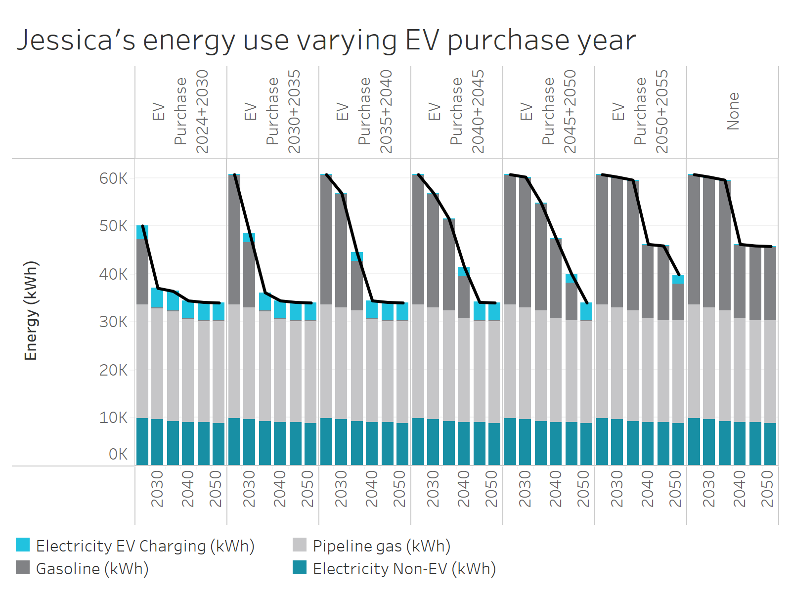
Energy Type | EV Purchase Year | Year | Energy (kWh)
Total | EV Purchase 2024+2030 | 2024 | 12224
Total | EV Purchase 2024+2030 | 2030 | 11976
Total | EV Purchase 2024+2030 | 2035 | 11709
Total | EV Purchase 2024+2030 | 2040 | 11016
Total | EV Purchase 2024+2030 | 2045 | 10855
Total | EV Purchase 2024+2030 | 2050 | 10765
Total | EV Purchase 2030+2035 | 2024 | 26016
Total | EV Purchase 2030+2035 | 2030 | 11510
Total | EV Purchase 2030+2035 | 2035 | 11242
Total | EV Purchase 2030+2035 | 2040 | 11016
Total | EV Purchase 2030+2035 | 2045 | 10855
Total | EV Purchase 2030+2035 | 2050 | 10765
Total | EV Purchase 2035+2040 | 2024 | 26016
Total | EV Purchase 2035+2040 | 2030 | 25768
Total | EV Purchase 2035+2040 | 2035 | 11242
Total | EV Purchase 2035+2040 | 2040 | 11016
Total | EV Purchase 2035+2040 | 2045 | 10855
Total | EV Purchase 2035+2040 | 2050 | 10765
Total | EV Purchase 2040+2045 | 2024 | 26016
Total | EV Purchase 2040+2045 | 2030 | 19786
Total | EV Purchase 2040+2045 | 2035 | 19518
Total | EV Purchase 2040+2045 | 2040 | 11016
Total | EV Purchase 2040+2045 | 2045 | 10855
Total | EV Purchase 2040+2045 | 2050 | 10765
Total | EV Purchase 2045+2050 | 2024 | 26016
Total | EV Purchase 2045+2050 | 2030 | 25768
Total | EV Purchase 2045+2050 | 2035 | 18092
Total | EV Purchase 2045+2050 | 2040 | 17865
Total | EV Purchase 2045+2050 | 2045 | 10855
Total | EV Purchase 2045+2050 | 2050 | 10765
Total | EV Purchase 2050+2055 | 2024 | 26016
Total | EV Purchase 2050+2055 | 2030 | 25768
Total | EV Purchase 2050+2055 | 2035 | 25500
Total | EV Purchase 2050+2055 | 2040 | 16578
Total | EV Purchase 2050+2055 | 2045 | 16417
Total | EV Purchase 2050+2055 | 2050 | 10765
Total | None | 2024 | 26016
Total | None | 2030 | 25768
Total | None | 2035 | 25500
Total | None | 2040 | 16578
Total | None | 2045 | 16417
Total | None | 2050 | 16327
Electricity EV Charging (kWh) | EV Purchase 2024+2030 | 2024 | 3475
Electricity EV Charging (kWh) | EV Purchase 2024+2030 | 2030 | 3475
Electricity EV Charging (kWh) | EV Purchase 2024+2030 | 2035 | 3475
Electricity EV Charging (kWh) | EV Purchase 2024+2030 | 2040 | 3008
Electricity EV Charging (kWh) | EV Purchase 2024+2030 | 2045 | 3008
Electricity EV Charging (kWh) | EV Purchase 2024+2030 | 2050 | 3008
Gasoline (kWh) | EV Purchase 2024+2030 | 2024 | 0
Gasoline (kWh) | EV Purchase 2024+2030 | 2030 | 0
Gasoline (kWh) | EV Purchase 2024+2030 | 2035 | 0
Gasoline (kWh) | EV Purchase 2024+2030 | 2040 | 0
Gasoline (kWh) | EV Purchase 2024+2030 | 2045 | 0
Gasoline (kWh) | EV Purchase 2024+2030 | 2050 | 0
Pipeline gas (kWh) | EV Purchase 2024+2030 | 2024 | 0
Pipeline gas (kWh) | EV Purchase 2024+2030 | 2030 | 0
Pipeline gas (kWh) | EV Purchase 2024+2030 | 2035 | 0
Pipeline gas (kWh) | EV Purchase 2024+2030 | 2040 | 0
Pipeline gas (kWh) | EV Purchase 2024+2030 | 2045 | 0
Pipeline gas (kWh) | EV Purchase 2024+2030 | 2050 | 0
Electricity Non-EV (kWh) | EV Purchase 2024+2030 | 2024 | 8750
Electricity Non-EV (kWh) | EV Purchase 2024+2030 | 2030 | 8502
Electricity Non-EV (kWh) | EV Purchase 2024+2030 | 2035 | 8234
Electricity Non-EV (kWh) | EV Purchase 2024+2030 | 2040 | 8008
Electricity Non-EV (kWh) | EV Purchase 2024+2030 | 2045 | 7847
Electricity Non-EV (kWh) | EV Purchase 2024+2030 | 2050 | 7757
Electricity EV Charging (kWh) | EV Purchase 2030+2035 | 2024 | 0
Electricity EV Charging (kWh) | EV Purchase 2030+2035 | 2030 | 3008
Electricity EV Charging (kWh) | EV Purchase 2030+2035 | 2035 | 3008
Electricity EV Charging (kWh) | EV Purchase 2030+2035 | 2040 | 3008
Electricity EV Charging (kWh) | EV Purchase 2030+2035 | 2045 | 3008
Electricity EV Charging (kWh) | EV Purchase 2030+2035 | 2050 | 3008
Gasoline (kWh) | EV Purchase 2030+2035 | 2024 | 17266
Gasoline (kWh) | EV Purchase 2030+2035 | 2030 | 0
Gasoline (kWh) | EV Purchase 2030+2035 | 2035 | 0
Gasoline (kWh) | EV Purchase 2030+2035 | 2040 | 0
Gasoline (kWh) | EV Purchase 2030+2035 | 2045 | 0
Gasoline (kWh) | EV Purchase 2030+2035 | 2050 | 0
Pipeline gas (kWh) | EV Purchase 2030+2035 | 2024 | 0
Pipeline gas (kWh) | EV Purchase 2030+2035 | 2030 | 0
Pipeline gas (kWh) | EV Purchase 2030+2035 | 2035 | 0
Pipeline gas (kWh) | EV Purchase 2030+2035 | 2040 | 0
Pipeline gas (kWh) | EV Purchase 2030+2035 | 2045 | 0
Pipeline gas (kWh) | EV Purchase 2030+2035 | 2050 | 0
Electricity Non-EV (kWh) | EV Purchase 2030+2035 | 2024 | 8750
Electricity Non-EV (kWh) | EV Purchase 2030+2035 | 2030 | 8502
Electricity Non-EV (kWh) | EV Purchase 2030+2035 | 2035 | 8234
Electricity Non-EV (kWh) | EV Purchase 2030+2035 | 2040 | 8008
Electricity Non-EV (kWh) | EV Purchase 2030+2035 | 2045 | 7847
Electricity Non-EV (kWh) | EV Purchase 2030+2035 | 2050 | 7757
Electricity EV Charging (kWh) | EV Purchase 2035+2040 | 2024 | 0
Electricity EV Charging (kWh) | EV Purchase 2035+2040 | 2030 | 0
Electricity EV Charging (kWh) | EV Purchase 2035+2040 | 2035 | 3008
Electricity EV Charging (kWh) | EV Purchase 2035+2040 | 2040 | 3008
Electricity EV Charging (kWh) | EV Purchase 2035+2040 | 2045 | 3008
Electricity EV Charging (kWh) | EV Purchase 2035+2040 | 2050 | 3008
Gasoline (kWh) | EV Purchase 2035+2040 | 2024 | 17266
Gasoline (kWh) | EV Purchase 2035+2040 | 2030 | 17266
Gasoline (kWh) | EV Purchase 2035+2040 | 2035 | 0
Gasoline (kWh) | EV Purchase 2035+2040 | 2040 | 0
Gasoline (kWh) | EV Purchase 2035+2040 | 2045 | 0
Gasoline (kWh) | EV Purchase 2035+2040 | 2050 | 0
Pipeline gas (kWh) | EV Purchase 2035+2040 | 2024 | 0
Pipeline gas (kWh) | EV Purchase 2035+2040 | 2030 | 0
Pipeline gas (kWh) | EV Purchase 2035+2040 | 2035 | 0
Pipeline gas (kWh) | EV Purchase 2035+2040 | 2040 | 0
Pipeline gas (kWh) | EV Purchase 2035+2040 | 2045 | 0
Pipeline gas (kWh) | EV Purchase 2035+2040 | 2050 | 0
Electricity Non-EV (kWh) | EV Purchase 2035+2040 | 2024 | 8750
Electricity Non-EV (kWh) | EV Purchase 2035+2040 | 2030 | 8502
Electricity Non-EV (kWh) | EV Purchase 2035+2040 | 2035 | 8234
Electricity Non-EV (kWh) | EV Purchase 2035+2040 | 2040 | 8008
Electricity Non-EV (kWh) | EV Purchase 2035+2040 | 2045 | 7847
Electricity Non-EV (kWh) | EV Purchase 2035+2040 | 2050 | 7757
Electricity EV Charging (kWh) | EV Purchase 2040+2045 | 2024 | 0
Electricity EV Charging (kWh) | EV Purchase 2040+2045 | 2030 | 0
Electricity EV Charging (kWh) | EV Purchase 2040+2045 | 2035 | 0
Electricity EV Charging (kWh) | EV Purchase 2040+2045 | 2040 | 3008
Electricity EV Charging (kWh) | EV Purchase 2040+2045 | 2045 | 3008
Electricity EV Charging (kWh) | EV Purchase 2040+2045 | 2050 | 3008
Gasoline (kWh) | EV Purchase 2040+2045 | 2024 | 17266
Gasoline (kWh) | EV Purchase 2040+2045 | 2030 | 11284
Gasoline (kWh) | EV Purchase 2040+2045 | 2035 | 11284
Gasoline (kWh) | EV Purchase 2040+2045 | 2040 | 0
Gasoline (kWh) | EV Purchase 2040+2045 | 2045 | 0
Gasoline (kWh) | EV Purchase 2040+2045 | 2050 | 0
Pipeline gas (kWh) | EV Purchase 2040+2045 | 2024 | 0
Pipeline gas (kWh) | EV Purchase 2040+2045 | 2030 | 0
Pipeline gas (kWh) | EV Purchase 2040+2045 | 2035 | 0
Pipeline gas (kWh) | EV Purchase 2040+2045 | 2040 | 0
Pipeline gas (kWh) | EV Purchase 2040+2045 | 2045 | 0
Pipeline gas (kWh) | EV Purchase 2040+2045 | 2050 | 0
Electricity Non-EV (kWh) | EV Purchase 2040+2045 | 2024 | 8750
Electricity Non-EV (kWh) | EV Purchase 2040+2045 | 2030 | 8502
Electricity Non-EV (kWh) | EV Purchase 2040+2045 | 2035 | 8234
Electricity Non-EV (kWh) | EV Purchase 2040+2045 | 2040 | 8008
Electricity Non-EV (kWh) | EV Purchase 2040+2045 | 2045 | 7847
Electricity Non-EV (kWh) | EV Purchase 2040+2045 | 2050 | 7757
Electricity EV Charging (kWh) | EV Purchase 2045+2050 | 2024 | 0
Electricity EV Charging (kWh) | EV Purchase 2045+2050 | 2030 | 0
Electricity EV Charging (kWh) | EV Purchase 2045+2050 | 2035 | 0
Electricity EV Charging (kWh) | EV Purchase 2045+2050 | 2040 | 0
Electricity EV Charging (kWh) | EV Purchase 2045+2050 | 2045 | 3008
Electricity EV Charging (kWh) | EV Purchase 2045+2050 | 2050 | 3008
Gasoline (kWh) | EV Purchase 2045+2050 | 2024 | 17266
Gasoline (kWh) | EV Purchase 2045+2050 | 2030 | 17266
Gasoline (kWh) | EV Purchase 2045+2050 | 2035 | 9858
Gasoline (kWh) | EV Purchase 2045+2050 | 2040 | 9858
Gasoline (kWh) | EV Purchase 2045+2050 | 2045 | 0
Gasoline (kWh) | EV Purchase 2045+2050 | 2050 | 0
Pipeline gas (kWh) | EV Purchase 2045+2050 | 2024 | 0
Pipeline gas (kWh) | EV Purchase 2045+2050 | 2030 | 0
Pipeline gas (kWh) | EV Purchase 2045+2050 | 2035 | 0
Pipeline gas (kWh) | EV Purchase 2045+2050 | 2040 | 0
Pipeline gas (kWh) | EV Purchase 2045+2050 | 2045 | 0
Pipeline gas (kWh) | EV Purchase 2045+2050 | 2050 | 0
Electricity Non-EV (kWh) | EV Purchase 2045+2050 | 2024 | 8750
Electricity Non-EV (kWh) | EV Purchase 2045+2050 | 2030 | 8502
Electricity Non-EV (kWh) | EV Purchase 2045+2050 | 2035 | 8234
Electricity Non-EV (kWh) | EV Purchase 2045+2050 | 2040 | 8008
Electricity Non-EV (kWh) | EV Purchase 2045+2050 | 2045 | 7847
Electricity Non-EV (kWh) | EV Purchase 2045+2050 | 2050 | 7757
Electricity EV Charging (kWh) | EV Purchase 2050+2055 | 2024 | 0
Electricity EV Charging (kWh) | EV Purchase 2050+2055 | 2030 | 0
Electricity EV Charging (kWh) | EV Purchase 2050+2055 | 2035 | 0
Electricity EV Charging (kWh) | EV Purchase 2050+2055 | 2040 | 0
Electricity EV Charging (kWh) | EV Purchase 2050+2055 | 2045 | 0
Electricity EV Charging (kWh) | EV Purchase 2050+2055 | 2050 | 3008
Gasoline (kWh) | EV Purchase 2050+2055 | 2024 | 17266
Gasoline (kWh) | EV Purchase 2050+2055 | 2030 | 17266
Gasoline (kWh) | EV Purchase 2050+2055 | 2035 | 17266
Gasoline (kWh) | EV Purchase 2050+2055 | 2040 | 8570
Gasoline (kWh) | EV Purchase 2050+2055 | 2045 | 8570
Gasoline (kWh) | EV Purchase 2050+2055 | 2050 | 0
Pipeline gas (kWh) | EV Purchase 2050+2055 | 2024 | 0
Pipeline gas (kWh) | EV Purchase 2050+2055 | 2030 | 0
Pipeline gas (kWh) | EV Purchase 2050+2055 | 2035 | 0
Pipeline gas (kWh) | EV Purchase 2050+2055 | 2040 | 0
Pipeline gas (kWh) | EV Purchase 2050+2055 | 2045 | 0
Pipeline gas (kWh) | EV Purchase 2050+2055 | 2050 | 0
Electricity Non-EV (kWh) | EV Purchase 2050+2055 | 2024 | 8750
Electricity Non-EV (kWh) | EV Purchase 2050+2055 | 2030 | 8502
Electricity Non-EV (kWh) | EV Purchase 2050+2055 | 2035 | 8234
Electricity Non-EV (kWh) | EV Purchase 2050+2055 | 2040 | 8008
Electricity Non-EV (kWh) | EV Purchase 2050+2055 | 2045 | 7847
Electricity Non-EV (kWh) | EV Purchase 2050+2055 | 2050 | 7757
Electricity EV Charging (kWh) | None | 2024 | 0
Electricity EV Charging (kWh) | None | 2030 | 0
Electricity EV Charging (kWh) | None | 2035 | 0
Electricity EV Charging (kWh) | None | 2040 | 0
Electricity EV Charging (kWh) | None | 2045 | 0
Electricity EV Charging (kWh) | None | 2050 | 0
Gasoline (kWh) | None | 2024 | 17266
Gasoline (kWh) | None | 2030 | 17266
Gasoline (kWh) | None | 2035 | 17266
Gasoline (kWh) | None | 2040 | 8570
Gasoline (kWh) | None | 2045 | 8570
Gasoline (kWh) | None | 2050 | 8570
Pipeline gas (kWh) | None | 2024 | 0
Pipeline gas (kWh) | None | 2030 | 0
Pipeline gas (kWh) | None | 2035 | 0
Pipeline gas (kWh) | None | 2040 | 0
Pipeline gas (kWh) | None | 2045 | 0
Pipeline gas (kWh) | None | 2050 | 0
Electricity Non-EV (kWh) | None | 2024 | 8750
Electricity Non-EV (kWh) | None | 2030 | 8502
Electricity Non-EV (kWh) | None | 2035 | 8234
Electricity Non-EV (kWh) | None | 2040 | 8008
Electricity Non-EV (kWh) | None | 2045 | 7847
Electricity Non-EV (kWh) | None | 2050 | 7757

12. HP Energy-Slide 44
Energy use excluding vehicles by year of heat pump purchase

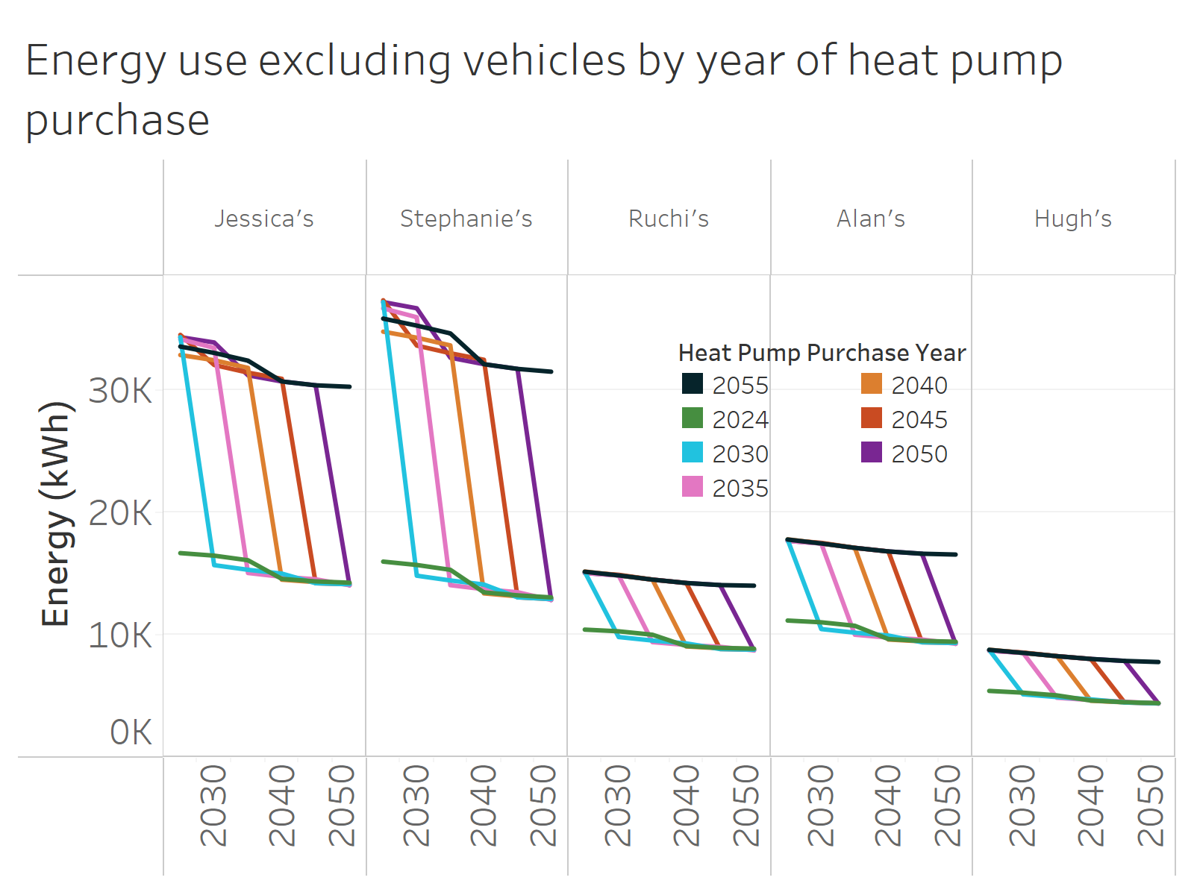
Heat Pump Purchase Year | Household | Year | Energy (kWh)
2055 | Jessica's | 2024 | 33514
2055 | Jessica's | 2030 | 32995
2055 | Jessica's | 2035 | 32364
2055 | Jessica's | 2040 | 30663
2055 | Jessica's | 2045 | 30350
2055 | Jessica's | 2050 | 30231
2055 | Stephanie's | 2024 | 35796
2055 | Stephanie's | 2030 | 35226
2055 | Stephanie's | 2035 | 34589
2055 | Stephanie's | 2040 | 32073
2055 | Stephanie's | 2045 | 31690
2055 | Stephanie's | 2050 | 31461
2055 | Ruchi's | 2024 | 15127
2055 | Ruchi's | 2030 | 14830
2055 | Ruchi's | 2035 | 14485
2055 | Ruchi's | 2040 | 14209
2055 | Ruchi's | 2045 | 14040
2055 | Ruchi's | 2050 | 13989
2055 | Alan's | 2024 | 17755
2055 | Alan's | 2030 | 17438
2055 | Alan's | 2035 | 17078
2055 | Alan's | 2040 | 16785
2055 | Alan's | 2045 | 16599
2055 | Alan's | 2050 | 16531
2055 | Hugh's | 2024 | 8750
2055 | Hugh's | 2030 | 8502
2055 | Hugh's | 2035 | 8234
2055 | Hugh's | 2040 | 8008
2055 | Hugh's | 2045 | 7847
2055 | Hugh's | 2050 | 7757
2024 | Jessica's | 2024 | 16649
2024 | Jessica's | 2030 | 16441
2024 | Jessica's | 2035 | 16066
2024 | Jessica's | 2040 | 14543
2024 | Jessica's | 2045 | 14341
2024 | Jessica's | 2050 | 14232
2024 | Stephanie's | 2024 | 15955
2024 | Stephanie's | 2030 | 15681
2024 | Stephanie's | 2035 | 15285
2024 | Stephanie's | 2040 | 13441
2024 | Stephanie's | 2045 | 13201
2024 | Stephanie's | 2050 | 13033
2024 | Ruchi's | 2024 | 10402
2024 | Ruchi's | 2030 | 10265
2024 | Ruchi's | 2035 | 9985
2024 | Ruchi's | 2040 | 9059
2024 | Ruchi's | 2045 | 8910
2024 | Ruchi's | 2050 | 8847
2024 | Alan's | 2024 | 11143
2024 | Alan's | 2030 | 11000
2024 | Alan's | 2035 | 10716
2024 | Alan's | 2040 | 9632
2024 | Alan's | 2045 | 9479
2024 | Alan's | 2050 | 9412
2024 | Hugh's | 2024 | 5397
2024 | Hugh's | 2030 | 5255
2024 | Hugh's | 2035 | 5032
2024 | Hugh's | 2040 | 4614
2024 | Hugh's | 2045 | 4479
2024 | Hugh's | 2050 | 4396
2030 | Jessica's | 2024 | 34283
2030 | Jessica's | 2030 | 15667
2030 | Jessica's | 2035 | 15288
2030 | Jessica's | 2040 | 14977
2030 | Jessica's | 2045 | 14190
2030 | Jessica's | 2050 | 14107
2030 | Stephanie's | 2024 | 37147
2030 | Stephanie's | 2030 | 14805
2030 | Stephanie's | 2035 | 14417
2030 | Stephanie's | 2040 | 14084
2030 | Stephanie's | 2045 | 13039
2030 | Stephanie's | 2050 | 12897
2030 | Ruchi's | 2024 | 15109
2030 | Ruchi's | 2030 | 9797
2030 | Ruchi's | 2035 | 9510
2030 | Ruchi's | 2040 | 9278
2030 | Ruchi's | 2045 | 8816
2030 | Ruchi's | 2050 | 8763
2030 | Alan's | 2024 | 17738
2030 | Alan's | 2030 | 10446
2030 | Alan's | 2035 | 10155
2030 | Alan's | 2040 | 9918
2030 | Alan's | 2045 | 9369
2030 | Alan's | 2050 | 9312
2030 | Hugh's | 2024 | 8738
2030 | Hugh's | 2030 | 5117
2030 | Hugh's | 2035 | 4896
2030 | Hugh's | 2040 | 4709
2030 | Hugh's | 2045 | 4454
2030 | Hugh's | 2050 | 4379
2035 | Jessica's | 2024 | 34116
2035 | Jessica's | 2030 | 33407
2035 | Jessica's | 2035 | 15026
2035 | Jessica's | 2040 | 14715
2035 | Jessica's | 2045 | 14514
2035 | Jessica's | 2050 | 14023
2035 | Stephanie's | 2024 | 36632
2035 | Stephanie's | 2030 | 35908
2035 | Stephanie's | 2035 | 14030
2035 | Stephanie's | 2040 | 13700
2035 | Stephanie's | 2045 | 13458
2035 | Stephanie's | 2050 | 12820
2035 | Ruchi's | 2024 | 15023
2035 | Ruchi's | 2030 | 14830
2035 | Ruchi's | 2035 | 9380
2035 | Ruchi's | 2040 | 9147
2035 | Ruchi's | 2045 | 9000
2035 | Ruchi's | 2050 | 8702
2035 | Alan's | 2024 | 17651
2035 | Alan's | 2030 | 17438
2035 | Alan's | 2035 | 9985
2035 | Alan's | 2040 | 9748
2035 | Alan's | 2045 | 9596
2035 | Alan's | 2050 | 9242
2035 | Hugh's | 2024 | 8685
2035 | Hugh's | 2030 | 8502
2035 | Hugh's | 2035 | 4838
2035 | Hugh's | 2040 | 4651
2035 | Hugh's | 2045 | 4516
2035 | Hugh's | 2050 | 4369
2040 | Jessica's | 2024 | 32823
2040 | Jessica's | 2030 | 32399
2040 | Jessica's | 2035 | 31772
2040 | Jessica's | 2040 | 14478
2040 | Jessica's | 2045 | 14276
2040 | Jessica's | 2050 | 14195
2040 | Stephanie's | 2024 | 34730
2040 | Stephanie's | 2030 | 34239
2040 | Stephanie's | 2035 | 33608
2040 | Stephanie's | 2040 | 13360
2040 | Stephanie's | 2045 | 13120
2040 | Stephanie's | 2050 | 12977
2040 | Ruchi's | 2024 | 15145
2040 | Ruchi's | 2030 | 14830
2040 | Ruchi's | 2035 | 14485
2040 | Ruchi's | 2040 | 9027
2040 | Ruchi's | 2045 | 8878
2040 | Ruchi's | 2050 | 8827
2040 | Alan's | 2024 | 17774
2040 | Alan's | 2030 | 17438
2040 | Alan's | 2035 | 17078
2040 | Alan's | 2040 | 9593
2040 | Alan's | 2045 | 9441
2040 | Alan's | 2050 | 9386
2040 | Hugh's | 2024 | 8761
2040 | Hugh's | 2030 | 8502
2040 | Hugh's | 2035 | 8234
2040 | Hugh's | 2040 | 4599
2040 | Hugh's | 2045 | 4464
2040 | Hugh's | 2050 | 4389
2045 | Jessica's | 2024 | 34466
2045 | Jessica's | 2030 | 32010
2045 | Jessica's | 2035 | 31385
2045 | Jessica's | 2040 | 30882
2045 | Jessica's | 2045 | 14190
2045 | Jessica's | 2050 | 14107
2045 | Stephanie's | 2024 | 37292
2045 | Stephanie's | 2030 | 33595
2045 | Stephanie's | 2035 | 32968
2045 | Stephanie's | 2040 | 32435
2045 | Stephanie's | 2045 | 13039
2045 | Stephanie's | 2050 | 12897
2045 | Ruchi's | 2024 | 15074
2045 | Ruchi's | 2030 | 14880
2045 | Ruchi's | 2035 | 14485
2045 | Ruchi's | 2040 | 14209
2045 | Ruchi's | 2045 | 8816
2045 | Ruchi's | 2050 | 8763
2045 | Alan's | 2024 | 17702
2045 | Alan's | 2030 | 17488
2045 | Alan's | 2035 | 17078
2045 | Alan's | 2040 | 16785
2045 | Alan's | 2045 | 9369
2045 | Alan's | 2050 | 9312
2045 | Hugh's | 2024 | 8717
2045 | Hugh's | 2030 | 8533
2045 | Hugh's | 2035 | 8234
2045 | Hugh's | 2040 | 8008
2045 | Hugh's | 2045 | 4454
2045 | Hugh's | 2050 | 4379
2050 | Jessica's | 2024 | 34283
2050 | Jessica's | 2030 | 33848
2050 | Jessica's | 2035 | 31165
2050 | Jessica's | 2040 | 30663
2050 | Jessica's | 2045 | 30350
2050 | Jessica's | 2050 | 14023
2050 | Stephanie's | 2024 | 37147
2050 | Stephanie's | 2030 | 36638
2050 | Stephanie's | 2035 | 32604
2050 | Stephanie's | 2040 | 32073
2050 | Stephanie's | 2045 | 31690
2050 | Stephanie's | 2050 | 12820
2050 | Ruchi's | 2024 | 15023
2050 | Ruchi's | 2030 | 14830
2050 | Ruchi's | 2035 | 14485
2050 | Ruchi's | 2040 | 14209
2050 | Ruchi's | 2045 | 14040
2050 | Ruchi's | 2050 | 8702
2050 | Alan's | 2024 | 17651
2050 | Alan's | 2030 | 17438
2050 | Alan's | 2035 | 17078
2050 | Alan's | 2040 | 16785
2050 | Alan's | 2045 | 16599
2050 | Alan's | 2050 | 9242
2050 | Hugh's | 2024 | 8685
2050 | Hugh's | 2030 | 8502
2050 | Hugh's | 2035 | 8234
2050 | Hugh's | 2040 | 8008
2050 | Hugh's | 2045 | 7847
2050 | Hugh's | 2050 | 4369

13. HP Costs-Slides 45,46,47
Estimated bills as percentage of no heat pump purchase for a 2030 heat pump purchase (assumes no EV purchase)

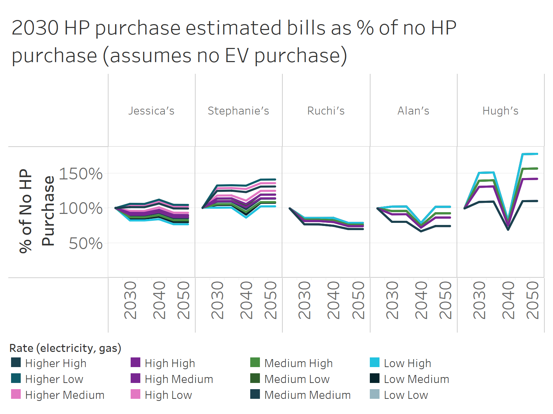
Household | Rate (electricity, gas) | Year | Pct of No Purchase
Jessica's | High High | 2024 | 101%
Jessica's | High High | 2030 | 91%
Jessica's | High High | 2035 | 91%
Jessica's | High High | 2040 | 95%
Jessica's | High High | 2045 | 87%
Jessica's | High High | 2050 | 87%
Jessica's | High Low | 2024 | 100%
Jessica's | High Low | 2030 | 96%
Jessica's | High Low | 2035 | 96%
Jessica's | High Low | 2040 | 102%
Jessica's | High Low | 2045 | 94%
Jessica's | High Low | 2050 | 94%
Jessica's | High Medium | 2024 | 101%
Jessica's | High Medium | 2030 | 93%
Jessica's | High Medium | 2035 | 93%
Jessica's | High Medium | 2040 | 98%
Jessica's | High Medium | 2045 | 91%
Jessica's | High Medium | 2050 | 90%
Jessica's | Higher High | 2024 | 100%
Jessica's | Higher High | 2030 | 102%
Jessica's | Higher High | 2035 | 102%
Jessica's | Higher High | 2040 | 107%
Jessica's | Higher High | 2045 | 100%
Jessica's | Higher High | 2050 | 100%
Jessica's | Higher Low | 2024 | 100% | Rates | Electricity ($/kWh) | Gas ($/therm)
Jessica's | Higher Low | 2030 | 106% | Higher | $0.40 | N/A
Jessica's | Higher Low | 2035 | 106% | High | $0.20 | $1.50
Jessica's | Higher Low | 2040 | 113% | Medium | $0.15 | $1.25
Jessica's | Higher Low | 2045 | 105% | Low | $0.10 | $1.00
Jessica's | Higher Low | 2050 | 105%
Jessica's | Higher Medium | 2024 | 100%
Jessica's | Higher Medium | 2030 | 104%
Jessica's | Higher Medium | 2035 | 104%
Jessica's | Higher Medium | 2040 | 110%
Jessica's | Higher Medium | 2045 | 102%
Jessica's | Higher Medium | 2050 | 102%
Jessica's | Low High | 2024 | 101%
Jessica's | Low High | 2030 | 83%
Jessica's | Low High | 2035 | 83%
Jessica's | Low High | 2040 | 84%
Jessica's | Low High | 2045 | 77%
Jessica's | Low High | 2050 | 77%
Jessica's | Low Low | 2024 | 101%
Jessica's | Low Low | 2030 | 88%
Jessica's | Low Low | 2035 | 88%
Jessica's | Low Low | 2040 | 92%
Jessica's | Low Low | 2045 | 84%
Jessica's | Low Low | 2050 | 84%
Jessica's | Low Medium | 2024 | 101%
Jessica's | Low Medium | 2030 | 85%
Jessica's | Low Medium | 2035 | 85%
Jessica's | Low Medium | 2040 | 88%
Jessica's | Low Medium | 2045 | 80%
Jessica's | Low Medium | 2050 | 80%
Jessica's | Medium High | 2024 | 101%
Jessica's | Medium High | 2030 | 87%
Jessica's | Medium High | 2035 | 87%
Jessica's | Medium High | 2040 | 90%
Jessica's | Medium High | 2045 | 83%
Jessica's | Medium High | 2050 | 83%
Jessica's | Medium Low | 2024 | 100%
Jessica's | Medium Low | 2030 | 93%
Jessica's | Medium Low | 2035 | 93%
Jessica's | Medium Low | 2040 | 97%
Jessica's | Medium Low | 2045 | 89%
Jessica's | Medium Low | 2050 | 89%
Jessica's | Medium Medium | 2024 | 101%
Jessica's | Medium Medium | 2030 | 90%
Jessica's | Medium Medium | 2035 | 90%
Jessica's | Medium Medium | 2040 | 93%
Jessica's | Medium Medium | 2045 | 86%
Jessica's | Medium Medium | 2050 | 86%
Stephanie's | High High | 2024 | 101%
Stephanie's | High High | 2030 | 110%
Stephanie's | High High | 2035 | 111%
Stephanie's | High High | 2040 | 102%
Stephanie's | High High | 2045 | 114%
Stephanie's | High High | 2050 | 115%
Stephanie's | High Low | 2024 | 101%
Stephanie's | High Low | 2030 | 118%
Stephanie's | High Low | 2035 | 119%
Stephanie's | High Low | 2040 | 111%
Stephanie's | High Low | 2045 | 125%
Stephanie's | High Low | 2050 | 125%
Stephanie's | High Medium | 2024 | 101%
Stephanie's | High Medium | 2030 | 114%
Stephanie's | High Medium | 2035 | 114%
Stephanie's | High Medium | 2040 | 106%
Stephanie's | High Medium | 2045 | 120%
Stephanie's | High Medium | 2050 | 120%
Stephanie's | Higher High | 2024 | 101%
Stephanie's | Higher High | 2030 | 125%
Stephanie's | Higher High | 2035 | 125%
Stephanie's | Higher High | 2040 | 123%
Stephanie's | Higher High | 2045 | 131%
Stephanie's | Higher High | 2050 | 132%
Stephanie's | Higher Low | 2024 | 101%
Stephanie's | Higher Low | 2030 | 133%
Stephanie's | Higher Low | 2035 | 133%
Stephanie's | Higher Low | 2040 | 133%
Stephanie's | Higher Low | 2045 | 141%
Stephanie's | Higher Low | 2050 | 142%
Stephanie's | Higher Medium | 2024 | 101%
Stephanie's | Higher Medium | 2030 | 129%
Stephanie's | Higher Medium | 2035 | 129%
Stephanie's | Higher Medium | 2040 | 128%
Stephanie's | Higher Medium | 2045 | 136%
Stephanie's | Higher Medium | 2050 | 136%
Stephanie's | Low High | 2024 | 101%
Stephanie's | Low High | 2030 | 101%
Stephanie's | Low High | 2035 | 101%
Stephanie's | Low High | 2040 | 87%
Stephanie's | Low High | 2045 | 103%
Stephanie's | Low High | 2050 | 103%
Stephanie's | Low Low | 2024 | 101%
Stephanie's | Low Low | 2030 | 109%
Stephanie's | Low Low | 2035 | 109%
Stephanie's | Low Low | 2040 | 96%
Stephanie's | Low Low | 2045 | 114%
Stephanie's | Low Low | 2050 | 114%
Stephanie's | Low Medium | 2024 | 101%
Stephanie's | Low Medium | 2030 | 105%
Stephanie's | Low Medium | 2035 | 105%
Stephanie's | Low Medium | 2040 | 91%
Stephanie's | Low Medium | 2045 | 108%
Stephanie's | Low Medium | 2050 | 108%
Stephanie's | Medium High | 2024 | 101%
Stephanie's | Medium High | 2030 | 106%
Stephanie's | Medium High | 2035 | 106%
Stephanie's | Medium High | 2040 | 95%
Stephanie's | Medium High | 2045 | 109%
Stephanie's | Medium High | 2050 | 109%
Stephanie's | Medium Low | 2024 | 101%
Stephanie's | Medium Low | 2030 | 114%
Stephanie's | Medium Low | 2035 | 114%
Stephanie's | Medium Low | 2040 | 104%
Stephanie's | Medium Low | 2045 | 120%
Stephanie's | Medium Low | 2050 | 120%
Stephanie's | Medium Medium | 2024 | 101%
Stephanie's | Medium Medium | 2030 | 110%
Stephanie's | Medium Medium | 2035 | 110%
Stephanie's | Medium Medium | 2040 | 99%
Stephanie's | Medium Medium | 2045 | 114%
Stephanie's | Medium Medium | 2050 | 114%
Ruchi's | High High | 2024 | 100%
Ruchi's | High High | 2030 | 82%
Ruchi's | High High | 2035 | 82%
Ruchi's | High High | 2040 | 80%
Ruchi's | High High | 2045 | 74%
Ruchi's | High High | 2050 | 74%
Ruchi's | High Low | 2024 | 100%
Ruchi's | High Low | 2030 | 82%
Ruchi's | High Low | 2035 | 82%
Ruchi's | High Low | 2040 | 80%
Ruchi's | High Low | 2045 | 74%
Ruchi's | High Low | 2050 | 74%
Ruchi's | High Medium | 2024 | 100%
Ruchi's | High Medium | 2030 | 82%
Ruchi's | High Medium | 2035 | 82%
Ruchi's | High Medium | 2040 | 80%
Ruchi's | High Medium | 2045 | 74%
Ruchi's | High Medium | 2050 | 74%
Ruchi's | Higher High | 2024 | 100%
Ruchi's | Higher High | 2030 | 77%
Ruchi's | Higher High | 2035 | 77%
Ruchi's | Higher High | 2040 | 75%
Ruchi's | Higher High | 2045 | 70%
Ruchi's | Higher High | 2050 | 70%
Ruchi's | Higher Low | 2024 | 100%
Ruchi's | Higher Low | 2030 | 77%
Ruchi's | Higher Low | 2035 | 77%
Ruchi's | Higher Low | 2040 | 75%
Ruchi's | Higher Low | 2045 | 70%
Ruchi's | Higher Low | 2050 | 70%
Ruchi's | Higher Medium | 2024 | 100%
Ruchi's | Higher Medium | 2030 | 77%
Ruchi's | Higher Medium | 2035 | 77%
Ruchi's | Higher Medium | 2040 | 75%
Ruchi's | Higher Medium | 2045 | 70%
Ruchi's | Higher Medium | 2050 | 70%
Ruchi's | Low High | 2024 | 100%
Ruchi's | Low High | 2030 | 86%
Ruchi's | Low High | 2035 | 86%
Ruchi's | Low High | 2040 | 86%
Ruchi's | Low High | 2045 | 79%
Ruchi's | Low High | 2050 | 79%
Ruchi's | Low Low | 2024 | 100%
Ruchi's | Low Low | 2030 | 86%
Ruchi's | Low Low | 2035 | 86%
Ruchi's | Low Low | 2040 | 86%
Ruchi's | Low Low | 2045 | 79%
Ruchi's | Low Low | 2050 | 79%
Ruchi's | Low Medium | 2024 | 100%
Ruchi's | Low Medium | 2030 | 86%
Ruchi's | Low Medium | 2035 | 86%
Ruchi's | Low Medium | 2040 | 86%
Ruchi's | Low Medium | 2045 | 79%
Ruchi's | Low Medium | 2050 | 79%
Ruchi's | Medium High | 2024 | 100%
Ruchi's | Medium High | 2030 | 84%
Ruchi's | Medium High | 2035 | 84%
Ruchi's | Medium High | 2040 | 83%
Ruchi's | Medium High | 2045 | 76%
Ruchi's | Medium High | 2050 | 76%
Ruchi's | Medium Low | 2024 | 100%
Ruchi's | Medium Low | 2030 | 84%
Ruchi's | Medium Low | 2035 | 84%
Ruchi's | Medium Low | 2040 | 83%
Ruchi's | Medium Low | 2045 | 76%
Ruchi's | Medium Low | 2050 | 76%
Ruchi's | Medium Medium | 2024 | 100%
Ruchi's | Medium Medium | 2030 | 84%
Ruchi's | Medium Medium | 2035 | 84%
Ruchi's | Medium Medium | 2040 | 83%
Ruchi's | Medium Medium | 2045 | 76%
Ruchi's | Medium Medium | 2050 | 76%
Alan's | High High | 2024 | 100%
Alan's | High High | 2030 | 91%
Alan's | High High | 2035 | 91%
Alan's | High High | 2040 | 72%
Alan's | High High | 2045 | 87%
Alan's | High High | 2050 | 87%
Alan's | High Low | 2024 | 100%
Alan's | High Low | 2030 | 91%
Alan's | High Low | 2035 | 91%
Alan's | High Low | 2040 | 72%
Alan's | High Low | 2045 | 87%
Alan's | High Low | 2050 | 87%
Alan's | High Medium | 2024 | 100%
Alan's | High Medium | 2030 | 91%
Alan's | High Medium | 2035 | 91%
Alan's | High Medium | 2040 | 72%
Alan's | High Medium | 2045 | 87%
Alan's | High Medium | 2050 | 87%
Alan's | Higher High | 2024 | 100%
Alan's | Higher High | 2030 | 81%
Alan's | Higher High | 2035 | 81%
Alan's | Higher High | 2040 | 67%
Alan's | Higher High | 2045 | 74%
Alan's | Higher High | 2050 | 74%
Alan's | Higher Low | 2024 | 100%
Alan's | Higher Low | 2030 | 81%
Alan's | Higher Low | 2035 | 81%
Alan's | Higher Low | 2040 | 67%
Alan's | Higher Low | 2045 | 74%
Alan's | Higher Low | 2050 | 74%
Alan's | Higher Medium | 2024 | 100%
Alan's | Higher Medium | 2030 | 81%
Alan's | Higher Medium | 2035 | 81%
Alan's | Higher Medium | 2040 | 67%
Alan's | Higher Medium | 2045 | 74%
Alan's | Higher Medium | 2050 | 74%
Alan's | Low High | 2024 | 100%
Alan's | Low High | 2030 | 103%
Alan's | Low High | 2035 | 103%
Alan's | Low High | 2040 | 79%
Alan's | Low High | 2045 | 102%
Alan's | Low High | 2050 | 102%
Alan's | Low Low | 2024 | 100%
Alan's | Low Low | 2030 | 103%
Alan's | Low Low | 2035 | 103%
Alan's | Low Low | 2040 | 79%
Alan's | Low Low | 2045 | 102%
Alan's | Low Low | 2050 | 102%
Alan's | Low Medium | 2024 | 100%
Alan's | Low Medium | 2030 | 103%
Alan's | Low Medium | 2035 | 103%
Alan's | Low Medium | 2040 | 79%
Alan's | Low Medium | 2045 | 102%
Alan's | Low Medium | 2050 | 102%
Alan's | Medium High | 2024 | 100%
Alan's | Medium High | 2030 | 96%
Alan's | Medium High | 2035 | 96%
Alan's | Medium High | 2040 | 75%
Alan's | Medium High | 2045 | 93%
Alan's | Medium High | 2050 | 93%
Alan's | Medium Low | 2024 | 100%
Alan's | Medium Low | 2030 | 96%
Alan's | Medium Low | 2035 | 96%
Alan's | Medium Low | 2040 | 75%
Alan's | Medium Low | 2045 | 93%
Alan's | Medium Low | 2050 | 93%
Alan's | Medium Medium | 2024 | 100%
Alan's | Medium Medium | 2030 | 96%
Alan's | Medium Medium | 2035 | 96%
Alan's | Medium Medium | 2040 | 75%
Alan's | Medium Medium | 2045 | 93%
Alan's | Medium Medium | 2050 | 93%
Hugh's | High High | 2024 | 100%
Hugh's | High High | 2030 | 131%
Hugh's | High High | 2035 | 132%
Hugh's | High High | 2040 | 75%
Hugh's | High High | 2045 | 142%
Hugh's | High High | 2050 | 143%
Hugh's | High Low | 2024 | 100%
Hugh's | High Low | 2030 | 131%
Hugh's | High Low | 2035 | 132%
Hugh's | High Low | 2040 | 75%
Hugh's | High Low | 2045 | 142%
Hugh's | High Low | 2050 | 143%
Hugh's | High Medium | 2024 | 100%
Hugh's | High Medium | 2030 | 131%
Hugh's | High Medium | 2035 | 132%
Hugh's | High Medium | 2040 | 75%
Hugh's | High Medium | 2045 | 142%
Hugh's | High Medium | 2050 | 143%
Hugh's | Higher High | 2024 | 100%
Hugh's | Higher High | 2030 | 109%
Hugh's | Higher High | 2035 | 110%
Hugh's | Higher High | 2040 | 69%
Hugh's | Higher High | 2045 | 110%
Hugh's | Higher High | 2050 | 111%
Hugh's | Higher Low | 2024 | 100%
Hugh's | Higher Low | 2030 | 109%
Hugh's | Higher Low | 2035 | 110%
Hugh's | Higher Low | 2040 | 69%
Hugh's | Higher Low | 2045 | 110%
Hugh's | Higher Low | 2050 | 111%
Hugh's | Higher Medium | 2024 | 100%
Hugh's | Higher Medium | 2030 | 109%
Hugh's | Higher Medium | 2035 | 110%
Hugh's | Higher Medium | 2040 | 69%
Hugh's | Higher Medium | 2045 | 110%
Hugh's | Higher Medium | 2050 | 111%
Hugh's | Low High | 2024 | 100%
Hugh's | Low High | 2030 | 151%
Hugh's | Low High | 2035 | 152%
Hugh's | Low High | 2040 | 82%
Hugh's | Low High | 2045 | 178%
Hugh's | Low High | 2050 | 179%
Hugh's | Low Low | 2024 | 100%
Hugh's | Low Low | 2030 | 151%
Hugh's | Low Low | 2035 | 152%
Hugh's | Low Low | 2040 | 82%
Hugh's | Low Low | 2045 | 178%
Hugh's | Low Low | 2050 | 179%
Hugh's | Low Medium | 2024 | 100%
Hugh's | Low Medium | 2030 | 151%
Hugh's | Low Medium | 2035 | 152%
Hugh's | Low Medium | 2040 | 82%
Hugh's | Low Medium | 2045 | 178%
Hugh's | Low Medium | 2050 | 179%
Hugh's | Medium High | 2024 | 100%
Hugh's | Medium High | 2030 | 140%
Hugh's | Medium High | 2035 | 140%
Hugh's | Medium High | 2040 | 78%
Hugh's | Medium High | 2045 | 157%
Hugh's | Medium High | 2050 | 157%
Hugh's | Medium Low | 2024 | 100%
Hugh's | Medium Low | 2030 | 140%
Hugh's | Medium Low | 2035 | 140%
Hugh's | Medium Low | 2040 | 78%
Hugh's | Medium Low | 2045 | 157%
Hugh's | Medium Low | 2050 | 157%
Hugh's | Medium Medium | 2024 | 100%
Hugh's | Medium Medium | 2030 | 140%
Hugh's | Medium Medium | 2035 | 140%
Hugh's | Medium Medium | 2040 | 78%
Hugh's | Medium Medium | 2045 | 157%
Hugh's | Medium Medium | 2050 | 157%

