Zone Map
General Zone Locations
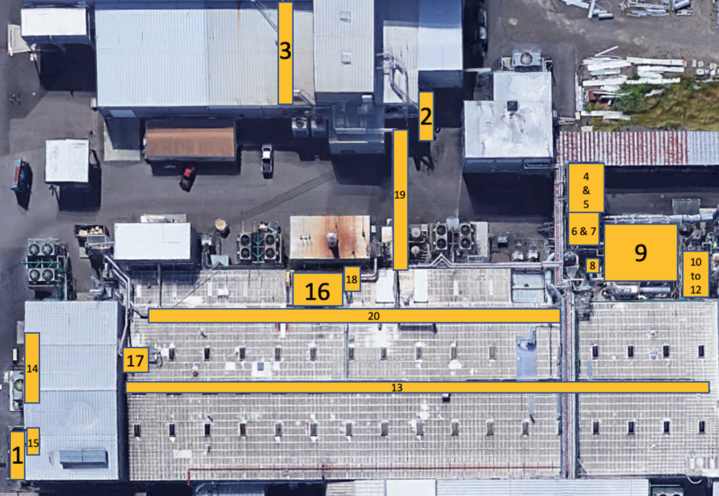
 | List of Zones: | Zone Description: | Content Description:
 | Zone 1 | South Process Oil Tank to Air Strippers | Exterior tank and connected piping & ducting
 | Zone 2 | Teklon L-2 PAQ System | PAQ ducting from TEKLON L-2 & BS Regrind room
 | Zone 3 | Teklon TDO Exhaust | Only ducting to the middle of the pipe bridge
 | Zone 4A | High Deck - Layers Tank Pump System | All equipment with TCE/Water, and Pure TCE
 | Zone 4B | High Deck - Pure Solvent Transfer Tank System | All equipment with TCE/Water, and Pure TCE
 | Zone 4C | North Decanter and Heat Exchanger | All equipment with TCE/Water, and Pure TCE
 | Zone 4D | South Decanter and Heat Exchanger | All equipment with TCE/Water, and Pure TCE
 | Zone 4E | High Deck - Layers Tank | All equipment with TCE/Water, and Pure TCE
 | Zone 4F | High Deck - Header - Connected to SLA | All equipment with TCE/Water, and Pure TCE
 | Zone 4G | High Deck - Layers Tank Filter System | All equipment with TCE/Water, and Pure TCE
 | Zone 5 | High Deck - Carbon Bed Waste Water Equipment- Air Stripper | Air Stripping equipment processing TCE and Water
 | Zone 6 | Water Distillation Column: Alpha Laval Heat Exchanger Pad | All equipment with TCE/Water, and Pure TCE
 | Zone 7 | Ducting Up To Carbon Beds | Ducting up to the carbon beds
 | Zone 8 | SLA Main Air Heat Exchanger | Included with Zone 7
 | Zone 9 | EU-1 (CB-1) 4 Bed System | All carbon beds
 | Zone 10 | TCE Transfer Rack | Receiving dock where TCE is unloaded
 | Zone 11 | TCE Storage Tanks & Transfer System (Mostly Welded) | (2) tanks and associated piping for storing and transferring TCE for use
 | Zone 12 | Solvent Tanks Phase Separator | TCE and Water
 | Zone 13 | Building # 1 Negative Air Ducting | TCE vapor under negative draw towards EU1- Carbon Bed System
 | Zone 14 | L-8 Distillation Skid | TCE/Oil Distillation, vapor condensing, TCE and Oil transfer piping
 | Zone 15 | Oil Air Stripping - South Interior Extruder Area | TCE/Oil Air Stripping, TCE vapor ducting, oil transfer piping
 | Zone 16 | Blacksheet Regrind Transfer System | Ducting /Piping pulling air from the Extruder side of the walls
 | Zone 17 | Greysheet Regrind Transfer System | Ducting /Piping pulling air from the Winder side of the walls
 | Zone 18 | Vacuum System | Exhaust from Vacuum System Room to SLA
 | Zone 19 | Teklon SLA Exhaust | Teklon lines to main SLA header
 | Zone 20 | Main SLA - Roof ducting to Heat Exchanger | Ducting from TCE containing processes to the Heat Exchanger

