Welding EF Tool Instruction
AQ104B Toxics Reporting and Air Toxics Emissions Inventory
Welding Emission Factor Search Tool
Update 4/1/2024
OVERVIEW

This Welding Activities Emission Factor (EF) Search Tool is provided for use with the Air Toxics Emissions Inventory (ATEI) reporting form, specifically for Worksheets 2 & 3 (color-coded salmon orange). Operators who do elect to use this tool, should include all of the provided emission factors for their selected weld wire or rod type and not choose selectively.

These emission factors are assembled from AP-42, Chapter 12 Metallurgical Industries, Section 19 Electric Arc Welding. The selected welding emission factors are uncontrolled - any pollution control devices on welding equipment at a facility will need to be added into the calculation on the ATEI reporting form. To use the tool, simply copy/paste the set of emission factors for the sought welding rod or wire type directly into the ATEI reporting form.

EPA AP-42 Chapter 12.19:
https://www3.epa.gov/ttnchie1/ap42/ch12/final/c12s19.pdf
DEQ's Air Toxics Emissions Reporting website:
https://www.oregon.gov/deq/aq/air-toxics/Pages/Air-Toxics-Emissions-Inventory.aspx
Cleaner Air Oregon website:
https://www.oregon.gov/deq/aq/cao/Pages/default.aspx

INSTRUCTIONS

1) Enter the emission units, control devices and activity on Worksheet 2 of the Air Toxics Emissions Inventory reporting form, "2.Emission Units & Activities". Below in an example of a facility that uses three types of weld wire. Some wire types have greater specificity than others (e.g., the "L" denoted with the red arrow on E316L).

Note that the unit of measure is in thousand pounds. Facilities tracking rod or wire usage in tons will need to convert to thousand lbs in order to match the emission factors and accurately estimate emissions.

2) On the Emission Factors tab, select the weld wire or rod type from the Selection Buttons on the left. The tool will return just the EFs for that wire/rod type.

1

To select more than one rod/wire type, select the first rod, then click the Multi-Selection Button (red arrow 2) at the top of the list to continue selecting the rest of the rod/ wired types for the facility (red arrow 3). Note that the order of the resulting EF will populate in the order they appear in the full Emission Factors table and may not match the order they were entered in Worksheet 2.

2
3


3) Copy the emission factor data from the Welding Tool and paste it into Worksheet 3 "3.Pollutant Emissions - EF" on the AT EI form. Don't copy the headers, just the data. The order of the weld materials does not matter for calculating emissions because they will match on the Emissions Unit ID.

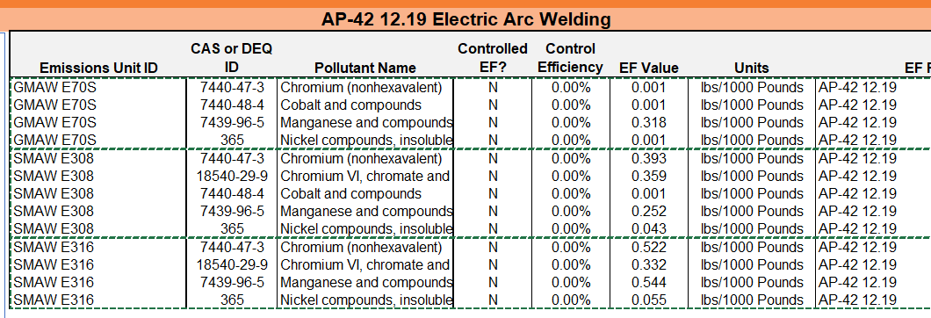

4) When the EF sets are pasted into Worksheet 3 the 'Calculated Annual Emissions [lb/yr]' column will calculate automatically. Yellow highlighter indicates a warning, in this case there are several: the Pollutant Name 'Chromium (nonhexavalent)' (red arrows), and the EU ID 'SMAW E316' (red circles).

The Pollutant Name warning on 'Chromium (nonhexavalent)' simply indicates that the pollutant is not found on DEQ's Air Toxic Pollutant List as written. It is not necessary to update or change the pollutant name to match, it simply identifies a difference.

The EU ID error is a result of the Emissions Unit ID not matching exactly as it does on Worksheet 2, Column A (see example in Step 1, above). In this case, the wire type identified on Worksheet 2 was more specific, 'SMAW E316L'. To correct the error, overwrite the EU ID in Worksheet 3 and the calculated emissions will update automatically.

5) If there are control devices present at the facility, (e.g., booth filter), the Control Efficiency column should be updated according to the filter manufacturer's specifications and the emissions reductions will be reflected in the calculated emissions (red circles). Do not change the 'Control EF' Column (red arrow), as this indicates that the selected EFs do not already include a control efficiency [they do not].

NOTES

If a welding rod or wire type is not listed in the Emission Factor table and are not otherwise available in a literature search, the facility operator has two options: 1) Derive the appropriate emission factors for the rod using the manufacturer's SDS sheet, and enter "Derived from SDS" onto the corresponding rows on Worksheet 3, Column H 'EF Reference/Notes', or 2) use the 'Unspecified Rod/Wire Default' option at the bottom of the list. This set of EFs was derived from average usage in the 2016 Air Toxics Emissions Inventory submissions.

To reset the Emission Unit ID selection pane, click the Filter Clear button with the red 'x' before starting again.

If errors are encountered on Worksheet 3 of the reporting form, erase the cells by dragging empty cells up to overwrite/ replace the rows you wish to replace. Do not copy/paste empty cells, as the embedded formula can retain the original row number.

Revision History
4/1/2024 Changed nomenclature of Chromium from "nonhexavalent" to "total." Removed "2020" from form and instructions.

