2,3,7,8-TCDD Chart
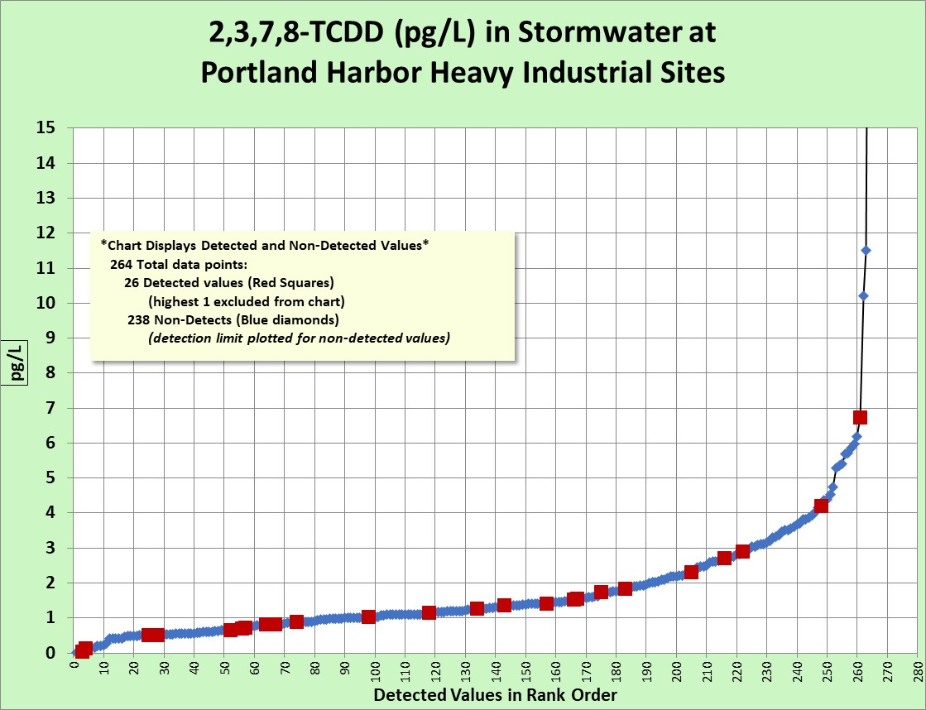

1,2,3,7,8-PeCDD Chart
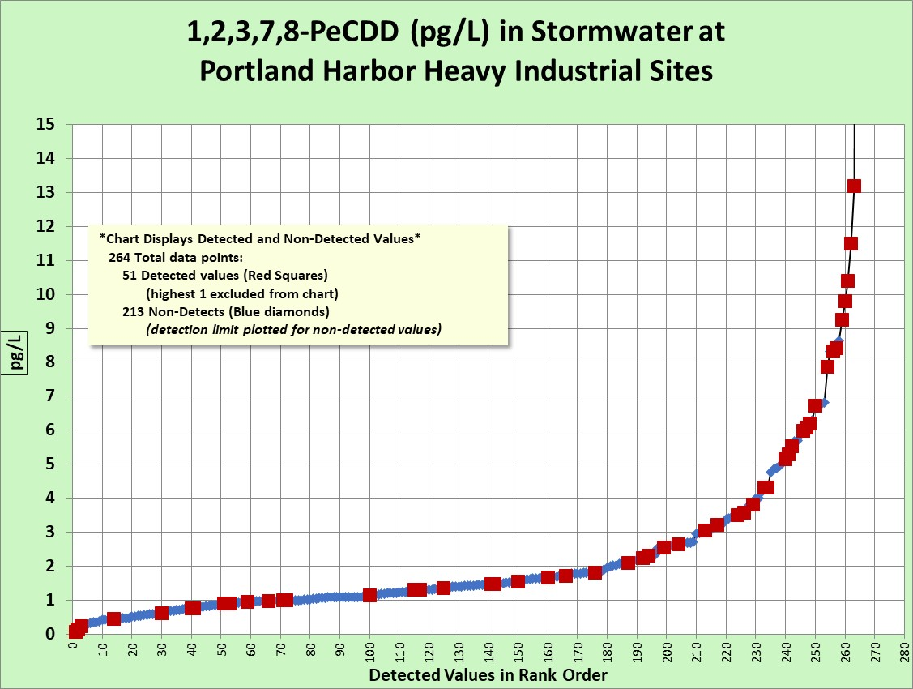

1,2,3,4,7,8-HxCDD Chart
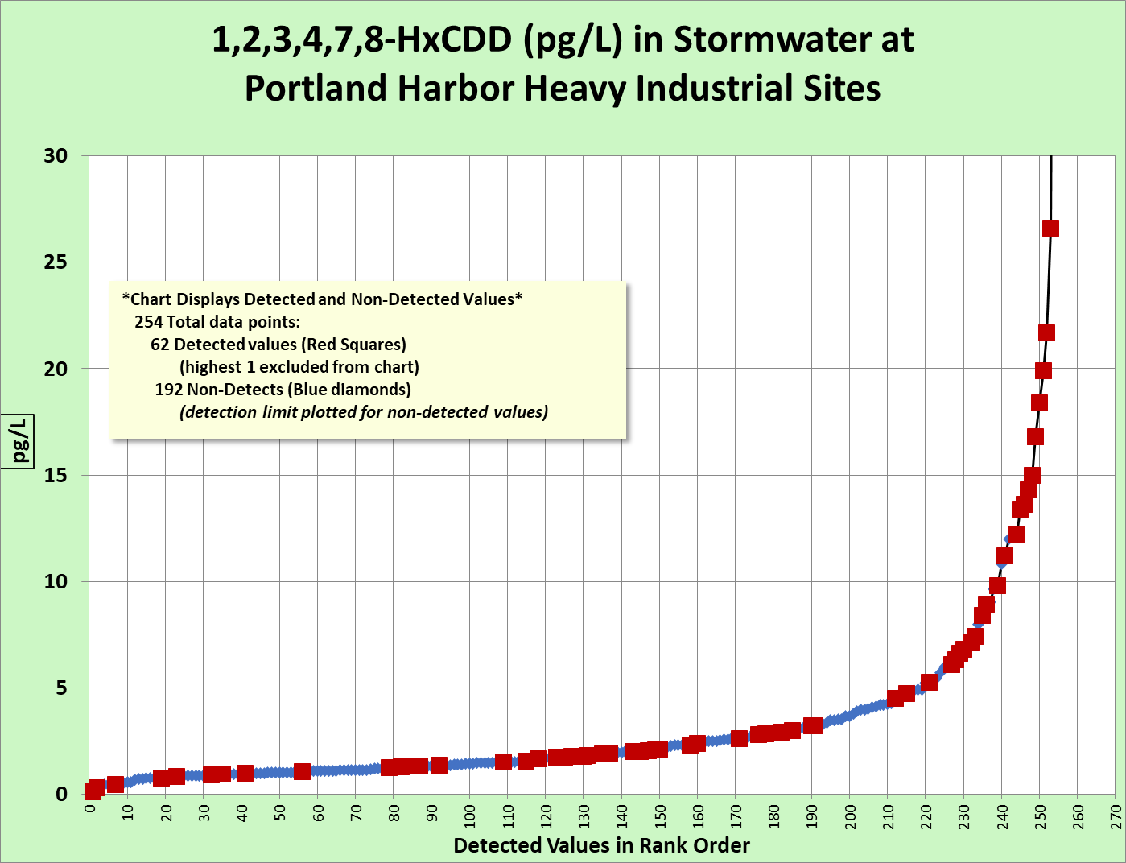

1,2,3,6,7,8-HxCDD Chart
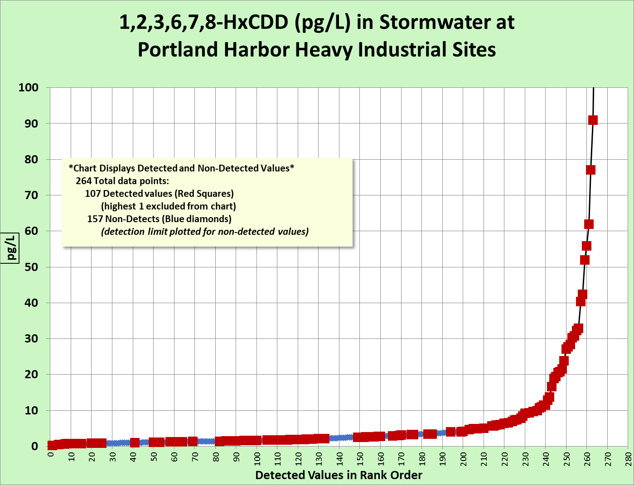

1,2,3,7,8,9-HxCDD Chart
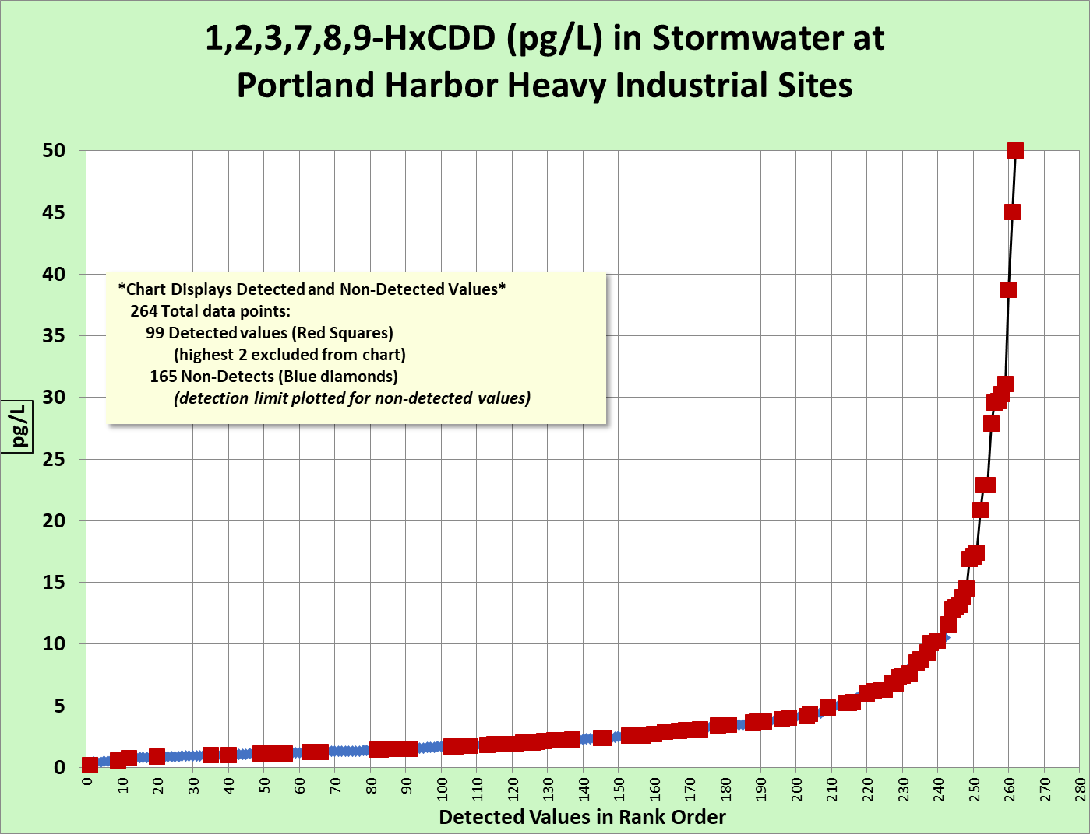

1,2,3,4,6,7,8-HpCDD Chart
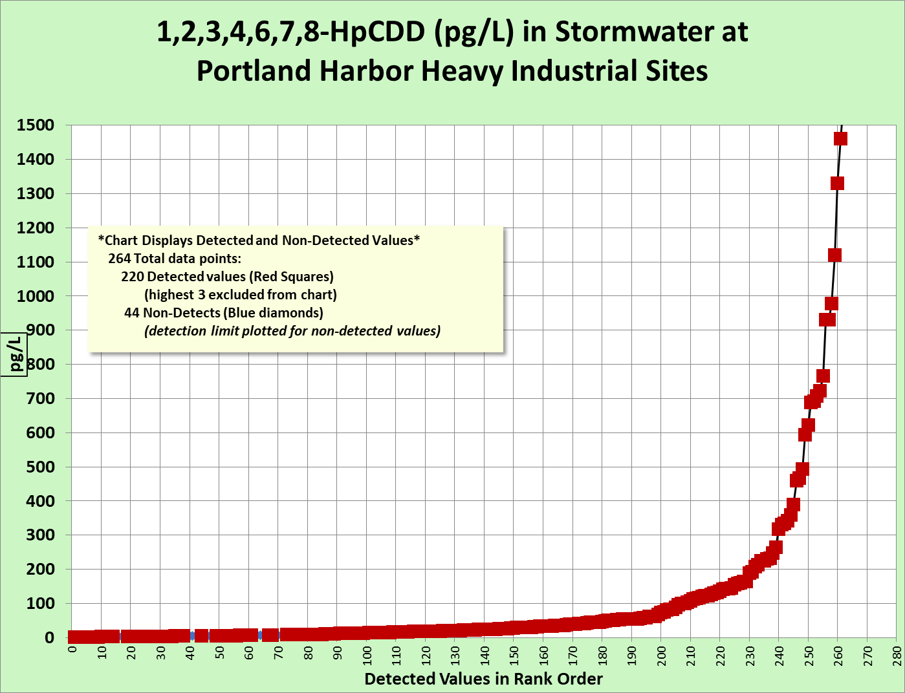

OCDD Chart
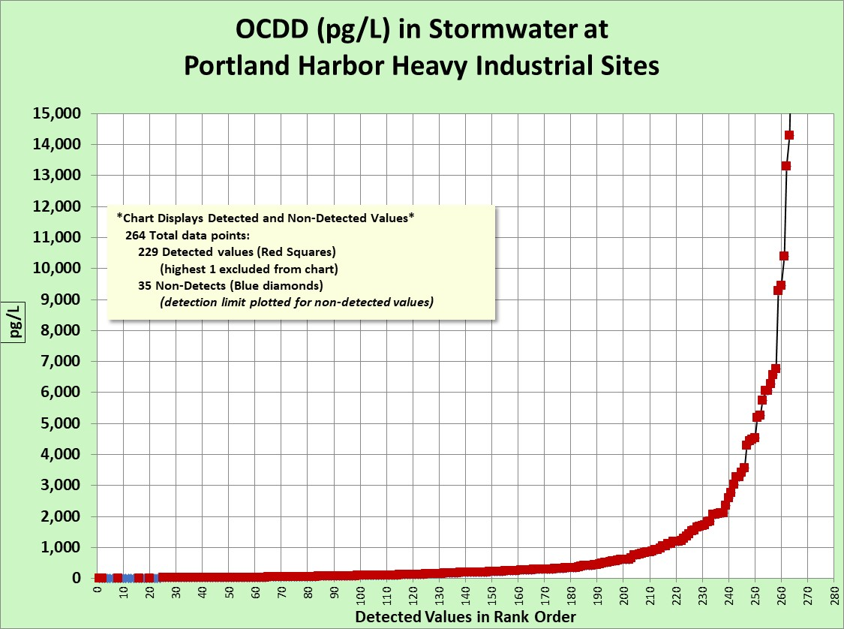

2,3,7,8-TCDF Chart
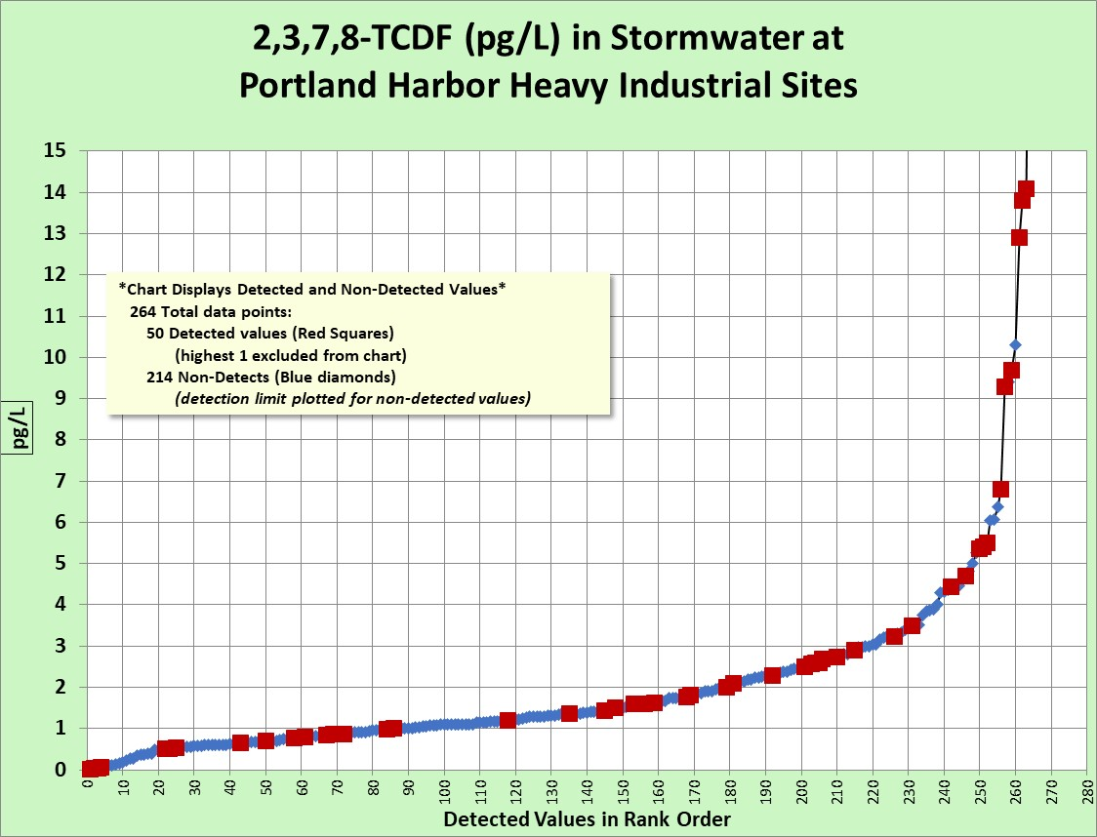

2,3,4,7,8-PeCDF Chart
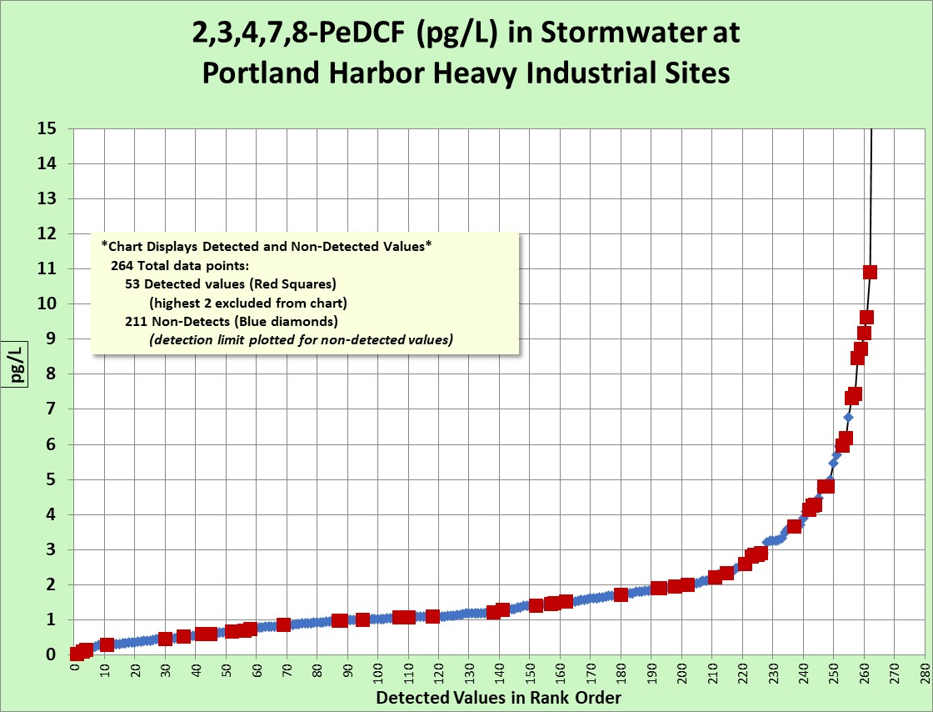

1,2,3,7,8-PeCDF Chart
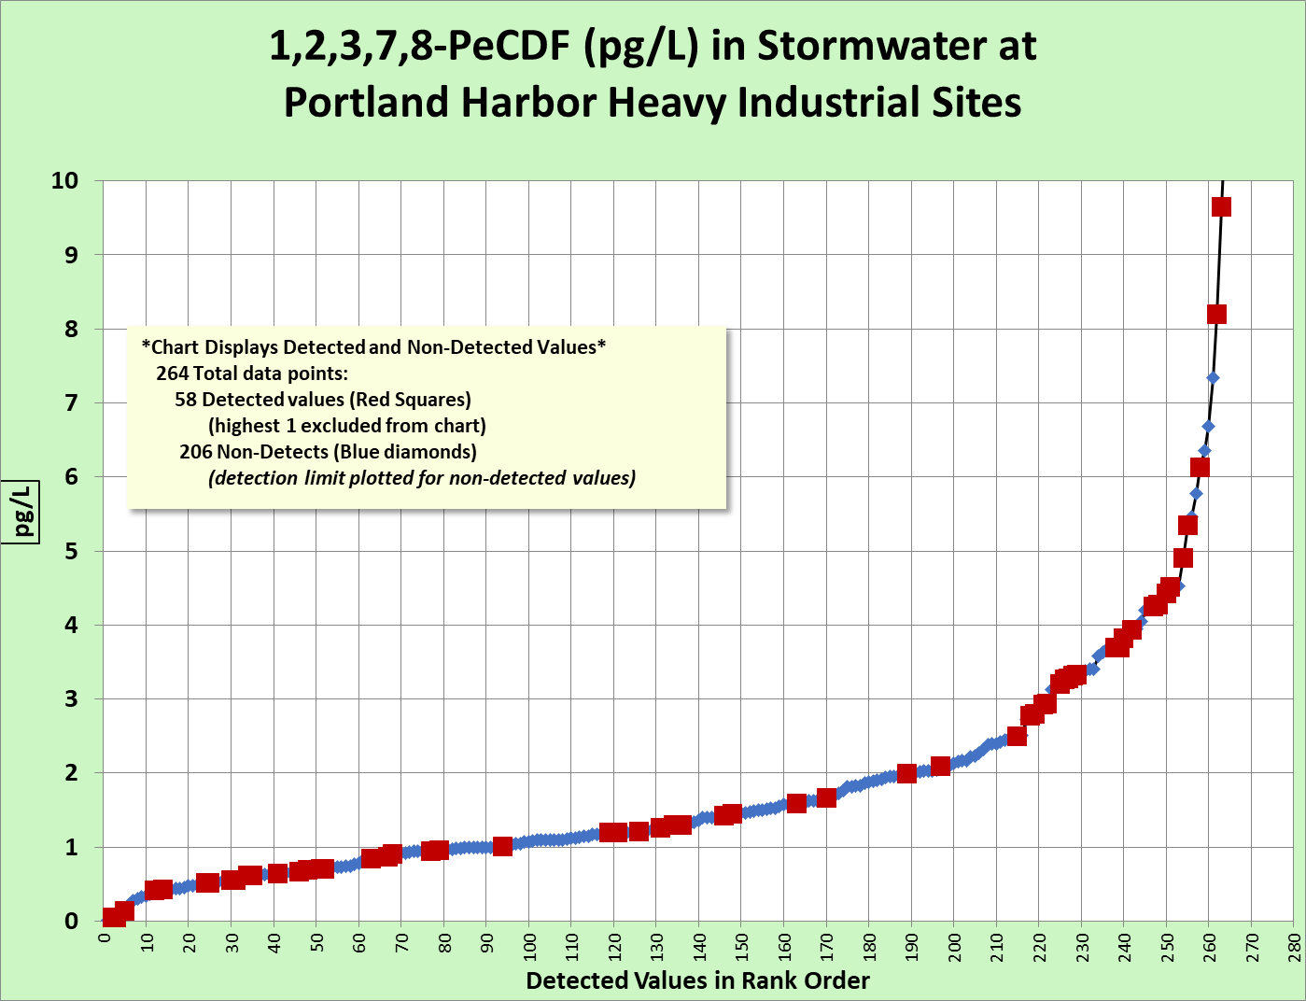

1,2,3,6,7,8-HxCDF Chart
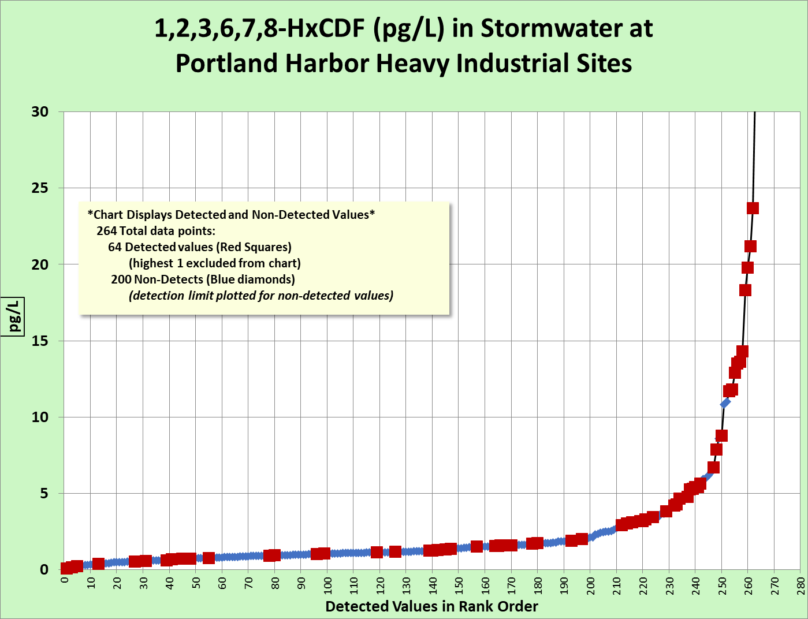

1,2,3,4,7,8-HxCDF Chart
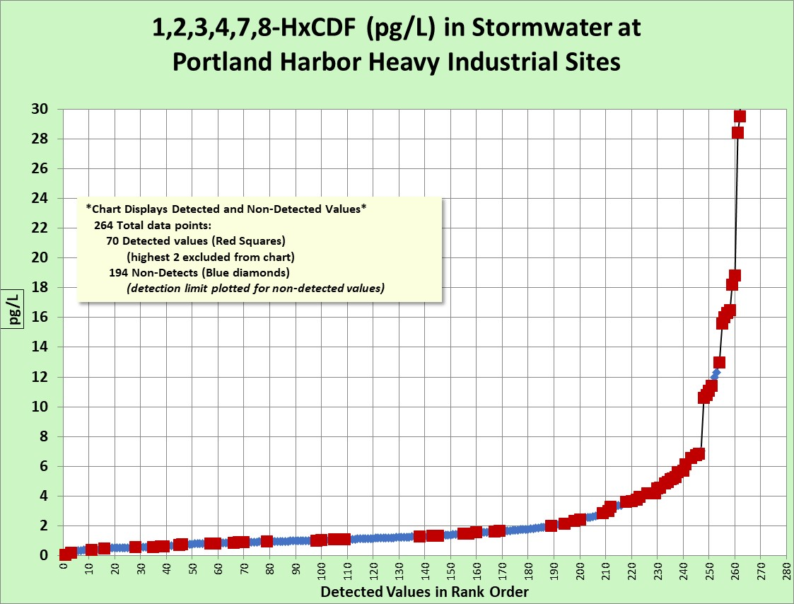

1,2,3,7,8,9-HxCDF Chart
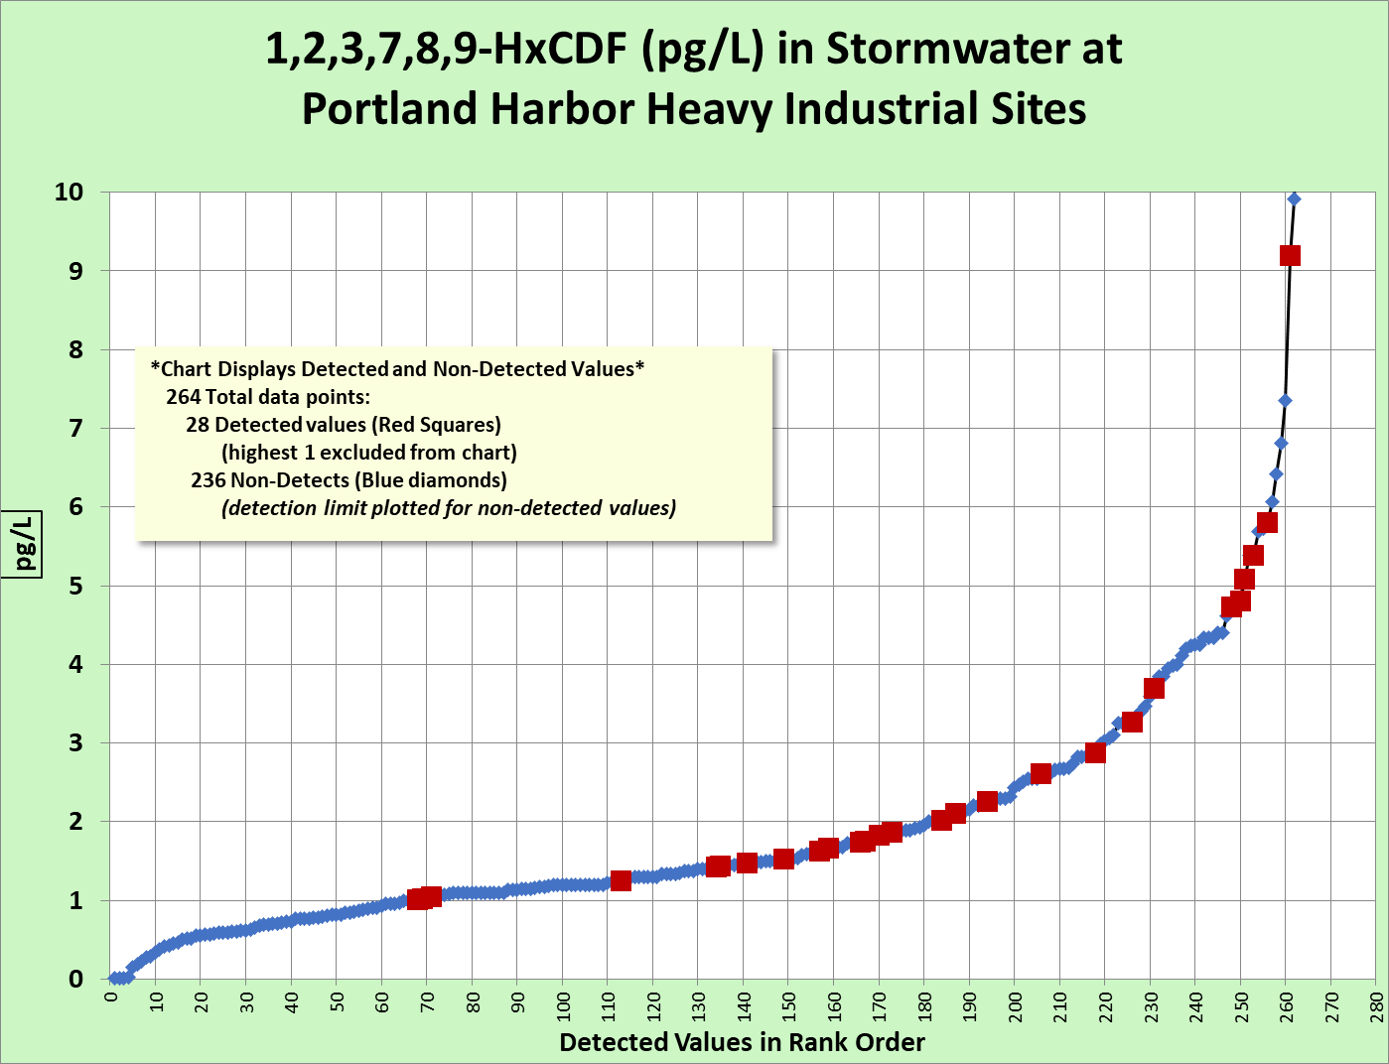

2,3,4,6,7,8-HxCDF Chart
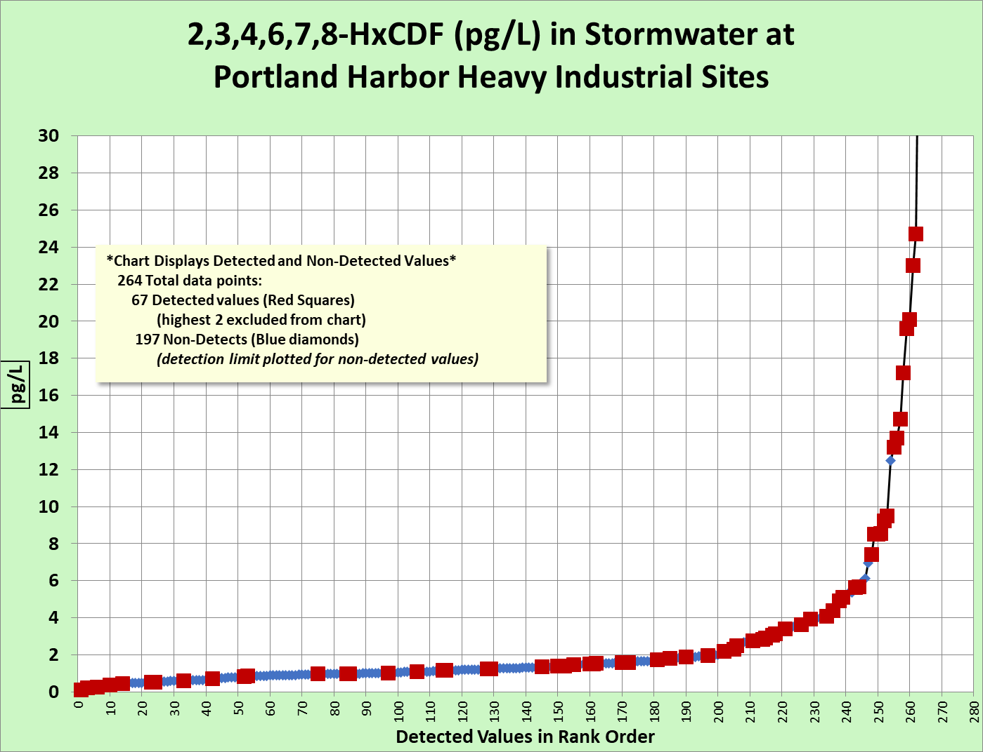

1,2,3,4,6,7,8-HpCDF Chart
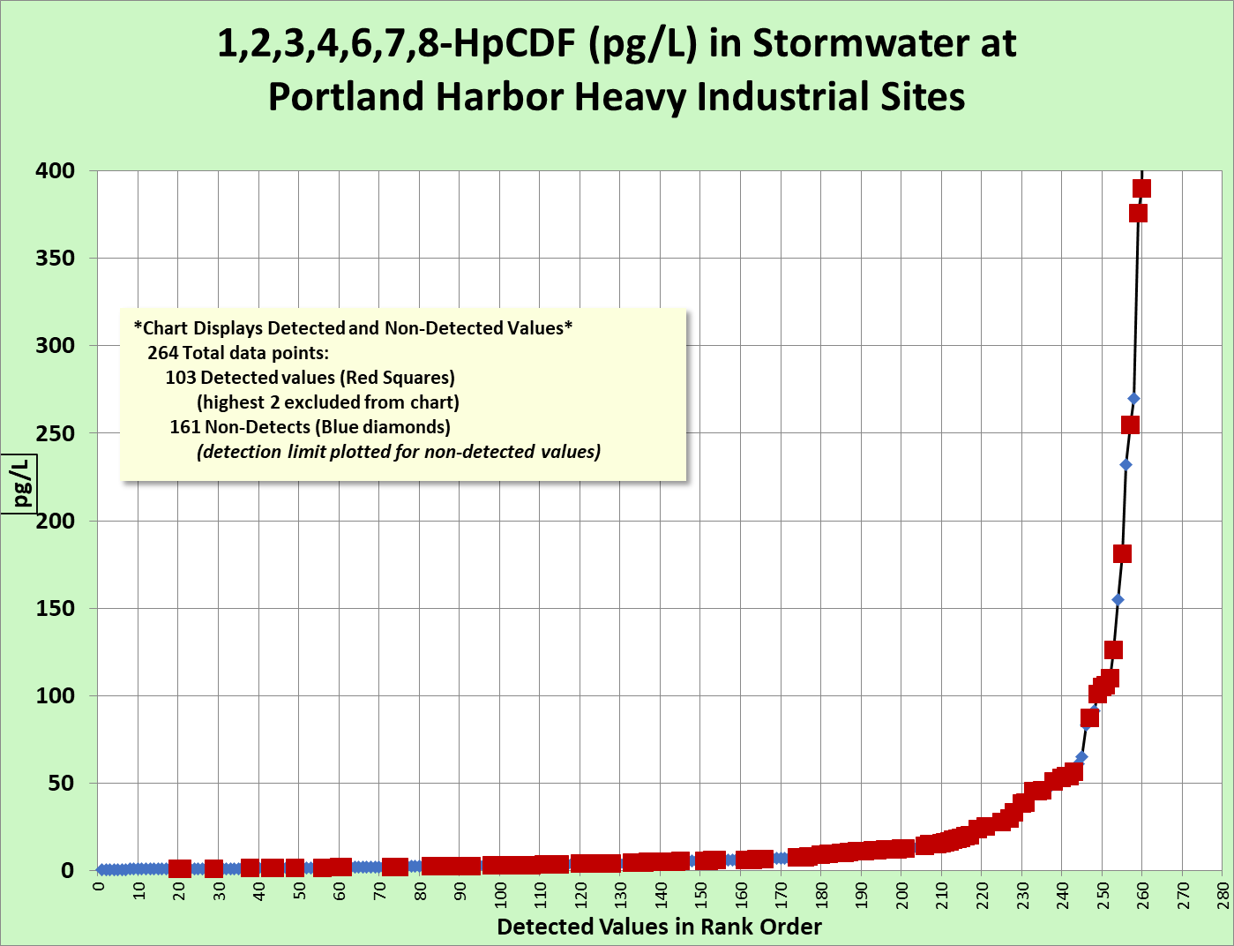

1,2,3,4,7,8,9-HpCDF Chart
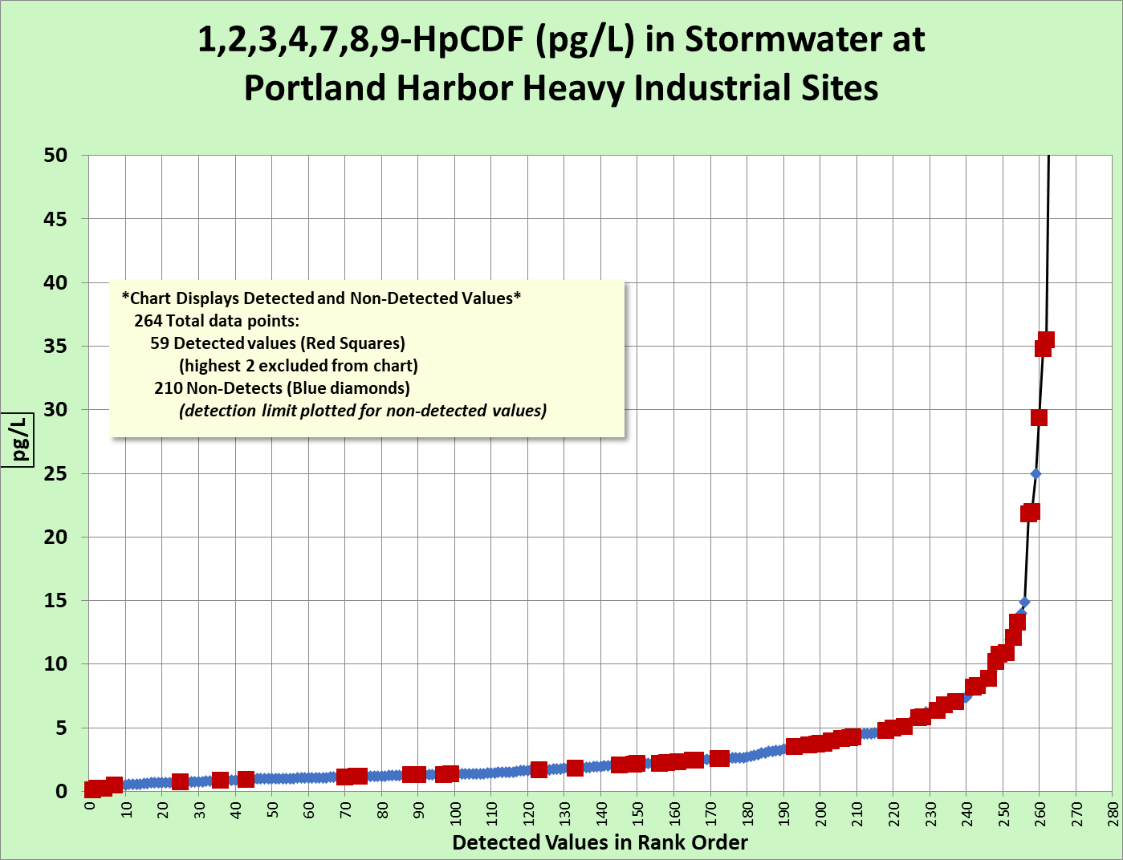

OCDF Chart
