Guide
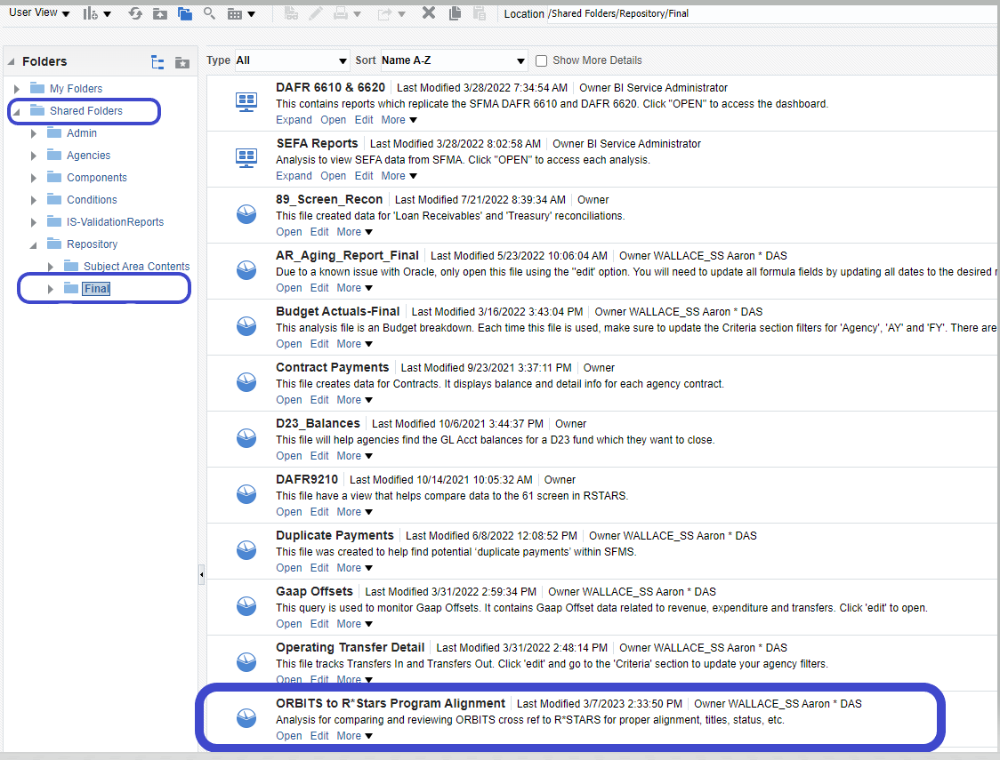
Please make sure the Program Alignment Spreadsheet doesn’t have references to old biennia and includes all D04s that are in RSTARS are listed on the Alignment spreadsheet. Sometimes titles and workbook names don’t get updated with the new biennium and it can cause confusion. Also, please make sure that changes to the existing structure are highlighted and that the comment section explains what changed. Below is a link to an example of best practices for proposing changes and formatting.
To help make sure the Program Alignment Spreadsheet is current, SABRS with the help of Datamart staff have created a OB1 file titled “ORBITS to R*Stars Program Alignment” for agencies to use. This file can be exported as a basic template for your current Program Alignment Spreadsheet (note additional formatting and title reference maybe needed).

