8. DAS Checklist
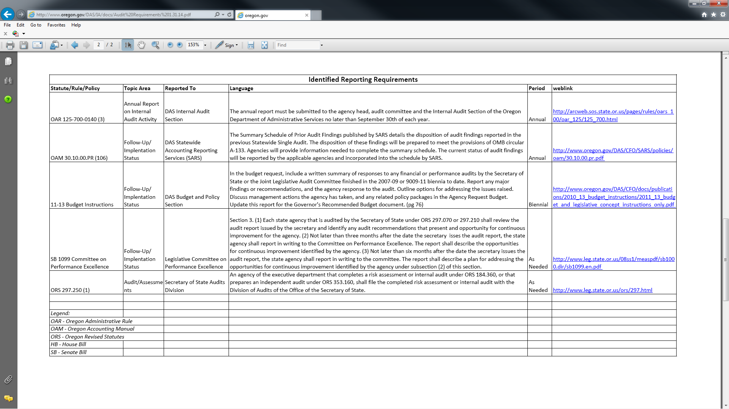
DAS Checklist Requirements

 |  | : this requirement has already been documented elsewhere in this compliance checklist spreadsheet.

 |  | : this requirement has not been documented elsewhere and will be documented in the checklist below.

 | Statute/Rule/Policy | Summary of Requirement | Date Last Addressed | CAE Memo | When to Address Again

 | DAS Statewide Policy 50.040.01© | An agency head shall conduct and document a written program evaluation and audit on at least a biennial basis to assess and effect program improvements and corrective actions, as necessary. The written evaluation shall include a determination of employee understanding and satisfaction with the program. For more info, go here: http://www.oregon.gov/DAS/CHRO/docs/advice/p5004001.pdf
 | ISP for OR | Information Security Plan for the State of Oregon | 2014-06-09 | confirmed with Jaya Srinivasan, ISS Manager at DOR, that this is DOR's ISS responsibility. I reviewed the IS Plan for the State of Oregon online, there was no reference of an annual audit requirement (it said TBD in the frequency field). | N/A
 | OAM 30.10.00.PR(106) | Help prepare summary schedule of prior audit findings for single audit | 2014-06-10 | This is prepared each year by the related departments/sections. Will need to gain clarity regarding if I prepare department staff for this. | 2014-07-01
 | Senate Bill 1099 Section 3(1) | Each state agency that is audited by the Secretary of State under ORS297.070 or 297.210 shall review the audit report issued by the secretary and identify any auditrecommendations that present an opportunity for continuous improvement for the agency.(2) Not later than three months after the date the secretary issues the audit report, thestate agency shall report in writing to the Committee on Performance Excellence. The reportshall describe the opportunities for continuous improvement identified by the agency.(3) Not later than six months after the date the secretary issues the audit report, thestate agency shall report in writing to the committee. The report shall describe a plan foraddressing the opportunities for continuous improvement identified by the agency undersubsection (2) of this section. | 2014-06-10 |  | 2014-08-01

 | obtained from: http://www.oregon.gov/DAS/IA/docs/Audit%20Requirements%201.31.14.pdf
 | on 6/9/2014
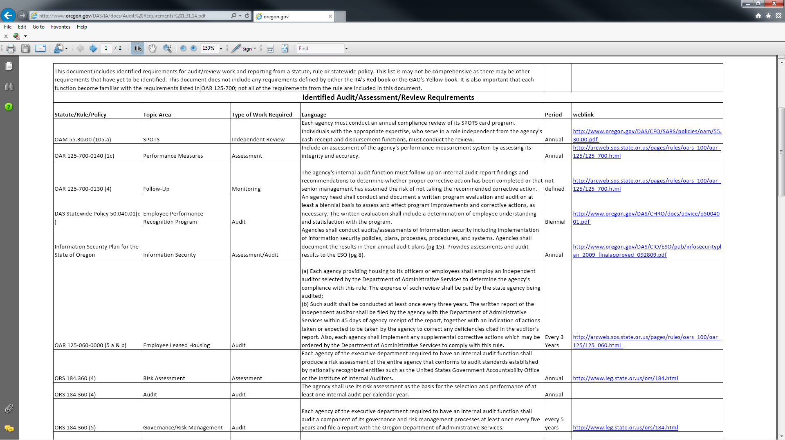

N/A

